bank_details
Required Information | Fill in
账户开户名： Bank Account Name: | Tran Viet Khoa
开户行： Bank Name: | Vietcombank (Nguyen Son branch)
账户号： Bank Account Number: | 0421000449169
开户行地址： Bank Address: | Bank for Foreign Trade of Vietnam - 1162 Quang Trung Street, Ward 8, Go Vap District, Ho Chi Minh City, Vietnam
银行swift code Bank Swift Code: | BFTVVNVX
电子邮箱： Email: | Vietkhoa96@gmail.com
联系人姓名 contact name | TRAN VIET KHOA
联系电话： Contact Number: | 0932122085
地址： Address: | 15/40/13 59 street, Go Vap district, Ho Chi Minh city, Vietnam
邮编： Postal Code: | 700000
身份证号码： Identification Card Number (for freelance only)： | C0240348

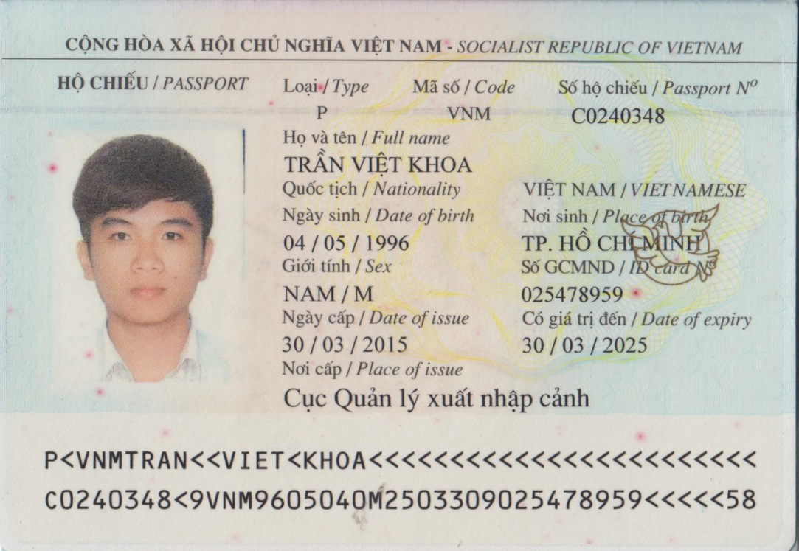 身份证电子档 Copy of Identification Card (for freelance only)

