bank_details
Required Information | Fill in
账户开户名： Bank Account Name: | Amin Faramarzeyan
开户行： Bank Name: | Ziraat Bank ISTANBUL BRANCH
账户号： Bank Account Number: | 89721566-5003 1798-ESENYURT / ISTANBUL BRANCH
开户行地址： Bank Address: | Zafer Mah. Doğan Araslı Blv. No: 91 / 1 34510 Esenyurt İstanbul. Branch Code: 1798
银行swift code Bank Swift Code: | TCZBTR2A
电子邮箱： Email: | aminfara.art@gmail.com | aminfara@me.com
联系人姓名 contact name | Amin Faramarzeyan
联系电话： Contact Number: | 00905524892391
地址： Address: | Üniversite mahallesi, Firuzköy Bulvarı, Cemil Meriç sokak, no:19 mars19- B1 blok- D:22 Avcılar
邮编： Postal Code: | 34320
身份证号码： Identification Card Number (for freelance only)： | NLD84066642

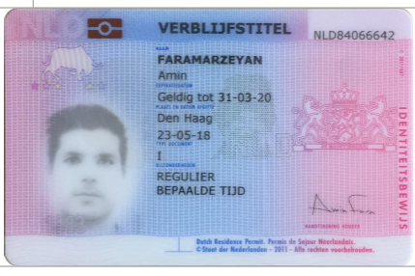 身份证电子档 Copy of Identification Card (for freelance only)

