Sheet1
Receipt No. | Completion Time | Details | Transaction Status | Paid In | Withdrawn | Balance
RB69252JA1 | 2/6/23 | Customer Transfer to - | Completed |  | -500 | 115
 |  | 07******122 WINNY CHEPKOECH
RB6424ZJI6 | 2/6/23 | Customer Transfer of Funds Charge | Completed |  | -6 | 615
RB6424ZJI6 | 2/6/23 | Customer Transfer to - | Completed |  | -200 | 621
 |  | 07******970 CHEPKIRUI SHARON
RB69243B1X | 2/6/23 | Merchant Payment to 867307 CLEAN SHELF SUPERMARKETSLIMURU | Completed |  | -120 | 821
RB6323HZ51 | 2/6/23 | Customer Transfer of Funds Charge | Completed |  | -6 | 941
RB6323HZ51 | 2/6/23 | Customer Transfer to - | Completed |  | -400 | 947
 |  | 07******970 CHEPKIRUI SHARON
RB62233III | 2/6/23 | Business Payment from 300600 Equity Bulk Account via API. | Completed | 1,000.00 |  | 1,347.00
 |  | Original conversation ID is 383854846581.
RB6121UMZV | 2/6/23 | Customer Transfer to - | Completed |  | -30 | 347
 |  | 2547******924 GEDION MUTURI
RB681E0NKU | 2/6/23 | Buy Bundles Online | Completed |  | -150 | 377
RB641D4FGK | 2/6/23 | Customer Transfer of Funds Charge | Completed |  | -6 | 527
RB641D4FGK | 2/6/23 | Customer Transfer to - | Completed |  | -500 | 533
 |  | 2547******321 Chepngetich
 |  | Getrude
RB57ZIWWGJ | 2/6/23 | Pay Bill Charge | Completed |  | -40 | 1,033.00
RB57ZIWWGJ | 2/6/23 | Pay Bill to 791901 - Goshen Flats via NBK Acc. C6 | Completed |  | -7,350.00 | 1,073.00
RB56ZHRO2G | 2/6/23 | Buy Bundles Online | Completed |  | -100 | 8,423.00
RB50ZH1LL0 | 2/5/23 | Business Payment from 300600 Equity Bulk Account via API. | Completed | 3,000.00 |  | 8,523.00
 |  | Original conversation ID is 842366822707.
RB58Z4B1N4 | 2/5/23 | Customer Transfer to - | Completed |  | -55 | 5,523.00
 |  | 2547******303 CAROLINE NIMMO
RB56Z2WVX8 | 2/5/23 | Pay Bill to 522522 - KCB Paybill AC Acc. 6059430 | Completed |  | -40 | 5,578.00
RB58Z2OK84 | 2/5/23 | Merchant Payment to 7046929 JOHN MICHUKI KIHARA | Completed |  | -20 | 5,618.00
RB53Z2ERYL | 2/5/23 | Merchant Payment to 7477691 MARY WAIRIMU NJOKI | Completed |  | -70 | 5,638.00
RB55Z1YT4R | 2/5/23 | Merchant Payment to 527130 - | Completed |  | -332 | 5,708.00
 |  | SHOPPERS PRIDE SUPERMARKET
RB52Y2K67S | 2/5/23 | Merchant Payment to 7886952 BONIFIED DAIRIES |  |  | -70 | 6,040.00
RB50Y25X8I | 2/5/23 | Merchant Payment to 7530164 GATHITU NYAMBURA MARY | Completed |  | -60 | 6,110.00
RB58XY1SRK | 2/5/23 | Pay Bill Charge | Completed |  | -2 | 6,170.00
RB58XY1SRK | 2/5/23 | Pay Bill to 215215 - MYAIRTIME LTD Acc. 0751563157 | Completed |  | -100 | 6,172.00
RB54XROLOU | 2/5/23 | Buy Bundles Online | Completed |  | -50 | 6,272.00
RB58XGGXQO | 2/5/23 | Buy Bundles Online | Completed |  | -100 | 6,322.00
RB45WSVFT5 | 2/4/23 | Customer Transfer to - | Completed |  | -30 | 6,422.00
 |  | 2547******303 CAROLINE NIMMO
RB40WSJ8NU | 2/4/23 | Pay Bill to 247247 - Equity | Completed |  | -10 | 6,452.00
 |  | Paybill Account Acc. 0714490648
RB47VV285F | 2/4/23 | Buy Bundles Online | Completed |  | -150 | 6,462.00
RB42VO7KS2 | 2/4/23 | Pay Bill to 247247 - Equity | Completed |  | -80 | 6,612.00
...
Receipt No. | Completion Time | Details | Transaction Status | Paid In | Withdrawn | Balance
RA35L84XYF | 1/3/23 | Customer Transfer of Funds Charge | Completed |  | -6 | 13,504.00
RA35L84XYF | 1/3/23 | Customer Transfer to 2547******859 SHARON | Completed |  | -240 | 13,510.00
 |  | CHELANGAT
RA39KQCUTH | 1/3/23 | Pay Bill Online to 4093441 - | Completed |  | -100 | 13,750.00
 |  | SAFARICOM DATA BUNDLES Acc.
 |  | SAFARICOM DATA BUNDLES
RA22KHLAQ8 | 1/3/23 | Pay Bill Online to 4093441 - | Completed |  | -100 | 13,850.00
 |  | SAFARICOM DATA BUNDLES Acc.
 |  | SAFARICOM DATA BUNDLES
RA21JNEY0L | 1/2/23 | Customer Transfer of Funds Charge | Completed |  | -6 | 13,950.00
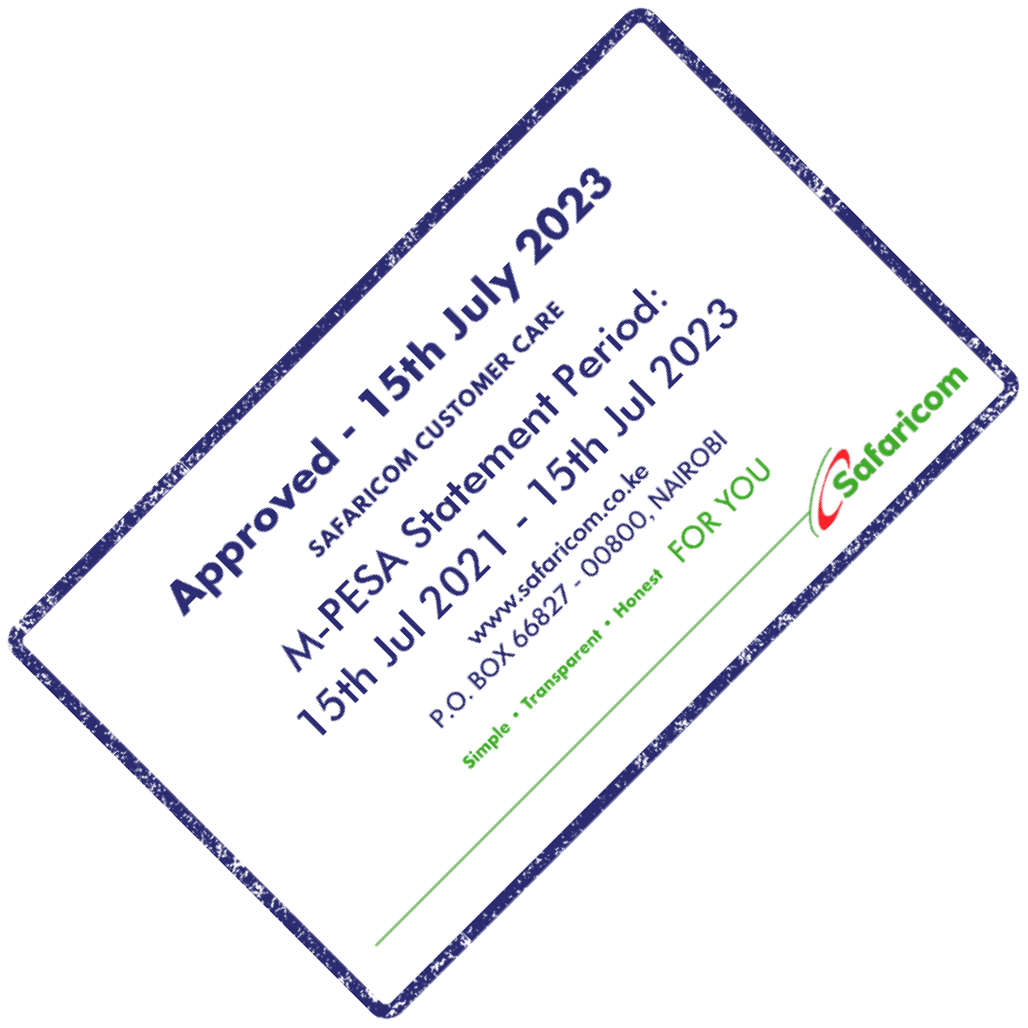
Completed
RA21JNEY0L | 1/2/23 | Customer Transfer to - |  |  | -300 | 13,956.00
 |  | 01******681 KELVIN KEMBOI
RA27JLV5OH | 1/2/23 | Customer Transfer of Funds Charge | Completed |  | -6 | 14,256.00
RA27JLV5OH | 1/2/23 | Customer Transfer to - | Completed |  | -500 | 14,262.00
 |  | 2547******198 Onesmus Njogu
RA28JJRNT6 | 1/2/23 | Pay Bill Online to 4093441 - | Completed |  | -120 | 14,762.00
 |  | SAFARICOM DATA BUNDLES Acc.
 |  | SAFARICOM DATA BUNDLES
RA12H5Y9KC | 1/1/23 | Withdrawal Charge | Completed |  | -28 | 14,882.00
RA12H5Y9KC | 1/1/23 | Customer Withdrawal At Agent | Completed |  | -900 | 14,910.00
 |  | Till 251342 - Hisa Logistics Reuben Molo
RA16GM7ONO | 1/1/23 | Pay Bill Online to 4093441 - | Completed |  | -100 | 15,810.00
 |  | SAFARICOM DATA BUNDLES Acc.
 |  | SAFARICOM DATA BUNDLES
RA13GGM9IH | 1/1/23 | Pay Bill Charge | Completed |  | -4 | 15,910.00
RA13GGM9IH | 1/1/23 | Pay Bill to 247247 - Equity | Completed |  | -120 | 15,914.00
 |  | Paybill Account Acc. 0728671109
QLV4FY7LFW | 1/1/23 | Business Payment from 300600 Equity Bulk Account via API. | Completed | 15,000.00 |  | 16,034.00
 |  | Original conversation ID is 375608275364.
QLV8FNSCIC | 1/1/23 | Pay Bill Online to 4093441 - | Completed |  | -200 | 1,034.00
 |  | SAFARICOM DATA BUNDLES Acc.
...
Receipt No. | Completion Time | Details | Transaction Status | Paid In | Withdrawn | Balance
QKD4V3FQRM | 11/13/22 | Withdrawal Charge | Completed |  | -27 | 1,350.00
QKD4V3FQRM | 11/13/22 | Customer Withdrawal At Agent | Completed |  | -300 | 1,377.00
 |  | Till 152281 - Wimtech
 |  | Communications Limited
 |  | Information House agg
QKD0USMPAK | 11/13/22 | Merchant Payment to 7768307 ZIP LARISH SERVICES LIMITED | Completed |  | -20 | 1,677.00
QKD3USIX6N | 11/13/22 | Merchant Payment to 7768307 ZIP LARISH SERVICES LIMITED | Completed |  | -320 | 1,697.00
QKD8ULN5O0 | 11/13/22 | Pay Bill to 522522 - KCB Paybill AC Acc. 1276157088 | Completed |  | -1,000.00 | 2,017.00
QKD9ULIL9F | 11/13/22 | Business Payment from 300600 Equity Bulk Account via API. | Completed | 3,000.00 |  | 3,017.00
 |  | Original conversation ID is 275468043016.
Completed
QKD0UAU96A | 11/13/22 | Merchant Payment to 7823762 NICKSON ANGANO |  |  | -80 | 17
QKD0UAEEGG | 11/13/22 | Withdrawal Charge | Completed |  | -27 | 97
QKD0UAEEGG | 11/13/22 | Customer Withdrawal At Agent | Completed |  | -500 | 124
 |  | Till 996006 - Home Choice
 |  | Kabuku Shopping Centre
QKD0UABURC | 11/13/22 | Business Payment from 300600 Equity Bulk Account via API. | Completed | 500 |  | 624
 |  | Original conversation ID is 126670631345.
QKD4TUSIO0 | 11/13/22 | Pay Bill Online to 4093441 - | Completed |  | -100 | 124
 |  | SAFARICOM DATA BUNDLES Acc.
 |  | SAFARICOM DATA BUNDLES
QKD7TUHQ2D | 11/13/22 | Pay Bill Online to 4093441 - | Completed |  | -20 | 224
 |  | SAFARICOM DATA BUNDLES Acc.
 |  | SAFARICOM DATA BUNDLES
QKD7TR3SNH | 11/13/22 | Merchant Payment to 7893164 - | Completed |  | -60 | 244
 |  | Stephen Ndungu Mwangi via NBK
QKD2TPC2PO | 11/13/22 | Pay Bill Charge | Completed |  | -2 | 304
QKD2TPC2PO | 11/13/22 | Pay Bill to 220220 - PesaPal Acc. 0751563157 | Completed |  | -70 | 306
QKD2TIMNDM | 11/13/22 | Pay Bill Online to 4093441 - | Completed |  | -50 | 376
 |  | SAFARICOM DATA BUNDLES Acc.
 |  | SAFARICOM DATA BUNDLES
QKC0T3WNDK | 11/12/22 | Merchant Payment to 7994189 Sarah Wairimu Ndungu | Completed |  | -20 | 426
...
Receipt No. | Completion Time | Details | Transaction Status | Paid In | Withdrawn | Balance
 |  | SHOPPERS PRIDE SUPERMARKET
QK64DRWUPM | 11/6/22 | Business Payment from 300600 Equity Bulk Account via API. | Completed | 500 |  | 720
 |  | Original conversation ID is 763585365273.
QK63DRFVKH | 11/6/22 | Merchant Payment to 7169205 TERESA WAMBUGI NYAGA | Completed |  | -10 | 220
QK64DREDKW | 11/6/22 | Merchant Payment to 7169205 TERESA WAMBUGI NYAGA | Completed |  | -20 | 230
QK69DRA0ZJ | 11/6/22 | Merchant Payment to 7975627 MARGARET WANGUI WANJIRU | Completed |  | -50 | 250
QK65DR5YER | 11/6/22 | Merchant Payment to 7975627 MARGARET WANGUI WANJIRU | Completed |  | -30 | 300
QK66DR30TY | 11/6/22 | Merchant Payment to 7975627 MARGARET WANGUI WANJIRU | Completed |  | -110 | 330
QK61D02ZWT | 11/6/22 | Customer Transfer to - | Completed |  | -50 | 440
 |  | 2547******197 VIOLET NDAYALA
Completed
QK67D02DNB | 11/6/22 | Customer Transfer to - | Text Box: Completed |  | -50 | 490
 |  | 07******383 Sheila Lanogwa
QK55COOTXD | 11/5/22 | Customer Transfer of Funds Charge | Completed |  | -6 | 540
QK55COOTXD | 11/5/22 | Customer Payment to Small | Completed |  | -300 | 546
 |  | Business to - 2547******008 DICKSON MEIKWAYA
QK58C9VN62 | 11/5/22 | Pay Bill Charge | Completed |  | -85 | 846
QK58C9VN62 | 11/5/22 | Pay Bill to 791901 - Goshen Flats via NBK Acc. C6 | Completed |  | -7,000.00 | 931
QK52BJ1AKQ | 11/5/22 | Merchant Payment to 7140563 BY GRACE GAS POINT MBAKA CENTRE | Completed |  | -120 | 7,931.00
QK53BG6L8V | 11/5/22 | Business Payment from 300600 Equity Bulk Account via API. | Completed | 7,000.00 |  | 8,051.00
 |  | Original conversation ID is 983713171557.
QK54B9Q9TU | 11/5/22 | Pay Bill to 522522 - KCB Paybill AC Acc. 6059430 | Completed |  | -20 | 1,051.00
...
Receipt No. | Completion Time | Details | Transaction Status | Paid In | Withdrawn | Balance
QI33B0YZML | 9/3/22 | Merchant Payment to 869537 KFC Nakuru.. | Completed |  | -2,040.00 | 1,109.00
QI35AXLUUB | 9/3/22 | Business Payment from 300600 Equity Bulk Account via API. | Completed | 3,000.00 |  | 3,149.00
 |  | Original conversation ID is 474625710982.
QI34AFIC6I | 9/3/22 | Withdrawal Charge | Completed |  | -28 | 149
QI34AFIC6I | 9/3/22 | Customer Withdrawal At Agent Till 364648 - Neowave ltdLigogo shopagg | Completed |  | -600 | 177
QI39AE0OM9 | 9/3/22 | Customer Transfer to - | Completed |  | -40 | 777
 |  | 07******963 BRIAN WABOMBA
QI28A4GD28 | 9/2/22 | Merchant Payment to 7963265 BEATRICE MAKENA | Completed |  | -900 | 817
QI25A4F943 | 9/2/22 | Business Payment from 501901 KCB 1 via API. Original conversation ID is 9I22DIT6SS. | Completed | 1,000.00 |  | 1,717.00
QI299X2127 | 9/2/22 | Merchant Payment to 7970483 ERICK MTAWA NGELESANI | Completed |  | -60 | 717
Completed
QI269VIKGC | 9/2/22 | Merchant Payment to 7901187 MERCY WAMBUI KIARIE | Text Box: Completed |  | -50 | 777
QI259TXYH3 | 9/2/22 | Pay Bill Charge | Completed |  | -34 | 827
QI259TXYH3 | 9/2/22 | Pay Bill Online to 776611JAMII | Completed |  | -1,000.00 | 861
 |  | TELECOMMUNICATIONS LTD Acc.
 |  | - 2547******229 M25
QI219Q1NX9 | 9/2/22 | Customer Transfer to - | Completed |  | -100 | 1,861.00
 |  | 01******150 DANIEL NYANJUI
QI278VJWW5 | 9/2/22 | Merchant Payment to 7408474 FAHMY MOHAMED BAFAGH | Completed |  | -410 | 1,961.00
QI298VH25B | 9/2/22 | Business Payment from 300600 Equity Bulk Account via API. | Completed | 2,342.00 |  | 2,371.00
 |  | Original conversation ID is 439495712546.
QI228QLKHA | 9/2/22 | Pay Bill to 303030 - Absa Bank Kenya PLC Acc. 2043323108 | Completed |  | -45,000.00 | 29
...
Receipt No. | Completion Time | Details | Transaction Status | Paid In | Withdrawn | Balance
QH53P4A2GL | 8/5/22 | Withdrawal Charge | Completed |  | -10 | 201
QH53P4A2GL | 8/5/22 | Customer Withdrawal At Agent Till 366320 - IDYLLIC IMAGES haron shop seguton centre | Completed |  | -100 | 211
 |  | seguton
QH59P3WK8V | 8/5/22 | Business Payment from 300600 Equity Bulk Account via API. | Completed | 200 |  | 311
 |  | Original conversation ID is 218779574141.
QH40N22DXC | 8/4/22 | Merchant Payment to 7425074 MARITIM TIMONA KIPLANGAT | Completed |  | -470 | 111
QH49N1Y2BX | 8/4/22 | Business Payment from 300600 Equity Bulk Account via API. | Completed | 500 |  | 581
 |  | Original conversation ID is 483106504760.
QH30LIW3IS | 8/3/22 | Customer Transfer to - | Completed |  | -30 | 81
 |  | 2547******100 Shadrack Langat
Complete
QH33LITD43 | 8/3/22 | Business Payment from 300600 Equity Bulk Account via API. | Text Box: Complete | 100 |  | 111
 |  | Original conversation ID is 826836756276.
QH38LGCJU0 | 8/3/22 | Withdrawal Charge | Completed |  | -27 | 11
QH38LGCJU0 | 8/3/22 | Customer Withdrawal At Agent | Completed |  | -300 | 38
 |  | Till 823009 - Listan Logistic Opp Slaugher House Kangundo
QH30LET0RY | 8/3/22 | Business Payment from 300600 Equity Bulk Account via API. | Completed | 300 |  | 338
 |  | Original conversation ID is 076917537333.
QH32KRV3VA | 8/3/22 | Pay Bill Charge | Completed |  | -85 | 38
QH32KRV3VA | 8/3/22 | Pay Bill to 791901 - Goshen Flats via NBK Acc. C6 | Completed |  | -6,577.00 | 123
QH33KRSQO3 | 8/3/22 | Business Payment from 300600 Equity Bulk Account via API. | Completed | 200 |  | 6,700.00
 |  | Original conversation ID is 134884347290.
...
Receipt No. | Completion Time | Details | Transaction Status | Paid In | Withdrawn | Balance
 |  | CHELANGAT
QGU3D09LAF | 7/30/22 | Pay Bill Online to 4093441 - | Completed |  | -100 | 226
 |  | SAFARICOM DATA BUNDLES Acc.
 |  | SAFARICOM DATA BUNDLES
QGU7CM1GND | 7/30/22 | Pay Bill Online to 4093441 - | Completed |  | -100 | 326
 |  | SAFARICOM DATA BUNDLES Acc.
 |  | SAFARICOM DATA BUNDLES
QGU4CD0AK4 | 7/30/22 | Pay Bill to 215550 - D.LIGHT LIMITED Acc. 902676825 | Completed |  | -50 | 426
QGU8CCRSD6 | 7/30/22 | Pay Bill Online to 826915 - | Completed |  | -40 | 476
 |  | Safaricom Offers Acc. Tunukiwa
Completed
QGU7C8XBQH | 7/30/22 | Customer Transfer of Funds Charge |  |  | -6 | 516
QGU7C8XBQH | 7/30/22 | Customer Transfer to - | Completed |  | -110 | 522
 |  | 07******576 MARY NYABOKE
QGT2B9ST3M | 7/29/22 | Customer Transfer to - | Completed |  | -100 | 632
 |  | 2547******163 EVANS LANGAT
QGT0B7JZZI | 7/29/22 | Customer Transfer to - | Completed |  | -30 | 732
 |  | 2547******913 EDDAH LANGAT
QGT9ATLT37 | 7/29/22 | Pay Bill Online to 4093441 - | Completed |  | -100 | 762
 |  | SAFARICOM DATA BUNDLES Acc.
 |  | SAFARICOM DATA BUNDLES
QGT6ACWHA0 | 7/29/22 | Pay Bill to 625625 - National Bank of Kenya -NBK Acc. | Completed |  | -600 | 862
 |  | 2465235
QGT2A6ZR9A | 7/29/22 | Pay Bill Online to 826915 - | Completed |  | -40 | 1,462.00
 |  | Safaricom Offers Acc. Tunukiwa
QGT7A6PI3P | 7/29/22 | Business Payment from 300600 Equity Bulk Account via API. | Completed | 1,500.00 |  | 1,502.00
 |  | Original conversation ID is 827473256237.
QGT29WV2S0 | 7/29/22 | Pay Bill to 247247 - Equity | Completed |  | -120 | 2
 |  | Paybill Account Acc. 0799619479
QGS99KTG0Z | 7/28/22 | Pay Bill Online to 4093441 - | Completed |  | -120 | 122
 |  | SAFARICOM DATA BUNDLES Acc.
 |  | SAFARICOM DATA BUNDLES
...

