Test Design Technique
Emp log into the system

New certificate submission

[Manager reviews and approves request]

Approved

Notification sent to HR
[Manger reviews and declines request]

Employee profile updated

Declined

Notification sent to HR and Emp

Test Scenarios
SD Worx People has enhanced its Employee Self-Service Portal by introducing a Certification Submission Feature.

Test Scenarios

Positive scenarios | Scenario | High Level Description | Assertions | Expected | Actual | Status | Comments
1 | Successful change - Approve by Manager | Log in as Emp, upload new certificate Login as Manager, approve change request Login as Hr, receives notification and check notification Login as Emp, certificate has been uploaded | When certificate has been uploaded "Request has been recorded" "Your request is in the process of being validated" When Manager approve "You successfully completed the task HR receives notif "Changes in Certifications for NelTest Emp were approved' | Successful certification submission,successful approval by Manager, successful notification to HR, personal info updated successfully. | N/A | Not started | Skipped as already started the validation with HR approving the the request we had issues at the start (added as defect). See sc 2
2 | Successful change - Approve by HR | Log in as Emp, upload new certificate Login as HR, approve change request Login as Manager, receives notification Login as Emp, certificate has been uploaded | When certificate has been uploaded "Request has been recorded" "Your request is in the process of being validated" When HR approve "You successfully completed the task Manager receives notif "Changes in Certifications for NelTest Emp were approved' | Successful certification submission,successful approval by HR, successful notification to Manager, personal info updated successfully. | Successful certification submission,successful approval by HR, successful notification to Manager, personal info updated successfully. | Passed
3 | Successful change - Decline by Manager | Log in as Emp, upload new certificate Login as Manager, decline change request Login as HR, receives notification Log in as Emp, receives notification for the decline | When certificate has been uploaded "Request has been recorded" "Your request is in the process of being validated" When Manager declines "You successfully completed the task HR receives notif "Changes in Certifications for NelTest Emp were declined' | Successful certification submission,successful rejection by Manager, successful notification to HR, Employee is notified. | N/A | Not started | Skipped as already started the validation with HR declining the the request. See sc 4
4 | Successful change - Decline by HR | Log in as Emp, upload new certificate Login as HR, approve change Login as Manager, receives notification Log in as Emp, receives notification for the decline | When certificate has been uploaded "Request has been recorded" "Your request is in the process of being validated" When HR declines "You successfully completed the task Manager receives notif "Changes in Certifications for NelTest Emp were declined' | Successful certification submission,successful rejection by HR, successful notification to Manager, Employee is notified. | Successful certification submission,successful rejection by HR, successful notification to Manager, Employee is notified. | Passed
5 | Certification has reached expiration date | Log in as Employee Navigate ot MySpace>Education>Certification Click on 'Add' Upload new certificate Set expiration date |  |  |  | Fail | Cannot set expiration date. The system does not contain any field where to set expiration date -- cannot automate
Negative scenarios |  | Description | Assertions | Expected | Actual | Status | Comments
5 | Upload a file with invalid format | Login as Emp Navigate to Education>Certification Add new certificate Select a pdf file of greater than 5 Mb | "Invalid format file. Please upload a valid file" | File is not uploaded | File is not uploaded | Fail | *** scenario failed with error | 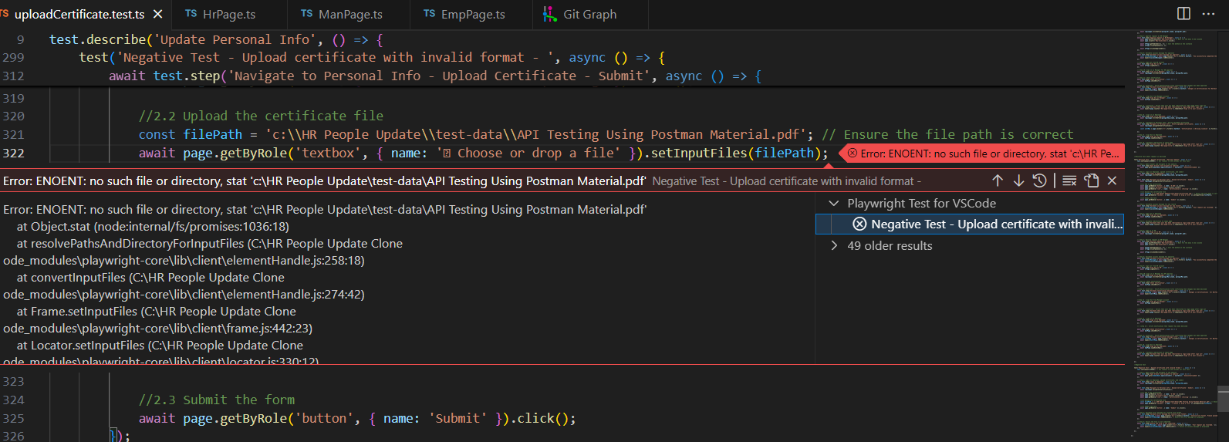
6

Regression Test Scenarios

Positive scenarios | Scenario | High Level Description | Assertions | Expected | Actual | Status | Comments
1 | Add new diploma (Under Education section) | Log in as Emp, navigate to Education,upload new Diploma anf submit Login as HR, approve change Login as Manager, receives notification Log in as Emp, receives notification for the decline |  | Successful Diploma submission,successful approval by HR, successful notification to Manager, Employee is notified. New Diploma added on Emp profile
2 | Add new Studies in progress (Under Education section) | Log in as Emp, navigate to Education,upload new Studies in progress and submit Login as HR, approve change Login as Manager, receives notification Log in as Emp, receives notification for the decline |  | Successful Studies in progress submission,successful approval by HR, successful notification to Manager, Employee is notified. New Studies in progress added on Emp profile
3 | Add new Language skills (Under Education section) | Log in as Emp, navigate to Education,upload new Language skills and submit Login as HR, approve change Login as Manager, receives notification Log in as Emp, receives notification for the decline |  | Successful Language skills submission,successful approval by HR, successful notification to Manager, Employee is notified. Language skills added on Emp profile
4 | Add new Curriculum Vitae(Under Education section) | Log in as Emp, navigate to Education,upload new Curriculum Vitae and submit Login as HR, approve change Login as Manager, receives notification Log in as Emp, receives notification for the decline |  | Successful Curriculum Vitae submission,successful approval by HR, successful notification to Manager, Employee is notified. New Curriculum Vitae added on Emp profile

Defect
Defect Id | D01
Description | Manager does not have permission to accept or decline request of employees
Steps to reproduce | 1. Log in as Employee 2. Navigate to MySpace 3. Go to Education>Certification 4. Click on button Add New 5. Fill the form and submit 6. Log out as Employee 7. Log in as Manager 8. Navigate to My Tasks 9. Go to Received tab and click on the first request
Expected behaviour | New window open with more details on the request with button 'Approve' and 'Decline' at the bottom
Actual behaviour | No 'Approve' or 'Decline' appearing Error displayed 'You don't have access to this employee's data. Please, contact your administrator'

Defect Id | D02
Description | Cannot set expiry date for certification
Steps to reproduce | 1. Log in as Employee 2. Navigate to MySpace 3. Go to Education>Certification 4. Click on button Add New 5. Fill the form
Expected behaviour | Set Expiry date
Actual behaviour | No textfield to insert expiry date
 | 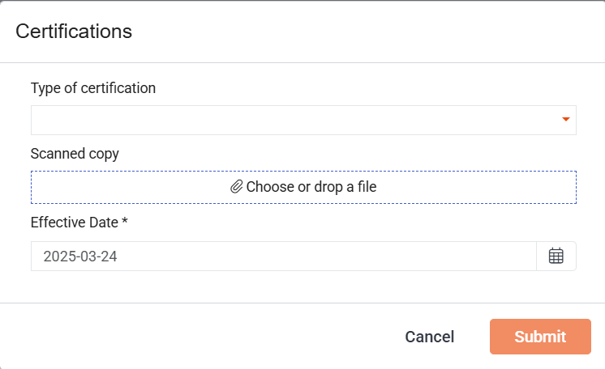

Defect Id | D03
Description | Employee do not receive renewal notification
Steps to reproduce | N/A
Expected behaviour
Actual behaviour
 | Functionality does not exist

Defect Id | D04
Description | Invalid / expired notification does not flagged up for follow up
Steps to reproduce | N/A
Expected behaviour | N/A
Actual behaviour
 | Functionality does not exist

