Sheet1
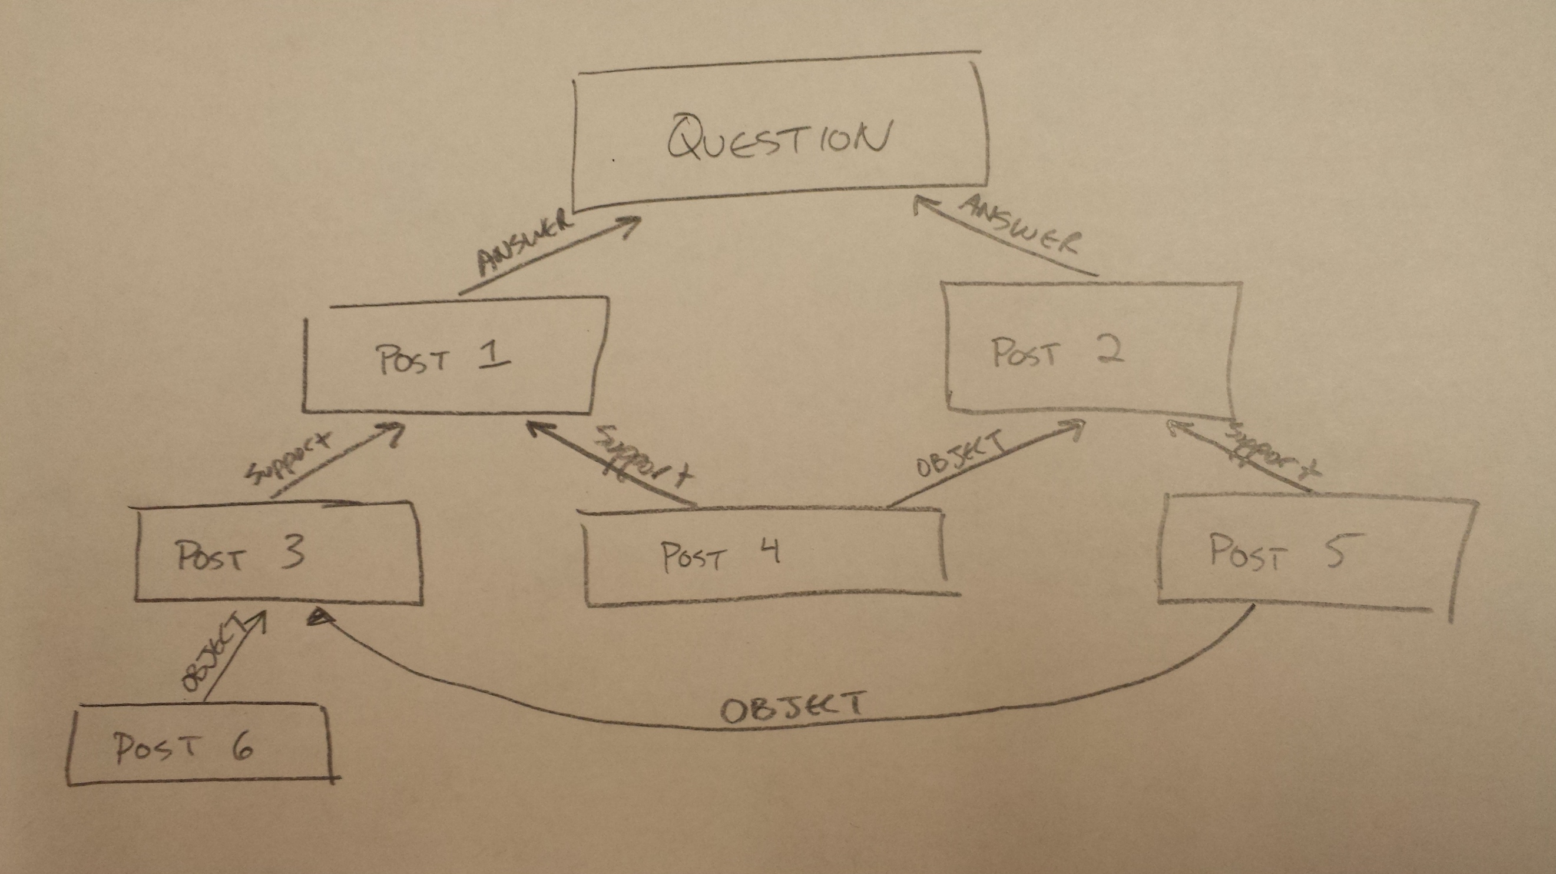
User 1
 | node 1 -> | 1 | node 2 -> | 0.5 |  |  |  | id | Type | refs | rel.click | rel.sup | rel.obj | rel.score
 |  | 0 |  | 1 |  |  |  | 2 | Post | 0 | 0 | 0.5 | 0 | 1
node 3 -> | -0.2 | node 4 -> | 1 | node 5 -> | 1 | <- score |  | 3 | Post | 0 | 1 | 0.5 | 0.5 | 0.5
 | 1 |  | 1 |  | 1 | <- clicks |  | 4 | Post | 1 | 1 | 0 | 1.5 | -0.2
 |  |  |  |  |  |  |  | 5 | Post | 2 | 1 | 0 | 0 | 1
node 6 -> | 1 |  |  |  |  |  |  | 6 | Post | 2 | 1 | 0 | 0 | 1
 | 1 |  |  |  |  |  |  | 7 | Post | 1 | 1 | 0 | 0 | 1

User 2
 |  | 0 |  | 1 |  |  |  | id | Type | refs | rel.click | rel.sup | rel.obj | rel.score
 |  | 0 |  | 0 |  |  |  | 2 | Post | 0 | 0 | 0 | 0 | 0
 | -1 |  | 0 |  | 1 |  |  | 3 | Post | 0 | 0 | 0.5 | 0 | 1
 | 0 |  | 0 |  | 1 |  |  | 4 | Post | 1 | 0 | 0 | 0.5 | -1
 |  |  |  |  |  |  |  | 5 | Post | 2 | 0 | 0 | 0 | 0
 | 0 |  |  |  |  |  |  | 6 | Post | 2 | 1 | 0 | 0 | 1
 | 0 |  |  |  |  |  |  | 7 | Post | 1 | 0 | 0 | 0 | 0

User 3
 |  | 1 |  | -1 |  |  |  | id | Type | refs | rel.click | rel.sup | rel.obj | rel.score
 |  | 0 |  | 0 |  |  |  | 2 | Post | 0 | 0 | 0.5 | 0 | 1
 | -1 |  | 1 |  | 0 |  |  | 3 | Post | 0 | 0 | 0 | 0.5 | -1
 | 0 |  | 1 |  | 0 |  |  | 4 | Post | 1 | 0 | 0 | 1 | -1
 |  |  |  |  |  |  |  | 5 | Post | 2 | 1 | 0 | 0 | 1
 | 1 |  |  |  |  |  |  | 6 | Post | 2 | 0 | 0 | 0 | 0
 | 1 |  |  |  |  |  |  | 7 | Post | 1 | 1 | 0 | 0 | 1

User 4
 |  | 0 |  | 1 |  |  |  | id | Type | refs | rel.click | rel.sup | rel.obj | rel.score
 |  | 0 |  | 0 |  |  |  | 2 | Post | 0 | 0 | 0 | 0 | 0
 | -1 |  | 0 |  | 1 |  |  | 3 | Post | 0 | 0 | 0.5 | 0 | 1
 | 0 |  | 0 |  | 1 |  |  | 4 | Post | 1 | 0 | 0 | 0.5 | -1
 |  |  |  |  |  |  |  | 5 | Post | 2 | 0 | 0 | 0 | 0
 | 0 |  |  |  |  |  |  | 6 | Post | 2 | 1 | 0 | 0 | 1
 | 0 |  |  |  |  |  |  | 7 | Post | 1 | 0 | 0 | 0 | 0

Global
 |  |  |  |  |  | 57% |  | 43%
 |  |  |  |  |  | 2 |  | 1.5
 |  |  |  |  | -3.2 |  | 2 |  | 3

 |  |  |  |  | 2

