Business Q1-Q2
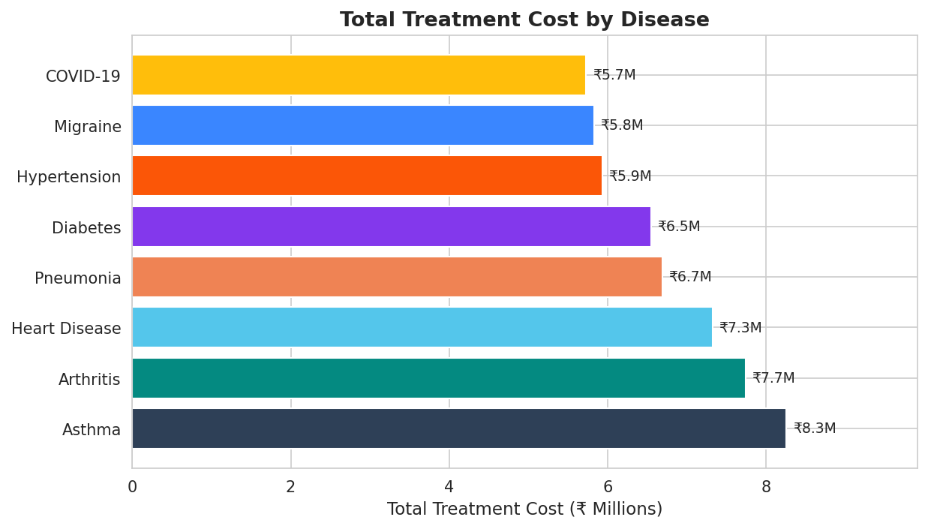
Q1: Disease with Highest Total Treatment Cost

Disease | Total Treatment Cost (₹) | Rank
Asthma | ₹8,253,894.00 | 1
Arthritis | ₹7,739,388.00 | 2
Heart Disease | ₹7,324,516.00 | 3
Pneumonia | ₹6,689,113.00 | 4
Diabetes | ₹6,549,625.00 | 5
Hypertension | ₹5,928,642.00 | 6
Migraine | ₹5,828,173.00 | 7
COVID-19 | ₹5,726,765.00 | 8

Q2: Department with Highest Revenue

Department | Total Revenue (₹) | Rank
Neurology | ₹11,515,066.00 | 1
Oncology | ₹11,088,006.00 | 2
General Medicine | ₹9,007,858.00 | 3
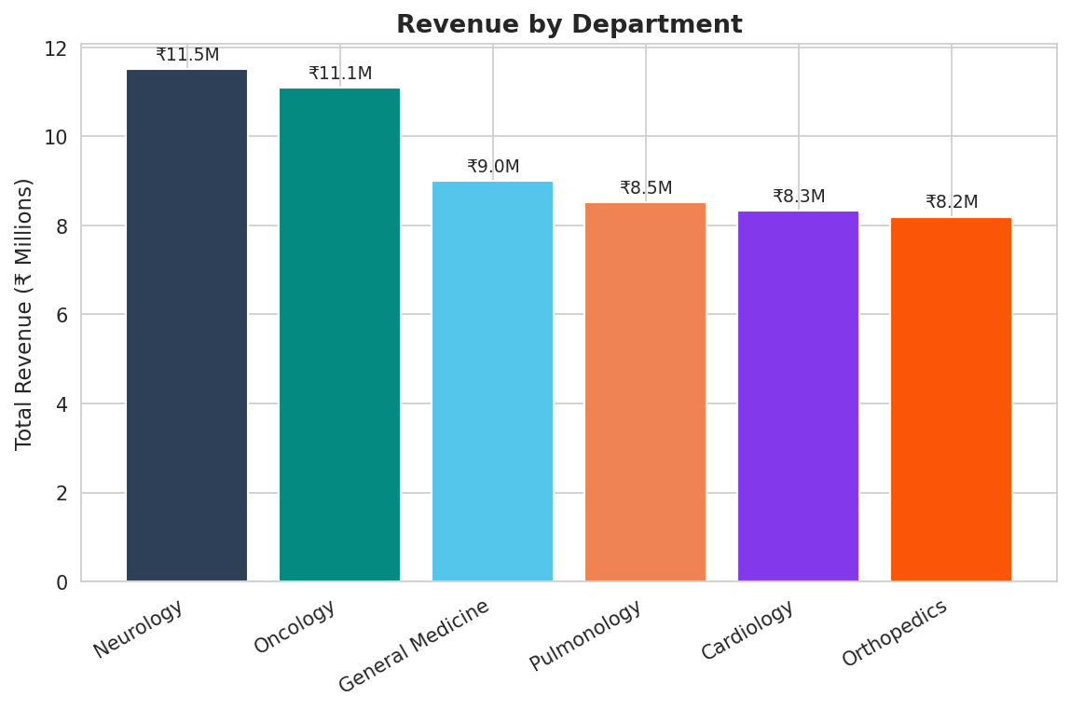
Pulmonology | ₹8,526,307.00 | 4
Cardiology | ₹8,337,066.00 | 5
Orthopedics | ₹8,194,544.00 | 6

Business Q3
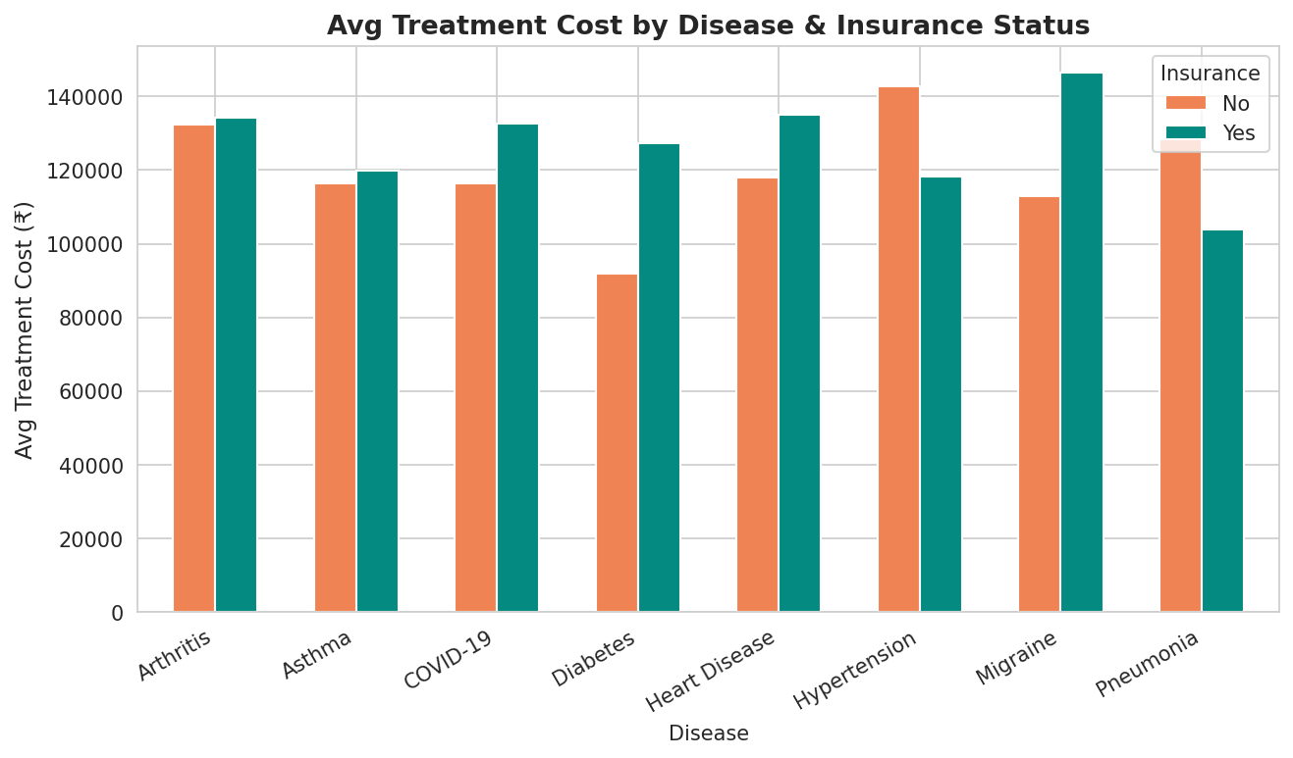
Q3: Average Treatment Cost by Disease & Insurance Status

Disease | Insurance Status | Avg Treatment Cost (₹)
Arthritis | No | ₹132,296.62
Arthritis | Yes | ₹134,243.21
Asthma | No | ₹116,353.67
Asthma | Yes | ₹119,874.23
COVID-19 | No | ₹116,346.52
COVID-19 | Yes | ₹132,643.26
Diabetes | No | ₹91,829.26
Diabetes | Yes | ₹127,194.84
Heart Disease | No | ₹118,060.30
Heart Disease | Yes | ₹135,096.68
Hypertension | No | ₹142,630.28
Hypertension | Yes | ₹118,144.25
Migraine | No | ₹112,890.37
Migraine | Yes | ₹146,322.79
Pneumonia | No | ₹128,352.85
Pneumonia | Yes | ₹103,986.65

Business Q4-Q5
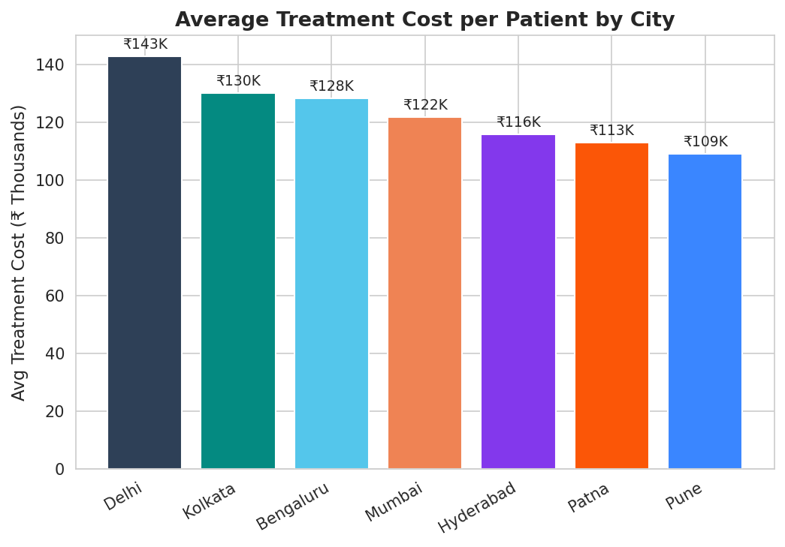
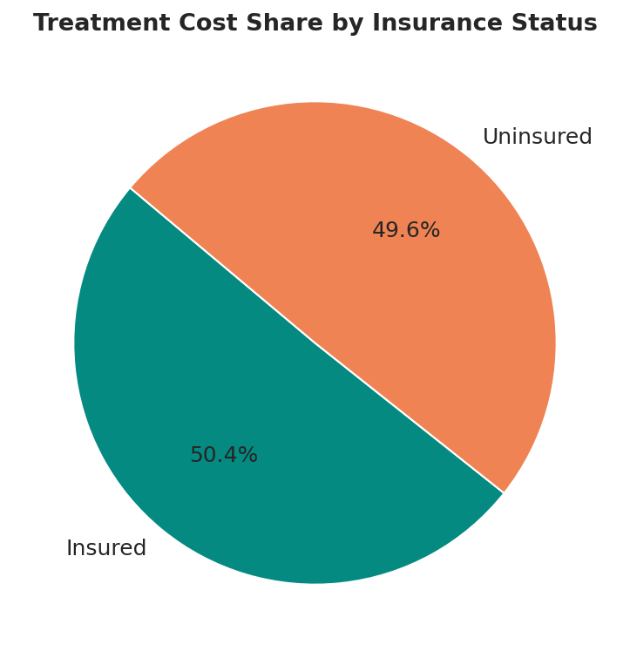
Q4: % of Total Treatment Costs Covered by Insured Patients

Insurance Status | Total Treatment Cost (₹) | Percentage (%)
Insured (Yes) | ₹28,578,656.00 | 50.43%
Uninsured (No) | ₹28,090,191.00 | 49.57%
Total | ₹56,668,847.00 | 100.00%

Q5: City with Highest Average Treatment Cost per Patient

City | Avg Treatment Cost (₹) | Rank
Delhi | ₹142,894.88 | 1
Kolkata | ₹130,024.38 | 2
Bengaluru | ₹128,275.35 | 3
Mumbai | ₹121,673.78 | 4
Hyderabad | ₹115,731.20 | 5
Patna | ₹112,922.45 | 6
Pune | ₹109,039.85 | 7

Demographics Q6-Q7
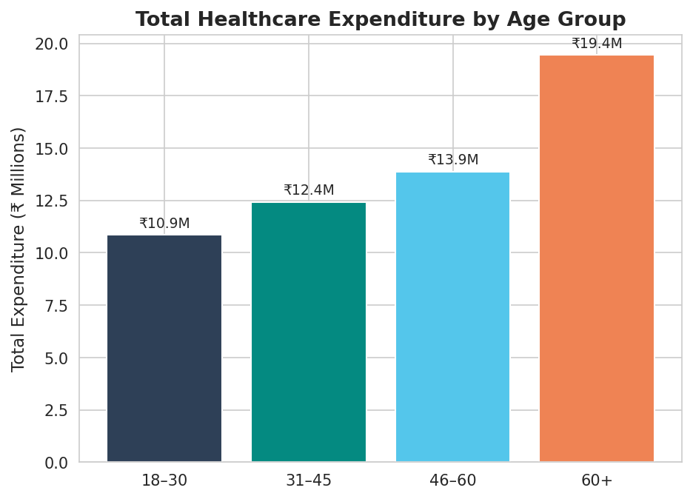
Q6: Age Group with Highest Healthcare Expenditure

Age Group | Total Expenditure (₹) | Rank
18–30 | ₹10,851,302.00 | 4
31–45 | ₹12,424,780.00 | 3
46–60 | ₹13,867,305.00 | 2
60+ | ₹19,438,821.00 | 1

Q7: Most Common Disease by Age Group

Age Group | Most Common Disease | Patient Count
18–30 | Asthma | 15
31–45 | Heart Disease | 15
46–60 | Arthritis | 20
60+ | Asthma | 25

Q7b: Full Disease-Age Group Matrix

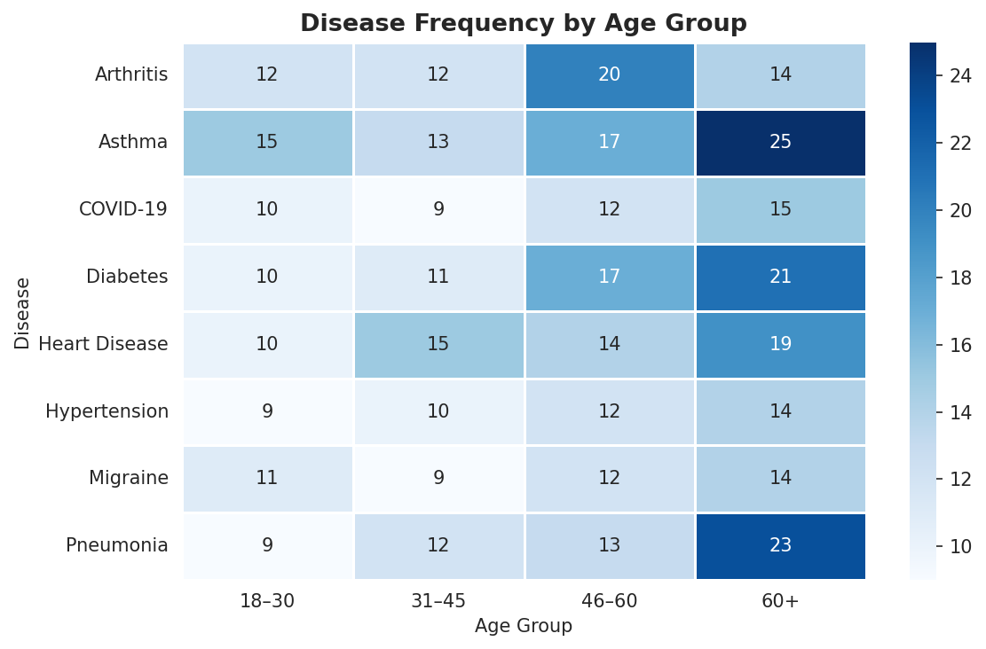
Disease | 18–30 | 31–45 | 46–60 | 60+
Arthritis | 12 | 12 | 20 | 14
Asthma | 15 | 13 | 17 | 25
COVID-19 | 10 | 9 | 12 | 15
Diabetes | 10 | 11 | 17 | 21
Heart Disease | 10 | 15 | 14 | 19
Hypertension | 9 | 10 | 12 | 14
Migraine | 11 | 9 | 12 | 14
Pneumonia | 9 | 12 | 13 | 23

Demographics Q8-Q9
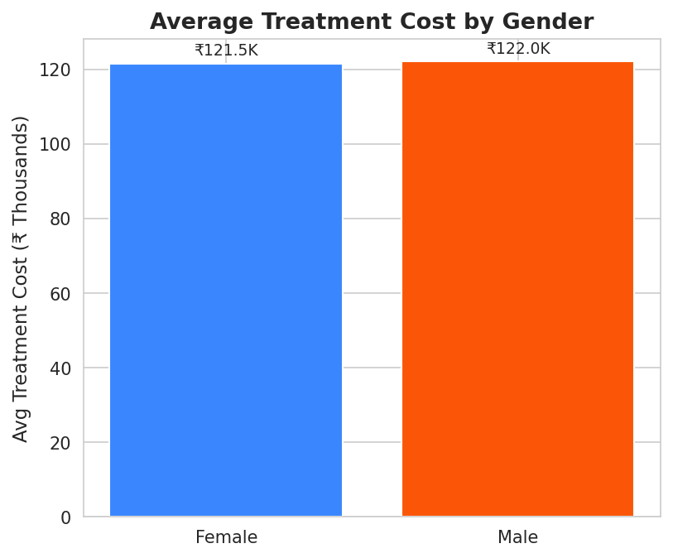
Q8: Treatment Cost Difference Between Male and Female Patients

Gender | Avg Treatment Cost (₹) | Total Treatment Cost (₹) | Patient Count
Female | ₹121,489.83 | ₹27,942,661.00 | 230
Male | ₹122,022.76 | ₹25,624,779.00 | 210

Q9: Blood Group with Highest Incidence of Critical Outcomes

Blood Group | Total Patients | Critical Count | Critical Rate (%)
AB- | 47 | 23 | 48.94%
A+ | 53 | 20 | 37.74%
B+ | 53 | 20 | 37.74%
A- | 45 | 15 | 33.33%
B- | 55 | 18 | 32.73%
AB+ | 63 | 20 | 31.75%
O- | 65 | 20 | 30.77%
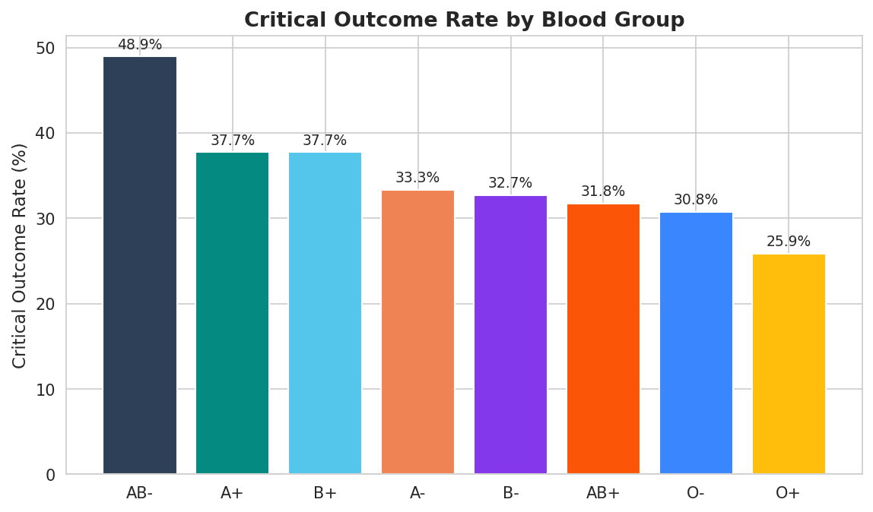
O+ | 58 | 15 | 25.86%

