NCI60 - 10 cat - kmeans
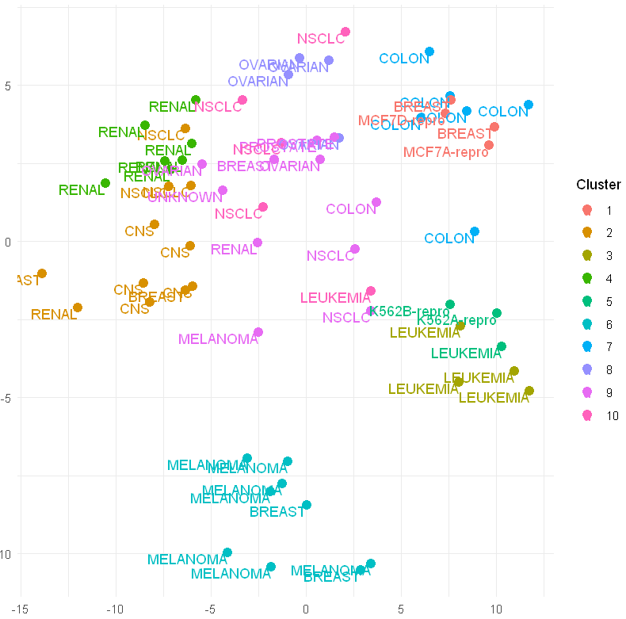

Num. Categories | 10
CBI | kmeans
Optimal K | 10
Stability | 0.63
Quality | 0.17
Sensitivity | 44.44%
CER | 11.01%

NCI60 - 8 cat - kmeans
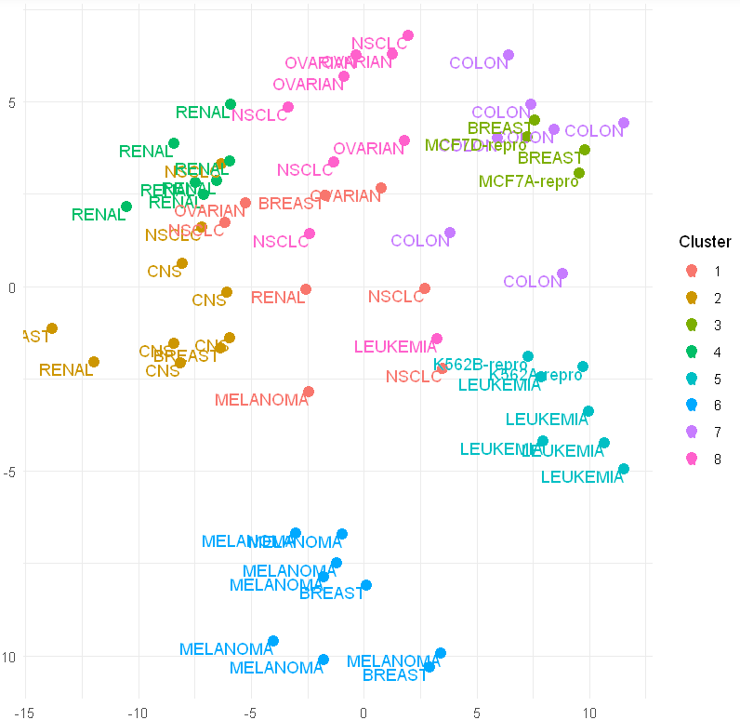

Num. Categories | 8
CBI | kmeans
Optimal K | 8
Stability | 0.67
Quality | 0.16
Sensitivity | 33.33%
CER | 10.16%

NCI60 - 10 cat - clara
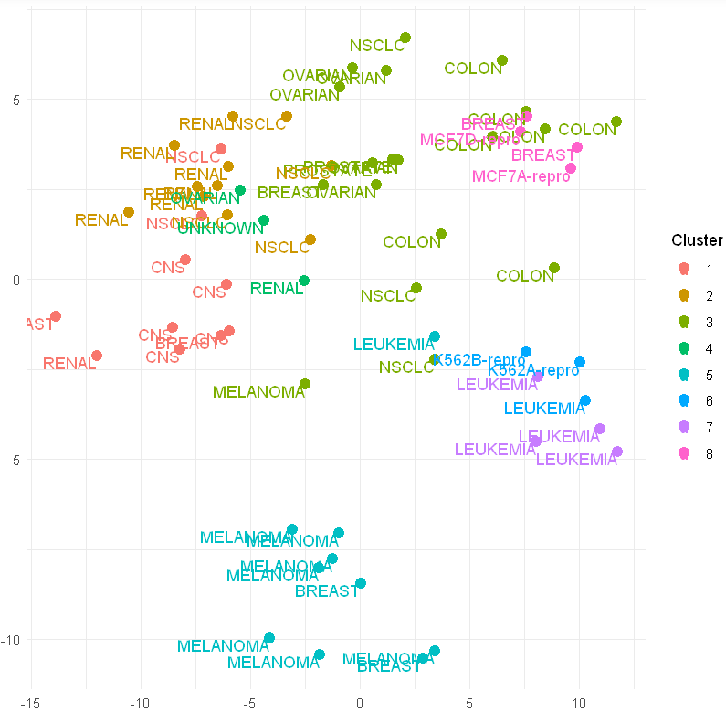

Num. Categories | 10
CBI | clara
Optimal K | 8
Stability | 0.69
Quality | 0.16
Sensitivity | 100.00%
CER | 13.49%

NCI60 - 8 cat - clara
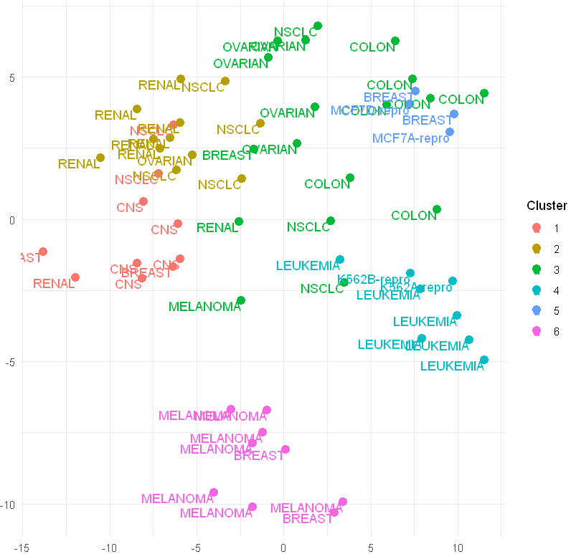

Num. Categories | 8
CBI | clara
Optimal K | 6
Stability | 0.76
Quality | 0.14
Sensitivity | 100.00%
CER | 14.92%

Golub - 3 cat - kmeans
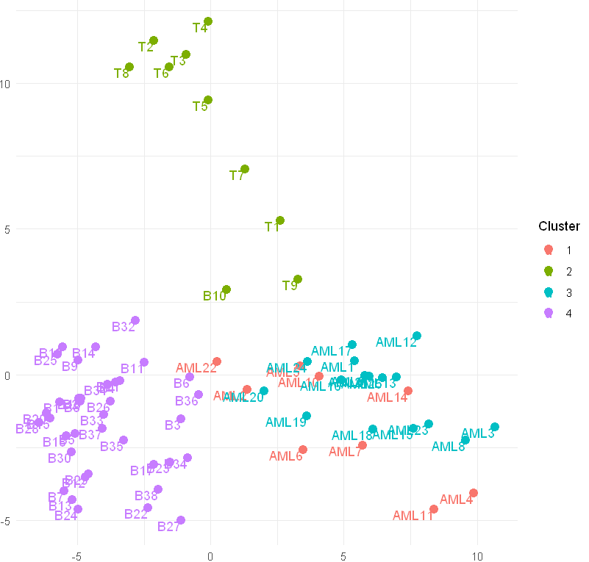

Num. Categories | 3
CBI | kmeans
Optimal K | 4
Stability | 0.68
Quality | 0.19
Sensitivity | 36.00%
CER | 7.43%

Golub - 3 cat - clara
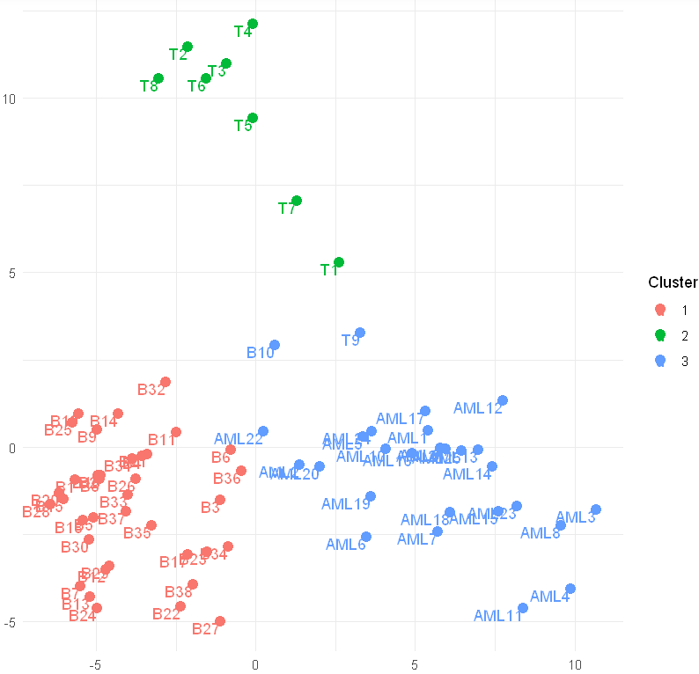

Num. Categories | 3
CBI | clara
Optimal K | 3
Stability | 0.79
Quality | 0.23
Sensitivity | 97.37%
CER | 3.76%

