Sampling
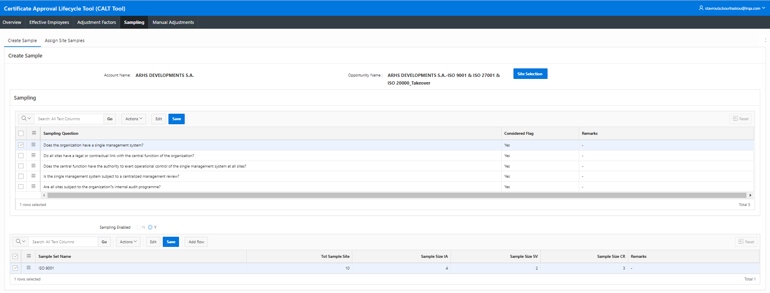
Sites and Sampling
See MD1 for definitions etc.; for further information on Sampling Methodologies please see |  |  |  | Multi-Site - Guidance
Sampling Question
Does the organization have a single management system? |  |  |  |  |  | Yes
Do all sites have a legal or contractual link with the central function of the organization? |  |  |  |  |  | Yes
Does the central function have the authority to exert operational control of the single management system at all sites? |  |  |  |  |  | Yes
Is the single management system subject to a centralized management review? |  |  |  |  |  | Yes
Are all sites subject to the organization's internal audit programme? |  |  |  |  |  | Yes

Samples
Sample Name |  | Sample Size | Sample Size IA | Sample Size per SV | Sample Size CR | Sampling Rationale
 |  | enter total number of sites

Sites not included in Samples above: |  | 0 | 0 | 0 | 0
Total Number of Sites to be visited per visit type: |  |  | 0 | 0 | 0

Summary box
Product Name | Total # of Sites (excluding Main Site) | Sample Size IA | Sample Size per SV | Sample Size CR | Sampling rationale:
 | 0 | 0 | 0 | 0
 | 0 | 0 | 0 | 0
 | 0 | 0 | 0 | 0

Assign Site Samples
Product Name | Site Name | ENP |  | Site/location will be visited during
 |  |  | IA | SV1 |  |  |  | FV | CR
Number of sites remaining to be selected per visit type:
 |  |  | 0 | 0 | 0 | 0 | 0 | 0 | 0
 |  |  | 0 | 0 | 0 | 0 | 0 | 0 | 0
 |  |  | 0 | 0 | 0 | 0 | 0 | 0 | 0 | í | Main Site will not be visited
 |  | 0
 |  | 0
 |  | 0
 |  | 0
 |  | 0
 |  | 0
 |  | 0
 |  | 0
 |  | 0 |  |  |  |  |  |  |  |  | Note: It is mandatory to select which locations/sites will be visited by entering 'Yes' in the fields; if the Main/H.O. will be excluded from audits, either delete the info in the cells entered as example or mark with [blank] instead.
 |  | 0
 |  | 0
 |  | 0
 |  | 0
 |  | 0
 |  | 0
 |  | 0
 |  | 0
 |  | 0
 |  | 0
 |  | 0
 |  | 0
 |  | 0
 |  | 0
 |  | 0
 |  | 0
 |  | 0
 |  | 0
 |  | 0
 |  | 0
 |  | 0
 |  | 0
 |  | 0
 |  | 0
 |  | 0
 |  | 0
 |  | 0
 |  | 0
 |  | 0
 |  | 0
 |  | 0
 |  | 0
 |  | 0
 |  | 0
 |  | 0
 |  | 0
 |  | 0
 |  | 0
 |  | 0
 |  | 0
 |  | 0
 |  | 0
 |  | 0
 |  | 0
 |  | 0
 |  | 0
 |  | 0
 |  | 0
 |  | 0
 |  | 0
 |  | 0
 |  | 0
 |  | 0
 |  | 0
 |  | 0
 |  | 0
 |  | 0
 |  | 0
 |  | 0
 |  | 0
 |  | 0
 |  | 0
 |  | 0
 |  | 0
 |  | 0
 |  | 0
 |  | 0
 |  | 0
 |  | 0
 |  | 0
 |  | 0
 |  | 0
 |  | 0
 |  | 0
 |  | 0
 |  | 0
 |  | 0
 |  | 0
 |  | 0
 |  | 0
 |  | 0
 |  | 0
 |  | 0
 |  | 0
 |  | 0
 |  | 0
 |  | 0
 |  | 0
 |  | 0
 |  | 0
 |  | 0
 |  | 0
 |  | 0
 |  | 0
 |  | 0
 |  | 0
 |  | 0
 |  | 0
 |  | 0
 |  | 0
 |  | 0
 |  | 0
 |  | 0
 |  | 0
 |  | 0
 |  | 0
 |  | 0
 |  | 0
 |  | 0
 |  | 0
 |  | 0
 |  | 0
 |  | 0
 |  | 0
 |  | 0
 |  | 0
 |  | 0
 |  | 0
 |  | 0
 |  | 0
 |  | 0
 |  | 0
 |  | 0
 |  | 0
 |  | 0
 |  | 0
 |  | 0
 |  | 0
 |  | 0
 |  | 0
 |  | 0
 |  | 0
 |  | 0
 |  | 0
 |  | 0
 |  | 0
 |  | 0
 |  | 0
 |  | 0
 |  | 0
 |  | 0
 |  | 0
 |  | 0
 |  | 0
 |  | 0
 |  | 0
 |  | 0
 |  | 0
 |  | 0
 |  | 0
 |  | 0
 |  | 0
 |  | 0
 |  | 0
 |  | 0
 |  | 0
 |  | 0
 |  | 0
 |  | 0
 |  | 0
 |  | 0
 |  | 0
 |  | 0
 |  | 0
 |  | 0
 |  | 0
 |  | 0
 |  | 0
 |  | 0
 |  | 0
 |  | 0
 |  | 0
 |  | 0
 |  | 0
 |  | 0
 |  | 0
 |  | 0
 |  | 0
 |  | 0
 |  | 0
 |  | 0
 |  | 0
 |  | 0
 |  | 0
 |  | 0
 |  | 0
 |  | 0
 |  | 0
 |  | 0
 |  | 0
 |  | 0
 |  | 0
 |  | 0
 |  | 0
 |  | 0
 |  | 0
 |  | 0
 |  | 0
 |  | 0
 |  | 0
 |  | 0
 |  | 0
 |  | 0
 |  | 0
 |  | 0
 |  | 0
 |  | 0
 |  | 0
 |  | 0
 |  | 0
 |  | 0
 |  | 0
 |  | 0
 |  | 0
 |  | 0
 |  | 0
 |  | 0
 |  | 0
 |  | 0
 |  | 0
 |  | 0
 |  | 0
 |  | 0
 |  | 0
 |  | 0
 |  | 0
 |  | 0
 |  | 0
 |  | 0
 |  | 0
 |  | 0
 |  | 0
 |  | 0
 |  | 0
 |  | 0
 |  | 0
 |  | 0
 |  | 0
 |  | 0
 |  | 0
 |  | 0
 |  | 0
 |  | 0
 |  | 0
 |  | 0
 |  | 0
 |  | 0
 |  | 0
 |  | 0
 |  | 0
 |  | 0
 |  | 0
 |  | 0
 |  | 0
 |  | 0
 |  | 0
 |  | 0
 |  | 0
 |  | 0
 |  | 0
 |  | 0
 |  | 0
 |  | 0
 |  | 0
 |  | 0
 |  | 0
 |  | 0
 |  | 0
 |  | 0
 |  | 0
 |  | 0
 |  | 0
 |  | 0
 |  | 0
 |  | 0
 |  | 0
 |  | 0
 |  | 0
 |  | 0
 |  | 0
 |  | 0
 |  | 0
 |  | 0
 |  | 0
 |  | 0
 |  | 0
 |  | 0
 |  | 0
 |  | 0
 |  | 0
 |  | 0
 |  | 0
 |  | 0
 |  | 0

