Testplan
BIOS Test Plan

Prepared by:
G4T1
Ching Jia Wei, Sonia Johari, Neo Jia Ying, Rachel Lim, Leon Tan

This test plan is meant for our web development project on BIOS which is an online bidding system used by Merlion University. It provides a bird’s eye view on how testing is being done throughout this entire project for each iteration of this project.

OBJECTIVES

The main objectives of this test plan are to:
1. Address the functionalities that require further development
2. Allocate to test simulations to the different pair programmers(PP)
3. Communicate any issues that may arise via Telegram and in real-life
4. Update the schedule, test cases and bug metrics after every coding session

TASKS

After reviewing the client’s request, here are the tasks we have identified:
1. Testing
2. Regression Testing
3. Bug reporting
4. Bug fixing

SCOPE

This section describes what is being tested, namely:
All functionalities stated on the IS212 wiki page
Existing interfaces
Integration of all functions

These are the following functionalities accounted for:

Login (Student Function): A student will log in with his/her email ID and password. Upon success, the student should be able to see the balance e$ along with a welcome message. Upon failure, the app outputs a proper error message and requests the user to login again.

Bid for a section (Student function): A Student can place a bid by entering a course code, section number, and e$ amount for bidding. The bidding will be possible only during active bidding rounds. For the bidding round 1, the student can bid for the courses that are offered by his/her own school. For the bidding round 2, the student can bid for any courses. The bid will be successful when all the following criteria is satisfied. A Student can bid for any section as long as they have enough e$, the class and exam timetables do not clash, and s/he has fulfilled the necessary prerequisite courses. A student can bid at most for 5 sections. A student can only bid for one section per course. When the bid is successful, the app outputs a proper success message along with the balance e$. Otherwise, the app shows a proper error message. You can also design your application UI not to even allow impossible bids.

Drop a bid (Student Function): A Student can drop a bid by specifying a course id and section number. When the input is valid, the app will cancel the bid and return back the full e$ credit. The updated e$ balance should be shown to the user. Dropping a bid can be done only during active bidding rounds.

Drop a section (Student Function):
After a successful bid, a student can drop a section by specifying the course id and section number. When drop is successful, and the student will get back the full e$ credit, and the app will show the e$ balance. Once you drop a successful bid, you will have to rebid for the section. Dropping of section is done when a round is active. (in other words, success bids from round 2 are final and cannot be dropped).

View Bidding Results (Student Function):
Show a table to show the bidding status -- the table should include the course id, section number, bid amount, status of bidding. The status will be one of the following: Pending, Success, Fail.

Login (Administrator Function):
An administrator will log in with the username "admin" and password. The admin will login from the same login page as student users.

Bootstrap (Administrator Function):
The administrator can bootstrap the BIOS system with the given data.
The bidding round 1 will start automatically upon the completion of the bootstrap.

Starting and clearing Rounds (Administrator Function):
The bidding round will be manually started and cleared by the administrator (except that the round 1 starts automatically after bootstrap). Round 1 When the round 1 is closed, students will be able to see the bidding results. The first round of bidding is for students to bid for courses offered by their school. The round 1 clearing logic is described below in more detail. Round 2 The second round of bidding is for students to bid for courses offered by their school and courses offered by other schools. The round 2 clearing logic is described below in more detail.

Additional Requirements:
Regarding the User Interface(UI), we needed to keep it user-friendly and easy to use. We used size 12 font, and formatted our text to the left hand side and put important information such as the user’s successful bids in a table format. This is all suitable for latest version of Chrome with a display resolution of 1920 x 1080.

The client also stated they wanted to have Web Services. This meant we needed to provide JSON APIs that allow all functionalities to be queried programmatically by other machines.

TESTING STRATEGY

Regression testing was used throughout this entire project. This is to ensure that any new codes added will not adversely affect the existing functionalities that were completed. Previously tested functionalities are retested in every iteration to ensure that they are still working perfectly.

Regression is the most apt testing strategy for this project as:
Requirements are always changing, hence codes are constantly being modified
New features are being added in each iteration

Methodology:
Complete regression testing:
Regression testing is done on all existing as well as new test cases that were added
Done in every iteration
Ensure that all bugs are detected, recorded in bug log and resolved.

Automating testing was carried out as well. After we had implemented the web services, we would add test cases for new JSON web requirements. After running the JSON checker, we would note down the test cases we failed, and proceed to debug them. This was done in every iteration.
HARDWARE AND SOFTWARE REQUIREMENTS

Hardware:
1. Computers

Software:
1. GIT
2. WAMP
3. AWS Cloud
4. LAMP
5. WINSCP
6. PuTTy
7. Phpmyadmin

TESTING ENVIRONMENT

Testing is done locally and on the cloud.

Web server: Apache
Database: Phpyadmin (SQL)
Operating system: Windows/Linux
Browser: Google Chrome
PHP version: 7.3

TEST SCHEDULE

There are a total of 5 milestones in our project:
1. PM Review
2. Application Demo and Progress Update
3. UAT
4. Project submission
5. Final presentation

FEATURES TO BE TESTED

Web UI:
1. Login and authenticate (Admin & User)
2. Add bid (round 1 and round 2)
3. Drop bid
4. Drop Section
5. View bidding results
6. Bootstrap
7. Start/end round
8. Clearing round 1 and 2

Web Services:
1. Authenticate
2. Bootstrap
3. Dump table
4. Start round
5. Stop round
6. Update bid
7. Delete bid
8. Drop section
9. Dump (user)
10. Dump (bid)
11. Dump (section)
12. Bid-status

RISKS
As we wrote out our test plan, here are some high-risk assumptions we identified and their respective contingency plan.

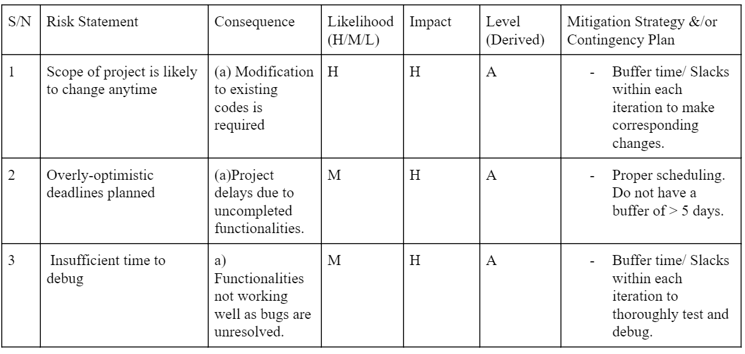

TOOLS

We used Microsoft Excel to track our bugs and for automation we used a JSON Checker.

