Suryansh Bhatnagar
Each Member will fill change the status accordingly. Keep it completed only after you share something in this sheet.

 | S. No. | Task Description | Status
 | 1 | Decide a problem statement | Completed
 | 2 | Research Alternatives | Completed
 | 3 | Project Objectives | Completed
 | 4 | Role Distribution | Completed

 | Task 1: Decide a problem Statement |  |  | Task 2: Research Alternatives (if any)
 | 1 | A GPU orchestrator for helping in distributing |  | S No. | Name | DESCRIPTION
 |  | GPU efficiently among user's processes. |  | 1 | NVIDIA Run:ai | NVIDIA Run:ai accelerates AI operations with dynamic orchestration across the AI
 |  |  |  |  |  | life cycle, maximizing GPU efficiency, scaling workloads, and integrating seamlessly
 | 2 | Designing a system to automatically queue,schedule, |  |  |  | into hybrid AI infrastructure with zero manual effort.
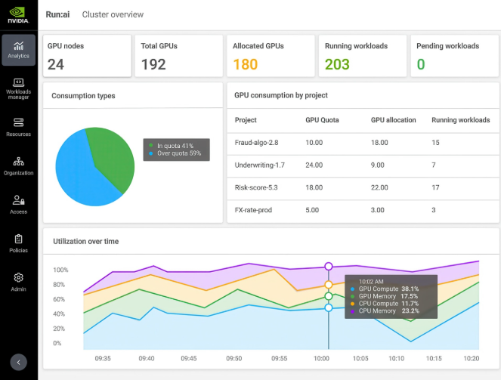
 |  | and allocate shared GPU resources efficiently
 |  | among concurrent user processes.

 | Task 3: Expected Project Objectives
 | 1 | Automate Workload Scheduling: Implement a database-backed queue
 |  | that schedules submitted machine-learning jobs using FCFS and Priority algorithms.

 | 2 | Optimize Shared GPU Allocation: Distribute processes across available worker
 |  | nodes to maximize hardware utilization and prevent job collisions.

 | 3 | Monitor Health & System Telemetry: Track live CPU, memory, GPU usage, and
 |  | execution logs to handle crashes, cancellations, and node failures gracefully.

 | 4 | Ensure Concurrent Execution Safety: Leverage database transaction controls to
 |  | prevent race conditions and guarantee that jobs are never assigned twice.

 | Task 4: Expected Role Distribution
 | 1 | Member 1 (CSE Core): Manages the central PostgreSQL database and builds the
 |  | FCFS and Priority scheduling engine. |  |  | Source: https://www.nvidia.com/en-in/software/run-ai/
 |  |  |  | 2 | runpod | Access the platform that uses a central orchestration database layer to spin up individual, isolated on-demand Docker GPU pods.
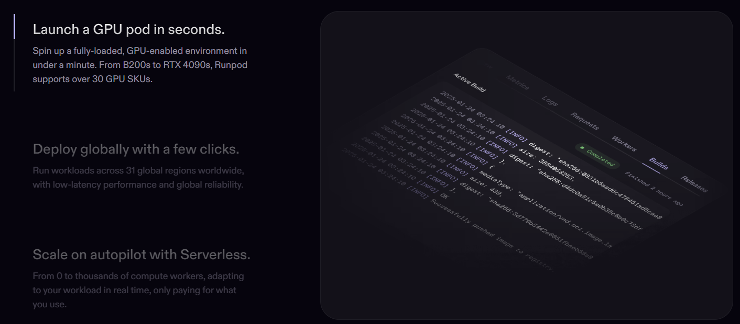
 | 2 | Member 2 (CSE Core): Controls worker node process execution using subprocess and
 |  | tracks live CPU, RAM, and GPU usage via psutil and NVML.

 | 3 | Member 3 (CSE AI-ML): Prepares sample ML scripts, sets up Docker GPU runtime
 |  | environments, and defines VRAM memory limits for jobs.

 | 4 | Member 4 (CSE AI-DS): Builds the live monitoring dashboard and sets up HTTPX data
 |  | pipelines to push worker telemetry and logs to the backend.

 |  |  |  |  | Source: https://www.runpod.io/

