Research Alternatives
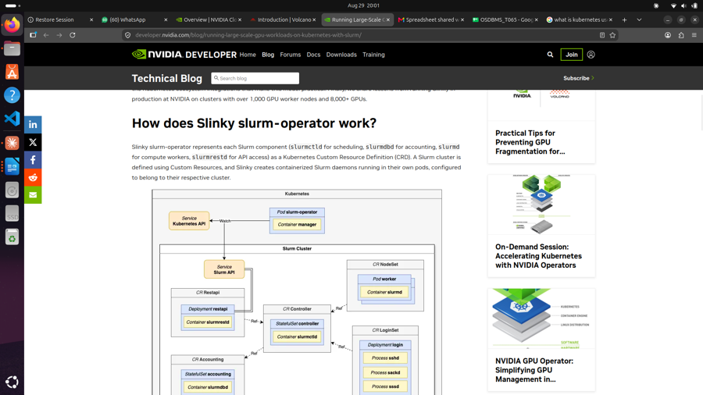
Task 2: Research Alternatives

S No. | Name | Description
1 | Volcano (CNCF) | An open-source, CNCF-accepted Kubernetes-native batch scheduler purpose-built for AI/ML and big-data workloads. Offers queue-based resource quotas with borrowing/reclaiming, hierarchical queues, GPU sharing/virtualization, and load-aware descheduling — unlike Kubernetes' default scheduler, which isn't designed for batch jobs. Sources: https://volcano.sh/docs/Home/Introduction https://volcano.sh/docs/Home/Architecture https://volcano.sh/docs/KeyFeatures/QueueResourceManagement https://volcano.sh/docs/KeyFeatures/HierarchicalQueue https://volcano.sh/docs/KeyFeatures/GPUVirtualization https://volcano.sh/docs/KeyFeatures/LoadAwareDescheduling https://volcano.sh/docs/KeyFeatures/MultiClusterScheduling
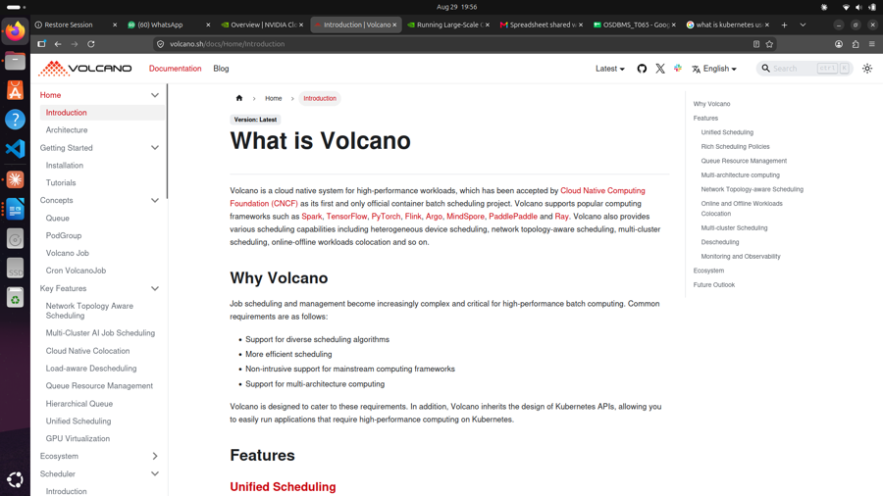

2 | NVIDIA Slinky (Slurm-operator) | Runs full Slurm clusters on Kubernetes, representing each Slurm daemon (scheduler, accounting, worker, API) as a Kubernetes-managed pod — brings mature HPC scheduling (fair-share, accounting) onto Kubernetes infrastructure without maintaining two separate systems. Source: https://developer.nvidia.com/blog/running-large-scale-gpu-workloads-on-kubernetes-with-slurm/

