Summary Figure 1
This file presents data that supplement information in CBO’s July 2016 report The 2016 Long-Term Budget Outlook.
www.cbo.gov/publication/51580

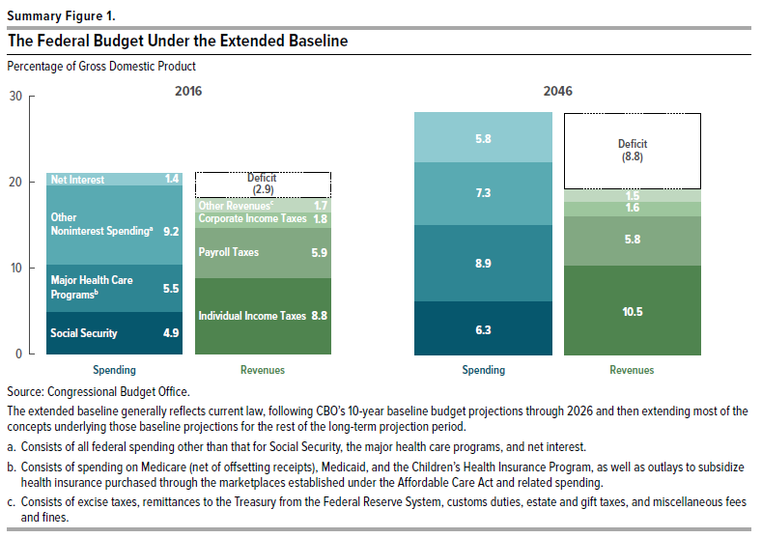
Summary Figure 1.
The Federal Budget Under the Extended Baseline
Percentage of Gross Domestic Product

 |  | 2016 | 2046
Spending
 | Net Interest | 1.4 | 5.8
 | Other Noninterest Spendinga | 9.2 | 7.3
 | Major Health Care Programsb | 5.5 | 8.9
 | Social Security | 4.9 | 6.3

Revenues
 | Deficit | 2.9 | 8.8
 | Other Revenue Sources | 1.7 | 1.5
 | Corporate Income Taxes | 1.8 | 1.6
 | Payroll Taxes | 5.9 | 5.8
 | Individual Income Taxes | 8.8 | 10.5

Source: Congressional Budget Office.

The extended baseline generally reflects current law, following CBO’s 10-year baseline budget projections through 2026 and then extending most of the concepts underlying those baseline projections for the rest of the long-term projection period.

a. Consists of all federal spending other than that for Social Security, the major health care programs, and net interest.

b. Consists of spending on Medicare (net of offsetting receipts), Medicaid, and the Children’s Health Insurance Program, as well as outlays to subsidize health insurance purchased through the marketplaces established under the Affordable Care Act and related spending.

c. Consists of excise taxes, remittances to the Treasury from the Federal Reserve System, customs duties, estate and gift taxes, and miscellaneous fees and fines.

Figure 1-1
This file presents data that supplement information in CBO’s July 2016 report The 2016 Long-Term Budget Outlook.
www.cbo.gov/publication/51580

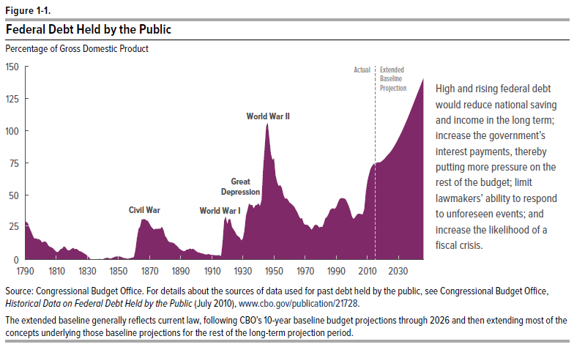
Figure 1-1.
Federal Debt Held by the Public
Percentage of Gross Domestic Product

Year
1790 | 30
1791 | 29
1792 | 28
1793 | 24
1794 | 22
1795 | 19
1796 | 16
1797 | 17
1798 | 16
1799 | 16
1800 | 15
1801 | 13
1802 | 14
1803 | 14
1804 | 13
1805 | 11
1806 | 10
1807 | 10
1808 | 9
1809 | 7
1810 | 6
1811 | 6
1812 | 7
1813 | 8
1814 | 9
1815 | 10
1816 | 10
1817 | 8
1818 | 7
1819 | 7
1820 | 8
1821 | 9
1822 | 8
1823 | 8
1824 | 8
1825 | 7
1826 | 6
1827 | 6
1828 | 5
1829 | 4
1830 | 3
1831 | 2
1832 | 1
1833 | 0
1834 | 0
1835 | 0
1836 | 0
1837 | 0
1838 | 1
1839 | 0
1840 | 0
1841 | 1
1842 | 1
1843 | 2
1844 | 1
1845 | 1
1846 | 1
1847 | 2
1848 | 2
1849 | 3
1850 | 2
1851 | 2
1852 | 2
1853 | 1
1854 | 1
1855 | 1
1856 | 1
1857 | 1
1858 | 1
1859 | 2
1860 | 2
1861 | 7
1862 | 17
1863 | 24
1864 | 26
1865 | 31
1866 | 31
1867 | 31
1868 | 31
1869 | 30
1870 | 28
1871 | 26
1872 | 24
1873 | 23
1874 | 24
1875 | 24
1876 | 24
1877 | 24
1878 | 26
1879 | 23
1880 | 18
1881 | 17
1882 | 14
1883 | 14
1884 | 13
1885 | 13
1886 | 12
1887 | 11
1888 | 10
1889 | 9
1890 | 8
1891 | 7
1892 | 7
1893 | 7
1894 | 8
1895 | 8
1896 | 9
1897 | 8
1898 | 8
1899 | 8
1900 | 7
1901 | 6
1902 | 5
1903 | 5
1904 | 5
1905 | 4
1906 | 4
1907 | 4
1908 | 4
1909 | 4
1910 | 4
1911 | 4
1912 | 3
1913 | 3
1914 | 4
1915 | 3
1916 | 3
1917 | 13
1918 | 30
1919 | 33
1920 | 27
1921 | 32
1922 | 31
1923 | 25
1924 | 24
1925 | 22
1926 | 19
1927 | 18
1928 | 17
1929 | 15
1930 | 16
1931 | 22
1932 | 34
1933 | 39
1934 | 44
1935 | 42
1936 | 42
1937 | 40
1938 | 42
1939 | 42
1940 | 44
1941 | 42
1942 | 46
1943 | 69
1944 | 86
1945 | 104
1946 | 106
1947 | 94
1948 | 82
1949 | 77
1950 | 79
1951 | 66
1952 | 60
1953 | 57
1954 | 58
1955 | 56
1956 | 51
1957 | 47
1958 | 48
1959 | 46
1960 | 44
1931 | 44
1962 | 42
1963 | 41
1964 | 39
1965 | 37
1966 | 34
1967 | 32
1968 | 32
1969 | 28
1970 | 27
1971 | 27
1972 | 26
1973 | 25
1974 | 23
1975 | 25
1976 | 27
1977 | 27
1978 | 27
1979 | 25
1980 | 25
1981 | 25
1982 | 28
1983 | 32
1984 | 33
1985 | 35
1986 | 38
1987 | 40
1988 | 40
1989 | 39
1990 | 41
1991 | 44
1992 | 47
1993 | 48
1994 | 48
1995 | 48
1996 | 47
1997 | 44
1998 | 42
1999 | 38
2000 | 34
2001 | 31
2002 | 33
2003 | 35
2004 | 36
2005 | 36
2006 | 35
2007 | 35
2008 | 39
2009 | 52
2010 | 61
2011 | 66
2012 | 70
2013 | 73
2014 | 74
2015 | 74
2016 | 75
2017 | 76
2018 | 75
2019 | 76
2020 | 77
2021 | 78
2022 | 80
2023 | 81
2024 | 82
2025 | 84
2026 | 86
2027 | 88
2028 | 90
2029 | 92
2030 | 94
2031 | 97
2032 | 99
2033 | 102
2034 | 105
2035 | 107
2036 | 110
2037 | 113
2038 | 116
2039 | 119
2040 | 122
2041 | 125
2042 | 129
2043 | 132
2044 | 135
2045 | 138
2046 | 141

Source: Congressional Budget Office. For details about the sources of data used for past debt held by the public, see Congressional Budget Office, Historical Data on Federal Debt Held by the Public (July 2010), www.cbo.gov/publication/21728.

The extended baseline generally reflects current law, following CBO’s 10-year baseline budget projections through 2026 and then extending most of the concepts underlying those baseline projections for the rest of the long-term projection period.

Figure 1-2
This file presents data that supplement information in CBO’s July 2016 report The 2016 Long-Term Budget Outlook.
www.cbo.gov/publication/51580

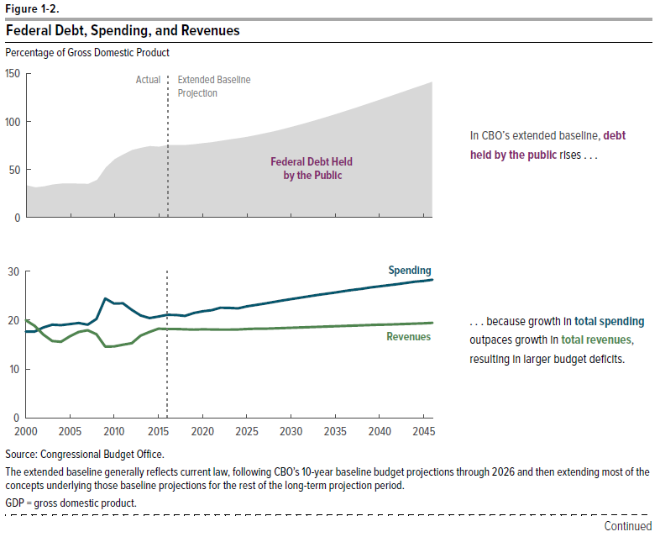
Figure 1-2.
Federal Debt, Spending, and Revenues
Percentage of Gross Domestic Product

 |  |  |  | Components of Total Spending |  |  |  | Components of Total Revenues
 | Debt Held by the Public | Total Spending | Total Revenues | Social Security | Major Health Care Programsa | Other Noninterest Spending | Net Interest | Individual Income Taxes | Payroll Taxes | Corporate Income Taxes | Other Revenue Sourcesb
2000 | 34 | 17.6 | 20.0 | 4.0 | 3.1 | 8.3 | 2.2 | 9.9 | 6.4 | 2.0 | 1.6
2001 | 31 | 17.6 | 18.8 | 4.1 | 3.3 | 8.3 | 2.0 | 9.4 | 6.6 | 1.4 | 1.4
2002 | 33 | 18.5 | 17.0 | 4.2 | 3.5 | 9.3 | 1.6 | 7.9 | 6.4 | 1.4 | 1.3
2003 | 35 | 19.1 | 15.7 | 4.2 | 3.6 | 9.9 | 1.4 | 7.0 | 6.3 | 1.2 | 1.3
2004 | 36 | 19.0 | 15.6 | 4.1 | 3.7 | 9.9 | 1.3 | 6.7 | 6.1 | 1.6 | 1.2
2005 | 36 | 19.2 | 16.7 | 4.0 | 3.7 | 10.0 | 1.4 | 7.2 | 6.2 | 2.2 | 1.2
2006 | 35 | 19.4 | 17.6 | 4.0 | 3.7 | 10.0 | 1.7 | 7.6 | 6.1 | 2.6 | 1.3
2007 | 35 | 19.1 | 17.9 | 4.1 | 4.0 | 9.4 | 1.7 | 8.1 | 6.1 | 2.6 | 1.1
2008 | 39 | 20.2 | 17.1 | 4.1 | 4.0 | 10.3 | 1.7 | 7.8 | 6.1 | 2.1 | 1.2
2009 | 52 | 24.4 | 14.6 | 4.7 | 4.7 | 13.7 | 1.3 | 6.3 | 6.2 | 1.0 | 1.1
2010 | 61 | 23.4 | 14.6 | 4.7 | 4.9 | 12.4 | 1.3 | 6.1 | 5.8 | 1.3 | 1.4
2011 | 66 | 23.4 | 15.0 | 4.7 | 5.0 | 12.3 | 1.5 | 7.1 | 5.3 | 1.2 | 1.4
2012 | 70 | 22.1 | 15.3 | 4.8 | 4.5 | 11.4 | 1.4 | 7.1 | 5.3 | 1.5 | 1.4
2013 | 73 | 20.9 | 16.8 | 4.9 | 4.7 | 10.1 | 1.3 | 8.0 | 5.7 | 1.7 | 1.4
2014 | 74 | 20.4 | 17.6 | 4.9 | 4.8 | 9.3 | 1.3 | 8.1 | 6.0 | 1.9 | 1.6
2015 | 74 | 20.7 | 18.2 | 5.0 | 5.3 | 9.2 | 1.3 | 8.7 | 6.0 | 1.9 | 1.7
2016 | 75 | 21.1 | 18.2 | 4.9 | 5.5 | 9.2 | 1.4 | 8.8 | 5.9 | 1.8 | 1.7
2017 | 76 | 21.0 | 18.2 | 4.9 | 5.5 | 9.0 | 1.6 | 9.0 | 5.9 | 1.8 | 1.4
2018 | 75 | 20.8 | 18.1 | 5.0 | 5.4 | 8.6 | 1.8 | 9.1 | 5.9 | 1.8 | 1.3
2019 | 76 | 21.4 | 18.0 | 5.1 | 5.6 | 8.6 | 2.1 | 9.2 | 5.8 | 1.8 | 1.3
2020 | 77 | 21.8 | 18.1 | 5.2 | 5.8 | 8.5 | 2.3 | 9.2 | 5.8 | 1.8 | 1.2
2021 | 78 | 22.0 | 18.1 | 5.3 | 5.9 | 8.3 | 2.5 | 9.3 | 5.8 | 1.8 | 1.2
2022 | 80 | 22.5 | 18.1 | 5.4 | 6.2 | 8.2 | 2.6 | 9.3 | 5.8 | 1.7 | 1.2
2023 | 81 | 22.5 | 18.1 | 5.6 | 6.2 | 8.0 | 2.7 | 9.4 | 5.8 | 1.7 | 1.2
2024 | 82 | 22.4 | 18.1 | 5.7 | 6.1 | 7.8 | 2.9 | 9.5 | 5.8 | 1.6 | 1.2
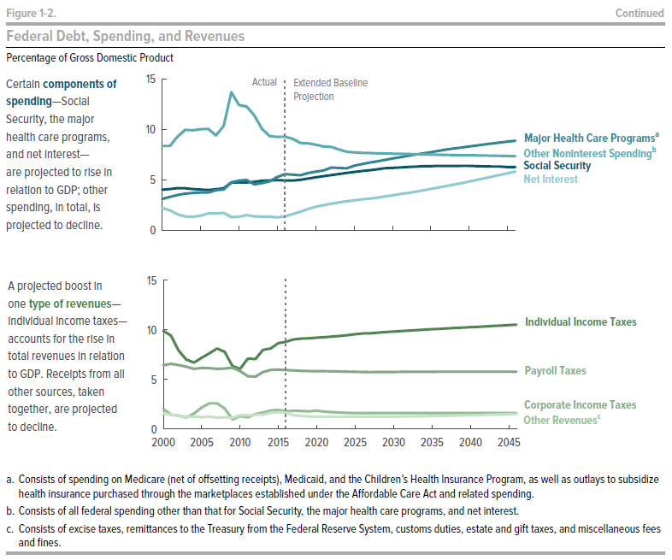
2025 | 84 | 22.8 | 18.2 | 5.8 | 6.4 | 7.7 | 2.9 | 9.5 | 5.8 | 1.6 | 1.2
2026 | 86 | 23.1 | 18.2 | 5.9 | 6.5 | 7.7 | 3.0 | 9.6 | 5.8 | 1.6 | 1.2
2027 | 88 | 23.4 | 18.2 | 5.9 | 6.7 | 7.6 | 3.1 | 9.7 | 5.7 | 1.6 | 1.2
2028 | 90 | 23.7 | 18.3 | 6.0 | 6.8 | 7.6 | 3.2 | 9.7 | 5.7 | 1.6 | 1.2
2029 | 92 | 24.0 | 18.4 | 6.1 | 6.9 | 7.6 | 3.3 | 9.8 | 5.7 | 1.6 | 1.2
2030 | 94 | 24.3 | 18.4 | 6.2 | 7.1 | 7.6 | 3.5 | 9.8 | 5.8 | 1.6 | 1.2
2031 | 97 | 24.6 | 18.5 | 6.2 | 7.2 | 7.6 | 3.6 | 9.9 | 5.8 | 1.6 | 1.3
2032 | 99 | 24.8 | 18.5 | 6.3 | 7.4 | 7.5 | 3.7 | 9.9 | 5.8 | 1.6 | 1.3
2033 | 102 | 25.1 | 18.6 | 6.3 | 7.5 | 7.5 | 3.8 | 10.0 | 5.8 | 1.6 | 1.3
2034 | 105 | 25.4 | 18.7 | 6.3 | 7.6 | 7.5 | 3.9 | 10.0 | 5.8 | 1.6 | 1.3
2035 | 107 | 25.6 | 18.7 | 6.3 | 7.7 | 7.5 | 4.1 | 10.1 | 5.8 | 1.6 | 1.3
2036 | 110 | 25.9 | 18.8 | 6.4 | 7.8 | 7.5 | 4.2 | 10.1 | 5.8 | 1.6 | 1.3
2037 | 113 | 26.2 | 18.9 | 6.4 | 8.0 | 7.5 | 4.4 | 10.1 | 5.8 | 1.6 | 1.3
2038 | 116 | 26.4 | 18.9 | 6.3 | 8.1 | 7.4 | 4.5 | 10.2 | 5.8 | 1.6 | 1.4
2039 | 119 | 26.6 | 19.0 | 6.4 | 8.2 | 7.4 | 4.7 | 10.2 | 5.8 | 1.6 | 1.4
2040 | 122 | 26.9 | 19.0 | 6.4 | 8.3 | 7.4 | 4.8 | 10.3 | 5.8 | 1.6 | 1.4
2041 | 125 | 27.1 | 19.1 | 6.3 | 8.4 | 7.4 | 5.0 | 10.3 | 5.8 | 1.6 | 1.4
2042 | 129 | 27.3 | 19.2 | 6.3 | 8.5 | 7.4 | 5.1 | 10.3 | 5.8 | 1.6 | 1.4
2043 | 132 | 27.6 | 19.2 | 6.3 | 8.6 | 7.4 | 5.3 | 10.4 | 5.8 | 1.6 | 1.5
2044 | 135 | 27.8 | 19.3 | 6.3 | 8.7 | 7.4 | 5.5 | 10.4 | 5.8 | 1.6 | 1.5
2045 | 138 | 28.0 | 19.3 | 6.3 | 8.8 | 7.3 | 5.6 | 10.5 | 5.8 | 1.6 | 1.5
2046 | 141 | 28.2 | 19.4 | 6.3 | 8.9 | 7.3 | 5.8 | 10.5 | 5.8 | 1.6 | 1.5

Source: Congressional Budget Office.

The extended baseline generally reflects current law, following CBO’s 10-year baseline budget projections through 2026 and then extending most of the concepts underlying those baseline projections for the rest of the long-term projection period.

GDP = gross domestic product.

a. Consists of spending on Medicare (net of offsetting receipts), Medicaid, and the Children’s Health Insurance Program, as well as outlays to subsidize health insurance purchased through the marketplaces established under the Affordable Care Act and related spending.

b. Consists of all federal spending other than that for Social Security, the major health care programs, and net interest.

c. Consists of excise taxes, remittances to the Treasury from the Federal Reserve System, customs duties, estate and gift taxes, and miscellaneous fees and fines.

Figure 1-4
This file presents data that supplement information in CBO’s July 2016 report The 2016 Long-Term Budget Outlook.
www.cbo.gov/publication/51580

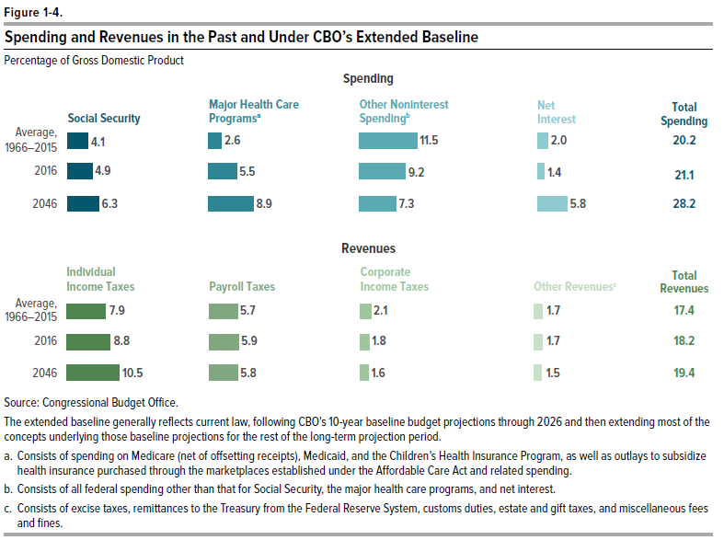
Figure 1-4.
Spending and Revenues in the Past and Under CBO’s Extended Baseline
Percentage of Gross Domestic Product

 | Spending |  |  |  |  | Revenues
 | Social Security | Major Health Care Programsa | Other Noninterest Spendingb | Net Interest | Total Spending | Individual Income Taxes | Payroll Taxes | Corporate Income Taxes | Other Revenue Sourcesc | Total Revenues
Average, 1966-2015 | 4.1 | 2.6 | 11.5 | 2.0 | 20.2 | 7.9 | 5.7 | 2.1 | 1.7 | 17.4
2016 | 4.9 | 5.5 | 9.2 | 1.4 | 21.1 | 8.8 | 5.9 | 1.8 | 1.7 | 18.2
2046 | 6.3 | 8.9 | 7.3 | 5.8 | 28.2 | 10.5 | 5.8 | 1.6 | 1.5 | 19.4

Source: Congressional Budget Office.

The extended baseline generally reflects current law, following CBO’s 10-year baseline budget projections through 2026 and then extending most of the concepts underlying those baseline projections for the rest of the long-term projection period.

a. Consists of spending on Medicare (net of offsetting receipts), Medicaid, and the Children’s Health Insurance Program, as well as outlays to subsidize health insurance purchased through the marketplaces established under the Affordable Care Act and related spending.

b. Consists of all federal spending other than that for Social Security, the major health care programs, and net interest.

c. Consists of excise taxes, remittances to the Treasury from the Federal Reserve System, customs duties, estate and gift taxes, and miscellaneous fees and fines.

Figure 1- 5
This file presents data that supplement information in CBO’s July 2016 report The 2016 Long-Term Budget Outlook.
www.cbo.gov/publication/51580

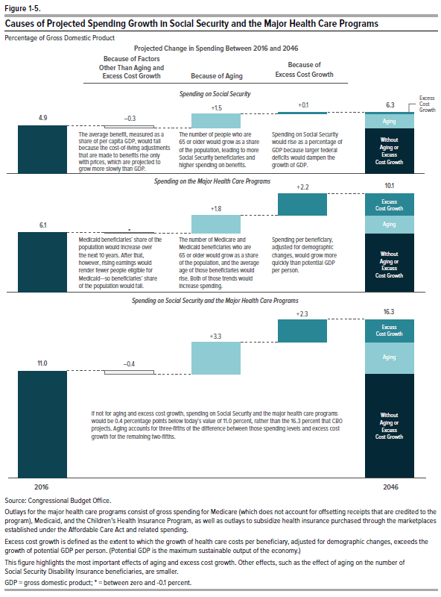
Figure 1-5.
Causes of Projected Spending Growth in Social Security and the Major Health Care Programs
Percentage of Gross Domestic Product

 |  | Projected Change in Spending Between 2016 and 2046
 | 2016 | Because of Factors Other Than Aging and Excess Cost Growth | Because of Aging | Because of Excess Cost Growth | 2046
Social Security | 4.9 | -0.3 | 1.5 | 0.1 | 6.3
Major Health Care Programs | 6.1 | * | 1.8 | 2.2 | 10.1
Social Security and the Major Health Care Programs | 11.0 | -0.4 | 3.3 | 2.3 | 16.3

Source: Congressional Budget Office.

Outlays for the major health care programs consist of gross spending for Medicare (which does not account for offsetting receipts that are credited to the program), Medicaid, and the Children’s Health Insurance Program, as well as outlays to subsidize health insurance purchased through the marketplaces established under the Affordable Care Act and related spending.

Excess cost growth is defined as the extent to which the growth of health care costs per beneficiary, adjusted for demographic changes, exceeds the growth of potential GDP per person. (Potential GDP is the maximum sustainable output of the economy.)

This figure highlights the most important effects of aging and excess cost growth. Other effects, such as the effect of aging on the number of Social Security Disability Insurance beneficiaries, are smaller.

GDP = gross domestic product, * = between zero and -0.1 percent.

Box 1-1 Figure
This file presents data that supplement information in CBO’s July 2016 report The 2016 Long-Term Budget Outlook.
www.cbo.gov/publication/51580

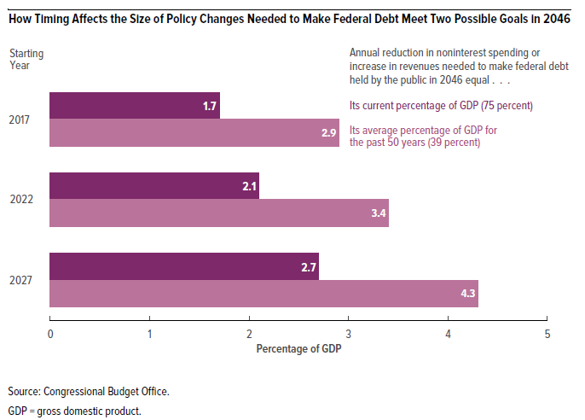
Box 1-1 Figure.
How Timing Affects the Size of Policy Changes Needed to Make Federal Debt Meet Two Possible Goals in 2046
Percentage of GDP

 | Annual reduction in noninterest spending or increase in revenues needed to make federal debt held by the public in 2046 equal . . .
Starting Year | Its current percentage of GDP (75 percent) | Its average percentage of GDP for the past 50 years (39 percent)
2017 | 1.7 | 2.9
2022 | 2.1 | 3.4
2027 | 2.7 | 4.3

Source: Congressional Budget Office.

GDP = gross domestic product.

Figure 2-1
This file presents data that supplement information in CBO’s July 2016 report The 2016 Long-Term Budget Outlook.
www.cbo.gov/publication/51580

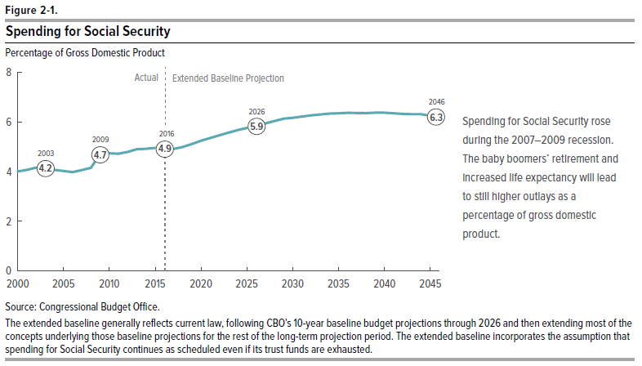
Figure 2-1.
Spending for Social Security
Percentage of Gross Domestic Product

Fiscal Year
2000 | 4.0
2001 | 4.1
2002 | 4.2
2003 | 4.2
2004 | 4.1
2005 | 4.0
2006 | 4.0
2007 | 4.1
2008 | 4.1
2009 | 4.7
2010 | 4.7
2011 | 4.7
2012 | 4.8
2013 | 4.9
2014 | 4.9
2015 | 5.0
2016 | 4.9
2017 | 4.9
2018 | 5.0
2019 | 5.1
2020 | 5.2
2021 | 5.3
2022 | 5.4
2023 | 5.6
2024 | 5.7
2025 | 5.8
2026 | 5.9
2027 | 5.9
2028 | 6.0
2029 | 6.1
2030 | 6.2
2031 | 6.2
2032 | 6.3
2033 | 6.3
2034 | 6.3
2035 | 6.3
2036 | 6.4
2037 | 6.4
2038 | 6.3
2039 | 6.4
2040 | 6.4
2041 | 6.3
2042 | 6.3
2043 | 6.3
2044 | 6.3
2045 | 6.3
2046 | 6.3

Source: Congressional Budget Office.

The extended baseline generally reflects current law, following CBO’s 10-year baseline budget projections through 2026 and then extending most of the concepts underlying those baseline projections for the rest of the long-term projection period. The extended baseline incorporates the assumption that spending for Social Security continues as scheduled even if its trust funds are exhausted..

Figure 2-2
This file presents data that supplement information in CBO’s July 2016 report The 2016 Long-Term Budget Outlook.
www.cbo.gov/publication/51580

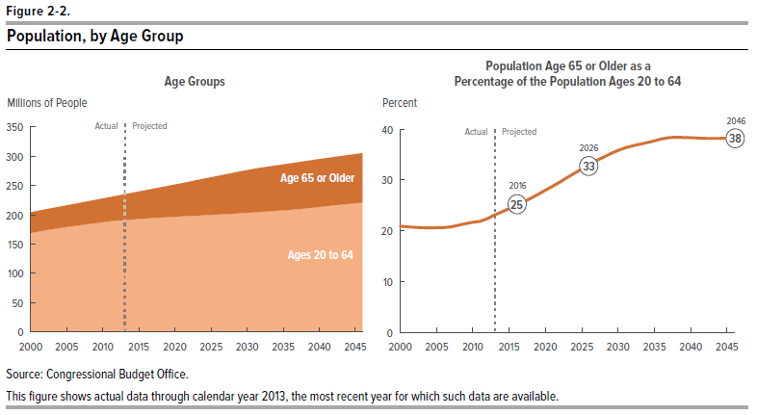
Figure 2-2.
Population, by Age Group

 | Age Groups (Millions of people) |  | Population Age 65 or Older as a Percentage of the Population Ages 20 to 64 (Percent)
Calendar Year | Age 65 or Older | Ages 20 to 64
2000 | 35.4 | 169.1 | 20.9
2001 | 35.6 | 171.3 | 20.8
2002 | 35.9 | 173.5 | 20.7
2003 | 36.2 | 175.5 | 20.6
2004 | 36.5 | 177.4 | 20.6
2005 | 37.0 | 179.3 | 20.6
2006 | 37.4 | 181.2 | 20.7
2007 | 38.0 | 182.9 | 20.8
2008 | 38.9 | 184.4 | 21.1
2009 | 39.8 | 185.8 | 21.4
2010 | 40.7 | 187.4 | 21.7
2011 | 41.4 | 189.2 | 21.9
2012 | 42.6 | 190.3 | 22.4
2013 | 44.2 | 191.1 | 23.1
2014 | 45.6 | 192.0 | 23.7
2015 | 47.0 | 192.9 | 24.4
2016 | 48.5 | 193.8 | 25.0
2017 | 50.0 | 194.7 | 25.7
2018 | 51.7 | 195.4 | 26.4
2019 | 53.3 | 196.2 | 27.2
2020 | 55.1 | 196.8 | 28.0
2021 | 56.9 | 197.6 | 28.8
2022 | 58.7 | 198.1 | 29.6
2023 | 60.6 | 198.7 | 30.5
2024 | 62.5 | 199.3 | 31.3
2025 | 64.3 | 199.9 | 32.2
2026 | 66.2 | 200.5 | 33.0
2027 | 68.0 | 201.2 | 33.8
2028 | 69.8 | 202.0 | 34.5
2029 | 71.4 | 202.8 | 35.2
2030 | 73.0 | 203.5 | 35.9
2031 | 74.3 | 204.4 | 36.4
2032 | 75.4 | 205.2 | 36.8
2033 | 76.4 | 206.1 | 37.1
2034 | 77.4 | 207.0 | 37.4
2035 | 78.4 | 207.9 | 37.7
2036 | 79.5 | 208.7 | 38.1
2037 | 80.4 | 209.6 | 38.4
2038 | 81.0 | 210.8 | 38.4
2039 | 81.5 | 212.2 | 38.4
2040 | 81.9 | 213.5 | 38.4
2041 | 82.3 | 214.8 | 38.3
2042 | 82.6 | 216.2 | 38.2
2043 | 83.1 | 217.4 | 38.2
2044 | 83.6 | 218.7 | 38.2
2045 | 84.1 | 219.8 | 38.3
2046 | 84.8 | 220.8 | 38.4

Source: Congressional Budget Office.

This figure shows actual data through calendar year 2013, the most recent year for which such data are available.

Figure 2-3
This file presents data that supplement information in CBO’s July 2016 report The 2016 Long-Term Budget Outlook.
www.cbo.gov/publication/51580

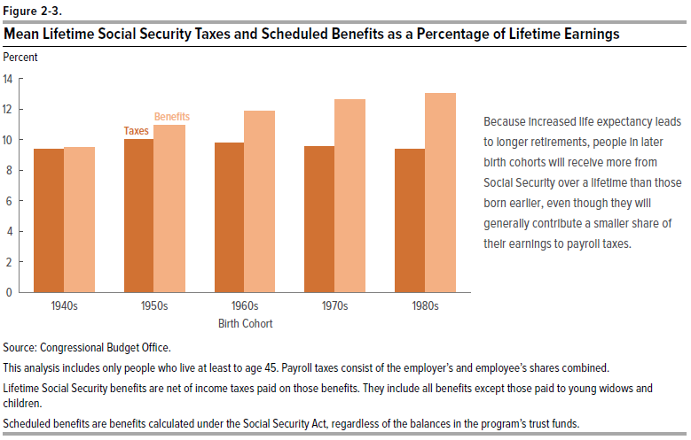
Figure 2-3.
Mean Lifetime Social Security Taxes and Scheduled Benefits as a Percentage of Lifetime Earnings

Percent

Birth Cohort | Taxes | Benefits
1940s | 9 | 9
1950s | 10 | 11
1960s | 10 | 12
1970s | 10 | 13
1980s | 9 | 13

Source: Congressional Budget Office

This analysis includes only people who live at least to age 45. Payroll taxes consist of the employer’s and employee’s shares combined.

Lifetime Social Security benefits are net of income taxes paid on those benefits. They include all benefits except those paid to young widows and children.

Scheduled benefits are benefits calculated under the Social Security Act, regardless of the balances in the program’s trust funds.

Figure 3-1
This file presents data that supplement information in CBO’s July 2016 report The 2016 Long-Term Budget Outlook.
www.cbo.gov/publication/51580

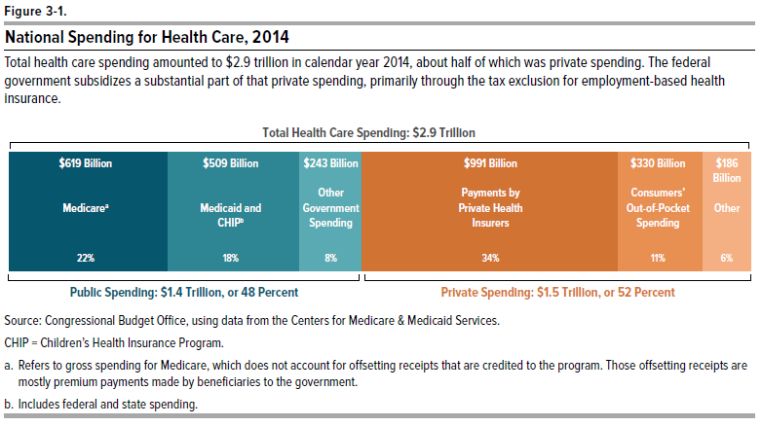
Figure 3-1.
National Spending for Health Care, 2014

 |  |  | Percent | Billions of Dollars
Public Spending
 | Medicarea |  | 22 | 619
 | Medicaid and CHIPb |  | 18 | 509
 | Other |  | 8 | 243
 |  |  | ___ | _____
 |  | Total | 48 | 1,371

Private Spending
 | Payments by Private Health Insurers |  | 34 | 991
 | Consumers' Out-of-Pocket Expenditures |  | 11 | 330
 | Other |  | 6 | 186
 |  |  | ___ | _____
 |  | Total | 52 | 1506

Total Health Care Spending |  |  |  | 2,877

Source: Congressional Budget Office, using data from the Centers for Medicare & Medicaid Services.

CHIP = Children's Health Insurance Program.

a. Refers to gross spending for Medicare, which does not account for offsetting receipts that are credited to the program. Those offsetting receipts are mostly premium payments made by beneficiaries to the government.

b. Includes federal and state spending.

Figure 3-2
This file presents data that supplement information in CBO’s July 2016 report The 2016 Long-Term Budget Outlook.
www.cbo.gov/publication/51580

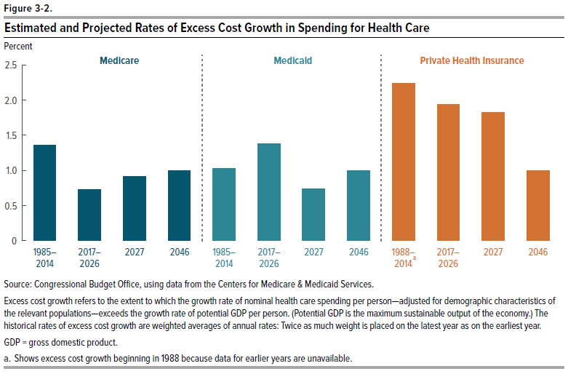
Figure 3-2.
Estimated and Projected Rates of Excess Cost Growth in Spending for Health Care

 | Medicare
1985–2014 | 1.4
2017–2026 | 0.7
2027 | 0.9
2046 | 1.0

 | Medicaid
1985–2014 | 1.0
2017–2026 | 1.4
2027 | 0.7
2046 | 1.0

 | Private Health Insurance
1988–2014 | 2.2
2017–2026 | 1.9
2027 | 1.8
2046 | 1.0

Source: Congressional Budget Office, using data from the Centers for Medicare & Medicaid Services.

Excess cost growth refers to the extent to which the growth rate of nominal health care spending per person—adjusted for demographic characteristics of the relevant populations—exceeds the growth rate of potential GDP per person. (Potential GDP is the maximum sustainable output of the economy.) The historical rates of excess cost growth are weighted averages of annual rates: Twice as much weight is placed on the latest year as on the earliest year.

GDP = gross domestic product.

a. Shows excess cost growth beginning in 1988 because data for earlier years are unavailable.

Figure 3-3
This file presents data that supplement information in CBO’s July 2016 report The 2016 Long-Term Budget Outlook.
www.cbo.gov/publication/51580

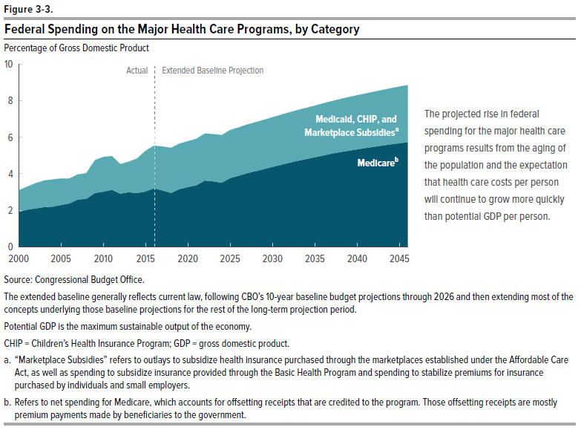
Figure 3-3.
Federal Spending on the Major Health Care Programs, by Category
Percentage of Gross Domestic Product

Fiscal Year | Medicarea | Medicaid, CHIP, and Marketplace Subsidiesb
2000 | 1.9 | 1.2
2001 | 2.0 | 1.3
2002 | 2.1 | 1.4
2003 | 2.2 | 1.5
2004 | 2.2 | 1.5
2005 | 2.3 | 1.4
2006 | 2.4 | 1.4
2007 | 2.6 | 1.4
2008 | 2.6 | 1.4
2009 | 2.9 | 1.8
2010 | 3.0 | 1.9
2011 | 3.1 | 1.8
2012 | 2.9 | 1.6
2013 | 3.0 | 1.7
2014 | 2.9 | 1.9
2015 | 3.0 | 2.2
2016 | 3.2 | 2.3
2017 | 3.1 | 2.4
2018 | 2.9 | 2.5
2019 | 3.2 | 2.5
2020 | 3.3 | 2.5
2021 | 3.4 | 2.5
2022 | 3.6 | 2.6
2023 | 3.6 | 2.6
2024 | 3.5 | 2.6
2025 | 3.8 | 2.6
2026 | 3.9 | 2.6
2027 | 4.0 | 2.7
2028 | 4.1 | 2.7
2029 | 4.3 | 2.7
2030 | 4.4 | 2.7
2031 | 4.5 | 2.7
2032 | 4.6 | 2.8
2033 | 4.7 | 2.8
2034 | 4.8 | 2.8
2035 | 4.9 | 2.8
2036 | 5.0 | 2.9
2037 | 5.1 | 2.9
2038 | 5.2 | 2.9
2039 | 5.3 | 2.9
2040 | 5.3 | 3.0
2041 | 5.4 | 3.0
2042 | 5.5 | 3.0
2043 | 5.5 | 3.0
2044 | 5.6 | 3.1
2045 | 5.7 | 3.1
2046 | 5.7 | 3.1

Source: Congressional Budget Office.

The extended baseline generally reflects current law, following CBO’s 10-year baseline budget projections through 2026 and then extending most of the concepts underlying those baseline projections for the rest of the long-term projection period.

Potential GDP is the maximum sustainable output of the economy.

CHIP = Children’s Health Insurance Program; GDP = gross domestic product.

a. “Marketplace Subsidies” refers to outlays to subsidize health insurance purchased through the marketplaces established under the Affordable Care Act, as well as spending to subsidize insurance provided through the Basic Health Program and spending to stabilize premiums for insurance purchased by individuals and small employers.

b. Refers to net spending for Medicare, which accounts for offsetting receipts that are credited to the program. Those offsetting receipts are mostly premium payments made by beneficiaries to the government.

Figure 3-4
This file presents data that supplement information in CBO’s July 2016 report The 2016 Long-Term Budget Outlook.
www.cbo.gov/publication/51580

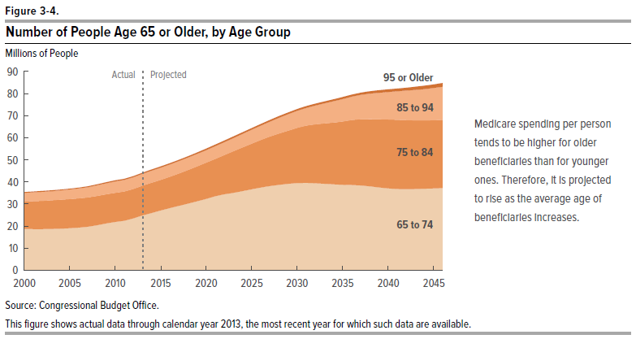
Figure 3-4.
Number of People Age 65 or Older, by Age Group
Millions of People

 | 65 to 74 | 75 to 84 | 85 to 94 | 95 or Older
2000 | 18.7 | 12.4 | 4.0 | 0.3
2001 | 18.6 | 12.6 | 4.0 | 0.3
2002 | 18.6 | 12.8 | 4.1 | 0.4
2003 | 18.7 | 12.9 | 4.2 | 0.4
2004 | 18.8 | 13.1 | 4.3 | 0.4
2005 | 19.0 | 13.2 | 4.4 | 0.4
2006 | 19.3 | 13.2 | 4.5 | 0.4
2007 | 19.7 | 13.2 | 4.7 | 0.4
2008 | 20.4 | 13.2 | 4.9 | 0.4
2009 | 21.2 | 13.1 | 5.0 | 0.4
2010 | 21.9 | 13.1 | 5.2 | 0.4
2011 | 22.4 | 13.2 | 5.3 | 0.5
2012 | 23.5 | 13.3 | 5.3 | 0.5
2013 | 24.9 | 13.4 | 5.4 | 0.5
2014 | 25.9 | 13.7 | 5.5 | 0.5
2015 | 27.1 | 13.9 | 5.5 | 0.5
2016 | 28.2 | 14.2 | 5.6 | 0.5
2017 | 29.2 | 14.6 | 5.6 | 0.6
2018 | 30.2 | 15.2 | 5.7 | 0.6
2019 | 31.2 | 15.9 | 5.7 | 0.6
2020 | 32.3 | 16.4 | 5.7 | 0.6
2021 | 33.5 | 16.9 | 5.8 | 0.7
2022 | 34.4 | 17.7 | 5.9 | 0.7
2023 | 35.1 | 18.8 | 6.0 | 0.7
2024 | 35.8 | 19.8 | 6.2 | 0.7
2025 | 36.6 | 20.7 | 6.3 | 0.7
2026 | 37.5 | 21.5 | 6.5 | 0.7
2027 | 38.2 | 22.4 | 6.8 | 0.7
2028 | 38.7 | 23.2 | 7.1 | 0.7
2029 | 39.2 | 24.0 | 7.5 | 0.7
2030 | 39.5 | 24.9 | 7.8 | 0.8
2031 | 39.6 | 25.9 | 8.0 | 0.8
2032 | 39.4 | 26.7 | 8.5 | 0.8
2033 | 39.1 | 27.3 | 9.2 | 0.8
2034 | 38.9 | 28.0 | 9.7 | 0.9
2035 | 38.7 | 28.7 | 10.2 | 0.9
2036 | 38.6 | 29.4 | 10.6 | 0.9
2037 | 38.4 | 30.0 | 11.1 | 1.0
2038 | 38.0 | 30.5 | 11.5 | 1.1
2039 | 37.5 | 30.9 | 12.0 | 1.1
2040 | 37.1 | 31.2 | 12.4 | 1.2
2041 | 36.8 | 31.3 | 12.9 | 1.2
2042 | 36.7 | 31.2 | 13.4 | 1.3
2043 | 36.8 | 31.1 | 13.8 | 1.4
2044 | 36.9 | 31.0 | 14.2 | 1.5
2045 | 37.0 | 30.9 | 14.6 | 1.6
2046 | 37.2 | 30.9 | 15.0 | 1.7

Source: Congressional Budget Office.

This figure shows actual data through calendar year 2013, the most recent year for which such data are available.

Figure 3-5
This file presents data that supplement information in CBO’s July 2016 report The 2016 Long-Term Budget Outlook.
www.cbo.gov/publication/51580

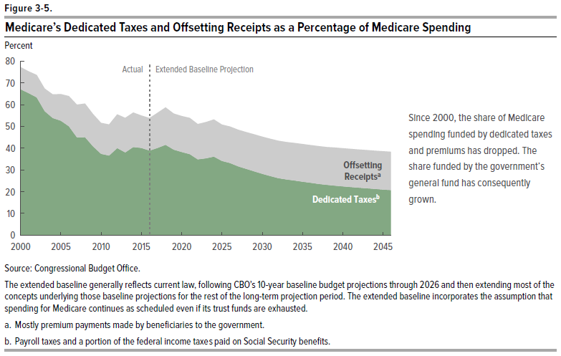
Figure 3-5.
Medicare’s Dedicated Taxes and Offsetting Receipts as a Share of Medicare Spending

Percent

Fiscal Year | Offsetting Receiptsa | Dedicated Taxesb
2000 | 10 | 67
2001 | 10 | 65
2002 | 10 | 63
2003 | 10 | 57
2004 | 11 | 54
2005 | 12 | 53
2006 | 14 | 50
2007 | 15 | 45
2008 | 15 | 45
2009 | 15 | 41
2010 | 14 | 37
2011 | 14 | 37
2012 | 16 | 40
2013 | 16 | 38
2014 | 16 | 41
2015 | 15 | 40
2016 | 15 | 39
2017 | 16 | 40
2018 | 17 | 42
2019 | 17 | 39
2020 | 17 | 38
2021 | 17 | 37
2022 | 16 | 35
2023 | 17 | 35
2024 | 17 | 36
2025 | 17 | 34
2026 | 17 | 33
2027 | 17 | 32
2028 | 17 | 31
2029 | 17 | 29
2030 | 17 | 28
2031 | 17 | 27
2032 | 17 | 26
2033 | 17 | 26
2034 | 17 | 25
2035 | 17 | 25
2036 | 17 | 24
2037 | 17 | 24
2038 | 17 | 23
2039 | 17 | 23
2040 | 17 | 22
2041 | 18 | 22
2042 | 18 | 22
2043 | 18 | 22
2044 | 18 | 21
2045 | 18 | 21
2046 | 18 | 21

Source: Congressional Budget Office.

The extended baseline generally reflects current law, following CBO’s 10-year baseline budget projections through 2026 and then extending most of the concepts underlying those baseline projections for the rest of the long-term projection period. The extended baseline incorporates the assumption that spending for Medicare continues as scheduled even if its trust funds are exhausted.

a. Mostly premium payments made by beneficiaries to the government.

b. Payroll taxes and a portion of the federal income taxes paid on Social Security benefits.

Figure 4-1
This file presents data that supplement information in CBO’s July 2016 report The 2016 Long-Term Budget Outlook.
www.cbo.gov/publication/51580

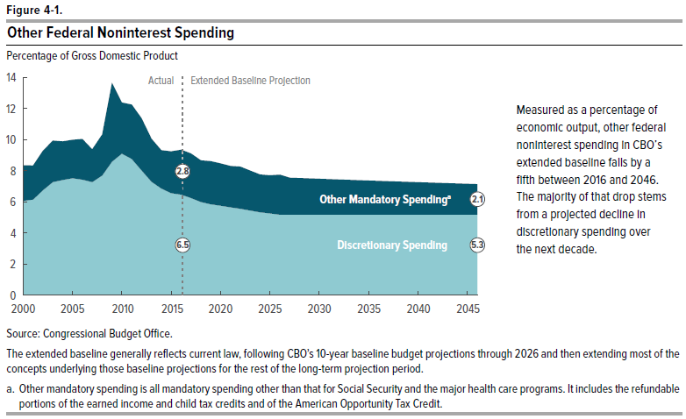
Figure 4-1.
Other Federal Noninterest Spending
Percentage of Gross Domestic Product

Fiscal Year | Discretionary Spending | Other Mandatory Spendinga
2000 | 6.1 | 2.3
2001 | 6.1 | 2.2
2002 | 6.7 | 2.5
2003 | 7.3 | 2.7
2004 | 7.4 | 2.5
2005 | 7.5 | 2.5
2006 | 7.4 | 2.6
2007 | 7.3 | 2.1
2008 | 7.7 | 2.6
2009 | 8.6 | 5.1
2010 | 9.1 | 3.3
2011 | 8.8 | 3.5
2012 | 8.0 | 3.4
2013 | 7.3 | 2.8
2014 | 6.9 | 2.5
2015 | 6.6 | 2.7
2016 | 6.5 | 2.8
2017 | 6.2 | 2.8
2018 | 6.0 | 2.6
2019 | 5.8 | 2.8
2020 | 5.8 | 2.7
2021 | 5.6 | 2.7
2022 | 5.6 | 2.7
2023 | 5.4 | 2.6
2024 | 5.3 | 2.4
2025 | 5.3 | 2.4
2026 | 5.2 | 2.5
2027 | 5.2 | 2.5
2028 | 5.2 | 2.4
2029 | 5.2 | 2.4
2030 | 5.2 | 2.4
2031 | 5.2 | 2.4
2032 | 5.2 | 2.3
2033 | 5.2 | 2.3
2034 | 5.2 | 2.3
2035 | 5.2 | 2.3
2036 | 5.2 | 2.3
2037 | 5.2 | 2.2
2038 | 5.2 | 2.2
2039 | 5.2 | 2.2
2040 | 5.2 | 2.2
2041 | 5.2 | 2.2
2042 | 5.3 | 2.1
2043 | 5.3 | 2.1
2044 | 5.3 | 2.1
2045 | 5.3 | 2.1
2046 | 5.3 | 2.1

Source: Congressional Budget Office.

The extended baseline generally reflects current law, following CBO’s 10-year baseline budget projections through 2026 and then extending most of the concepts underlying those baseline projections for the rest of the long-term projection period.

a. Other mandatory spending is all mandatory spending other than that for Social Security and the major health care programs. It includes the refundable portions of the earned income and child tax credits and of the American Opportunity Tax Credit.

Figure 4-2
This file presents data that supplement information in CBO’s July 2016 report The 2016 Long-Term Budget Outlook.
www.cbo.gov/publication/51580

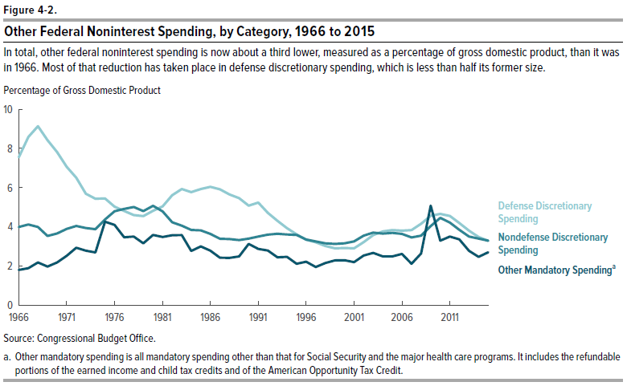
Figure 4-2.
Other Federal Noninterest Spending, by Category, 1966 to 2015
Percentage of Gross Domestic Product

Fiscal Year | Defense Discretionary Spending | Nondefense Discretionary Spending | Other Mandatory Spendinga
1966 | 7.5 | 4.0 | 1.8
1967 | 8.6 | 4.1 | 1.9
1968 | 9.1 | 4.0 | 2.2
1969 | 8.4 | 3.5 | 2.0
1970 | 7.8 | 3.7 | 2.2
1971 | 7.1 | 3.9 | 2.5
1972 | 6.5 | 4.0 | 2.9
1973 | 5.7 | 3.9 | 2.8
1974 | 5.4 | 3.9 | 2.7
1975 | 5.4 | 4.4 | 4.3
1976 | 5.0 | 4.8 | 4.1
1977 | 4.8 | 4.9 | 3.5
1978 | 4.6 | 5.0 | 3.5
1979 | 4.5 | 4.8 | 3.1
1980 | 4.8 | 5.1 | 3.6
1981 | 5.0 | 4.8 | 3.5
1982 | 5.6 | 4.2 | 3.6
1983 | 5.9 | 4.1 | 3.6
1984 | 5.8 | 3.8 | 2.8
1985 | 5.9 | 3.8 | 3.0
1986 | 6.0 | 3.6 | 2.8
1987 | 5.9 | 3.4 | 2.4
1988 | 5.6 | 3.4 | 2.4
1989 | 5.5 | 3.3 | 2.5
1990 | 5.1 | 3.4 | 3.1
1991 | 5.2 | 3.5 | 2.9
1992 | 4.7 | 3.6 | 2.8
1993 | 4.3 | 3.6 | 2.4
1994 | 3.9 | 3.6 | 2.5
1995 | 3.6 | 3.6 | 2.1
1996 | 3.3 | 3.3 | 2.2
1997 | 3.2 | 3.2 | 1.9
1998 | 3.0 | 3.1 | 2.1
1999 | 2.9 | 3.1 | 2.3
2000 | 2.9 | 3.1 | 2.3
2001 | 2.9 | 3.2 | 2.2
2002 | 3.2 | 3.5 | 2.5
2003 | 3.6 | 3.7 | 2.7
2004 | 3.8 | 3.6 | 2.5
2005 | 3.8 | 3.7 | 2.5
2006 | 3.8 | 3.6 | 2.6
2007 | 3.8 | 3.4 | 2.1
2008 | 4.2 | 3.5 | 2.6
2009 | 4.6 | 4.0 | 5.1
2010 | 4.7 | 4.4 | 3.3
2011 | 4.5 | 4.2 | 3.5
2012 | 4.2 | 3.8 | 3.4
2013 | 3.8 | 3.5 | 2.8
2014 | 3.5 | 3.4 | 2.5
2015 | 3.3 | 3.3 | 2.7

Source: Congressional Budget Office

a. Other mandatory spending is all mandatory spending other than that for Social Security and the major health care programs. It includes the refundable portions of the earned income and child tax credits and of the American Opportunity Tax Credit.

Figure 5-1
This file presents data that supplement information in CBO’s July 2016 report The 2016 Long-Term Budget Outlook.
www.cbo.gov/publication/51580

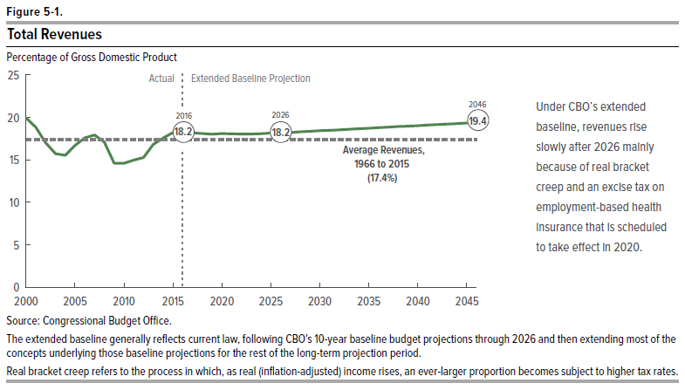
Figure 5-1.
Total Revenues
Percentage of Gross Domestic Product

Fiscal Year | Total Revenues | Average Revenues, 1966 to 2015
2000 | 20.0 | 17.4
2001 | 18.8 | 17.4
2002 | 17.0 | 17.4
2003 | 15.7 | 17.4
2004 | 15.6 | 17.4
2005 | 16.7 | 17.4
2006 | 17.6 | 17.4
2007 | 17.9 | 17.4
2008 | 17.1 | 17.4
2009 | 14.6 | 17.4
2010 | 14.6 | 17.4
2011 | 15.0 | 17.4
2012 | 15.3 | 17.4
2013 | 16.8 | 17.4
2014 | 17.6 | 17.4
2015 | 18.2 | 17.4
2016 | 18.2 | 17.4
2017 | 18.2 | 17.4
2018 | 18.1 | 17.4
2019 | 18.0 | 17.4
2020 | 18.1 | 17.4
2021 | 18.1 | 17.4
2022 | 18.1 | 17.4
2023 | 18.1 | 17.4
2024 | 18.1 | 17.4
2025 | 18.2 | 17.4
2026 | 18.2 | 17.4
2027 | 18.2 | 17.4
2028 | 18.3 | 17.4
2029 | 18.4 | 17.4
2030 | 18.4 | 17.4
2031 | 18.5 | 17.4
2032 | 18.5 | 17.4
2033 | 18.6 | 17.4
2034 | 18.7 | 17.4
2035 | 18.7 | 17.4
2036 | 18.8 | 17.4
2037 | 18.9 | 17.4
2038 | 18.9 | 17.4
2039 | 19.0 | 17.4
2040 | 19.0 | 17.4
2041 | 19.1 | 17.4
2042 | 19.2 | 17.4
2043 | 19.2 | 17.4
2044 | 19.3 | 17.4
2045 | 19.3 | 17.4
2046 | 19.4 | 17.4

Source: Congressional Budget Office

The extended baseline generally reflects current law, following CBO’s 10-year baseline budget projections through 2026 and then extending most of the concepts underlying those baseline projections for the rest of the long-term projection period.

Real bracket creep refers to the process in which, as real (inflation-adjusted) income rises, an ever-larger proportion becomes subject to higher tax rates.

Figure 5-2
This file presents data that supplement information in CBO’s July 2016 report The 2016 Long-Term Budget Outlook.
www.cbo.gov/publication/51580

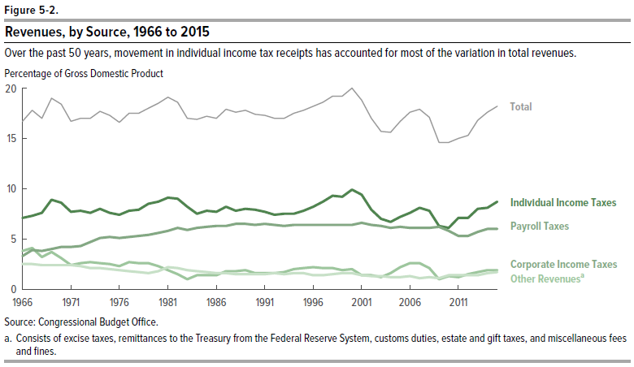
Figure 5-2.
Revenues, by Source, 1966 to 2015
Percentage of Gross Domestic Product

Fiscal Year | Individual Income Taxes | Payroll Taxes | Corporate Income Taxes | Other Revenue Sourcesa | Total
1966 | 7.1 | 3.3 | 3.8 | 2.5 | 16.7
1967 | 7.3 | 3.9 | 4.1 | 2.5 | 17.8
1968 | 7.6 | 3.8 | 3.2 | 2.4 | 17.0
1969 | 8.9 | 4.0 | 3.7 | 2.4 | 19.0
1970 | 8.6 | 4.2 | 3.1 | 2.4 | 18.4
1971 | 7.7 | 4.2 | 2.4 | 2.4 | 16.7
1972 | 7.8 | 4.3 | 2.6 | 2.3 | 17.0
1973 | 7.6 | 4.7 | 2.7 | 2.1 | 17.0
1974 | 8.0 | 5.1 | 2.6 | 2.1 | 17.7
1975 | 7.6 | 5.2 | 2.5 | 2.0 | 17.3
1976 | 7.4 | 5.1 | 2.3 | 1.9 | 16.6
1977 | 7.8 | 5.2 | 2.7 | 1.8 | 17.5
1978 | 7.9 | 5.3 | 2.6 | 1.7 | 17.5
1979 | 8.5 | 5.4 | 2.6 | 1.6 | 18.0
1980 | 8.7 | 5.6 | 2.3 | 1.8 | 18.5
1981 | 9.1 | 5.8 | 1.9 | 2.2 | 19.1
1982 | 9.0 | 6.1 | 1.5 | 2.1 | 18.6
1983 | 8.2 | 5.9 | 1.0 | 1.9 | 17.0
1984 | 7.5 | 6.1 | 1.4 | 1.8 | 16.9
1985 | 7.8 | 6.2 | 1.4 | 1.7 | 17.2
1986 | 7.7 | 6.3 | 1.4 | 1.6 | 17.0
1987 | 8.2 | 6.3 | 1.8 | 1.6 | 17.9
1988 | 7.8 | 6.5 | 1.8 | 1.5 | 17.6
1989 | 8.0 | 6.5 | 1.9 | 1.5 | 17.8
1990 | 7.9 | 6.4 | 1.6 | 1.5 | 17.4
1991 | 7.7 | 6.5 | 1.6 | 1.5 | 17.3
1992 | 7.4 | 6.4 | 1.6 | 1.6 | 17.0
1993 | 7.5 | 6.3 | 1.7 | 1.5 | 17.0
1994 | 7.5 | 6.4 | 2.0 | 1.6 | 17.5
1995 | 7.8 | 6.4 | 2.1 | 1.6 | 17.8
1996 | 8.2 | 6.4 | 2.2 | 1.4 | 18.2
1997 | 8.7 | 6.4 | 2.1 | 1.4 | 18.6
1998 | 9.3 | 6.4 | 2.1 | 1.5 | 19.2
1999 | 9.2 | 6.4 | 1.9 | 1.6 | 19.2
2000 | 9.9 | 6.4 | 2.0 | 1.6 | 20.0
2001 | 9.4 | 6.6 | 1.4 | 1.4 | 18.8
2002 | 7.9 | 6.4 | 1.4 | 1.3 | 17.0
2003 | 7.0 | 6.3 | 1.2 | 1.3 | 15.7
2004 | 6.7 | 6.1 | 1.6 | 1.2 | 15.6
2005 | 7.2 | 6.2 | 2.2 | 1.2 | 16.7
2006 | 7.6 | 6.1 | 2.6 | 1.3 | 17.6
2007 | 8.1 | 6.1 | 2.6 | 1.1 | 17.9
2008 | 7.8 | 6.1 | 2.1 | 1.2 | 17.1
2009 | 6.3 | 6.2 | 1.0 | 1.1 | 14.6
2010 | 6.1 | 5.8 | 1.3 | 1.4 | 14.6
2011 | 7.1 | 5.3 | 1.2 | 1.4 | 15.0
2012 | 7.1 | 5.3 | 1.5 | 1.4 | 15.3
2013 | 8.0 | 5.7 | 1.7 | 1.4 | 16.8
2014 | 8.1 | 6.0 | 1.9 | 1.6 | 17.6
2015 | 8.7 | 6.0 | 1.9 | 1.7 | 18.2

Source: Congressional Budget Office.

a. Consists of excise taxes, remittances to the Treasury from the Federal Reserve System, customs duties, estate and gift taxes, and miscellaneous fees and fines.

Figure 6-1
This file presents data that supplement information in CBO’s July 2016 report The 2016 Long-Term Budget Outlook.
www.cbo.gov/publication/51580

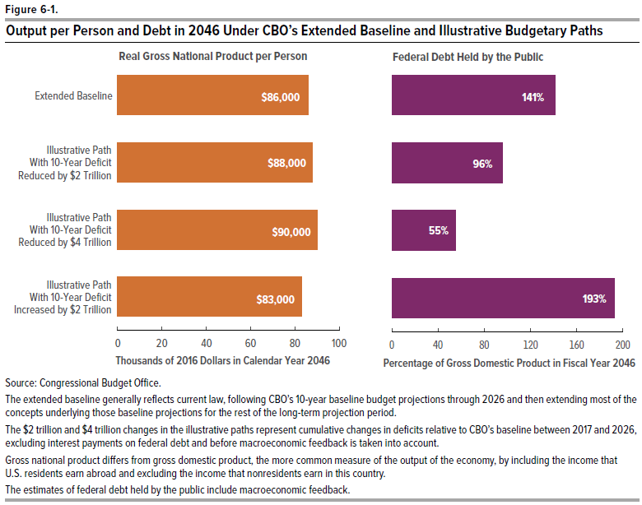
Figure 6-1.
Output per Person and Debt in 2046 Under CBO’s Extended Baseline and Illustrative Budgetary Paths

 | Real Gross Nation Product per Person (Thousands of 2016 Dollars in Calendar Year 2046) | Debt Held by the Public (Percentage of Gross Domestic Product in Fiscal Year 2046)
Extended Baseline | 86 | 141
Illustrative Scenario With 10-Year Deficit Reduced by $2 Trillion | 88 | 96
Illustrative Scenario With 10-Year Deficit Reduced by $4 Trillion | 90 | 55
Illustrative Scenario With 10-Year Deficit Increased by $2 Trillion | 83 | 193

Source: Congressional Budget Office.

The extended baseline generally reflects current law, following CBO’s 10-year baseline budget projections through 2026 and then extending most of the concepts underlying those baseline projections for the rest of the long-term projection period.

The $2 trillion and $4 trillion changes in the illustrative paths represent cumulative changes in deficits relative to CBO’s baseline between 2017 and 2026, excluding interest payments on federal debt and before macroeconomic feedback is taken into account.

Gross national product differs from gross domestic product, the more common measure of the output of the economy, by including the income that U.S. residents earn abroad and excluding the income that nonresidents earn in this country.

The estimates of federal debt held by the public include macroeconomic feedback.

Figure 6-2
This file presents data that supplement information in CBO’s July 2016 report The 2016 Long-Term Budget Outlook.
www.cbo.gov/publication/51580

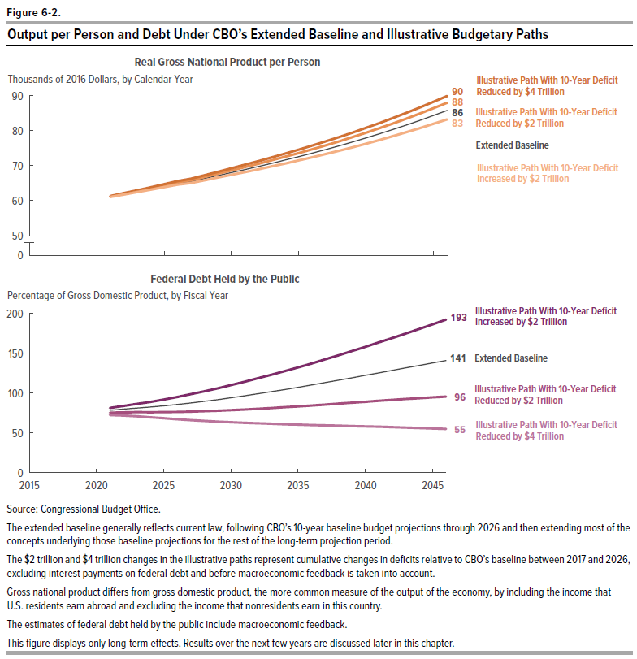
Figure 6-2.
Output per Person and Debt Under CBO’s Extended Baseline and Illustrative Budgetary Paths |  |  |  |  |  |  |  |  | Memorandum: Box 6-1. Long-Term Effects of Limiting Social Security Benefits to Amounts Payable From Dedicated Funding

 | Real Gross National Product per Person (Thousands 2016 Dollars, by Calendar Year) |  |  |  | Federal Debt Held by the Public (Percentage of Gross Domestic Product, by Fiscal Year)

 | Extended Baseline | 10-Year Deficit Reduced by $2 Trillion | 10-Year Deficit Reduced by $4 Trillion | 10-Year Deficit Increased by $2 Trillion | Extended Baseline | 10-Year Deficit Reduced by $2 Trillion | 10-Year Deficit Reduced by $4 Trillion | 10-Year Deficit Increased by $2 Trillion | Real GNP per Person (Thousands 2016 Dollars, by Calendar Year) | Federal Debt Held by the Public (Percentage of Gross Domestic Product, by Fiscal Year)
2016
2017
2018
2019
2020
2021 | 61 | 61 | 61 | 61 | 78 | 75 | 72 | 81 | 61 | 78
2022 | 62 | 62 | 62 | 62 | 80 | 76 | 72 | 84 | 62 | 80
2023 | 63 | 63 | 63 | 62 | 81 | 76 | 71 | 86 | 63 | 81
2024 | 63 | 64 | 64 | 63 | 82 | 76 | 70 | 89 | 63 | 82
2025 | 64 | 64 | 65 | 64 | 84 | 76 | 68 | 92 | 64 | 84
2026 | 65 | 65 | 66 | 65 | 86 | 76 | 67 | 95 | 65 | 86
2027 | 65 | 66 | 66 | 65 | 88 | 77 | 66 | 99 | 65 | 88
2028 | 66 | 67 | 67 | 66 | 90 | 77 | 65 | 102 | 66 | 90
2029 | 67 | 68 | 68 | 67 | 92 | 78 | 64 | 106 | 67 | 92
2030 | 68 | 69 | 69 | 67 | 94 | 79 | 63 | 110 | 68 | 93
2031 | 69 | 70 | 70 | 68 | 97 | 79 | 63 | 114 | 69 | 94
2032 | 70 | 71 | 71 | 69 | 99 | 80 | 62 | 119 | 70 | 95
2033 | 71 | 72 | 72 | 70 | 102 | 81 | 61 | 123 | 71 | 96
2034 | 72 | 73 | 73 | 71 | 105 | 82 | 61 | 128 | 72 | 96
2035 | 73 | 74 | 75 | 72 | 107 | 83 | 60 | 132 | 73 | 97
2036 | 74 | 75 | 76 | 72 | 110 | 84 | 60 | 137 | 74 | 97
2037 | 75 | 76 | 77 | 73 | 113 | 86 | 59 | 142 | 75 | 98
2038 | 76 | 77 | 78 | 74 | 116 | 87 | 59 | 148 | 77 | 98
2039 | 77 | 78 | 79 | 75 | 119 | 88 | 59 | 153 | 78 | 99
2040 | 78 | 79 | 81 | 76 | 122 | 89 | 58 | 158 | 79 | 99
2041 | 79 | 81 | 82 | 77 | 126 | 90 | 58 | 164 | 81 | 100
2042 | 80 | 82 | 84 | 78 | 129 | 91 | 57 | 169 | 82 | 100
2043 | 82 | 83 | 85 | 80 | 132 | 93 | 57 | 175 | 83 | 100
2044 | 83 | 85 | 87 | 81 | 135 | 94 | 56 | 181 | 85 | 101
2045 | 84 | 86 | 88 | 82 | 138 | 95 | 56 | 187 | 86 | 101
2046 | 86 | 88 | 90 | 83 | 141 | 96 | 55 | 193 | 88 | 101

Source: Congressional Budget Office.

The extended baseline generally reflects current law, following CBO’s 10-year baseline budget projections through 2026 and then extending most of the concepts underlying those baseline projections for the rest of the long-term projection period.

The $2 trillion and $4 trillion changes in the illustrative paths represent cumulative changes in deficits relative to CBO’s baseline between 2017 and 2026, excluding interest payments on federal debt and before macroeconomic feedback is taken into account.

Gross national product differs from gross domestic product, the more common measure of the output of the economy, by including the income that U.S. residents earn abroad and excluding the income that nonresidents earn in this country.

The estimates of federal debt held by the public include macroeconomic feedback.

This figure displays only longterm effects. Results over the next few years are discussed later in this chapter.

Figure 7-1
This file presents data that supplement information in CBO’s July 2016 report The 2016 Long-Term Budget Outlook.
www.cbo.gov/publication/51580

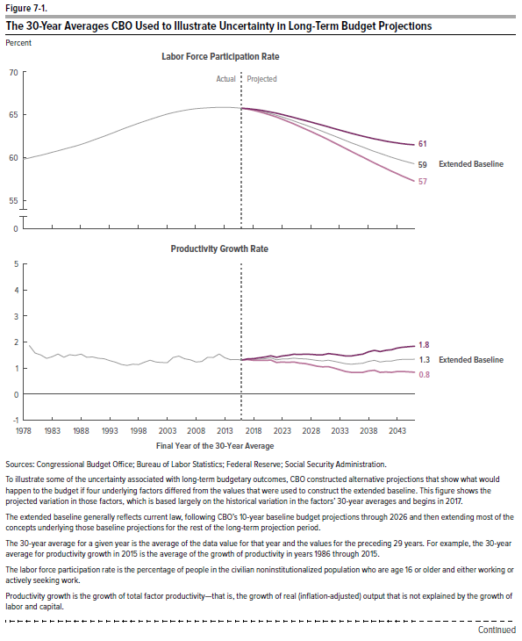
Figure 7-1.
The 30-Year Averages CBO Used to Illustrate Uncertainty in Long-Term Budget Projections

 | Labor Force Participation Rate |  |  | Productivity Growth Rate |  |  | Real 10-Year Interest Rate |  |  | Excess Cost Growth Rate for Federal Spending on Medicare and Medicaid
 | Historical | Lower | Upper | Historical | Lower | Upper | Historical | Lower | Upper | Historical | Lower | Upper
1964
1965
1966
1967
1968
1969
1970
1971
1972
1973
1974
1975
1976
1977
1978 | 59.8
1979 | 60.0 |  |  | 1.9
1980 | 60.1 |  |  | 1.6
1981 | 60.3 |  |  | 1.5
1982 | 60.4 |  |  | 1.4
1983 | 60.6 |  |  | 1.4 |  |  | 2.0
1984 | 60.8 |  |  | 1.5 |  |  | 2.3
1985 | 61.0 |  |  | 1.4 |  |  | 2.5
1986 | 61.2 |  |  | 1.5 |  |  | 2.7
1987 | 61.3 |  |  | 1.5 |  |  | 2.9
1988 | 61.5 |  |  | 1.5 |  |  | 3.0
1989 | 61.8 |  |  | 1.4 |  |  | 3.1
1990 | 62.0 |  |  | 1.4 |  |  | 3.1
1991 | 62.2 |  |  | 1.4 |  |  | 3.2
1992 | 62.5 |  |  | 1.4 |  |  | 3.3
1993 | 62.7 |  |  | 1.3 |  |  | 3.3
1994 | 63.0 |  |  | 1.2 |  |  | 3.4
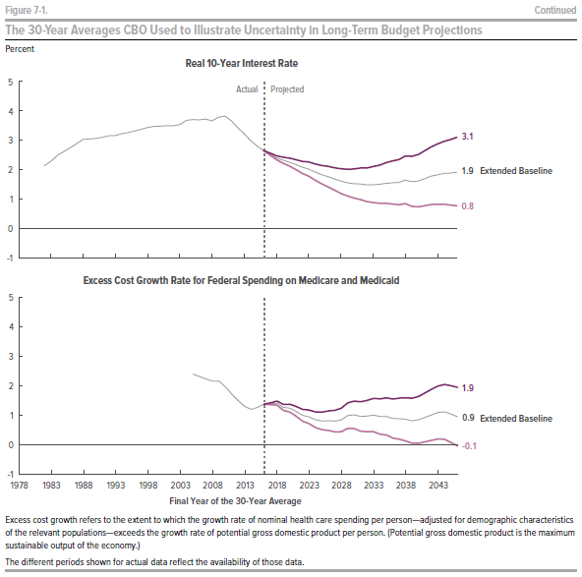
1995 | 63.3 |  |  | 1.1 |  |  | 3.4
1996 | 63.5 |  |  | 1.1 |  |  | 3.5
1997 | 63.8 |  |  | 1.1 |  |  | 3.6
1998 | 64.0 |  |  | 1.1 |  |  | 3.7
1999 | 64.2 |  |  | 1.2 |  |  | 3.8
2000 | 64.5 |  |  | 1.3 |  |  | 3.8
2001 | 64.7 |  |  | 1.2 |  |  | 3.9
2002 | 64.9 |  |  | 1.2 |  |  | 3.9
2003 | 65.1 |  |  | 1.2 |  |  | 3.9
2004 | 65.2 |  |  | 1.4 |  |  | 4.0
2005 | 65.4 |  |  | 1.5 |  |  | 4.1 |  |  | 2.4
2006 | 65.5 |  |  | 1.4 |  |  | 4.1 |  |  | 2.3
2007 | 65.6 |  |  | 1.3 |  |  | 4.1 |  |  | 2.2
2008 | 65.7 |  |  | 1.2 |  |  | 4.1 |  |  | 2.1
2009 | 65.8 |  |  | 1.3 |  |  | 4.2 |  |  | 2.2
2010 | 65.8 |  |  | 1.4 |  |  | 4.2 |  |  | 2.0
2011 | 65.8 |  |  | 1.4 |  |  | 4.0 |  |  | 1.7
2012 | 65.9 |  |  | 1.5 |  |  | 3.8 |  |  | 1.5
2013 | 65.9 |  |  | 1.4 |  |  | 3.6 |  |  | 1.3
2014 | 65.9 |  |  | 1.3 |  |  | 3.3 |  |  | 1.2
2015 | 65.8 |  |  | 1.3 | 1.3 | 1.3 | 3.1 | 3.1 | 3.1 | 1.3 | 1.3 | 1.3
2016 | 65.8 | 65.8 | 65.8 | 1.3 | 1.3 | 1.3 | 3.0 | 2.9 | 3.0 | 1.4 | 1.3 | 1.4
2017 | 65.7 | 65.7 | 65.7 | 1.3 | 1.3 | 1.4 | 2.8 | 2.8 | 2.9 | 1.4 | 1.3 | 1.4
2018 | 65.6 | 65.5 | 65.7 | 1.3 | 1.3 | 1.4 | 2.7 | 2.6 | 2.8 | 1.4 | 1.3 | 1.5
2019 | 65.5 | 65.4 | 65.6 | 1.3 | 1.3 | 1.4 | 2.6 | 2.5 | 2.7 | 1.3 | 1.1 | 1.4
2020 | 65.3 | 65.2 | 65.4 | 1.4 | 1.3 | 1.4 | 2.5 | 2.4 | 2.7 | 1.2 | 1.1 | 1.4
2021 | 65.1 | 65.0 | 65.3 | 1.4 | 1.3 | 1.5 | 2.5 | 2.3 | 2.6 | 1.1 | 0.9 | 1.3
2022 | 65.0 | 64.8 | 65.2 | 1.3 | 1.2 | 1.4 | 2.4 | 2.2 | 2.6 | 1.0 | 0.8 | 1.2
2023 | 64.8 | 64.5 | 65.0 | 1.3 | 1.2 | 1.5 | 2.3 | 2.1 | 2.5 | 0.9 | 0.7 | 1.2
2024 | 64.5 | 64.2 | 64.9 | 1.4 | 1.2 | 1.5 | 2.2 | 2.0 | 2.5 | 0.8 | 0.5 | 1.1
2025 | 64.3 | 64.0 | 64.7 | 1.4 | 1.2 | 1.5 | 2.2 | 1.9 | 2.4 | 0.8 | 0.5 | 1.1
2026 | 64.1 | 63.7 | 64.5 | 1.4 | 1.2 | 1.5 | 2.1 | 1.8 | 2.3 | 0.8 | 0.4 | 1.2
2027 | 63.8 | 63.4 | 64.3 | 1.4 | 1.2 | 1.6 | 2.0 | 1.7 | 2.3 | 0.8 | 0.4 | 1.2
2028 | 63.6 | 63.1 | 64.2 | 1.3 | 1.1 | 1.5 | 1.9 | 1.6 | 2.2 | 0.8 | 0.4 | 1.3
2029 | 63.3 | 62.8 | 64.0 | 1.3 | 1.1 | 1.5 | 1.9 | 1.5 | 2.2 | 1.0 | 0.5 | 1.4
2030 | 63.1 | 62.4 | 63.8 | 1.3 | 1.0 | 1.5 | 1.8 | 1.4 | 2.2 | 1.0 | 0.5 | 1.5
2031 | 62.8 | 62.1 | 63.6 | 1.3 | 1.0 | 1.6 | 1.8 | 1.4 | 2.2 | 1.0 | 0.4 | 1.5
2032 | 62.6 | 61.8 | 63.4 | 1.3 | 1.0 | 1.5 | 1.8 | 1.3 | 2.2 | 1.0 | 0.4 | 1.5
2033 | 62.3 | 61.4 | 63.2 | 1.2 | 0.9 | 1.5 | 1.8 | 1.3 | 2.2 | 1.0 | 0.4 | 1.6
2034 | 62.0 | 61.1 | 63.0 | 1.2 | 0.8 | 1.5 | 1.8 | 1.3 | 2.3 | 0.9 | 0.3 | 1.6
2035 | 61.8 | 60.8 | 62.9 | 1.1 | 0.8 | 1.5 | 1.8 | 1.3 | 2.4 | 1.0 | 0.3 | 1.6
2036 | 61.5 | 60.4 | 62.7 | 1.2 | 0.8 | 1.5 | 1.8 | 1.3 | 2.4 | 0.9 | 0.2 | 1.6
2037 | 61.3 | 60.1 | 62.5 | 1.2 | 0.8 | 1.6 | 1.9 | 1.3 | 2.5 | 0.9 | 0.1 | 1.6
2038 | 61.0 | 59.8 | 62.4 | 1.3 | 0.9 | 1.6 | 1.9 | 1.2 | 2.5 | 0.9 | 0.1 | 1.6
2039 | 60.8 | 59.4 | 62.2 | 1.3 | 0.9 | 1.7 | 1.9 | 1.2 | 2.5 | 0.8 | 0.0 | 1.6
2040 | 60.5 | 59.1 | 62.1 | 1.2 | 0.8 | 1.6 | 1.9 | 1.2 | 2.6 | 0.8 | 0.0 | 1.7
2041 | 60.3 | 58.8 | 61.9 | 1.3 | 0.8 | 1.7 | 1.9 | 1.2 | 2.6 | 0.9 | 0.1 | 1.8
2042 | 60.1 | 58.5 | 61.8 | 1.3 | 0.8 | 1.7 | 2.0 | 1.2 | 2.8 | 1.0 | 0.1 | 1.9
2043 | 59.9 | 58.1 | 61.7 | 1.3 | 0.8 | 1.8 | 2.0 | 1.2 | 2.8 | 1.1 | 0.2 | 2.0
2044 | 59.7 | 57.8 | 61.6 | 1.3 | 0.8 | 1.8 | 2.1 | 1.2 | 2.9 | 1.1 | 0.1 | 2.1
2045 | 59.5 | 57.6 | 61.6 | 1.3 | 0.8 | 1.8 | 2.1 | 1.2 | 3.0 | 1.0 | 0.0 | 2.0
2046 | 59.3 | 57.3 | 61.5 | 1.3 | 0.8 | 1.8 | 2.1 | 1.3 | 3.0 | 0.9 | -0.1 | 1.9

Sources: Congressional Budget Office; Bureau of Labor Statistics; Federal Reserve; Social Security Administration.

To illustrate some of the uncertainty associated with long-term budgetary outcomes, CBO constructed alternative projections that show what would happen to the budget if four underlying factors differed from the values that were used to construct the extended baseline. This figure shows the projected variation in those factors, which is based largely on the historical variation in the factors’ 30-year averages and begins in 2017.

The extended baseline generally reflects current law, following CBO’s 10-year baseline budget projections through 2026 and then extending most of the concepts underlying those baseline projections for the rest of the long-term projection period.

The 30-year average for a given year is the average of the data value for that year and the values for the preceding 29 years. For example, the 30-year average for productivity growth in 2015 is the average of the growth of productivity in years 1986 through 2015.

The labor force participation rate is the percentage of people in the civilian noninstitutionalized population who are age 16 or older and either working or actively seeking work.

Productivity growth is the growth of total factor productivity—that is, the growth of real (inflation-adjusted) output that is not explained by the growth of labor and capital.

Excess cost growth refers to the extent to which the growth rate of nominal health care spending per person—adjusted for demographic characteristics of the relevant populations—exceeds the growth rate of potential gross domestic product per person. (Potential gross domestic product is the maximum sustainable output of the economy.)

The different periods shown for actual data reflect the availability of those data.

Figure 7-2
This file presents data that supplement information in CBO’s July 2016 report The 2016 Long-Term Budget Outlook.
www.cbo.gov/publication/51580

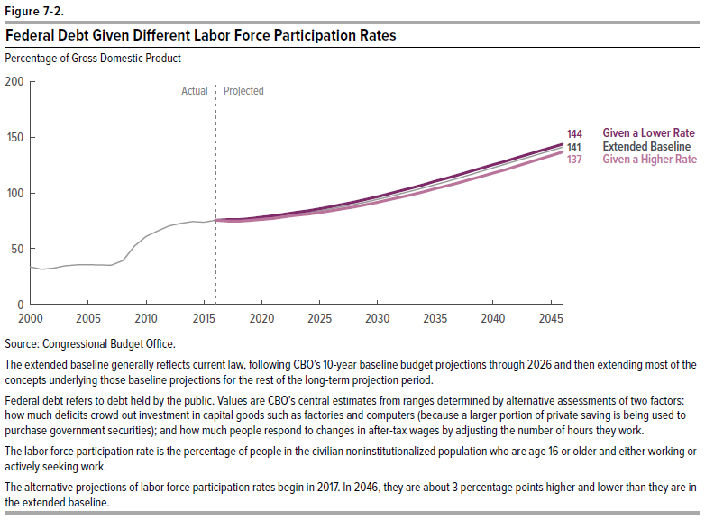
Figure 7-2.
Federal Debt Given Different Labor Force Participation Rates
Percentage of Gross Domestic Product

 | Extended Baseline | Given a Lower Rate | Given a Higher Rate
2000 | 34
2001 | 31
2002 | 33
2003 | 35
2004 | 36
2005 | 36
2006 | 35
2007 | 35
2008 | 39
2009 | 52
2010 | 61
2011 | 66
2012 | 70
2013 | 73
2014 | 74
2015 | 74
2016 | 75 | 75 | 75
2017 | 76 | 76 | 75
2018 | 75 | 76 | 75
2019 | 76 | 77 | 75
2020 | 77 | 78 | 76
2021 | 78 | 79 | 77
2022 | 80 | 81 | 79
2023 | 81 | 83 | 80
2024 | 82 | 84 | 81
2025 | 84 | 86 | 82
2026 | 86 | 88 | 84
2027 | 88 | 90 | 86
2028 | 90 | 92 | 87
2029 | 92 | 94 | 89
2030 | 94 | 97 | 91
2031 | 97 | 99 | 94
2032 | 99 | 102 | 96
2033 | 102 | 105 | 99
2034 | 105 | 107 | 101
2035 | 107 | 110 | 104
2036 | 110 | 113 | 106
2037 | 113 | 116 | 109
2038 | 116 | 119 | 112
2039 | 119 | 122 | 115
2040 | 122 | 125 | 118
2041 | 125 | 128 | 121
2042 | 129 | 131 | 124
2043 | 132 | 134 | 127
2044 | 135 | 138 | 130
2045 | 138 | 141 | 133
2046 | 141 | 144 | 137

Source: Congressional Budget Office.

The extended baseline generally reflects current law, following CBO’s 10-year baseline budget projections through 2026 and then extending most of the concepts underlying those baseline projections for the rest of the long-term projection period.

Federal debt refers to debt held by the public. Values are CBO’s central estimates from ranges determined by alternative assessments of two factors: how much deficits crowd out investment in capital goods such as factories and computers (because a larger portion of private saving is being used to purchase government securities); and how much people respond to changes in after-tax wages by adjusting the number of hours they work.

The labor force participation rate is the percentage of people in the civilian noninstitutionalized population who are age 16 or older and either working or actively seeking work.

The alternative projections of labor force participation rates begin in 2017. In 2046, they are about 3 percentage points higher and lower than they are in the extended baseline.

Figure 7-3
This file presents data that supplement information in CBO’s July 2016 report The 2016 Long-Term Budget Outlook.
www.cbo.gov/publication/51580

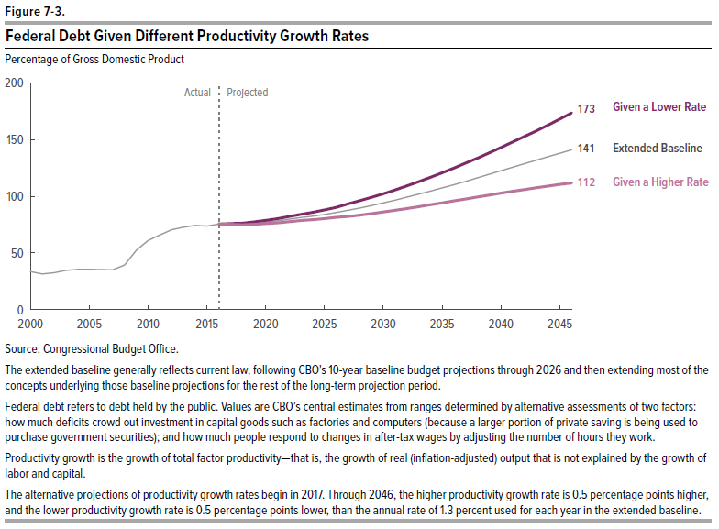
Figure 7-3.
Federal Debt Given Different Productivity Growth Rates
Percentage of Gross Domestic Product

 | Extended Baseline | Given a Lower Rate | Given a Higher Rate
2000 | 34
2001 | 31
2002 | 33
2003 | 35
2004 | 36
2005 | 36
2006 | 35
2007 | 35
2008 | 39
2009 | 52
2010 | 61
2011 | 66
2012 | 70
2013 | 73
2014 | 74
2015 | 74
2016 | 75 | 75 | 75
2017 | 76 | 76 | 75
2018 | 75 | 76 | 75
2019 | 76 | 77 | 75
2020 | 77 | 79 | 76
2021 | 78 | 80 | 77
2022 | 80 | 82 | 78
2023 | 81 | 84 | 79
2024 | 82 | 86 | 79
2025 | 84 | 88 | 80
2026 | 86 | 90 | 81
2027 | 88 | 93 | 82
2028 | 90 | 96 | 83
2029 | 92 | 99 | 85
2030 | 94 | 102 | 86
2031 | 97 | 106 | 88
2032 | 99 | 109 | 89
2033 | 102 | 113 | 91
2034 | 105 | 117 | 92
2035 | 107 | 121 | 94
2036 | 110 | 125 | 96
2037 | 113 | 129 | 98
2038 | 116 | 134 | 99
2039 | 119 | 138 | 101
2040 | 122 | 143 | 103
2041 | 125 | 148 | 104
2042 | 129 | 153 | 106
2043 | 132 | 158 | 107
2044 | 135 | 163 | 109
2045 | 138 | 168 | 110
2046 | 141 | 173 | 112

Source: Congressional Budget Office.

The extended baseline generally reflects current law, following CBO’s 10-year baseline budget projections through 2026 and then extending most of the concepts underlying those baseline projections for the rest of the long-term projection period.

Federal debt refers to debt held by the public. Values are CBO’s central estimates from ranges determined by alternative assessments of two factors: how much deficits crowd out investment in capital goods such as factories and computers (because a larger portion of private saving is being used to purchase government securities); and how much people respond to changes in after-tax wages by adjusting the number of hours they work.

Productivity growth is the growth of total factor productivity—that is, the growth of real (inflation-adjusted) output that is not explained by the growth of labor and capital.

The alternative projections of productivity growth rates begin in 2017. Through 2046, the higher productivity growth rate is 0.5 percentage points higher, and the lower productivity growth rate is 0.5 percentage points lower, than the annual rate of 1.3 percent used for each year in the extended baseline.

Figure 7-4
This file presents data that supplement information in CBO’s July 2016 report The 2016 Long-Term Budget Outlook.
www.cbo.gov/publication/51580

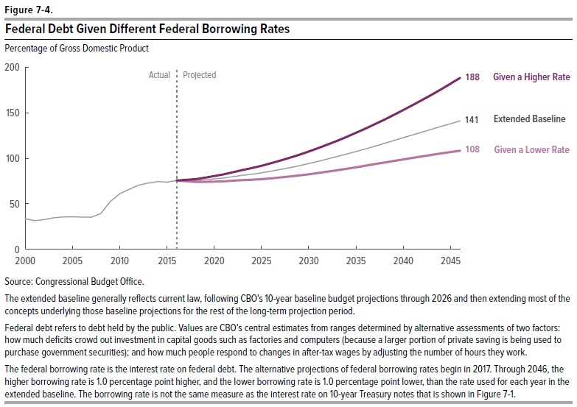
Figure 7-4.
Federal Debt Given Different Federal Borrowing Rates
Percentage of Gross Domestic Product

 | Extended Baseline | Given a Lower Rate | Given a Higher Rate
2000 | 34
2001 | 31
2002 | 33
2003 | 35
2004 | 36
2005 | 36
2006 | 35
2007 | 35
2008 | 39
2009 | 52
2010 | 61
2011 | 66
2012 | 70
2013 | 73
2014 | 74
2015 | 74
2016 | 75 | 75 | 75
2017 | 76 | 75 | 76
2018 | 75 | 74 | 77
2019 | 76 | 74 | 79
2020 | 77 | 74 | 80
2021 | 78 | 75 | 82
2022 | 80 | 75 | 85
2023 | 81 | 76 | 87
2024 | 82 | 76 | 89
2025 | 84 | 77 | 92
2026 | 86 | 78 | 94
2027 | 88 | 79 | 97
2028 | 90 | 80 | 101
2029 | 92 | 81 | 104
2030 | 94 | 82 | 107
2031 | 97 | 84 | 111
2032 | 99 | 85 | 115
2033 | 102 | 87 | 119
2034 | 105 | 88 | 123
2035 | 107 | 90 | 128
2036 | 110 | 92 | 133
2037 | 113 | 93 | 137
2038 | 116 | 95 | 142
2039 | 119 | 97 | 147
2040 | 122 | 99 | 153
2041 | 125 | 100 | 158
2042 | 129 | 102 | 164
2043 | 132 | 104 | 170
2044 | 135 | 105 | 176
2045 | 138 | 107 | 182
2046 | 141 | 108 | 188

Source: Congressional Budget Office.

The extended baseline generally reflects current law, following CBO’s 10-year baseline budget projections through 2026 and then extending most of the concepts underlying those baseline projections for the rest of the long-term projection period.

Federal debt refers to debt held by the public. Values are CBO’s central estimates from ranges determined by alternative assessments of two factors: how much deficits crowd out investment in capital goods such as factories and computers (because a larger portion of private saving is being used to purchase government securities); and how much people respond to changes in after-tax wages by adjusting the number of hours they work.

The federal borrowing rate is the interest rate on federal debt. The alternative projections of federal borrowing rates begin in 2017. Through 2046, the higher borrowing rate is 1.0 percentage point higher, and the lower borrowing rate is 1.0 percentage point lower, than the rate used for each year in the extended baseline. The borrowing rate is not the same measure as the interest rate on 10-year Treasury notes that is shown in Figure 7-1.

Figure 7-5
This file presents data that supplement information in CBO’s July 2016 report The 2016 Long-Term Budget Outlook.
www.cbo.gov/publication/51580

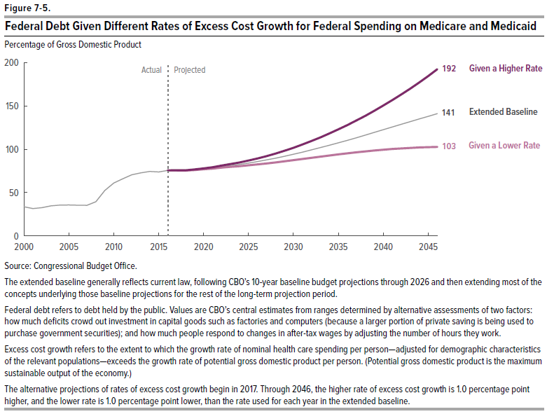
Figure 7-5.
Federal Debt Given Different Rates of Excess Cost Growth for Federal Spending on Medicare and Medicaid
Percentage of Gross Domestic Product

 | Extended Baseline | Given a Lower Rate | Given a Higher Rate
2000 | 34
2001 | 31
2002 | 33
2003 | 35
2004 | 36
2005 | 36
2006 | 35
2007 | 35
2008 | 39
2009 | 52
2010 | 61
2011 | 66
2012 | 70
2013 | 73
2014 | 74
2015 | 74
2016 | 75 | 75 | 75
2017 | 76 | 75 | 76
2018 | 75 | 75 | 76
2019 | 76 | 76 | 77
2020 | 77 | 77 | 78
2021 | 78 | 78 | 79
2022 | 80 | 79 | 81
2023 | 81 | 80 | 83
2024 | 82 | 80 | 85
2025 | 84 | 81 | 87
2026 | 86 | 82 | 89
2027 | 88 | 84 | 92
2028 | 90 | 85 | 95
2029 | 92 | 86 | 98
2030 | 94 | 87 | 102
2031 | 97 | 89 | 105
2032 | 99 | 90 | 109
2033 | 102 | 91 | 114
2034 | 105 | 93 | 118
2035 | 107 | 94 | 123
2036 | 110 | 95 | 128
2037 | 113 | 96 | 133
2038 | 116 | 97 | 138
2039 | 119 | 98 | 144
2040 | 122 | 99 | 150
2041 | 125 | 100 | 157
2042 | 129 | 101 | 163
2043 | 132 | 101 | 170
2044 | 135 | 102 | 177
2045 | 138 | 102 | 184
2046 | 141 | 103 | 192

Source: Congressional Budget Office.

The extended baseline generally reflects current law, following CBO’s 10-year baseline budget projections through 2026 and then extending most of the concepts underlying those baseline projections for the rest of the long-term projection period.

Federal debt refers to debt held by the public. Values are CBO’s central estimates from ranges determined by alternative assessments of two factors: how much deficits crowd out investment in capital goods such as factories and computers (because a larger portion of private saving is being used to purchase government securities); and how much people respond to changes in after-tax wages by adjusting the number of hours they work.

Excess cost growth refers to the extent to which the growth rate of nominal health care spending per person—adjusted for demographic characteristics of the relevant populations—exceeds the growth rate of potential gross domestic product per person. (Potential gross domestic product is the maximum sustainable output of the economy.)

The alternative projections of rates of excess cost growth begin in 2017. Through 2046, the higher rate of excess cost growth is 1.0 percentage point higher, and the lower rate is 1.0 percentage point lower, than the rate used for each year in the extended baseline.

Figure 7-6
This file presents data that supplement information in CBO’s July 2016 report The 2016 Long-Term Budget Outlook.
www.cbo.gov/publication/51580

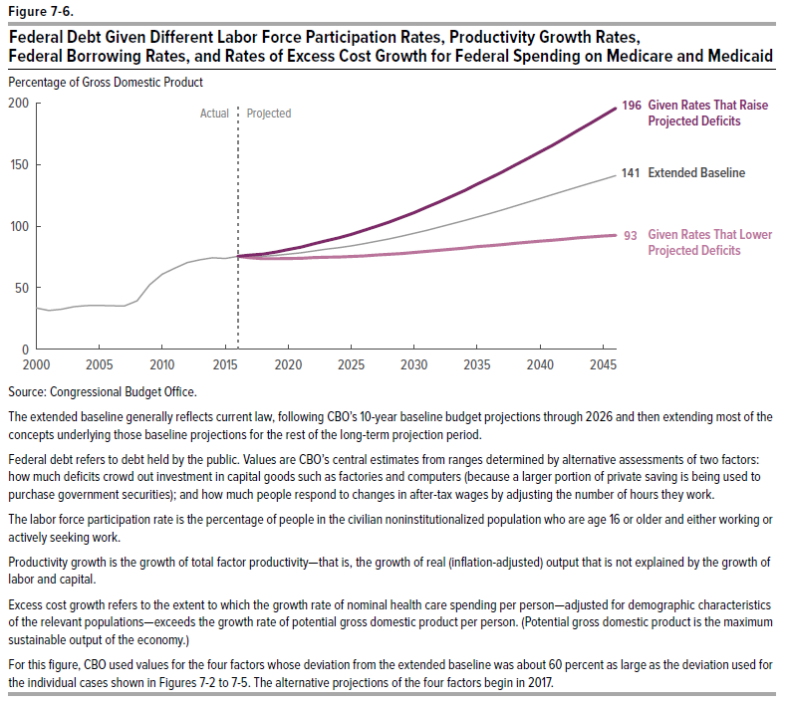
Figure 7-6.
Federal Debt Given Different Labor Force Participation Rates, Productivity Growth Rates, Federal Borrowing Rates, and Rates of Excess Cost Growth for Federal Spending on Medicare and Medicaid
Percentage of Gross Domestic Product

 | Extended Baseline | Given Rates That Lower Projected Deficits | Given Rates That Raise Projected Deficits
2000 | 34
2001 | 31
2002 | 33
2003 | 35
 |  | ml
2000 | 0 | 0 | 33.600017737
2001 | 0 | 0 | 31.421940106
2002 | 0 | 0 | 32.549678677
2003 | 0 | 0 | 34.532717167
2004 | 0 | 0 | 35.533495249
2005 | 0 | 0 | 35.629198881
2006 | 0 | 0 | 35.287532792
2007 | 0 | 0 | 35.154137779
2008 | 0 | 0 | 39.336516086
2009 | 0 | 0 | 52.340699486
2010 | 0 | 0 | 60.944711889
2011 | 0 | 0 | 65.856630568
2012 | 0 | 0 | 70.386934752
2013 | 0 | 0 | 72.630815222
2014 | 0 | 0 | 74.373032269
2015 | 0 | 0 | 73.648748047
2016 | 75.443069 | 75.443069 | 75.441135042
2017 | 74.372597 | 76.539734 | 75.529449443
2018 | 73.634041 | 77.308815 | 75.444355564
2019 | 73.561638 | 78.917618 | 76.264459663
2020 | 73.776451 | 80.906715 | 77.306590152
2021 | 73.921127 | 82.935097 | 78.370932732
2022 | 74.429314 | 85.497841 | 79.830134361
2023 | 74.820724 | 88.063011 | 81.224988662
2024 | 74.92807 | 90.497643 | 82.455113369
2025 | 75.294571 | 93.333748 | 83.974587305
2026 | 75.831314 | 96.546059 | 85.667873508
2027 | 76.464752 | 99.82579 | 87.589435903
2028 | 77.044746 | 103.234566 | 89.598834525
2029 | 77.762062 | 106.987076 | 91.774343048
2030 | 78.557732 | 110.972931 | 94.12254569
2031 | 79.488152 | 115.285637 | 96.587929845
2032 | 80.391182 | 119.693733 | 99.148686977
2033 | 81.2883 | 124.205742 | 101.79505931
2034 | 82.181976 | 128.897507 | 104.51588563
2035 | 83.299759 | 134.060089 | 107.3008426
2036 | 84.091492 | 138.8396 | 110.16674817
2037 | 85.026901 | 143.978806 | 113.17212211
2038 | 85.998985 | 149.3479 | 116.22174111
2039 | 86.903946 | 154.692993 | 119.30983403
2040 | 87.791405 | 160.231201 | 122.38710406
2041 | 88.465477 | 165.507538 | 125.50582244
2042 | 89.462685 | 171.521484 | 128.64059501
2043 | 90.39016 | 177.58049 | 131.72931477
2044 | 91.196541 | 183.533569 | 134.82631498
2045 | 91.868942 | 189.571823 | 137.92849578
2046 | 92.56601 | 195.610275 | 141.04255501
2004 | 36
2005 | 36
2006 | 35
2007 | 35
2008 | 39
2009 | 52
2010 | 61
2011 | 66
2012 | 70
2013 | 73
2014 | 74
2015 | 74
2016 | 75 | 75 | 75
2017 | 76 | 74 | 77
2018 | 75 | 74 | 77
2019 | 76 | 74 | 79
2020 | 77 | 74 | 81
2021 | 78 | 74 | 83
2022 | 80 | 74 | 85
2023 | 81 | 75 | 88
2024 | 82 | 75 | 90
2025 | 84 | 75 | 93
2026 | 86 | 76 | 97
2027 | 88 | 76 | 100
2028 | 90 | 77 | 103
2029 | 92 | 78 | 107
2030 | 94 | 79 | 111
2031 | 97 | 79 | 115
2032 | 99 | 80 | 120
2033 | 102 | 81 | 124
2034 | 105 | 82 | 129
2035 | 107 | 83 | 134
2036 | 110 | 84 | 139
2037 | 113 | 85 | 144
2038 | 116 | 86 | 149
2039 | 119 | 87 | 155
2040 | 122 | 88 | 160
2041 | 125 | 88 | 166
2042 | 129 | 89 | 172
2043 | 132 | 90 | 178
2044 | 135 | 91 | 184
2045 | 138 | 92 | 190
2046 | 141 | 93 | 196

Source: Congressional Budget Office.

The extended baseline generally reflects current law, following CBO’s 10-year baseline budget projections through 2026 and then extending most of the concepts underlying those baseline projections for the rest of the long-term projection period.

Federal debt refers to debt held by the public. Values are CBO’s central estimates from ranges determined by alternative assessments of two factors: how much deficits crowd out investment in capital goods such as factories and computers (because a larger portion of private saving is being used to purchase government securities); and how much people respond to changes in after-tax wages by adjusting the number of hours they work.

The labor force participation rate is the percentage of people in the civilian noninstitutionalized population who are age 16 or older and either working or actively seeking work.

Productivity growth is the growth of total factor productivity—that is, the growth of real (inflation-adjusted) output that is not explained by the growth of labor and capital..

Excess cost growth refers to the extent to which the growth rate of nominal health care spending per person—adjusted for demographic characteristics of the relevant populations—exceeds the growth rate of potential gross domestic product per person. (Potential gross domestic product is the maximum sustainable output of the economy.)

For this figure, CBO used values for the four factors whose deviation from the extended baseline was about 60 percent as large as the deviation used for the individual cases shown in Figures 7-2 to 7-5. The alternative projections of the four factors begin in 2017.

Figure B-1
This file presents data that supplement information in CBO’s July 2016 report The 2016 Long-Term Budget Outlook.
www.cbo.gov/publication/51580

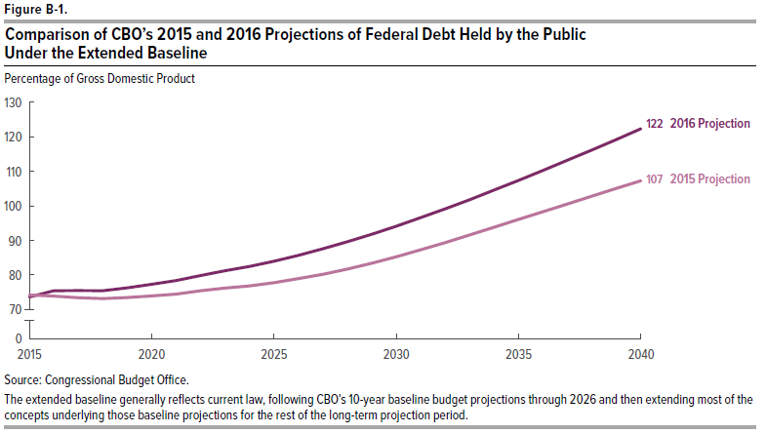
Figure B-1.
Comparison of CBO’s 2015 and 2016 Projections of Federal Debt Held by the Public Under the Extended Baseline

Percentage of Gross Domestic Product

Fiscal Year | 2015 Projection | 2016 Projection
2015 | 74 | 74
2016 | 74 | 75
2017 | 73 | 76
2018 | 73 | 75
2019 | 74 | 76
2020 | 74 | 77
2021 | 74 | 78
2022 | 75 | 80
2023 | 76 | 81
2024 | 77 | 82
2025 | 78 | 84
2026 | 79 | 86
2027 | 80 | 88
2028 | 82 | 90
2029 | 83 | 92
2030 | 85 | 94
2031 | 87 | 97
2032 | 89 | 99
2033 | 92 | 102
2034 | 94 | 105
2035 | 96 | 107
2036 | 98 | 110
2037 | 101 | 113
2038 | 103 | 116
2039 | 105 | 119
2040 | 107 | 122

Source: Congressional Budget Office

The extended baseline generally reflects current law, following CBO’s 10-year baseline budget projections through 2026 and then extending most of the concepts underlying those baseline projections for the rest of the long-term projection period.

Figure B-2
This file presents data that supplement information in CBO’s July 2016 report The 2016 Long-Term Budget Outlook.
www.cbo.gov/publication/51580

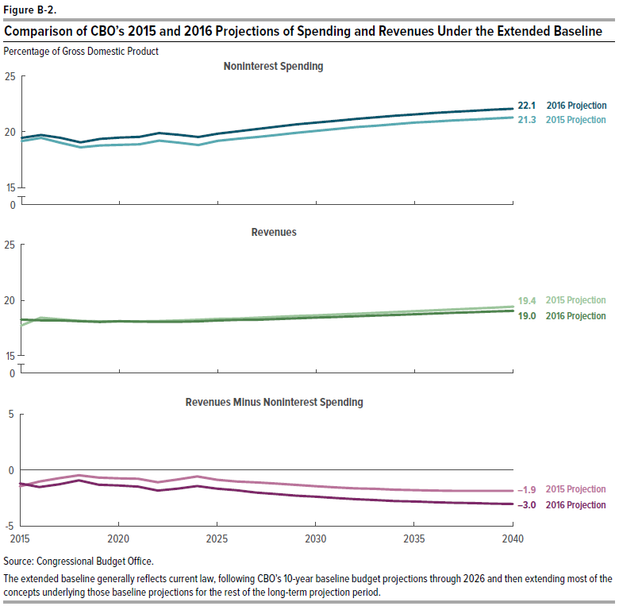
Figure B-2.
Comparison of CBO’s 2015 and 2016 Projections of Spending and Revenues Under the Extended Baseline
Percentage of Gross Domestic Product

 | Revenues |  | Noninterest Spending |  | Revenues Minus Noninterest Spending

Fiscal Year | 2015 Projection | 2016 Projection | 2015 Projection | 2016 Projection | 2015 Projection | 2016 Projection
2015 | 17.7 | 18.2 | 19.2 | 19.5 | -1.5 | -1.2
2016 | 18.4 | 18.2 | 19.5 | 19.7 | -1.0 | -1.5
2017 | 18.3 | 18.2 | 19.0 | 19.4 | -0.7 | -1.3
2018 | 18.1 | 18.1 | 18.6 | 19.0 | -0.5 | -0.9
2019 | 18.1 | 18.0 | 18.8 | 19.3 | -0.7 | -1.3
2020 | 18.1 | 18.1 | 18.8 | 19.5 | -0.8 | -1.4
2021 | 18.1 | 18.1 | 18.9 | 19.5 | -0.8 | -1.5
2022 | 18.1 | 18.1 | 19.2 | 19.9 | -1.1 | -1.8
2023 | 18.2 | 18.1 | 19.0 | 19.7 | -0.9 | -1.7
2024 | 18.2 | 18.1 | 18.8 | 19.5 | -0.6 | -1.4
2025 | 18.3 | 18.2 | 19.2 | 19.8 | -0.9 | -1.7
2026 | 18.3 | 18.2 | 19.4 | 20.1 | -1.0 | -1.8
2027 | 18.4 | 18.2 | 19.5 | 20.3 | -1.1 | -2.0
2028 | 18.5 | 18.3 | 19.7 | 20.5 | -1.2 | -2.2
2029 | 18.6 | 18.4 | 19.9 | 20.7 | -1.3 | -2.3
2030 | 18.6 | 18.4 | 20.1 | 20.8 | -1.5 | -2.4
2031 | 18.7 | 18.5 | 20.3 | 21.0 | -1.5 | -2.5
2032 | 18.8 | 18.5 | 20.4 | 21.2 | -1.6 | -2.6
2033 | 18.9 | 18.6 | 20.5 | 21.3 | -1.7 | -2.7
2034 | 18.9 | 18.7 | 20.7 | 21.4 | -1.8 | -2.8
2035 | 19.0 | 18.7 | 20.8 | 21.6 | -1.8 | -2.8
2036 | 19.1 | 18.8 | 20.9 | 21.7 | -1.8 | -2.9
2037 | 19.2 | 18.9 | 21.0 | 21.8 | -1.9 | -2.9
2038 | 19.2 | 18.9 | 21.1 | 21.9 | -1.9 | -3.0
2039 | 19.3 | 19.0 | 21.2 | 22.0 | -1.9 | -3.0
2040 | 19.4 | 19.0 | 21.3 | 22.1 | -1.9 | -3.0

Source: Congressional Budget Office

The extended baseline generally reflects current law, following CBO’s 10-year baseline budget projections through 2026 and then extending most of the concepts underlying those baseline projections for the rest of the long-term projection period.

