Front
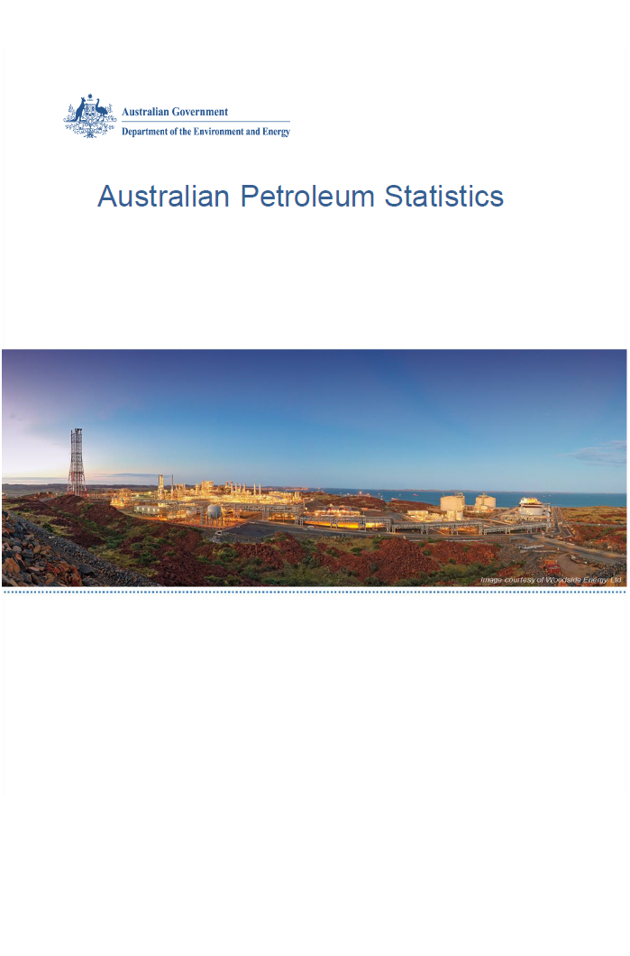

Issue 270, January 2019

https://www.energy.gov.au/government-priorities/energy-data/australian-petroleum-statistics

Figure 8B
Australian Petroleum Statistics

Table 8B. Comparison of retail fuel prices and taxes in OECD countries - September Quarter 2018
Regular unleaded petrol
 | Price ex. tax | Total tax
United States | 82 | 20
Mexico | 115 | 18
Canada | 97 | 44
Australia | 93 | 55
Chile | 89 | 76
Japan | 104 | 83
Korea | 89 | 109
New Zealand | 112 | 87
Austria | 93 | 113
Denmark | 111 | 151
Automotive diesel
 | Price ex. tax | Total tax
United States | 95 | 22
Chile | 92 | 32
Canada | 98 | 38
New Zealand | 119 | 18
Mexico | 121 | 19
Turkey | 81 | 66
Australia | 94 | 55
Japan | 109 | 52
Korea | 93 | 80
Luxembourg | 99 | 79
Poland | 96 | 89
Lithuania | 99 | 87
Latvia | 98 | 94
Spain | 103 | 92
Austria | 99 | 98
Czech Republic | 97 | 102
Hungary | 102 | 98
Slovak Republic | 111 | 92
Slovenia | 94 | 111
Estonia | 95 | 113
Germany | 105 | 108
Netherlands | 101 | 116
Portugal | 101 | 116
Ireland | 96 | 121
Finland | 94 | 127
Denmark | 111 | 111
Greece | 114 | 108
France | 97 | 135
Sweden | 120 | 116
United Kingdom | 95 | 142
Italy | 99 | 141
Belgium | 108 | 138
Switzerland | 121 | 126
Norway | 115 | 134
Israel | 110 | 146
Premium unleaded petrol
 | Price ex. tax | Total tax
United States | 95 | 20
Mexico | 123 | 20
Canada | 112 | 43
Australia | 103 | 56
Turkey | 79 | 83
Chile | 92 | 78
Poland | 91 | 97
Hungary | 94 | 102
Lithuania | 97 | 103
Luxembourg | 99 | 103
Czech Republic | 89 | 115
Austria | 93 | 113
Latvia | 93 | 113
Spain | 101 | 110
New Zealand | 124 | 89
Slovenia | 89 | 125
Estonia | 91 | 125
Slovak Republic | 108 | 119
United Kingdom | 88 | 141
Korea | 116 | 116
Switzerland | 112 | 121
Ireland | 93 | 140
Germany | 97 | 143
Belgium | 103 | 138
France | 93 | 151
Sweden | 98 | 147
Finland | 87 | 159
Israel | 100 | 151
Portugal | 100 | 152
Greece | 99 | 160
Italy | 97 | 162
Denmark | 111 | 151
Norway | 106 | 157
Netherlands | 95 | 170
Automotive LPG
 | Price ex. tax | Total tax
Australia | 57 | 21
Slovak Republic | 52 | 27
Poland | 51 | 33
Latvia | 49 | 37
Luxembourg | 71 | 16
Belgium | 76 | 16
Czech Republic | 63 | 29
Canada | 78 | 15
Lithuania | 53 | 41
Germany | 65 | 30
Estonia | 52 | 48
Portugal | 64 | 41
Slovenia | 68 | 37
Italy | 65 | 43
Korea | 71 | 37
Spain | 86 | 24
Netherlands | 62 | 49
Turkey | 71 | 42
Japan | 95 | 21
Hungary | 77 | 42
France | 90 | 40

