Front
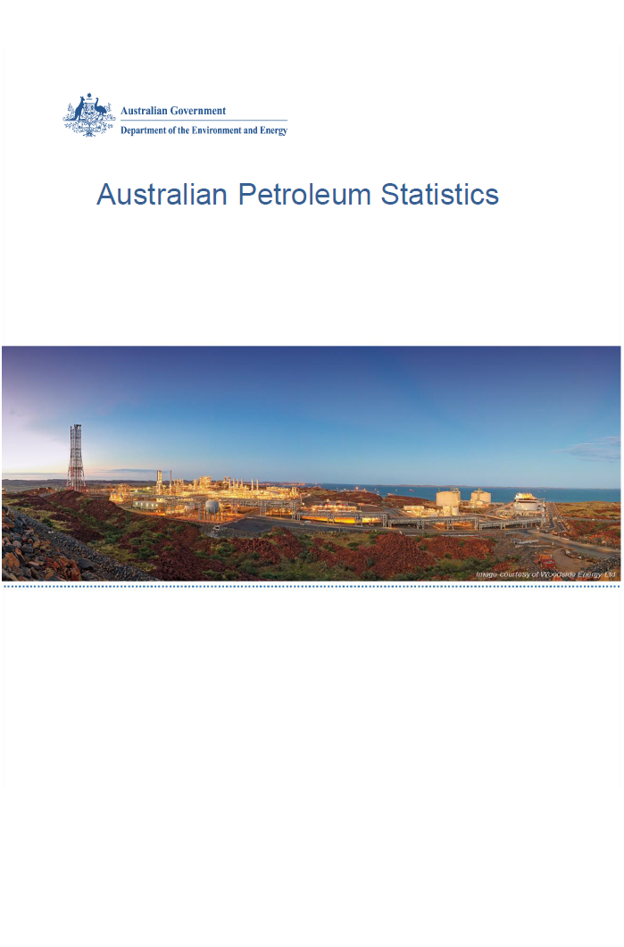

Issue 273, April 2019

https://www.energy.gov.au/government-priorities/energy-data/australian-petroleum-statistics

Figure 8B
Australian Petroleum Statistics

Figure 8A. Comparison of retail fuel prices and taxes in OECD countries - December Quarter 2018

Premium unleaded petrol
United States | 91 | 21
Canada | 95 | 44
Mexico | 123 | 20
Australia | 100 | 55
Turkey | 82 | 86
Chile | 95 | 79
Poland | 89 | 97
Hungary | 87 | 100
Luxembourg | 89 | 102
Lithuania | 91 | 102
Czech Republic | 87 | 114
Latvia | 89 | 113
Spain | 95 | 110
Austria | 94 | 113
Slovenia | 84 | 124
Estonia | 88 | 124
Slovak Republic | 97 | 118
New Zealand | 119 | 97
United Kingdom | 86 | 142
Korea | 121 | 109
Switzerland | 109 | 122
Belgium | 96 | 135
Sweden | 86 | 146
Ireland | 94 | 140
France | 89 | 150
Portugal | 90 | 150
Finland | 83 | 159
Germany | 100 | 143
Israel | 93 | 151
Denmark | 100 | 148
Greece | 91 | 159
Netherlands | 82 | 169
Italy | 94 | 162
Regular unleaded petrol
United States | 75 | 21
Canada | 83 | 43
Mexico | 114 | 18
Australia | 89 | 54
Chile | 92 | 77
Japan | 108 | 84
Korea | 92 | 102
New Zealand | 108 | 95
Austria | 94 | 113
Denmark | 99 | 148
Automotive diesel
United States | 98 | 22
Chile | 98 | 34
Canada | 98 | 38
Mexico | 123 | 19
New Zealand | 122 | 22
Australia | 102 | 55
Turkey | 88 | 70
Japan | 113 | 53
Korea | 100 | 75
Luxembourg | 100 | 80
Lithuania | 101 | 88
Poland | 102 | 90
Spain | 104 | 92
Latvia | 102 | 95
Czech Republic | 100 | 103
Hungary | 106 | 99
Slovak Republic | 113 | 92
Austria | 107 | 100
Slovenia | 97 | 113
Estonia | 100 | 115
Netherlands | 100 | 116
Portugal | 102 | 116
Ireland | 99 | 121
Greece | 116 | 108
Germany | 115 | 111
Denmark | 115 | 113
France | 99 | 137
Finland | 106 | 131
Sweden | 122 | 118
United Kingdom | 98 | 144
Italy | 101 | 142
Belgium | 112 | 138
Norway | 118 | 134
Switzerland | 131 | 123
Automotive LPG
Australia | 62 | 21
Luxembourg | 72 | 14
Slovak Republic | 59 | 29
Latvia | 51 | 38
Belgium | 75 | 16
Poland | 57 | 34
Canada | 79 | 15
Lithuania | 52 | 43
Czech Republic | 67 | 30
Germany | 69 | 30
Portugal | 64 | 41
Estonia | 59 | 49
Netherlands | 61 | 49
Slovenia | 73 | 38
Italy | 68 | 43
Spain | 87 | 24
Korea | 77 | 35
Turkey | 74 | 43
Japan | 98 | 21
Hungary | 79 | 43
France | 94 | 40

