Front
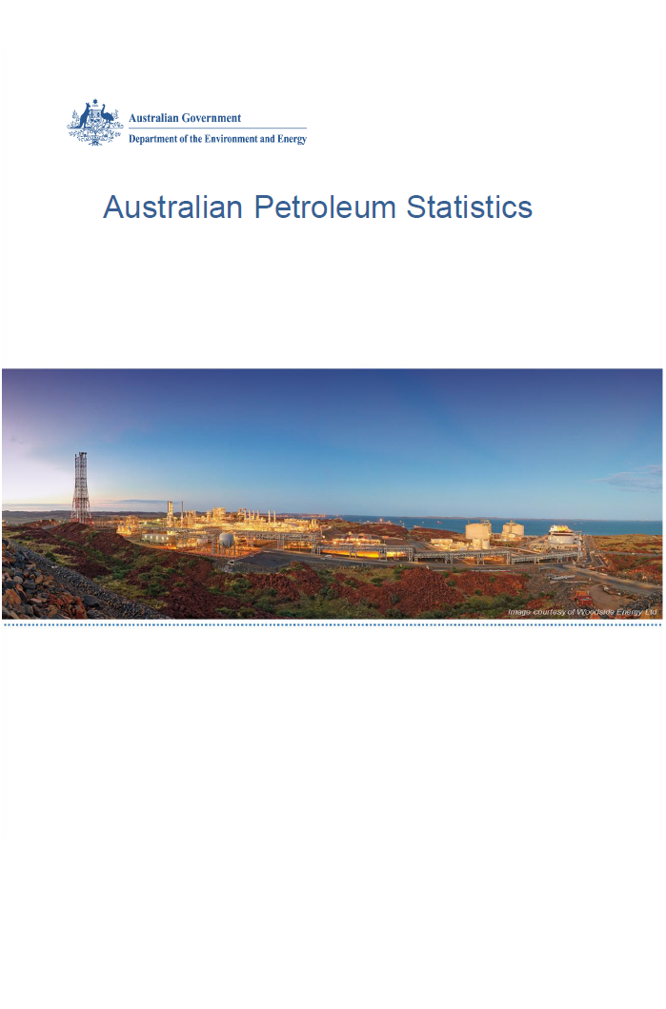

Issue 275, June 2019

https://www.energy.gov.au/government-priorities/energy-data/australian-petroleum-statistics

Figure 8B
Australian Petroleum Statistics

Figure 8B. Comparison of retail fuel prices and taxes in OECD countries - March Quarter 2019
Automotive diesel
 | Price ex. tax | Total tax
United States | 90 | 22
Chile | 83 | 41
Canada | 96 | 37
New Zealand | 117 | 22
Australia | 88 | 55
Mexico | 133 | 21
Korea | 86 | 70
Japan | 106 | 53
Turkey | 90 | 71
Luxembourg | 94 | 78
Lithuania | 91 | 86
Poland | 97 | 89
Latvia | 94 | 94
Spain | 96 | 94
Austria | 94 | 97
Czech Republic | 92 | 101
Hungary | 96 | 98
Slovak Republic | 105 | 91
Slovenia | 86 | 110
Germany | 96 | 108
Estonia | 94 | 113
Ireland | 91 | 118
Netherlands | 98 | 116
Greece | 107 | 107
Portugal | 99 | 118
Denmark | 106 | 112
Finland | 98 | 127
France | 93 | 135
Italy | 93 | 140
Sweden | 115 | 119
United Kingdom | 92 | 146
Belgium | 104 | 137
Norway | 110 | 132
Switzerland | 121 | 124
Automotive LPG
 | Price ex. tax | Total tax
Slovak Republic | 43 | 27
Australia | 53 | 20
Luxembourg | 66 | 14
Poland | 48 | 33
Lithuania | 41 | 40
Belgium | 69 | 14
Latvia | 51 | 38
Czech Republic | 61 | 29
Canada | 80 | 15
Germany | 67 | 30
Korea | 67 | 33
Portugal | 59 | 43
Estonia | 54 | 48
Netherlands | 56 | 48
Slovenia | 67 | 37
Italy | 62 | 43
Spain | 83 | 24
Hungary | 72 | 41
Turkey | 80 | 45
France | 93 | 41
Japan | 113 | 23
Premium unleaded petrol
 | Price ex. tax | Total tax
United States | 80 | 21
Canada | 90 | 43
Australia | 88 | 55
Mexico | 128 | 21
Chile | 73 | 91
Turkey | 78 | 88
Poland | 82 | 95
Hungary | 78 | 99
Lithuania | 77 | 100
Luxembourg | 82 | 100
Czech Republic | 76 | 112
Austria | 78 | 110
Latvia | 80 | 110
Slovenia | 71 | 123
Spain | 88 | 110
Estonia | 78 | 124
Slovak Republic | 88 | 116
New Zealand | 110 | 98
Korea | 110 | 103
Ireland | 78 | 137
Switzerland | 96 | 121
Germany | 78 | 139
United Kingdom | 76 | 143
Belgium | 91 | 134
Portugal | 84 | 145
France | 83 | 148
Finland | 75 | 156
Sweden | 83 | 149
Israel | 83 | 152
Greece | 81 | 158
Italy | 83 | 159
Denmark | 96 | 149
Norway | 94 | 153
Regular unleaded petrol
 | Price ex. tax | Total tax
United States | 66 | 21
Canada | 77 | 42
Australia | 77 | 54
Mexico | 121 | 20
Chile | 71 | 88
Korea | 75 | 94
Japan | 97 | 86
Austria | 78 | 110
New Zealand | 96 | 96
Denmark | 95 | 149

