Front
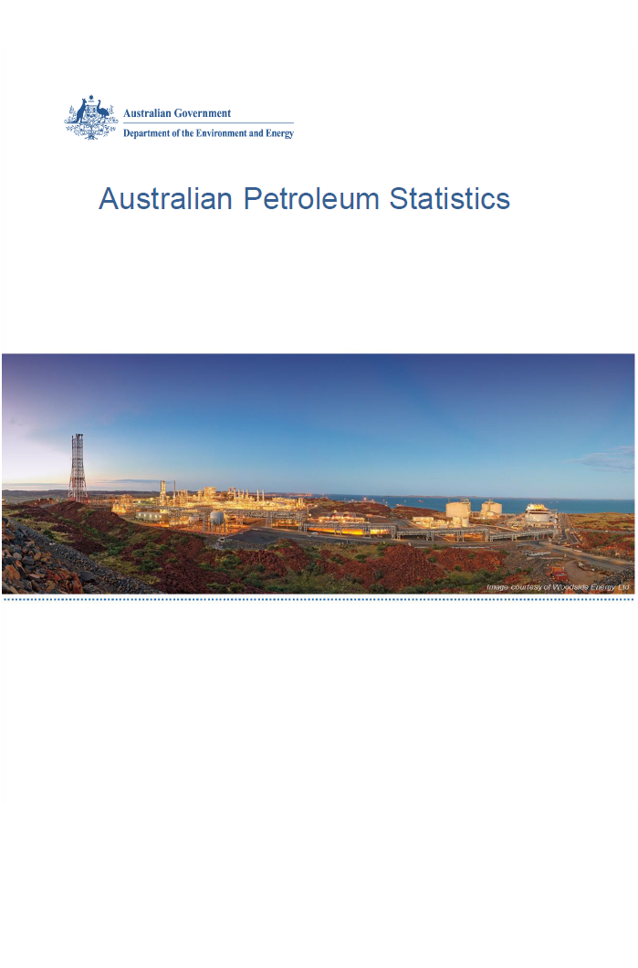

Issue 279, October 2019

https://www.energy.gov.au/government-priorities/energy-data/australian-petroleum-statistics

Figure 8B
Australian Petroleum Statistics

Figure 8B. Comparison of retail fuel prices and taxes in OECD countries - June Quarter 2019

Premium unleaded petrol
 | Price ex. tax | Total tax
United States | 99 | 21
Canada | 106 | 48
Australia | 103 | 56
Chile | 77 | 91
Turkey | 88 | 84
Poland | 96 | 99
Hungary | 94 | 103
Lithuania | 95 | 104
Czech Republic | 88 | 116
Austria | 91 | 114
Latvia | 95 | 114
Luxembourg | 104 | 106
Slovenia | 86 | 127
Spain | 103 | 112
New Zealand | 119 | 97
Korea | 113 | 107
Estonia | 96 | 127
Slovak Republic | 105 | 120
Ireland | 89 | 140
United Kingdom | 88 | 145
Switzerland | 110 | 124
Germany | 98 | 144
Belgium | 106 | 138
Portugal | 98 | 149
Sweden | 98 | 151
France | 98 | 152
Finland | 92 | 162
Greece | 96 | 162
Italy | 94 | 164
Israel | 100 | 160
Norway | 106 | 157
Denmark | 112 | 154
Netherlands | 101 | 172
Regular unleaded petrol
 | Price ex. tax | Total tax
United States | 85 | 21
Canada | 92 | 47
Australia | 91 | 55
Chile | 74 | 88
Korea | 83 | 99
Japan | 105 | 88
New Zealand | 106 | 96
Austria | 91 | 114
Average
Automotive diesel
 | Price ex. tax | Total tax
United States | 96 | 23
Chile | 85 | 39
Canada | 94 | 41
New Zealand | 120 | 23
Australia | 94 | 55
Turkey | 89 | 68
Korea | 94 | 73
Japan | 113 | 55
Luxembourg | 96 | 82
Lithuania | 100 | 88
Poland | 102 | 91
Latvia | 101 | 96
Austria | 99 | 98
Spain | 104 | 95
Czech Republic | 97 | 103
Hungary | 101 | 99
Slovak Republic | 109 | 93
Slovenia | 92 | 112
Germany | 101 | 109
Estonia | 101 | 116
Ireland | 97 | 120
Netherlands | 103 | 117
Portugal | 101 | 119
Greece | 114 | 109
Denmark | 110 | 113
Finland | 98 | 128
France | 98 | 136
Sweden | 120 | 119
Italy | 99 | 143
United Kingdom | 99 | 147
Belgium | 106 | 140
Norway | 114 | 133
Switzerland | 129 | 125
Israel | 111 | 156
Automotive LPG
 | Price ex. tax | Total tax
Australia | 55 | 20
Slovak Republic | 50 | 27
Luxembourg | 65 | 14
Poland | 49 | 33
Belgium | 69 | 14
Lithuania | 46 | 42
Latvia | 51 | 39
Czech Republic | 61 | 29
Canada | 80 | 16
Germany | 69 | 30
Portugal | 58 | 43
Korea | 68 | 34
Estonia | 55 | 48
Slovenia | 66 | 37
Italy | 62 | 42
Netherlands | 58 | 48
Japan | 91 | 21
Spain | 90 | 26
Hungary | 75 | 42
Turkey | 78 | 43
France | 96 | 42

