Front
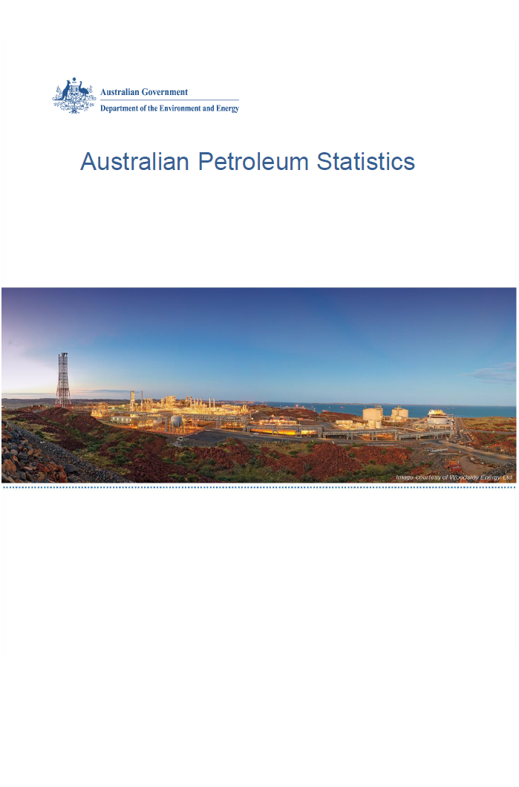

Issue 280, November 2019

https://www.energy.gov.au/government-priorities/energy-data/australian-petroleum-statistics

Figure 8B
Australian Petroleum Statistics

Figure 8B. Comparison of retail fuel prices and taxes in OECD countries - September Quarter 2019

Premium unleaded petrol
United States | 94 | 23
Canada | 103 | 50
Australia | 100 | 56
Chile | 86 | 81
Turkey | 91 | 88
Poland | 93 | 98
Hungary | 90 | 101
Lithuania | 95 | 105
Austria | 89 | 114
Czech Republic | 88 | 116
Latvia | 93 | 115
Slovenia | 84 | 127
Spain | 100 | 114
New Zealand | 114 | 101
Luxembourg | 107 | 109
Estonia | 91 | 128
Slovak Republic | 99 | 120
Korea | 110 | 111
United Kingdom | 88 | 142
Ireland | 89 | 141
Germany | 93 | 144
Switzerland | 111 | 129
Sweden | 92 | 148
Belgium | 103 | 139
France | 91 | 152
Portugal | 94 | 149
Finland | 89 | 164
Italy | 92 | 164
Denmark | 106 | 153
Israel | 97 | 165
Norway | 106 | 157
Netherlands | 95 | 174
Regular unleaded petrol
United States | 79 | 23
Canada | 88 | 48
Australia | 88 | 55
Chile | 83 | 78
Korea | 80 | 104
Japan | 105 | 92
New Zealand | 101 | 99
Austria | 89 | 114
Automotive diesel
United States | 94 | 23
Chile | 86 | 34
Canada | 91 | 41
New Zealand | 112 | 22
Australia | 91 | 55
Turkey | 94 | 71
Korea | 89 | 77
Japan | 114 | 57
Luxembourg | 96 | 84
Lithuania | 96 | 89
Poland | 98 | 90
Latvia | 97 | 96
Austria | 96 | 99
Spain | 100 | 96
Hungary | 100 | 98
Czech Republic | 96 | 104
Slovak Republic | 108 | 92
Slovenia | 89 | 112
Germany | 98 | 110
Ireland | 92 | 120
Estonia | 99 | 115
Denmark | 105 | 113
Netherlands | 101 | 118
Portugal | 99 | 120
Greece | 114 | 110
Finland | 94 | 130
France | 92 | 138
Sweden | 119 | 118
United Kingdom | 93 | 144
Italy | 95 | 143
Belgium | 106 | 139
Norway | 112 | 133
Switzerland | 125 | 130
Israel | 113 | 161
Automotive LPG
Slovak Republic | 42 | 26
Luxembourg | 56 | 15
Australia | 52 | 20
Belgium | 62 | 13
Poland | 43 | 32
Lithuania | 42 | 41
Czech Republic | 58 | 29
Latvia | 50 | 39
Slovenia | 60 | 36
Korea | 61 | 35
Portugal | 55 | 42
Netherlands | 50 | 47
Canada | 80 | 18
Germany | 68 | 31
Italy | 57 | 42
Estonia | 52 | 49
Hungary | 74 | 41
Spain | 91 | 26
Turkey | 83 | 45
Japan | 105 | 23
France | 99 | 42

