Sheet1
4c475f9831414f259b51c36a53a89920 | 5a6f52f08bf901a6aed84778b36c4e9a | 99bfa9eff3fd1a75587bcee4e144061c | c75919625dcfdc5fd318d5da3532853c | e3c2c4b85ccd96d16eee6b5882d52b3d






195*280 | 198*283 | 200*280 | 197*283 | 197*279

426777d2191aa13ca816930a66157b8b | a6b496de1c1329b670dd34386f96dbe3
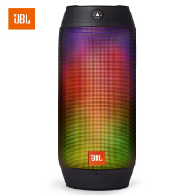
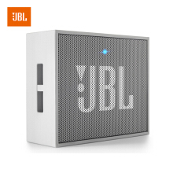

220*220 | 220*220

