Solution_Q2
 | Returns |  |  |  |  |  | Forecasting variance using RiskMetrics (EWMA) with lambda = 0.94 |  |  |  |  |  | Forecasting Covariance of X with the following : RiskMetrics Approach
Date | MarketCap | Strategy | Sustainability | Sector & Industry | Thematic | X = Nestle | MarketCap | Strategy | Sustainability | Sector & Industry | Thematic | X = Nestle | MarketCap | Strategy | Sustainability | Sector & Industry | Thematic
23-Feb-21 | 0.00014251867918 | 0.012925014922 | 0.003545372061 | 0.0020447852827 | 0.010991134644 | -0.0040762873483 | 0.00017028339325 | 0.00016355230834 | 0.00015666268183 | 0.00017039000315 | 0.00032610522229 | 0.00011574491415 | -1.6476922611E-05 | -2.1599791303E-05 | -1.6886732666E-05 | 1.0209963254E-05 | -2.5446013142E-05
22-Feb-21 | -0.022765438303 | -0.012141668819 | -0.018373166553 | -0.026089012624 | -0.015127222172 | -0.0061285229849 | 0.00014807178976 | 0.00016458202238 | 0.00014511519881 | 0.00013782107273 | 0.00033231409708 | 0.00012073551757 | -2.6434078006E-05 | -2.7728107542E-05 | -2.5151867103E-05 | 6.5610259886E-07 | -3.2987728584E-05 | Question 2
19-Feb-21 | -0.0085101984098 | -0.011143913179 | -0.011409343865 | -0.00094593672656 | -0.015661181444 | -0.0015730192387 | 0.00015290040547 | 0.00016716044077 | 0.00014606894804 | 0.00014656104782 | 0.00033786993705 | 0.00012828410021 | -2.8975830165E-05 | -3.0616896735E-05 | -2.7902866114E-05 | 6.0300425393E-07 | -3.6665796773E-05
18-Feb-21 | -0.0073599370632 | 0.02086916504 | -0.005835581531 | 0.0050243232199 | 0.020936558634 | -0.012297535504 | 0.00015920243091 | 0.00015003097638 | 0.00015321883759 | 0.00015430470042 | 0.00033145698702 | 0.00012681950792 | -3.6602527027E-05 | -1.6189934951E-05 | -3.4264534445E-05 | 4.5853317497E-06 | -2.2572034453E-05 | Forecasting correlation of X with the following : RiskMetrics Approach
17-Feb-21 | -0.0077131239357 | 0.0069878989214 | -0.0040568006956 | -0.0089157080773 | 0.013542567016 | 0.0058030426386 | 0.00016556690858 | 0.00015649056649 | 0.00016194827625 | 0.00015908011637 | 0.00034090736142 | 0.00013276488264 | -3.608186362E-05 | -1.9811701569E-05 | -3.4948965107E-05 | 8.1804529758E-06 | -2.9029063918E-05 | MarketCap | Strategy | Sustainability | Sector & Industry | Thematic
16-Feb-21 | -0.00095838899779 | 0.012166063455 | -0.00023812358727 | -0.0095689779469 | 0.015182147899 | -0.019132949912 | 0.00017607638086 | 0.00015703168138 | 0.00017228178094 | 0.00016338957024 | 0.00034795479206 | 0.00011787308117 | -3.9555395895E-05 | -6.2184474532E-06 | -3.747055905E-05 | -2.983525075E-06 | -1.2340752552E-05 | -0.11736510603 | -0.1569893739 | -0.1254041449 | 0.072702804666 | -0.13097545376
15-Feb-21 | 0.011761740852 | 0.0018771388236 | 0.011173300598 | -0.006193055911 | 0.0075365406182 | -0.025164763629 | 0.00017848517871 | 0.00016683006635 | 0.00017530981081 | 0.00017137056782 | 0.00036653917594 | 8.4975703682E-05 | -2.3187776798E-05 | -3.6001937931E-06 | -2.1915054191E-05 | -1.3121630174E-05 | -1.0228050616E-06
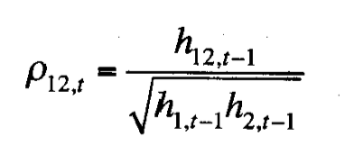
12-Feb-21 | 0.0002479728042 | -0.011310224326 | 0.0013652975658 | 0.0042548592972 | -0.010909541099 | -0.012771265014 | 0.00018987392477 | 0.00016931361265 | 0.00018638081762 | 0.00018115355124 | 0.00038233839439 | 7.9988713914E-05 | -2.4465703419E-05 | -1.3049942688E-05 | -2.2200914435E-05 | -1.0490674503E-05 | -9.9814079731E-06
11-Feb-21 | 0.0043198829228 | 0.0021597416706 | 0.0063691915236 | -4.871611766E-05 | 0.0086897843607 | -0.017123507506 | 0.00020080238453 | 0.00017982313149 | 0.00019568810807 | 0.00019271639239 | 0.00040192303538 | 6.6378556761E-05 | -2.1305755915E-05 | -1.1522342049E-05 | -1.665653245E-05 | -1.1213538246E-05 | -1.1206730951E-06
10-Feb-21 | -0.00038367680737 | 0.0005807259237 | -4.0439169385E-05 | 0.0010243112326 | -0.002450173209 | 0.0044619639419 | 0.00021361016176 | 0.00019127967759 | 0.00020817873399 | 0.00020495046763 | 0.00042719450474 | 6.9344690881E-05 | -2.2556424245E-05 | -1.2423205039E-05 | -1.7708198046E-05 | -1.2221026206E-05 | -4.9438087713E-07 | Correlation at time 't'
9-Feb-21 | -0.00038352965594 | -0.0030800024348 | -0.0010104481186 | -0.0052831985206 | -0.012254596764 | 0.0029492765456 | 0.0002272354639 | 0.00020288350287 | 0.00022140156773 | 0.00021625078344 | 0.00044487659173 | 7.3215741438E-05 | -2.3923995898E-05 | -1.2636359896E-05 | -1.8648289989E-05 | -1.2006520635E-05 | 1.7810115017E-06
8-Feb-21 | 0.012091400874 | 0.013449466442 | 0.016085701022 | 0.019602902486 | 0.038527354958 | 0.0071619156934 | 0.00023240781425 | 0.00020428746171 | 0.00021901763945 | 0.00020552591095 | 0.00037852677333 | 7.4615063037E-05 | -3.0978565445E-05 | -1.9591272961E-05 | -2.7192080919E-05 | -2.1734234822E-05 | -1.5717838919E-05
5-Feb-21 | 0.0023156344613 | -0.0050874256777 | 0.00020528401115 | -0.0072533052981 | 0.00091838467436 | 0.008618105686 | 0.00024690008986 | 0.00021567505076 | 0.00023299479889 | 0.00021528647307 | 0.00040263422075 | 7.4636976915E-05 | -3.4229732336E-05 | -1.8043228331E-05 | -2.904067072E-05 | -1.9131542259E-05 | -1.722630116E-05
4-Feb-21 | 0.0071089792366 | 0.017489959234 | 0.0055586580038 | -0.0026958904996 | 0.012652852631 | -0.0073210297614 | 0.00025943386672 | 0.00020991609608 | 0.00024589455124 | 0.00022856425908 | 0.00041811546805 | 7.5979923733E-05 | -3.3092584492E-05 | -1.1021869794E-05 | -2.8296770936E-05 | -2.1612493547E-05 | -1.2413177148E-05
3-Feb-21 | 0.0091557684035 | 0.012579041602 | 0.0096254321541 | 0.0096072956578 | 0.0240891902 | 0.0058642796238 | 0.00027064274576 | 0.00021321506258 | 0.00025567618573 | 0.00023726196945 | 0.00040776396061 | 7.8634614045E-05 | -3.8632025167E-05 | -1.643392642E-05 | -3.3705898378E-05 | -2.6588176209E-05 | -2.2222470194E-05 | Covariance at time 't'
2-Feb-21 | 0.024333117582 | 0.020842824467 | 0.027857661101 | 0.014362271648 | 0.028496305636 | -0.0038504811805 | 0.0002501241586 | 0.00019909538582 | 0.00022246088172 | 0.00023923987089 | 0.00038195914311 | 8.2707491198E-05 | -3.5117417541E-05 | -1.2360247041E-05 | -2.9010611053E-05 | -2.475540086E-05 | -1.6637234979E-05
1-Feb-21 | 0.048801511828 | 0.02688645708 | 0.04385764741 | 0.011839458206 | 0.054141783718 | -0.0041724993941 | 0.0001140733034 | 0.00016566222486 | 0.00011388434844 | 0.00024556330282 | 0.00021923316857 | 8.6875432049E-05 | -2.4361660456E-05 | -5.9885356265E-06 | -1.9181755977E-05 | -2.3182332902E-05 | -3.2796185043E-06
29-Jan-21 | -0.012636260424 | -0.022916302294 | -0.012860911975 | -0.025080991605 | -0.012670048748 | -0.0036713892962 | 0.00011116255186 | 0.00014271575554 | 0.00011059592025 | 0.00022108503663 | 0.0002229801707 | 9.1560304348E-05 | -2.8877891843E-05 | -1.1741080472E-05 | -2.3420000905E-05 | -3.0539636116E-05 | -6.4581057294E-06
28-Jan-21 | -0.011360869567 | -0.0021462655795 | -0.0081467742564 | -0.019495886662 | -0.0023108971724 | 0.016379199879 | 0.00011001956428 | 0.00015153124275 | 0.00011341885575 | 0.00021093580939 | 0.0002368720808 | 8.028043939E-05 | -1.8843590038E-05 | -1.0246631592E-05 | -1.6397598159E-05 | -1.2106398562E-05 | -4.4543265193E-06
27-Jan-21 | -0.019584675345 | -0.013431228213 | -0.020704313872 | -0.0043961235489 | -0.0090841706243 | -0.00011804439795 | 9.2559567848E-05 | 0.00014968869071 | 9.3296530821E-05 | 0.00022316622899 | 0.00024672420366 | 8.5403833321E-05 | -2.019393799E-05 | -1.1001872837E-05 | -1.7600255165E-05 | -1.2912271093E-05 | -4.8070921771E-06
25-Jan-21 | -0.010922069574 | -0.00709578067 | -0.0090235179379 | -0.013186801576 | -0.008422329099 | 0.015144196191 | 9.0853267682E-05 | 0.00015602945161 | 9.4054359854E-05 | 0.00022631140941 | 0.00025794475108 | 7.6215992154E-05 | -1.0925085238E-05 | -4.8449778316E-06 | -1.0001084688E-05 | -9.8942604494E-07 | 3.0275234876E-06
22-Jan-21 | -0.015151457373 | -0.0078508134902 | -0.014706768895 | 0.00029308601224 | -0.014505530173 | 0.00090585749597 | 8.1999221329E-05 | 0.00016205461198 | 8.6252145504E-05 | 0.00024075133558 | 0.00026097885824 | 8.1028465411E-05 | -1.0746363366E-05 | -4.700292273E-06 | -9.7890962521E-06 | -1.0695273347E-06 | 4.059489449E-06
21-Jan-21 | -0.0033668358551 | -0.015803485439 | -0.0037267383961 | -0.0060965634257 | -0.016448332879 | 0.0009133486193 | 8.6509666285E-05 | 0.00015645702432 | 9.0871096553E-05 | 0.00025374601111 | 0.00026036808401 | 8.6147247946E-05 | -1.1236018801E-05 | -4.0789859326E-06 | -1.0196667628E-05 | -7.8237241219E-07 | 5.2775246558E-06
20-Jan-21 | 0.0079409303686 | 0.0018092193785 | 0.0091953705676 | 0.017363841962 | 0.0066704542064 | -0.00069342119447 | 8.8006557211E-05 | 0.00016623471046 | 9.1274261873E-05 | 0.00025069769218 | 0.00027414721963 | 9.1615316988E-05 | -1.1601738549E-05 | -4.2592690094E-06 | -1.0440523125E-05 | -6.3771329943E-08 | 5.9096284205E-06
19-Jan-21 | 0.01702773287 | 0.015377663451 | 0.015601736323 | 0.0071032089232 | 0.02365063093 | -0.019582651493 | 7.5116953201E-05 | 0.00016175144518 | 8.1563203506E-05 | 0.00026347910379 | 0.00025594263726 | 7.2985641084E-05 | 8.9416499586E-06 | 1.4690272806E-05 | 8.3945518943E-06 | 8.8108601696E-06 | 3.5849098091E-05
18-Jan-21 | -0.0096395235947 | -0.019965479297 | -0.010527085943 | -0.016407552102 | -0.029758382101 | -0.0069885946804 | 7.3980562014E-05 | 0.00014663215252 | 7.9695777871E-05 | 0.0002631134445 | 0.00021575421164 | 7.4526823135E-05 | 5.2123899571E-06 | 6.7217385766E-06 | 4.2344464733E-06 | 2.0541662652E-06 | 2.4862704085E-05
15-Jan-21 | -0.011143828953 | -0.017029207856 | -0.010375462118 | -0.01950646781 | -0.013872526139 | 0.0014679140074 | 7.0776028288E-05 | 0.00013748140139 | 7.791145215E-05 | 0.00025562053969 | 0.00021724190719 | 7.9146315791E-05 | 6.5892350149E-06 | 8.7463652568E-06 | 5.4768762169E-06 | 4.012973729E-06 | 2.7749494268E-05
14-Jan-21 | 0.0018539218653 | 0.0038103643999 | 0.0012595517662 | -0.00039401169709 | 0.0015656173497 | -0.00034443877941 | 7.5074262459E-05 | 0.00014533007317 | 8.278325948E-05 | 0.00027192683509 | 0.00023095195503 | 8.4190635645E-05 | 7.0505837979E-06 | 9.3884164815E-06 | 5.854155878E-06 | 4.2604584623E-06 | 2.9555159391E-05
13-Jan-21 | -0.00050076039258 | 0.00057980867938 | 0.0023554164412 | 0.0045351162759 | 0.012869928638 | 0.0024917307642 | 7.9850230639E-05 | 0.00015458500264 | 8.7713170514E-05 | 0.00028797106203 | 0.00023512111834 | 8.9168204589E-05 | 7.5802653217E-06 | 9.8954604831E-06 | 5.8532043207E-06 | 3.8111075932E-06 | 2.9394739961E-05
12-Jan-21 | 0.0050166914561 | 0.0078101084645 | 0.0081180945607 | -0.00044793921627 | 0.008845064351 | -0.019142458251 | 8.3340637286E-05 | 0.00016055865424 | 8.910527974E-05 | 0.00030633938623 | 0.00024513511546 | 7.1470406505E-05 | 1.4193801837E-05 | 2.006993723E-05 | 1.6145980312E-05 | 3.5070512005E-06 | 4.2078421772E-05
11-Jan-21 | 0.0099297279802 | 0.0098034043527 | 0.0074571561081 | 0.035626569963 | -0.0076668157067 | -0.012371710847 | 8.2366667468E-05 | 0.00016467260641 | 9.1243328837E-05 | 0.00024487684786 | 0.00025703011881 | 6.6262609306E-05 | 2.2941133233E-05 | 2.9092585392E-05 | 2.3065369211E-05 | 3.1864626089E-05 | 3.8709919308E-05
8-Jan-21 | 0.01422855685 | 0.016272867167 | 0.016038974505 | 0.034921927552 | 0.011807608373 | 0.0078765761869 | 7.4701657092E-05 | 0.00015828110006 | 8.0647241113E-05 | 0.00018266424088 | 0.00026453717221 | 6.6532108681E-05 | 1.7251909053E-05 | 2.2768209267E-05 | 1.6473869077E-05 | 1.6341183736E-05 | 3.5244369885E-05
7-Jan-21 | -0.0016774117865 | 0.0054143331695 | 0.0010436598616 | -0.0095254942586 | 0.010794566788 | -0.0065249258943 | 7.929024944E-05 | 0.00016651297856 | 8.5725412297E-05 | 0.00018853206216 | 0.00027398490626 | 6.8061307666E-05 | 1.7654478507E-05 | 2.6476485775E-05 | 1.7960060928E-05 | 1.341701605E-05 | 4.1989781687E-05
6-Jan-21 | -0.0054593858271 | 0.0065738223905 | -0.0019559695889 | -0.010053666786 | 0.0063114920501 | -0.00015799735229 | 8.2448889174E-05 | 0.00017438305331 | 9.0953046037E-05 | 0.00019411435022 | 0.0002889306493 | 7.2404053059E-05 | 1.872630255E-05 | 2.8232770816E-05 | 1.9086721965E-05 | 1.417203073E-05 | 4.4733631521E-05
5-Jan-21 | 0.0054025103617 | 0.00029317529999 | 0.0051807948005 | 0.012214558834 | 0.00073894229057 | 0.0041541395268 | 8.5848576682E-05 | 0.00018550840021 | 9.5045327607E-05 | 0.00019698151422 | 0.00030733817783 | 7.5924085688E-05 | 1.8489080467E-05 | 2.995712484E-05 | 1.8931294997E-05 | 1.1837842373E-05 | 4.739303336E-05
4-Jan-21 | 0.0064098819113 | 0.01708901678 | 0.0093847989589 | 0.026731016002 | 0.016664833954 | 0.0014288030016 | 8.8705725016E-05 | 0.00017870886228 | 9.5490277146E-05 | 0.00016394540556 | 0.00030922891105 | 8.0639996816E-05 | 1.9084652081E-05 | 3.031076014E-05 | 1.9283780065E-05 | 1.0155575552E-05 | 4.8898284546E-05
1-Jan-21 | 0.002460775527 | 0.0064120595008 | 0.0025587872963 | 0.009134890481 | 0.013186529164 | -0.0062083670004 | 9.3981276643E-05 | 0.0001874914807 | 0.00010116748255 | 0.00016908365119 | 0.00031786791273 | 8.3326986774E-05 | 2.12779744E-05 | 3.4786452401E-05 | 2.1528652662E-05 | 1.4423766712E-05 | 5.7244992868E-05
31-Dec-20 | 0.00010701845241 | -0.00049304908981 | -0.00048579063379 | -0.00080962718702 | -0.0030418274405 | 0.0017319305236 | 9.9979350496E-05 | 0.00019944350517 | 0.00010760991809 | 0.00017983438449 | 0.00033756675519 | 8.8454267844E-05 | 2.2624312222E-05 | 3.706137022E-05 | 2.2956525531E-05 | 1.5433935951E-05 | 6.1235198825E-05
30-Dec-20 | 0.0027923880841 | 0.0034564596076 | 0.0027854555425 | -0.0014827533336 | -0.00092158410556 | -0.0059857945569 | 0.00010586330279 | 0.00021141135998 | 0.0001139833961 | 0.00019117284153 | 0.00035905935761 | 9.1813280485E-05 | 2.5135310538E-05 | 4.0747606007E-05 | 2.5486080222E-05 | 1.5852562278E-05 | 6.4791717062E-05
29-Dec-20 | 0.0054614994437 | -0.0036493257055 | 0.0034150160698 | 0.0065135380873 | -0.0020569456208 | 0.004373864665 | 0.00011071662151 | 0.00022405564393 | 0.00012051452767 | 0.00020066730939 | 0.00038170797457 | 9.6452594636E-05 | 2.5214935076E-05 | 4.4367346183E-05 | 2.6159437378E-05 | 1.5045959822E-05 | 6.9501622519E-05
28-Dec-20 | 0.0080615495072 | 0.0099488309293 | 0.0091940306659 | 0.0055137789668 | 0.01531156463 | 0.0061646265685 | 0.00011363543264 | 0.00023203924438 | 0.00012281139966 | 0.00021153532328 | 0.000391107802 | 0.00010018344403 | 2.3652285681E-05 | 4.3284570782E-05 | 2.4211458973E-05 | 1.3836740982E-05 | 6.7912997693E-05
24-Dec-20 | 0.011333303062 | 0.0088908797176 | 0.010320753215 | -0.0059079675067 | 0.0059478091413 | 0.0050907880229 | 0.00011269022037 | 0.00024180465942 | 0.00012385140728 | 0.00022280965795 | 0.00041381405956 | 0.00010492391135 | 2.1479318161E-05 | 4.315837845E-05 | 2.2403205279E-05 | 1.6639695315E-05 | 7.031516549E-05
23-Dec-20 | 0.0094643406953 | 0.0058689726977 | 0.01139016369 | 0.02315805198 | 0.020423677377 | 0.011086388663 | 0.00011416574008 | 0.00025504039254 | 0.0001234758059 | 0.00020279993156 | 0.00041360262096 | 0.00010377598993 | 1.6152975104E-05 | 4.1760037986E-05 | 1.5773040832E-05 | 1.314197254E-06 | 6.0350719117E-05
22-Dec-20 | 0.0098892633386 | 0.01649818742 | 0.011614104186 | 0.03311400536 | 0.02430932829 | 0.0026322357175 | 0.00011521051949 | 0.00025394572474 | 0.00012274740525 | 0.00014575286223 | 0.00040228299409 | 0.00010995773409 | 1.5522471035E-05 | 4.1653628611E-05 | 1.4828486426E-05 | -4.1655689422E-06 | 6.0118559772E-05
21-Dec-20 | -0.030413311409 | -0.050675709504 | -0.033011112705 | -0.017057934758 | -0.06469374823 | -0.015945448632 | 6.3523775358E-05 | 0.00010623837523 | 6.1024884611E-05 | 0.00013648348291 | 0.00016081503244 | 0.00010074712145 | -1.4441236866E-05 | -7.2650922957E-06 | -1.7823546479E-05 | -2.1792930096E-05 | -1.8890325345E-06
18-Dec-20 | 0.0014991846797 | -0.0018872931436 | 0.0023799378081 | 0.016877517477 | -0.0070141649392 | -0.00079000016851 | 6.7435023485E-05 | 0.00011279219436 | 6.4558551461E-05 | 0.00012701324164 | 0.00016793949133 | 0.00010713795259 | -1.5287420742E-05 | -7.8239893721E-06 | -1.8841210003E-05 | -2.2332910209E-05 | -2.3633021527E-06
17-Dec-20 | 0.0047859787283 | -0.0062092323932 | 0.0017548995437 | -0.00070602940199 | -0.010163776378 | -0.0010629665403 | 7.0277327598E-05 | 0.00011753076633 | 6.848273523E-05 | 0.00013508865211 | 0.00017206526629 | 0.00011390442417 | -1.5938490028E-05 | -8.7446827112E-06 | -1.9924772375E-05 | -2.3806318454E-05 | -3.203752559E-06
16-Dec-20 | 0.0086795251803 | 0.0076721043348 | 0.0068238057679 | 0.010111710699 | 0.0088205206624 | 0.00052815950372 | 6.995455123E-05 | 0.00012127563323 | 6.9881782681E-05 | 0.00013718494736 | 0.00017808209703 | 0.00012115711385 | -1.7248447288E-05 | -9.5614982982E-06 | -2.1426612604E-05 | -2.5666759809E-05 | -3.7056075191E-06
15-Dec-20 | 0.00020990820862 | -0.0027120384443 | -0.00090649509901 | -0.0037684917532 | 0.0037117770365 | -0.001882281677 | 7.4416922918E-05 | 0.00012854715327 | 7.4289870936E-05 | 0.00014503495272 | 0.00018856963798 | 0.00012866439871 | -1.8324192453E-05 | -1.0497646292E-05 | -2.290318016E-05 | -2.7757831476E-05 | -3.4961818349E-06
14-Dec-20 | 0.0033447972533 | 0.015588165221 | 0.0021769703368 | 0.0018939412122 | 0.018274288929 | 0.003799998844 | 7.8452832764E-05 | 0.00012124223359 | 7.8729275473E-05 | 0.00015406354459 | 0.00017929006365 | 0.00013595531834 | -2.030511276E-05 | -1.4948666895E-05 | -2.4893116219E-05 | -2.9988989299E-05 | -8.1518281311E-06
11-Dec-20 | 0.0030226327067 | 0.016249951332 | 0.0011357184639 | -0.0025243119853 | 0.016826654827 | -0.014184006247 | 8.2877291761E-05 | 0.00011212614733 | 8.3672217114E-05 | 0.00016349065482 | 0.00017266157967 | 0.00013179165569 | -1.886460669E-05 | -1.190747045E-06 | -2.5453802076E-05 | -3.4188596508E-05 | 6.5620579784E-06
10-Dec-20 | -0.0031200270185 | -0.0011134035273 | -0.0056657375357 | -0.0065644099124 | -0.0068422929866 | 0.019837460374 | 8.7545976218E-05 | 0.00011920400775 | 8.6964023622E-05 | 0.00017117570869 | 0.00018069421412 | 0.0001150852826 | -1.611808718E-05 | 1.4306261296E-07 | -1.9904437708E-05 | -2.8058854486E-05 | 1.5644766955E-05
9-Dec-20 | 0.010794547114 | 0.0048556525849 | 0.010038922348 | 0.010229814208 | 0.0022755664045 | -0.003732052253 | 8.5696426994E-05 | 0.0001253078362 | 8.6082155221E-05 | 0.00017542208805 | 0.0001918973638 | 0.00012154211677 | -1.4575466327E-05 | 1.3088888969E-06 | -1.8783500789E-05 | -2.7412938741E-05 | 1.7185445658E-05
8-Dec-20 | 0.0039883403843 | -0.0079709538354 | 0.0040714619705 | 0.010819418486 | -0.0045459663608 | -0.0039091321203 | 9.0151080268E-05 | 0.00012925071266 | 9.0518667092E-05 | 0.00017914733944 | 0.00020282703743 | 0.0001283247212 | -1.4510648252E-05 | -5.9647000333E-07 | -1.8966540237E-05 | -2.6463049533E-05 | 1.7148083692E-05
7-Dec-20 | 0.0076772746632 | 0.014173137876 | 0.0052394641416 | 0.0059141814761 | 0.021355910011 | 0.0086678587447 | 9.2143242014E-05 | 0.00012467876853 | 9.4544200024E-05 | 0.0001883496669 | 0.00018666228073 | 0.00013172001563 | -1.9684447012E-05 | -8.4760802428E-06 | -2.3075996109E-05 | -3.1424305224E-05 | 6.4271095874E-06
4-Dec-20 | 0.0099630528889 | 0.0067072004938 | 0.0099102413383 | 0.0047708289371 | 0.022804245805 | 0.0052718599635 | 9.1688826215E-05 | 0.00012976550662 | 9.4310028746E-05 | 0.00019891916848 | 0.00016538325865 | 0.00013835368636 | -2.4293485309E-05 | -1.1274091008E-05 | -2.7883745086E-05 | -3.5035503988E-05 | -8.3631685104E-07
3-Dec-20 | 0.00032739242981 | 0.017069159802 | 0.0013971686326 | -0.0065352639232 | 0.02097223228 | -0.0013608559367 | 9.7534462837E-05 | 0.000119451206 | 0.00010020521695 | 0.00020888998725 | 0.0001478650926 | 0.0001470665645 | -2.5815694972E-05 | -1.0511032938E-05 | -2.9542196141E-05 | -3.783948633E-05 | 9.3201527368E-07
2-Dec-20 | -0.00083787485798 | 0.018078480765 | 0.00051278466499 | 0.0068643020854 | 0.017628948 | -0.00011600629025 | 0.00010371525615 | 0.00010621416808 | 0.00010658451071 | 0.00021921581772 | 0.000137466281 | 0.00015645293303 | -2.7469709465E-05 | -1.1048084988E-05 | -3.1424071241E-05 | -4.020394489E-05 | 1.1220419204E-06
1-Dec-20 | 0.011389551393 | 0.019372528171 | 0.012811362724 | 0.023589238747 | 0.017333767328 | -0.0015519004232 | 0.00010205525882 | 8.9038805549E-05 | 0.00010291132959 | 0.00019769009217 | 0.00012706245917 | 0.00016628556312 | -2.8094874986E-05 | -9.8342881995E-06 | -3.2160801794E-05 | -4.0433463739E-05 | 2.9107008208E-06
27-Nov-20 | -0.002488875213 | -0.0032549291695 | -0.0025942798918 | -0.0093784011382 | 0.004902871867 | 0.010153421983 | 0.00010817403067 | 9.4045884803E-05 | 0.000109050545 | 0.00020469449755 | 0.00013363847874 | 0.00017031919622 | -2.8275147839E-05 | -8.3525191877E-06 | -3.2532290091E-05 | -3.6936267959E-05 | -8.1015743565E-08
26-Nov-20 | 0.00980029604 | 0.0096078917131 | 0.010322550109 | 0.0035972416848 | 0.0072140153164 | 0.0043711004171 | 0.0001089481729 | 9.4156584907E-05 | 0.00010920983251 | 0.0002169341369 | 0.00013884676353 | 0.00017997106924 | -3.281428992E-05 | -1.1566322081E-05 | -3.7488876889E-05 | -4.0297555571E-05 | -2.0989434735E-06
25-Nov-20 | -0.015731194601 | -0.0021456958752 | -0.015584731017 | -0.016079867932 | -0.0012986613247 | 0.0087933551309 | 0.00010010632328 | 9.987270666E-05 | 0.000100677449 | 0.00021427702951 | 0.00014760167261 | 0.00018652306763 | -2.6079245824E-05 | -1.1100266097E-05 | -3.113441747E-05 | -3.3844464064E-05 | -1.5040085746E-06
24-Nov-20 | 0.010064851206 | 0.0040831315063 | 0.01173683667 | 0.0012443530609 | 0.0052047951936 | 0.0021296173091 | 0.00010003005265 | 0.00010518339243 | 9.8310903079E-05 | 0.00022785545174 | 0.00015529391386 | 0.00019813931004 | -2.9112024154E-05 | -1.2363826116E-05 | -3.4717144364E-05 | -3.6173897673E-05 | -2.3075126496E-06
23-Nov-20 | 0.0044315972817 | 0.014867682315 | 0.008810210093 | 0.028483300788 | 0.014076368682 | 0.0082645920109 | 0.00010516139296 | 9.7787780623E-05 | 9.9631611666E-05 | 0.00019061441097 | 0.00015255879207 | 0.00020642670338 | -3.3308026344E-05 | -2.0996112579E-05 | -4.158075732E-05 | -5.3508584342E-05 | -9.8804673388E-06
20-Nov-20 | 0.0064536773769 | 0.013460649585 | 0.0047947924618 | 0.0094934029843 | 0.0042302048749 | -0.0028774894671 | 0.00010921531475 | 9.2464292966E-05 | 0.00010452362721 | 0.00019702864783 | 0.00016115437668 | 0.00021907436876 | -3.4248726621E-05 | -1.9863978655E-05 | -4.3354190885E-05 | -5.5180376933E-05 | -9.7341756815E-06
19-Nov-20 | -0.013217096802 | -0.0073448643669 | -0.013794638928 | -0.0069274421695 | -6.3269115203E-05 | 0.013091727577 | 0.00010503597433 | 9.4922841502E-05 | 9.9049046197E-05 | 0.00020654178779 | 0.00017144057074 | 0.00022211783926 | -2.5390051893E-05 | -1.4994213672E-05 | -3.4594097439E-05 | -5.2913665735E-05 | -1.0302635702E-05
18-Nov-20 | 0.0051590465165 | 0.0004831501483 | 0.0043707609131 | -0.010425654176 | 0.023428070186 | -0.0037647134868 | 0.00011004151987 | 0.00010096684623 | 0.00010415195015 | 0.00021278737436 | 0.00014734904509 | 0.00023539090979 | -2.5770970184E-05 | -1.5835189744E-05 | -3.5751933709E-05 | -5.8796427434E-05 | -5.3304653132E-06
17-Nov-20 | 0.0071864111244 | 0.0015960537341 | 0.0071195082958 | -0.004969315155 | 0.0099587505777 | 0.021516398038 | 0.00011376898891 | 0.00010724893934 | 0.00010756458111 | 0.00022479332848 | 0.00015042387479 | 0.00022086551779 | -3.7285650125E-05 | -1.9037946159E-05 | -4.7811812945E-05 | -5.5724597514E-05 | -1.9347927444E-05
14-Nov-20 | 0.0044781380696 | 0.005655011733 | 0.0043732198396 | 0.0065730771919 | 0.0026856204528 | 0.022857426006 | 0.00011975081455 | 0.00011205339349 | 0.00011320965745 | 0.00023638405091 | 0.00015956502272 | 0.00020161468337 | -4.6199119893E-05 | -2.8503709462E-05 | -5.724409136E-05 | -6.8871505369E-05 | -2.4501180522E-05
13-Nov-20 | 0.0019771852563 | 0.0058585335754 | 0.0038121019939 | 0.00097081495399 | -0.0024893560186 | 0.0011209506835 | 0.00012714495623 | 0.00011701494526 | 0.00011950822357 | 0.00025141223618 | 0.00016935447779 | 0.00021440350164 | -4.9289467577E-05 | -3.0742273506E-05 | -6.1170725596E-05 | -7.3337020756E-05 | -2.588697213E-05
12-Nov-20 | -0.0054394075703 | -0.0010032668185 | -0.007321805349 | -0.0026665522427 | 0.0026861483049 | 0.017052375024 | 0.00013337204995 | 0.00012441973682 | 0.00012371456761 | 0.00026700596396 | 0.00017970378109 | 0.00020952818298 | -4.6515083521E-05 | -3.1612541046E-05 | -5.7105824847E-05 | -7.5115699813E-05 | -3.0463068751E-05
11-Nov-20 | 0.0072756208616 | 0.014212586984 | 0.0060655844755 | 0.020256235112 | 0.015403735634 | -0.00023527650445 | 0.0001385063515 | 0.00011946795648 | 0.00012926286033 | 0.0002578585748 | 0.00017602901787 | 0.00022289878902 | -4.9374868683E-05 | -3.3416923169E-05 | -6.0659786677E-05 | -7.9606117916E-05 | -3.2176192049E-05
10-Nov-20 | 0.01584241265 | 0.0089709049168 | 0.0063455370471 | -0.03781416048 | 0.024617665366 | 0.0032345503583 | 0.00013132705233 | 0.00012195673231 | 0.00013494352118 | 0.00018304673492 | 0.0001485821819 | 0.0002364585639 | -5.5797291036E-05 | -3.7402057225E-05 | -6.5841791728E-05 | -7.6880222911E-05 | -3.931257101E-05
9-Nov-20 | 0.016673742066 | 0.011429271256 | 0.018093606945 | 0.014317850848 | 0.01215966619 | 0.0046092445539 | 0.00012196407645 | 0.00012140323173 | 0.00012266043026 | 0.00018164540824 | 0.00014862843935 | 0.00025019559125 | -6.4264353537E-05 | -4.3151995322E-05 | -7.5367726898E-05 | -8.5999884547E-05 | -4.539934417E-05
6-Nov-20 | 0.013285756162 | 0.0025097296836 | 0.012447260532 | 0.0069720873068 | 0.0013833174152 | -0.02517948931 | 0.0001184823377 | 0.00012875032675 | 0.00012060039635 | 0.00019013702995 | 0.00015799321843 | 0.00022569701099 | -4.7013447044E-05 | -4.1872736827E-05 | -6.0173177753E-05 | -8.0283690083E-05 | -4.6073904899E-05
5-Nov-20 | 0.017668900033 | 0.025528050438 | 0.016263806136 | 0.013351934242 | 0.022468136745 | -0.017171142759 | 0.00010611801702 | 9.5371750216E-05 | 0.00011141458825 | 0.00019089423518 | 0.00013585551947 | 0.00022128310891 | -3.0648653992E-05 | -1.6565945662E-05 | -4.6188393122E-05 | -7.077405526E-05 | -2.4389031792E-05
4-Nov-20 | 0.008779037178 | 0.00044276022653 | 0.012399605504 | 0.018095831955 | 0.001629414834 | -0.043825152594 | 0.00010797205042 | 0.00010144679576 | 0.00010871231409 | 0.00018217732674 | 0.00014435768076 | 0.0001128132648 | -8.046909952E-06 | -1.6384791056E-05 | -1.4450549918E-05 | -2.4671169633E-05 | -2.1387734647E-05
3-Nov-20 | 0.012585972634 | 0.008607548729 | 0.0096879400383 | -0.0012300174571 | 0.0049754882655 | -0.00062601111072 | 0.00010475281701 | 0.00010319298091 | 0.00010966057783 | 0.00019370909592 | 0.00015199186356 | 0.00011998909724 | -8.0576302442E-06 | -1.7086687008E-05 | -1.4985813225E-05 | -2.6295074371E-05 | -2.2554097863E-05
2-Nov-20 | 0.0036161565593 | 0.0022359310127 | -0.0013006270855 | -0.0068514452703 | 0.0025684945627 | 0.010289777927 | 0.00011060449119 | 0.00010946065709 | 0.00011655221275 | 0.00020307718913 | 0.00016127237628 | 0.00012088970793 | -1.0947018214E-05 | -1.9645873428E-05 | -1.5088109992E-05 | -2.3473492928E-05 | -2.5680693811E-05
30-Oct-20 | -0.0034217093228 | 0.0066584123186 | -0.0014546968484 | -9.9241043518E-05 | 0.00832142535 | -0.0056347525019 | 0.00011691702713 | 0.00011361764874 | 0.00012385664274 | 0.00021603893426 | 0.00016714639265 | 0.00012657944871 | -1.2876433323E-05 | -1.8505067128E-05 | -1.6574384462E-05 | -2.5007494522E-05 | -2.432696114E-05
29-Oct-20 | -0.0043330052828 | -0.0053671885072 | -0.0018672204595 | 0.0020271348232 | -0.014020258269 | -0.0050962924611 | 0.00012318141601 | 0.00011903111275 | 0.00013153984255 | 0.00022956635928 | 0.00016526844057 | 0.00013300118819 | -1.5107839417E-05 | -2.1432162625E-05 | -1.8239721867E-05 | -2.5944300221E-05 | -3.0440469501E-05
28-Oct-20 | -0.014908431505 | -0.010048490055 | -0.013178405485 | -0.01156326691 | -0.013125585375 | 0.007004171651 | 0.00011685716618 | 0.00012018381235 | 0.00012885065988 | 0.00023568490508 | 0.00016482083094 | 0.00013835923719 | -9.4069857649E-06 | -1.8307746462E-05 | -1.3512226618E-05 | -2.2430674302E-05 | -2.6515359917E-05
27-Oct-20 | 0.0093371498859 | 0.0040806774039 | 0.012039040299 | -0.014693047349 | 0.008306981947 | -0.005561098644 | 0.00011875130224 | 0.0001267922305 | 0.00012782377702 | 0.00023694868794 | 0.00017093667446 | 0.00014521668947 | -6.6930819901E-06 | -1.8027833497E-05 | -1.0101286359E-05 | -2.9077918557E-05 | -2.5259152292E-05
26-Oct-20 | -0.013361409204 | -0.018670775157 | -0.01754701016 | -0.0074121903246 | -0.0071144596213 | -0.0043426834928 | 0.00011493581583 | 0.00011263442532 | 0.00011632970541 | 0.00024856622767 | 0.00017861674715 | 0.00015328208029 | -1.0823983257E-05 | -2.43539463E-05 | -1.5609950044E-05 | -3.2988559948E-05 | -2.8843513908E-05
23-Oct-20 | 0.0031266338216 | 0.0045381956078 | 0.0036686069883 | -0.0024149751149 | 0.011648972138 | -0.018951317342 | 0.00012164815477 | 0.00011850926825 | 0.00012289594125 | 0.00026405989509 | 0.00018135620642 | 0.00014014141974 | -7.7327164587E-06 | -2.0418786375E-05 | -1.216856801E-05 | -3.8015508015E-05 | -1.6593310475E-05
22-Oct-20 | -0.0036625534077 | 0.0057798385487 | -0.0044312090233 | -0.0070105476922 | 0.0081999817733 | -0.00040578273146 | 0.00012855669886 | 0.00012394135769 | 0.00012948702601 | 0.00027777768974 | 0.00018864023867 | 0.00014907610656 | -8.3211579939E-06 | -2.1572409419E-05 | -1.3060057975E-05 | -4.0623610177E-05 | -1.7440070016E-05
21-Oct-20 | 0.0040107532158 | 0.0076452772289 | 0.0026971340235 | -0.004401569661 | 0.013769456638 | -0.011040848888 | 0.00013573567061 | 0.00012812164027 | 0.0001372878235 | 0.00029427155405 | 0.00018857910905 | 0.00015081072969 | -6.0257774288E-06 | -1.7561477004E-05 | -1.1992913855E-05 | -4.6318546922E-05 | -8.8494474634E-06
20-Oct-20 | 0.002785272542 | -0.0037908046598 | 0.0026022414358 | 0.013341423599 | -0.00036288420763 | 0.017501362227 | 0.00014390447449 | 0.0001353823705 | 0.00014561864242 | 0.00030169355216 | 0.00020060766804 | 0.00014088603074 | -9.5218523918E-06 | -1.4447683272E-05 | -1.5665404312E-05 | -6.4178863983E-05 | -9.0089248782E-06
19-Oct-20 | 0.01115779388 | 0.010782553473 | 0.0072813366515 | -0.0041704323581 | 0.009551310262 | 0.003480093631 | 0.00014514329004 | 0.00013660272653 | 0.00015152933044 | 0.00031984042744 | 0.00020758937912 | 0.00014910571026 | -1.2608151529E-05 | -1.776504363E-05 | -1.8282753521E-05 | -6.7348993912E-05 | -1.1705629914E-05
16-Oct-20 | 0.0063873146734 | 0.012661588983 | 0.0094625696366 | 0.0056396590468 | 0.016769868125 | -0.0023452000757 | 0.00015180364119 | 0.00013508912383 | 0.00015548608191 | 0.00033822561936 | 0.00020288901117 | 0.00015827203453 | -1.2456786891E-05 | -1.7003623471E-05 | -1.8033251468E-05 | -7.0803644875E-05 | -9.9424554828E-06
15-Oct-20 | -0.026486602641 | -0.012028343579 | -0.02680905836 | -0.027078230881 | -0.013320703146 | -0.00080428610975 | 0.00011671407874 | 0.00013447687327 | 0.00011953462265 | 0.00031301253627 | 0.00020451334387 | 0.00016833321485 | -1.461165456E-05 | -1.8706465161E-05 | -2.0560617727E-05 | -7.6713152738E-05 | -1.1260930717E-05
14-Oct-20 | 0.0041569571131 | -0.0076773790361 | 0.0015185263092 | -0.015450569404 | -0.0092200272642 | 0.0079740826831 | 0.00012306091617 | 0.00013929823866 | 0.00012701730566 | 0.000317754607 | 0.00021214128692 | 0.00017501920763 | -1.7660138026E-05 | -1.5992831753E-05 | -2.2645903178E-05 | -7.3745644322E-05 | -7.2868671615E-06
13-Oct-20 | 0.00078084883044 | -0.0037123255099 | 0.001115053334 | 0.014489244942 | -0.0087748487179 | 0.0039486789198 | 0.00013087694965 | 0.00014730995427 | 0.00013504543088 | 0.0003246365041 | 0.00022076745608 | 0.00018519540821 | -1.8984188622E-05 | -1.6077983897E-05 | -2.4372428121E-05 | -8.2104730729E-05 | -5.5403442044E-06
12-Oct-20 | 0.0020790779355 | -0.0047120165284 | -0.0013683012397 | 0.014720903211 | -0.0069791987432 | -0.010839418703 | 0.0001389548891 | 0.00015529549818 | 0.00014354584679 | 0.0003315257496 | 0.00023174989699 | 0.00018951683866 | -1.8757477496E-05 | -2.0364377769E-05 | -2.6874812259E-05 | -7.7160392249E-05 | -1.0722735796E-05
9-Oct-20 | 0.0081004595016 | 0.003434194389 | 0.0073703538461 | 0.0065051983612 | 0.0044553106178 | 0.0063484421925 | 0.0001436360026 | 0.00016445518799 | 0.00014924097856 | 0.00034998584389 | 0.00024527543557 | 0.00019904114421 | -2.3237229179E-05 | -2.3055834939E-05 | -3.1576838489E-05 | -8.4721558291E-05 | -1.3212545436E-05
8-Oct-20 | 0.0075871923896 | 0.00023457964738 | 0.010204431804 | 0.029487412251 | -0.0055302327894 | -0.0081447236606 | 0.00014912986521 | 0.00017494881525 | 0.00015212037537 | 0.00031682488831 | 0.00025897917775 | 0.00020751165192 | -2.0776057508E-05 | -2.4405531654E-05 | -2.8287342403E-05 | -7.4799520038E-05 | -1.6930934582E-05
7-Oct-20 | 0.0076618754974 | -0.00085985648301 | 0.0067228882265 | 0.0063688914673 | -0.0045020978606 | 0.0031212409064 | 0.0001549017075 | 0.00018606856815 | 0.00015894525724 | 0.00033445864 | 0.00027421600494 | 0.00022013523748 | -2.3628650065E-05 | -2.5792023936E-05 | -3.1432305987E-05 | -8.0842819907E-05 | -1.7114687938E-05
6-Oct-20 | 0.01529968059 | 0.00169436339 | 0.0085461697849 | 0.0055460664862 | 0.0054336302987 | 0.0037570896506 | 0.0001498477595 | 0.00019776203841 | 0.00016442876187 | 0.00035384373276 | 0.00028983462196 | 0.00023328541928 | -2.8805942937E-05 | -2.7844655793E-05 | -3.5488116543E-05 | -8.7333025582E-05 | -1.951017671E-05
5-Oct-20 | 0.0071236899329 | 0.0037639231012 | 0.0097818292455 | 0.039816497953 | -0.0065738000224 | -0.022786522593 | 0.00015617334255 | 0.00020948086318 | 0.00016881671369 | 0.00027523672575 | 0.00030557630974 | 0.00021503391762 | -2.0283506001E-05 | -2.4147502836E-05 | -2.3526046975E-05 | -3.4996014651E-05 | -3.0316829015E-05
1-Oct-20 | 0.016391174346 | 0.0072804053753 | 0.013460872027 | 0.0089434210623 | 0.010380592194 | -0.0014591984645 | 0.00014899266677 | 0.00021946872876 | 0.00016802660548 | 0.00028769961588 | 0.0003182030937 | 0.00022862357661 | -2.0051518526E-05 | -2.5010733463E-05 | -2.3773959519E-05 | -3.6396809653E-05 | -3.1285094004E-05
30-Sep-20 | 0.0024910209531 | -0.00065925664611 | 0.0011791190132 | 0.0024063094773 | 0.00079190818004 | 0.00080898680413 | 0.00015810676133 | 0.00023344962936 | 0.00017866296402 | 0.00030569382592 | 0.00033847390063 | 0.00024317479684 | -2.1460032672E-05 | -2.6573120923E-05 | -2.5352333002E-05 | -3.8844265968E-05 | -3.3322907021E-05
29-Sep-20 | -0.00022144734759 | -0.010541594931 | 0.0013415977756 | 0.004002607387 | -0.01479813972 | 0.0062133838356 | 0.00016819555212 | 0.00024125757015 | 0.00018995209675 | 0.00032418358933 | 0.00034610085561 | 0.00025623237077 | -2.2741996201E-05 | -2.4088491905E-05 | -2.7502643317E-05 | -4.291111716E-05 | -2.9580974141E-05
28-Sep-20 | 0.015735171901 | 0.023810020136 | 0.017060177097 | 0.0032522700188 | 0.026388273083 | -0.0020114286639 | 0.00016312746174 | 0.00022047079427 | 0.00018349906191 | 0.00034420101459 | 0.00032374510451 | 0.00027232938303 | -2.2173388993E-05 | -2.2569109027E-05 | -2.7067791025E-05 | -4.5232568736E-05 | -2.8081155754E-05
25-Sep-20 | 0.02258777333 | 0.028147979786 | 0.024328064418 | 0.035633846875 | 0.038774910899 | -0.034047233744 | 0.00014097341649 | 0.0001839704982 | 0.00015743380724 | 0.0002851220766 | 0.0002484420017 | 0.00021571971861 | 2.5499662665E-05 | 3.7162278516E-05 | 2.4074900767E-05 | 2.9320708604E-05 | 5.4393139927E-05
24-Sep-20 | -0.030042401076 | -0.028895683303 | -0.031566782177 | -0.045516231731 | -0.030581142033 | -0.014528070827 | 9.2362409305E-05 | 0.00014241794402 | 0.000103878833 | 0.00017108344206 | 0.00020460598597 | 0.0002160168384 | -7.3172890711E-07 | 1.2738687766E-05 | -3.6610277315E-06 | -1.1016035847E-05 | 2.9506425619E-05
23-Sep-20 | -0.0017415872576 | -0.009352318552 | -0.0021127340668 | -0.0023460884481 | -0.0064436043406 | -0.012954984728 | 9.8064278441E-05 | 0.00014592552371 | 0.00011022448328 | 0.00018165233426 | 0.0002150157274 | 0.00021909249005 | -2.2185777517E-06 | 5.8182331114E-06 | -5.6417595593E-06 | -1.3659200264E-05 | 2.6061508371E-05
22-Sep-20 | -0.0079205125493 | -0.016939335735 | -0.0072253091209 | 0.0090608320348 | -0.025367073248 | -0.0061908558957 | 0.00010031936947 | 0.00013692452979 | 0.00011392784869 | 0.00018800682301 | 0.00018766640754 | 0.00023063073217 | -5.4900668728E-06 | -5.0415540293E-07 | -8.8570323547E-06 | -1.095057653E-05 | 1.7700930503E-05
21-Sep-20 | -0.021116300277 | -0.028199766594 | -0.025304376421 | -8.6643632276E-05 | -0.032415593232 | 0.00022727952489 | 7.8261150237E-05 | 9.4905233649E-05 | 8.0328894388E-05 | 0.00020000677934 | 0.00013257464518 | 0.00024534854555 | -5.5341582034E-06 | -1.2723577631E-07 | -9.0552791018E-06 | -1.1648292543E-05 | 1.9301036746E-05
18-Sep-20 | -0.0034443682273 | 0.0045858274668 | 0.00094334685472 | -0.001930406352 | 0.0048339297222 | -0.0044047938956 | 8.2499287114E-05 | 9.9620685995E-05 | 8.5399468288E-05 | 0.00021253530981 | 0.00013954535382 | 0.00025977065212 | -6.8558107786E-06 | 1.1539805464E-06 | -9.3680470146E-06 | -1.2934547947E-05 | 2.189211127E-05
17-Sep-20 | -0.008252189385 | -0.0058236858774 | -0.006845225945 | 0.0022745064619 | -0.0085470605785 | 0.0047996653581 | 8.3418478017E-05 | 0.00010381464571 | 8.7859618291E-05 | 0.00022577117769 | 0.00014378959483 | 0.00027488132432 | -4.7652616249E-06 | 3.0117927108E-06 | -7.8688929622E-06 | -1.4456978872E-05 | 2.5907971388E-05
16-Sep-20 | 0.0065988558118 | 0.0060014613982 | 0.0083669368513 | 0.010111690597 | -0.0028784887259 | -0.0039476760905 | 8.5963600144E-05 | 0.00010814212061 | 8.899923442E-05 | 0.0002336557452 | 0.00015243877978 | 0.00029143220801 | -3.4066520278E-06 | 4.7162789904E-06 | -6.2628676262E-06 | -1.2831827787E-05 | 2.6836352043E-05
15-Sep-20 | 0.0073963415798 | 0.0057566576866 | 0.0090202378713 | 0.0030337433281 | 0.0063849724315 | -0.013604282749 | 8.7958774487E-05 | 0.00011292954696 | 8.9486545686E-05 | 0.00024798247796 | 0.00015956671 | 0.00029822086965 | 2.7985779809E-06 | 1.0016160555E-05 | 1.1701748531E-06 | -1.1016503899E-05 | 3.4093755597E-05
14-Sep-20 | -0.0025233491349 | 0.0041982449539 | 0.0002649778759 | 0.04653842032 | 0.015058748875 | 0.0035165156208 | 9.3166741527E-05 | 0.00011901279928 | 9.5193971159E-05 | 0.00012556702554 | 0.00015527739887 | 0.00031646693268 | 3.5435976381E-06 | 9.7131584231E-06 | 1.1853903433E-06 | -2.2165626405E-05 | 3.2889889424E-05
11-Sep-20 | 0.00036630475498 | 0.0020800438916 | 0.0025473664468 | 0.011423248634 | 0.00041960976908 | -0.017981941694 | 9.9104990188E-05 | 0.00012633319609 | 0.00010085598576 | 0.00012525275423 | 0.00016517748354 | 0.00031602757346 | 4.1902232797E-06 | 1.2720587342E-05 | 4.1848787642E-06 | -1.0469037182E-05 | 3.5470865242E-05
10-Sep-20 | 0.016782541677 | 0.0079231332607 | 0.016015768565 | 0.0068152446084 | 0.0077242150772 | -0.0075001867206 | 8.7452944553E-05 | 0.00013039003579 | 9.0920952332E-05 | 0.00013028287307 | 0.00017191241876 | 0.00033260894193 | 1.2492079844E-05 | 1.7325623483E-05 | 1.2119312816E-05 | -7.8745752722E-06 | 4.143281762E-05
9-Sep-20 | -0.0044783678453 | -0.0033627388837 | -0.0012411301272 | -0.0089403096545 | -0.010309008161 | -0.0060102262701 | 9.1754891319E-05 | 0.00013799101599 | 9.6626093716E-05 | 0.00013349694135 | 0.00017610199979 | 0.00035153358802 | 1.1571403829E-05 | 1.7141461903E-05 | 1.2416749406E-05 | -1.1806991818E-05 | 4.012260566E-05
8-Sep-20 | -0.001351348389 | -0.0082552642568 | -0.0025314423881 | 0.013412164423 | -0.013582081148 | -0.030547428461 | 9.7495024224E-05 | 0.00014244899224 | 0.00010238468264 | 0.00013053592774 | 0.0001755676852 | 0.00031440943073 | 9.6750965264E-06 | 2.139187494E-06 | 8.2734107353E-06 | 1.3590889547E-05 | 1.6200794177E-05
7-Sep-20 | 0.0015643236398 | -0.0021234961224 | -0.0006990563025 | 0.0080439270933 | -0.0078157534839 | 0.0032050152275 | 0.00010356191246 | 0.00015125365755 | 0.00010888868283 | 0.00013473791698 | 0.00018287502665 | 0.0003338224504 | 9.9726336822E-06 | 2.7101465303E-06 | 8.944510533E-06 | 1.2812803211E-05 | 1.8833798631E-05
4-Sep-20 | -0.016387578214 | -0.018133506046 | -0.017530754008 | -0.012945480292 | -0.019611123502 | -0.018346104011 | 9.3030584342E-05 | 0.00013991937772 | 9.622238581E-05 | 0.0001326412653 | 0.00016999920931 | 0.00033364646644 | -8.5811267892E-06 | -1.8351707181E-05 | -1.1013565588E-05 | -1.5288770897E-06 | -2.9292170866E-06
3-Sep-20 | -0.0024358026961 | 0.00065275792531 | -0.00042247571393 | 0.015020503192 | 0.0011390667586 | -0.0012992048293 | 9.8589996017E-05 | 0.00014882320441 | 0.00010235284752 | 0.00012670673864 | 0.00018076740524 | 0.00035483530899 | -9.330854454E-06 | -1.9468960857E-05 | -1.1751594188E-05 | -3.8084518354E-07 | -3.0217278985E-06
2-Sep-20 | 0.0047502981802 | 0.0065258429812 | 0.0081641761856 | 0.011323071882 | 0.010784682582 | 0.026640823521 | 0.00010344263409 | 0.00015560426257 | 0.00010463151186 | 0.00012661066089 | 0.00018488174737 | 0.00033218223438 | -1.8004218919E-05 | -3.1808713541E-05 | -2.6384698729E-05 | -1.9659790178E-05 | -2.1553720663E-05
1-Sep-20 | 0.0070299063816 | 0.0065687095012 | 0.0074266363304 | -0.0093046598329 | 0.0016277811516 | 0.011398751415 | 0.0001068909139 | 0.00016278232542 | 0.00010778959173 | 0.00012916602044 | 0.00019651358201 | 0.00034509185356 | -2.4268242806E-05 | -3.8618317813E-05 | -3.3472299587E-05 | -1.4144787141E-05 | -2.4113830877E-05
31-Aug-20 | -0.021487824741 | -0.037751636938 | -0.023165012412 | -0.0068519844511 | -0.03540960035 | 0.010098075608 | 8.4241826787E-05 | 8.2203361632E-05 | 8.0417578439E-05 | 0.00013441387126 | 0.00012902467467 | 0.00036061019756 | -1.1967129865E-05 | -1.6750196559E-05 | -2.0677634872E-05 | -1.063114438E-05 | -2.8294697686E-06
28-Aug-20 | 0.0090058253815 | 0.0059719276537 | 0.0091594049835 | -0.0058444289038 | -0.00019653444329 | -0.036742313006 | 8.4442056743E-05 | 8.5173964296E-05 | 8.0195634531E-05 | 0.00014081322373 | 0.00013725782672 | 0.0002974578124 | 8.3899589762E-06 | -3.8136706947E-06 | -5.1635253304E-07 | -2.5016398455E-05 | -3.4709974154E-06
27-Aug-20 | 0.0010116721731 | 0.00083842971966 | 0.00052896060477 | -0.0027513128134 | -0.0020285973648 | 0.0004470433127 | 8.9766646711E-05 | 9.0565730247E-05 | 8.529664529E-05 | 0.00014931812808 | 0.0001457562918 | 0.00031643172504 | 8.8966205313E-06 | -4.0810208071E-06 | -5.644049267E-07 | -2.6534682016E-05 | -3.6346650662E-06
26-Aug-20 | 0.005904701323 | 0.0069315786877 | 0.0086617434492 | 0.010140980151 | 0.0041926035866 | -0.037791849335 | 9.327097537E-05 | 9.3279705597E-05 | 8.5952231186E-05 | 0.0001522848504 | 0.00015393788969 | 0.00024546626859 | 2.3708080316E-05 | 1.2379159402E-05 | 2.0293822636E-05 | -3.765849339E-06 | 6.2469250188E-06
25-Aug-20 | 0.0011540004392 | -0.00057119443273 | 0.00064064921309 | -0.005066626949 | -0.0036694884239 | 0.019576210155 | 9.913943867E-05 | 9.9212904055E-05 | 9.1412346065E-05 | 0.00016036660413 | 0.00016290423507 | 0.00023667296632 | 2.377938618E-05 | 1.3883051848E-05 | 2.0788652785E-05 | 2.3247573371E-06 | 1.1230857034E-05
24-Aug-20 | 0.00943531726 | -0.003766669468 | 0.0077199761527 | -0.0010447492717 | -0.005934348499 | 0.011328014028 | 9.9785027619E-05 | 0.00010464003843 | 9.3443046976E-05 | 0.00017053310007 | 0.00017105451654 | 0.00024358886406 | 1.8474874258E-05 | 1.7492749918E-05 | 1.6533545634E-05 | 3.2285674484E-06 | 1.6238638315E-05
21-Aug-20 | 0.0055920749062 | 0.0010641326468 | 0.004206672151 | -0.002661447058 | 0.0096038369229 | 0.0018602614669 | 0.00010415824416 | 0.00011124691035 | 9.8277959086E-05 | 0.000180966066 | 0.00017608563353 | 0.0002589162018 | 1.8990118053E-05 | 1.8482953213E-05 | 1.7089377689E-05 | 3.7506666945E-06 | 1.6134786649E-05
20-Aug-20 | -0.010266220864 | 0.006782550442 | -0.0077523941424 | -0.0030399278779 | 0.018685939923 | 0.0016216323768 | 0.00010407928374 | 0.00011541141587 | 0.00010071487467 | 0.00019192723012 | 0.00016503805584 | 0.00027527491522 | 2.1264893853E-05 | 1.8960664904E-05 | 1.8982627329E-05 | 4.3047291731E-06 | 1.5230513977E-05
19-Aug-20 | 0.0022418084056 | 0.0039715797374 | 0.0030076825939 | -0.0048631660958 | 0.018632821518 | -0.0031364432328 | 0.0001104018526 | 0.00012177128632 | 0.00010656606957 | 0.00020266830538 | 0.00015341184423 | 0.00029221774325 | 2.3071034193E-05 | 2.0966024433E-05 | 2.0796417949E-05 | 3.6059005422E-06 | 1.9932937441E-05
18-Aug-20 | 0.012471971859 | 0.0090257177689 | 0.013647652933 | 0.0059613812798 | 0.0080046950181 | 0.0027404123373 | 0.00010752005072 | 0.00012434411856 | 0.00010147932312 | 0.00021333619295 | 0.0001591141869 | 0.00031039058687 | 2.2362056872E-05 | 2.0725503334E-05 | 1.9736602299E-05 | 2.7932999721E-06 | 1.9805071853E-05
17-Aug-20 | 0.0045685393412 | 0.016654743364 | 0.0040432794675 | 0.008332991587 | 0.024898706089 | 0.011677018697 | 0.00011305080597 | 0.00011457584039 | 0.00010691323041 | 0.00022252113619 | 0.00012969941809 | 0.00032149938397 | 2.0384299695E-05 | 9.634934419E-06 | 1.798276096E-05 | -3.2393297253E-06 | 2.511183469E-06
14-Aug-20 | -0.011370704926 | -0.0082856447831 | -0.0095897863457 | -0.0036674076409 | -0.0073671618949 | -0.056268406938 | 0.00011201407462 | 0.00011750715513 | 0.00010786743647 | 0.00023586611007 | 0.0001345137379 | 0.00013992698597 | -1.9153603638E-05 | -1.9508795239E-05 | -1.531208412E-05 | -1.661795836E-05 | -2.3788430148E-05
13-Aug-20 | -0.0015425122372 | 0.0065153468338 | 0.0005424170235 | 0.0010058952 | 0.02126612341 | -0.0070073478365 | 0.00011901203615 | 0.00012229805369 | 0.00011473381223 | 0.0002508568091 | 0.00011423282725 | 0.00014572426654 | -2.1066105134E-05 | -1.7839869305E-05 | -1.604684025E-05 | -1.7228764794E-05 | -1.5794981613E-05
12-Aug-20 | -0.00097373375426 | 0.0047277767345 | -0.0011387361261 | 0.0052535304811 | 0.0095426733113 | 0.0027195389364 | 0.00012654802841 | 0.00012867759714 | 0.0001219744777 | 0.00026510727037 | 0.00011571177703 | 0.00015455373726 | -2.2241722045E-05 | -1.9799267744E-05 | -1.6873436187E-05 | -1.9240420889E-05 | -1.8459661607E-05
11-Aug-20 | 0.005873699418 | 0.0044138785959 | 0.0029308026406 | -0.0026030101736 | 0.0034664582989 | -0.0093980118397 | 0.00013242341247 | 0.00013564750818 | 0.00012921181005 | 0.00028159652198 | 0.00012233063515 | 0.00015878125496 | -2.0137932175E-05 | -1.8415283773E-05 | -1.6192354375E-05 | -2.2030008633E-05 | -1.7558502808E-05
10-Aug-20 | 0.0037130738063 | 0.014146571029 | 0.0052862598918 | 0.0018307557694 | 0.015088299651 | -0.0059536454971 | 0.00013999595472 | 0.00013153189347 | 0.00013567567812 | 0.00029935683189 | 0.00011560768933 | 0.00016665372477 | -2.001229007E-05 | -1.4214748551E-05 | -1.521702482E-05 | -2.2740455726E-05 | -1.2945403799E-05
7-Aug-20 | 0.0003975493972 | 0.0028640139392 | 0.0008746515618 | -0.01161405302 | 0.002352942262 | 0.00066034185407 | 0.00014892177872 | 0.00013940397758 | 0.00014428699702 | 0.00030985495557 | 0.00012263352031 | 0.00017726336349 | -2.1306426788E-05 | -1.5242789625E-05 | -1.6225190385E-05 | -2.3702447881E-05 | -1.3870881462E-05
6-Aug-20 | 0.0095687303452 | 0.0088008496696 | 0.0097824477628 | 0.021877064039 | 0.0043528048364 | 0.021796925257 | 0.00015258313052 | 0.00014335817052 | 0.00014738853188 | 0.00029908361671 | 0.00012925181459 | 0.00015825213453 | -3.5979319996E-05 | -2.8460295077E-05 | -3.0871092923E-05 | -5.5652778364E-05 | -2.0812284216E-05
5-Aug-20 | -0.00065241131724 | 0.0033769891828 | 0.00060768446474 | -0.0014086482421 | 0.0071232771335 | -0.01426508409 | 0.00016229531073 | 0.00015178077357 | 0.00015677273942 | 0.00031804740353 | 0.00013426313826 | 0.00015536444371 | -3.8869917164E-05 | -2.7202035103E-05 | -3.2288268855E-05 | -6.0487710108E-05 | -1.5654718487E-05
4-Aug-20 | 0.020055207025 | 0.0037893995656 | 0.020884113749 | -0.0072794777296 | 0.0063497019826 | -0.0019635349927 | 0.00014698152235 | 0.00016055234109 | 0.00013894039042 | 0.00033496591039 | 0.00014025959079 | 0.00016503522928 | -3.8837416082E-05 | -2.8463402111E-05 | -3.1731774007E-05 | -6.5260979429E-05 | -1.5858134856E-05
3-Aug-20 | -0.017903131947 | -0.00644940007 | -0.015842691476 | -0.0064858175041 | -0.0091011445067 | -0.0023635894006 | 0.00013590446206 | 0.00016814537811 | 0.00013178823195 | 0.00035366166029 | 0.00014392525629 | 0.00017521280425 | -4.4017399209E-05 | -3.1253219287E-05 | -3.6147352198E-05 | -7.040507234E-05 | -1.8243422316E-05
31-Jul-20 | -0.0034291226834 | -0.0019903672826 | -0.00099922290983 | 0.0040848070344 | 0.0029003850325 | -0.0074377780008 | 0.000143828648 | 0.00017862519616 | 0.00014013651613 | 0.00037517076743 | 0.00015257502371 | 0.00018286550186 | -4.8455002558E-05 | -3.4193036049E-05 | -3.892901286E-05 | -7.2959743687E-05 | -1.8030933103E-05
30-Jul-20 | -0.0088398511455 | -0.017190141006 | -0.0033788494217 | 0.0063468938983 | -0.013831069935 | 0.006227048932 | 0.00014802135096 | 0.0001711650418 | 0.0001483526795 | 0.0003965465784 | 0.00015010331274 | 0.00019206269527 | -4.8034288744E-05 | -2.9542984146E-05 | -4.0070848106E-05 | -8.0139456191E-05 | -1.3684391646E-05
29-Jul-20 | -0.011018855524 | -0.0003126709945 | -0.0086990583256 | -0.010028355351 | 0.00029385836238 | 0.015707893247 | 0.00014971961738 | 0.0001820842298 | 0.00015299176867 | 0.00041543883376 | 0.00015967886338 | 0.00018857278793 | -4.005245571E-05 | -3.1115212755E-05 | -3.3906612057E-05 | -7.5199995823E-05 | -1.4852495099E-05
28-Jul-20 | 0.014608056316 | 0.013665965676 | 0.015635245721 | 0.02512935183 | 0.0074486866758 | -0.0019468888735 | 0.00014565521151 | 0.0001817858646 | 0.00014715331292 | 0.00040164869613 | 0.00016632966744 | 0.00020036740995 | -4.0793659544E-05 | -3.1403027408E-05 | -3.4127879682E-05 | -7.6877183504E-05 | -1.4874882113E-05
27-Jul-20 | -0.0051054734508 | -0.0073676788389 | -0.0089249185782 | 0.023482547508 | -0.018191655491 | -0.012550275305 | 0.00015328857442 | 0.00018992436501 | 0.00015146176875 | 0.00039208818498 | 0.00015582285922 | 0.00020310302696 | -4.7487409986E-05 | -3.9309586464E-05 | -4.3455841272E-05 | -6.2972805679E-05 | -3.0397339567E-05
24-Jul-20 | -0.00030339833904 | -0.011469211324 | -0.00066203246377 | 0.013222570073 | -0.010125204026 | -0.024597271999 | 0.00016306707595 | 0.00019365084735 | 0.00016110156545 | 0.00040595532279 | 0.00015922518492 | 0.00017744838252 | -5.0994868376E-05 | -5.9825813932E-05 | -4.7269034923E-05 | -4.6232400557E-05 | -4.8234556824E-05
23-Jul-20 | 0.0070765446967 | 0.006865729664 | 0.0085295449274 | -0.0061003836964 | 0.0026659957427 | 0.0089149263729 | 0.00017027917751 | 0.00020300271566 | 0.00016674082687 | 0.00042949195948 | 0.00016893482226 | 0.00018370194446 | -5.827668178E-05 | -6.7551342978E-05 | -5.5139841302E-05 | -4.5712055603E-05 | -5.2830410818E-05
22-Jul-20 | -0.0015516774802 | -0.0060879028727 | -0.00083400521917 | -0.01417000733 | -0.0007933360194 | 0.027734700394 | 0.00018099437801 | 0.0002135946404 | 0.00017733946062 | 0.00044409001385 | 0.0001796777227 | 0.00014632885968 | -5.9249535296E-05 | -6.1085716219E-05 | -5.718296618E-05 | -2.3544682054E-05 | -5.4798121925E-05
21-Jul-20 | 0.013572726333 | 0.013553067526 | 0.012471151204 | 0.00361891364 | 0.0094890429869 | -0.022302251356 | 0.00018078855745 | 0.00021550372558 | 0.0001787315786 | 0.00047160023584 | 0.00018539915584 | 0.00012392067526 | -4.3709993661E-05 | -4.5691362875E-05 | -4.3079660904E-05 | -1.9895836974E-05 | -4.4787766613E-05
20-Jul-20 | 0.01071624069 | 0.004796551469 | 0.012286766692 | 0.022708344657 | 0.0038648095651 | -0.0034938509553 | 0.00018499817934 | 0.00022779075661 | 0.00018050393665 | 0.00046878734129 | 0.00019627973474 | 0.00013105133574 | -4.4110145526E-05 | -4.7538145445E-05 | -4.3089332991E-05 | -1.6101556036E-05 | -4.6784662231E-05
17-Jul-20 | 0.014926019859 | 0.027723380956 | 0.01521225627 | -0.0086605053891 | 0.017170017626 | -0.0099590270707 | 0.00018258618639 | 0.00019327192076 | 0.00017725443851 | 0.00049392242562 | 0.00018999060045 | 0.0001330855346 | -3.7437475932E-05 | -3.294922485E-05 | -3.616954965E-05 | -2.2634647333E-05 | -3.8856236182E-05
16-Jul-20 | 0.011578998504 | 0.010731503943 | 0.013627838885 | 0.040533087104 | 0.0015620935225 | -0.0012076350267 | 0.00018568275958 | 0.00019825745761 | 0.00017671421165 | 0.00042058144319 | 0.00020196190669 | 0.00014148726773 | -3.8934557109E-05 | -3.4225149412E-05 | -3.7427768421E-05 | -2.0954996584E-05 | -4.1216010479E-05
15-Jul-20 | 0.00052022013559 | -0.004683592736 | -0.00017589633888 | 0.047765523772 | -0.0081554425924 | 0.006347522965 | 0.00019751757643 | 0.00020951201612 | 0.00018799186732 | 0.00030179651864 | 0.00021060769367 | 0.00014794660091 | -4.1630514536E-05 | -3.4512124112E-05 | -3.9745508572E-05 | -4.1645278861E-05 | -4.0542552054E-05
14-Jul-20 | -0.018167955294 | -0.01892032459 | -0.017147096866 | -0.016062071545 | -0.023065032413 | 0.0011797131411 | 0.00018905648985 | 0.00020003542039 | 0.00018122392709 | 0.00030459267032 | 0.00019009356432 | 0.00015730116758 | -4.2919719149E-05 | -3.5290309339E-05 | -4.0991265151E-05 | -4.309400069E-05 | -4.1393558238E-05
13-Jul-20 | 0.0027114952997 | 0.0053770797656 | 0.0039844141062 | 0.01510327374 | -0.0073328869198 | 0.007445913888 | 0.00020065463558 | 0.00021095812891 | 0.00019177807845 | 0.00030947461454 | 0.00019879498988 | 0.00016380283996 | -4.6947971042E-05 | -4.0098452886E-05 | -4.5501405756E-05 | -5.3022831097E-05 | -4.0550591026E-05
10-Jul-20 | -0.0039098931853 | -0.0036595579415 | -0.0024849040496 | 0.0016839036233 | -0.013870834477 | 0.0018213866554 | 0.00021248659542 | 0.00022356870963 | 0.00020362509953 | 0.00032904732197 | 0.00019920317759 | 0.0001740465883 | -4.9490090857E-05 | -4.2232473071E-05 | -4.8116859033E-05 | -5.6603035609E-05 | -4.1526321125E-05
9-Jul-20 | 0.011186607903 | -0.00029540907658 | 0.0088698804662 | 0.0031218557307 | 0.0016260740972 | 0.011616596158 | 0.00021806189748 | 0.00023783348259 | 0.00021160065188 | 0.00034942825849 | 0.00021174950061 | 0.00017654241481 | -6.0943733235E-05 | -4.4709121483E-05 | -5.7765029994E-05 | -6.2530804092E-05 | -4.5382646693E-05
8-Jul-20 | -0.0094656403535 | -0.0040731070835 | -0.0093891961353 | -0.019615795837 | -0.0085250806937 | 0.0011436295887 | 0.00022626169856 | 0.00025195539417 | 0.00021948003365 | 0.00034717179969 | 0.00022062646868 | 0.00018772759733 | -6.4142789417E-05 | -4.7265568017E-05 | -6.0766770471E-05 | -6.5090225341E-05 | -4.7657100661E-05
7-Jul-20 | 0.0051185293089 | -0.010481328164 | 0.0035829904258 | 0.020752217966 | -0.0077571233516 | -0.0120564363 | 0.00023903163619 | 0.00026102542528 | 0.00023266996216 | 0.00034184311347 | 0.00023086818182 | 0.00019043206166 | -6.4297995812E-05 | -5.8348527594E-05 | -6.1888175235E-05 | -5.3274848618E-05 | -5.6668613271E-05
6-Jul-20 | 0.012849945186 | 0.010401104607 | 0.017226200395 | 0.01170450481 | 0.014726773867 | -0.011455674986 | 0.00024374933055 | 0.00027078132623 | 0.00022858025889 | 0.00035491849733 | 0.00023176118054 | 0.00019421075776 | -5.9006072418E-05 | -5.4467475703E-05 | -5.3242457507E-05 | -4.8116881319E-05 | -4.9517345925E-05
3-Jul-20 | 0.0049459421285 | 0.0069228568855 | 0.0053742931658 | 0.011486291887 | 0.006307380678 | -0.0029473780306 | 0.00025774637227 | 0.00028500613764 | 0.00024132689071 | 0.00036915149283 | 0.0002440151037 | 0.00020605269736 | -6.1841934838E-05 | -5.6641722474E-05 | -5.5629843714E-05 | -4.9027249635E-05 | -5.149141682E-05
2-Jul-20 | 0.012047890443 | 0.012626840933 | 0.010476909929 | 0.028723358397 | 0.016703495993 | -0.0030649737222 | 0.00026493326854 | 0.00029302118183 | 0.00024972441724 | 0.00034005278061 | 0.00024178159255 | 0.00021860537609 | -6.343228381E-05 | -5.778687908E-05 | -5.7131017549E-05 | -4.653730778E-05 | -5.1510287492E-05
1-Jul-20 | 0.014180480119 | 0.0061267662453 | 0.0094998309432 | -0.0010901410534 | -0.0017334782239 | -0.01722272859 | 0.00026900862506 | 0.00030932866591 | 0.00025990384039 | 0.00036168242144 | 0.00025702265505 | 0.00021362556733 | -5.1892223605E-05 | -5.4740107605E-05 | -5.0334294628E-05 | -5.0706191478E-05 | -5.6703830841E-05
30-Jun-20 | -0.0013085792793 | -0.010181469399 | -0.0013281817939 | -0.00053321192945 | -0.0084079400137 | 0.0080987841026 | 0.00028607008752 | 0.00032245630507 | 0.00027638084721 | 0.00038475038568 | 0.00026891600823 | 0.00022307462669 | -5.4528031426E-05 | -5.2970910909E-05 | -5.2860526779E-05 | -5.3667116362E-05 | -5.5976792964E-05
29-Jun-20 | -0.0059815280522 | -0.019790912151 | -0.006674508408 | -0.015332816923 | -0.019839108949 | 0.020857948859 | 0.00030204613495 | 0.00031803775834 | 0.0002911786207 | 0.00039430283957 | 0.00026095807829 | 0.00020954402644 | -5.0044986227E-05 | -3.0003234998E-05 | -4.7348439869E-05 | -3.6679201794E-05 | -3.313681465E-05
26-Jun-20 | 0.0094031304421 | 0.010411324255 | 0.013272395604 | 0.049368050122 | 0.0058399462369 | -0.0023476465429 | 0.00031568191832 | 0.00033141916806 | 0.00029852045915 | 0.00026390486936 | 0.0002754380638 | 0.00022256738275 | -5.1830290028E-05 | -3.0358200461E-05 | -4.8381815159E-05 | -3.1622636024E-05 | -3.4376815823E-05
25-Jun-20 | -0.00077118304098 | -0.0022573979649 | -0.0023657164289 | -0.015585955545 | -0.0077323596281 | 0.0037537677471 | 0.00033579386694 | 0.0003522483163 | 0.00031721772585 | 0.0002652442008 | 0.00028920287306 | 0.00023587440044 | -5.4953829263E-05 | -3.1755080427E-05 | -5.0903185274E-05 | -2.9906672968E-05 | -3.4718390311E-05
24-Jun-20 | -0.015973446657 | -0.021510203177 | -0.017596466398 | -0.0061835779831 | -0.012248743856 | 4.6051941481E-05 | 0.0003409412841 | 0.00034519892113 | 0.00031770168943 | 0.00027973404531 | 0.00029808613776 | 0.00025093007786 | -5.8414566775E-05 | -3.3718771521E-05 | -5.4100600199E-05 | -3.1797433002E-05 | -3.6898452771E-05
23-Jun-20 | 0.014759923494 | 0.012690861177 | 0.01282145657 | 0.015334520036 | 0.024153227062 | -0.0097209514789 | 0.00034879783363 | 0.00035695259966 | 0.000327487558 | 0.00028257999471 | 0.0002798759948 | 0.00026091517447 | -5.2984826349E-05 | -2.7996528486E-05 | -4.9598292305E-05 | -2.4312197328E-05 | -2.4266927523E-05
22-Jun-20 | 0.0051574535601 | 0.02978765529 | 0.0066549946144 | -0.0034613696759 | 0.0099701723199 | -0.0098331192528 | 0.00036936369574 | 0.0003231003566 | 0.00034556406468 | 0.00029985226586 | 0.00029139546237 | 0.00027139761747 | -5.312978191E-05 | -1.1087440939E-05 | -4.8587160601E-05 | -2.803655423E-05 | -1.9558142468E-05
19-Jun-20 | 0.015192681869 | 0.019458936365 | 0.015723305782 | -0.0039578730249 | 0.018200704647 | 0.0015668159686 | 0.00037820706468 | 0.00031955462163 | 0.00035184119574 | 0.00031799189397 | 0.0002888505568 | 0.00028856417312 | -5.8040457557E-05 | -1.3741229014E-05 | -5.3260949144E-05 | -2.94302965E-05 | -2.2626778456E-05
18-Jun-20 | 0.020679167689 | 0.0098027608941 | 0.019803860571 | 0.005308889297 | 0.014388737452 | 0.0044425936778 | 0.0003750525384 | 0.00033381805783 | 0.00034926555546 | 0.00033649025067 | 0.00029407277753 | 0.00030572337745 | -6.760915525E-05 | -1.7398095775E-05 | -6.227636116E-05 | -3.2814266789E-05 | -2.8151252445E-05
17-Jun-20 | -0.0028995832462 | -0.00022578460245 | -0.0011315062811 | 0.0026039400664 | -0.0069265622151 | -0.010595287597 | 0.0003984554079 | 0.00035512233948 | 0.00037147737986 | 0.00035753555366 | 0.00030978100179 | 0.00031807209606 | -7.388560676E-05 | -1.8661309513E-05 | -6.701668003E-05 | -3.3147762932E-05 | -3.4632539966E-05
16-Jun-20 | 0.011264442278 | 0.00014110940235 | 0.010356897124 | 0.0094163706072 | -0.0024203319601 | -0.015537844282 | 0.00041578951948 | 0.00037778845188 | 0.00038834197955 | 0.00037469731015 | 0.00032918034189 | 0.00032296448911 | -6.7429891231E-05 | -1.9712507828E-05 | -6.1022605047E-05 | -2.5924635021E-05 | -3.9243557907E-05
15-Jun-20 | -0.016478288216 | -0.015737331957 | -0.012992110093 | -0.0017640306082 | -0.0075169118768 | 0.014269929831 | 0.00042499731971 | 0.00038609429239 | 0.00040235562135 | 0.00039841553394 | 0.00034658521707 | 0.00033058152688 | -5.6724734294E-05 | -6.6364579381E-06 | -5.3083845833E-05 | -2.5972637703E-05 | -3.4901712346E-05
12-Jun-20 | 0.0072051014575 | 0.0065784209362 | 0.0084951585367 | -0.014983384954 | -0.0013804630376 | -0.012690022378 | 0.00044881118137 | 0.00040797633518 | 0.00042343144493 | 0.000409516409 | 0.0003685860387 | 0.00034140353915 | -5.4509319543E-05 | -1.7315312816E-06 | -4.9591085869E-05 | -3.9767028856E-05 | -3.8247658251E-05
11-Jun-20 | -0.020910273086 | -0.017492995791 | -0.021506205221 | -0.016533583244 | -0.015632634742 | -0.005868979366 | 0.00044954979802 | 0.00041448515008 | 0.00042093663101 | 0.00041820728352 | 0.00037651413038 | 0.00036099664258 | -6.5821954489E-05 | -8.3952054919E-06 | -6.0813036543E-05 | -4.8499089777E-05 | -4.6545228612E-05
10-Jun-20 | 0.0085145405279 | 0.00010993239169 | 0.0083225124806 | 0.0057391993395 | 0.0042980008857 | -0.030963509545 | 0.00047361697233 | 0.00044094087763 | 0.00044338380657 | 0.00044279891381 | 0.00039936783158 | 0.00032284287997 | -5.31952671E-05 | -8.713799928E-06 | -4.8246154112E-05 | -4.025185592E-05 | -4.1021656516E-05
9-Jun-20 | -0.012115076817 | -0.012102154236 | -0.010978556539 | -0.0048609821044 | -0.006867962323 | 0.011690175105 | 0.00049447922038 | 0.00045973739298 | 0.00046399157909 | 0.00046955443083 | 0.00042184861403 | 0.0003347268812 | -4.7550664825E-05 | -2.3959765742E-07 | -4.3133701289E-05 | -3.9193948937E-05 | -3.8515314453E-05
8-Jun-20 | 0.0024276926046 | 0.020603447501 | 0.0011109740681 | 0.016762307343 | 0.0090239099781 | 0.011804150813 | 0.00052566553074 | 0.0004619864575 | 0.0004935292801 | 0.00048159141914 | 0.00044357740102 | 0.00034719851342 | -5.2414974259E-05 | -1.5778691225E-05 | -4.6723986825E-05 | -5.432535869E-05 | -4.7772861821E-05
5-Jun-20 | 0.0089805569118 | 0.021235075313 | 0.011178157751 | -0.0075500072542 | 0.031052723342 | -0.0062021111485 | 0.0005540707517 | 0.00046269228945 | 0.00051705553985 | 0.00050869283251 | 0.00041034159936 | 0.00036690483241 | -5.2205393117E-05 | -8.3793121115E-06 | -4.5281166188E-05 | -6.0781827383E-05 | -3.8529058854E-05
4-Jun-20 | -0.0037843941736 | 0.0026083026808 | -0.0011234553672 | 0.018397330816 | 0.0024519832473 | -0.0062214889508 | 0.0005885228227 | 0.0004917915903 | 0.00054997852205 | 0.0005195586443 | 0.0004361498575 | 0.00038785363502 | -5.7040496925E-05 | -7.8783622691E-06 | -4.8617595848E-05 | -5.7355638254E-05 | -4.0014637929E-05
3-Jun-20 | 0.0083612677403 | 0.0036972824462 | 0.0068225470412 | -0.0042578779746 | 0.004100046744 | 0.011350015755 | 0.00062162571788 | 0.00052230999622 | 0.00058211243953 | 0.00055156475831 | 0.00046291620692 | 0.00040438751443 | -6.6738859745E-05 | -1.1059803309E-05 | -5.6663571098E-05 | -5.7931935456E-05 | -4.5539120891E-05
2-Jun-20 | 0.015552745712 | 0.0045407243211 | 0.015826120024 | 0.007714313966 | 0.021977246735 | 0.0027810614151 | 0.00064586430205 | 0.00055433287828 | 0.00060328135642 | 0.00058297246799 | 0.00046163430264 | 0.00042970580455 | -7.375962575E-05 | -1.2571792873E-05 | -6.3089761493E-05 | -6.2999121607E-05 | -5.2347154538E-05
1-Jun-20 | 0.026761123649 | 0.021320795474 | 0.028017749335 | 0.020989769635 | 0.016087788763 | -0.0047115826732 | 0.00064137748693 | 0.00056070031819 | 0.00059168265931 | 0.00059206195982 | 0.00047458009128 | 0.00045571687646 | -7.0419564851E-05 | -6.9622462141E-06 | -5.8690728675E-05 | -6.0707893097E-05 | -5.0850231628E-05
29-May-20 | 0.0069171980926 | 0.025647746949 | 0.005527420798 | -0.0097305005313 | 0.013515302792 | 0.0021587436254 | 0.00067926237145 | 0.00055450202423 | 0.00062749948561 | 0.00062380957594 | 0.00049321307096 | 0.0004845077298 | -7.5867566264E-05 | -1.0940703008E-05 | -6.3198580574E-05 | -6.3242078444E-05 | -5.5958293674E-05
28-May-20 | 0.01866247854 | 0.017644401154 | 0.018984750038 | 0.0041084361737 | 0.021304462367 | 0.016496360258 | 0.00070038838844 | 0.00057002396884 | 0.0006445470655 | 0.00066254980965 | 0.00049572368506 | 0.00049806376138 | -0.0001003610047 | -3.0217879667E-05 | -8.7222699081E-05 | -7.160482238E-05 | -8.1962828567E-05
27-May-20 | 0.032018412472 | 0.015291429408 | 0.028720552461 | 0.029535708636 | 0.011474873384 | -0.039672168345 | 0.00067965708959 | 0.00059148329791 | 0.00063303708242 | 0.0006491577921 | 0.00051896098075 | 0.00042939457969 | -2.5687886939E-05 | 6.5752872712E-06 | -2.0062025055E-05 | -1.3830702858E-06 | -5.8137066011E-05
26-May-20 | -0.0020655375512 | 0.0071564448681 | -0.0031095626756 | -0.02120156104 | 0.0082425896136 | -0.025120273956 | 0.00072276713071 | 0.00062596852737 | 0.00067282651024 | 0.00066190151135 | 0.00054774953589 | 0.00041652435093 | -3.0639467115E-05 | 1.8469785755E-05 | -2.6328520247E-05 | -3.5466395301E-05 | -4.8631595169E-05
22-May-20 | -0.0084509205019 | -0.0054808308601 | -0.0059845406471 | 0.016643308773 | -0.011650300822 | 0.0046427685789 | 0.00076434260347 | 0.00066400654995 | 0.00071348683684 | 0.00068646971036 | 0.00057404868653 | 0.00044173514141 | -3.009077343E-05 | 2.1272935652E-05 | -2.6235563841E-05 | -4.2662401236E-05 | -4.8283208653E-05
21-May-20 | 0.0037016141144 | 0.01243727166 | 0.0021970486009 | 0.010260729198 | -0.0046868772665 | 0.041955034139 | 0.00081225583686 | 0.00069651638975 | 0.00075872044201 | 0.00072356676227 | 0.0006092879547 | 0.00035757622131 | -4.1924313003E-05 | -1.0675993377E-05 | -3.3793828494E-05 | -7.2863570067E-05 | -3.8813747776E-05
20-May-20 | 0.020403633145 | 0.019912689324 | 0.02062501499 | 0.0044207497581 | 0.01429059721 | -0.020019722953 | 0.00083752908737 | 0.00071566540211 | 0.00077999677384 | 0.00076850444741 | 0.00063514328147 | 0.00035481793924 | -1.8527455357E-05 | 1.4088083015E-05 | -9.5951099311E-06 | -7.1865360578E-05 | -2.3029914849E-05
19-May-20 | 0.0055521797619 | 0.006597497581 | 0.0046416849637 | 0.0074323713765 | 0.014000063961 | -0.00082650913865 | 0.00088902072912 | 0.00075856785495 | 0.00082840857392 | 0.00081403195612 | 0.00066317358938 | 0.00037742228957 | -1.9417148637E-05 | 1.5335379295E-05 | -9.9626874772E-06 | -7.6060409794E-05 | -2.3761323405E-05
18-May-20 | -0.034971910783 | -0.046496532223 | -0.0318434175 | 0.013556333262 | -0.043492169999 | -0.022609275002 | 0.00086770069839 | 0.00066899170683 | 0.00081656210599 | 0.00085426117642 | 0.00058476538118 | 0.00036888460703 | -7.1126086734E-05 | -5.07870146E-05 | -5.6553279225E-05 | -6.1351572116E-05 | -8.8043520554E-05
15-May-20 | -0.00080873515472 | -0.0024627521375 | -0.0012283337152 | -0.0064131483006 | -0.0015867981749 | -0.010679585397 | 0.00092304410132 | 0.00071130616803 | 0.00086858678486 | 0.00090616326399 | 0.0006219301122 | 0.00038515041955 | -7.6217344791E-05 | -5.5707537134E-05 | -6.1000388206E-05 | -6.9639317034E-05 | -9.4745001437E-05
14-May-20 | -0.028061367787 | -0.015195727664 | -0.027378698643 | -0.036669175476 | -0.016199143251 | 0.01819988922 | 0.00093169965914 | 0.00074196974434 | 0.00087618212393 | 0.00087817612572 | 0.00064487806136 | 0.00038859176754 | -4.8483529452E-05 | -4.1610535667E-05 | -3.3088331136E-05 | -3.1485979942E-05 | -8.1974090084E-05
13-May-20 | 0.020117204643 | 0.027944213956 | 0.018416726786 | 0.0060353165885 | 0.033309978882 | -0.013504396544 | 0.00096533781253 | 0.00073948616885 | 0.0009104591217 | 0.00093190491803 | 0.00061521785082 | 0.00040175494041 | -3.4237539278E-05 | -2.0179096686E-05 | -1.9325451321E-05 | -2.8293384504E-05 | -5.8493851343E-05
12-May-20 | -0.0060414272917 | -0.0012448650929 | -0.0078769720911 | 0.0063144737594 | 0.00040330712384 | -0.0045255508005 | 0.0010246254063 | 0.00078658849735 | 0.00096461310675 | 0.00098884315244 | 0.00065447669301 | 0.00042609159979 | -3.8168070686E-05 | -2.182672202E-05 | -2.2834371874E-05 | -2.8275315103E-05 | -6.2111000139E-05
11-May-20 | -0.0025783225198 | 0.0075552168567 | 0.0021482285383 | 0.014346008551 | 0.0076126056005 | 0.0015583809786 | 0.0010896027037 | 0.00083315278643 | 0.0010258895889 | 0.0010388241221 | 0.0006925527523 | 0.00045313392204 | -4.0347861872E-05 | -2.3971442973E-05 | -2.4505571685E-05 | -3.1507136079E-05 | -6.6832766516E-05
8-May-20 | 0.0063190061337 | -0.0046897068913 | 0.0064048761005 | 0.0085102476071 | -0.0059169372221 | -0.00065766632015 | 0.0011566030993 | 0.00088492892062 | 0.0010887534496 | 0.0011005092162 | 0.00073452355696 | 0.00048202975589 | -4.2657993639E-05 | -2.5698402882E-05 | -2.5800888731E-05 | -3.3160980729E-05 | -7.1347073123E-05
7-May-20 | -0.007678584858 | -0.015291101788 | -0.0062032428707 | -0.0034078933709 | -0.010531067221 | -0.00013332015476 | 0.0012266653824 | 0.0009264892053 | 0.0011557921663 | 0.0011700131829 | 0.00077432910037 | 0.00051279647812 | -4.5446187497E-05 | -2.7468850644E-05 | -2.7500542307E-05 | -3.5306639554E-05 | -7.5990758865E-05
6-May-20 | 0.0073564703595 | 0.00052234565106 | 0.010065952244 | -0.0046315811434 | 0.0085127401319 | -0.0010108158144 | 0.0013015088542 | 0.00098560939852 | 0.0012230986836 | 0.001243325628 | 0.00081912882521 | 0.00054546295022 | -4.7872367342E-05 | -2.9188479712E-05 | -2.8606439239E-05 | -3.7859085194E-05 | -8.0291989494E-05
...

Solution_Q3-Q7
...
Sensex : MARKET RETURNS DATA
-0.022765438303
-0.0085101984098 | Link to the code file : | https://colab.research.google.com/drive/1niCjfvjLcWAoFRyUw57LOi78eCiUgLL2?usp=sharing
-0.0073599370632
-0.0077131239357
-0.00095838899779 | NOTE : | In Q7, we were asked to compute the amount of 'X' that needs to be replaced with lowest risk constituent asset.
0.011761740852 |  | But since 'X' turned out to be the lowest risk constituent,
0.0002479728042 |  | I have solved for replacing the highest risk constituent asset with certain amount of 'X' such that VAR comes down to that of pre-donation portfolio
0.0043198829228
-0.00038367680737
-0.00038352965594
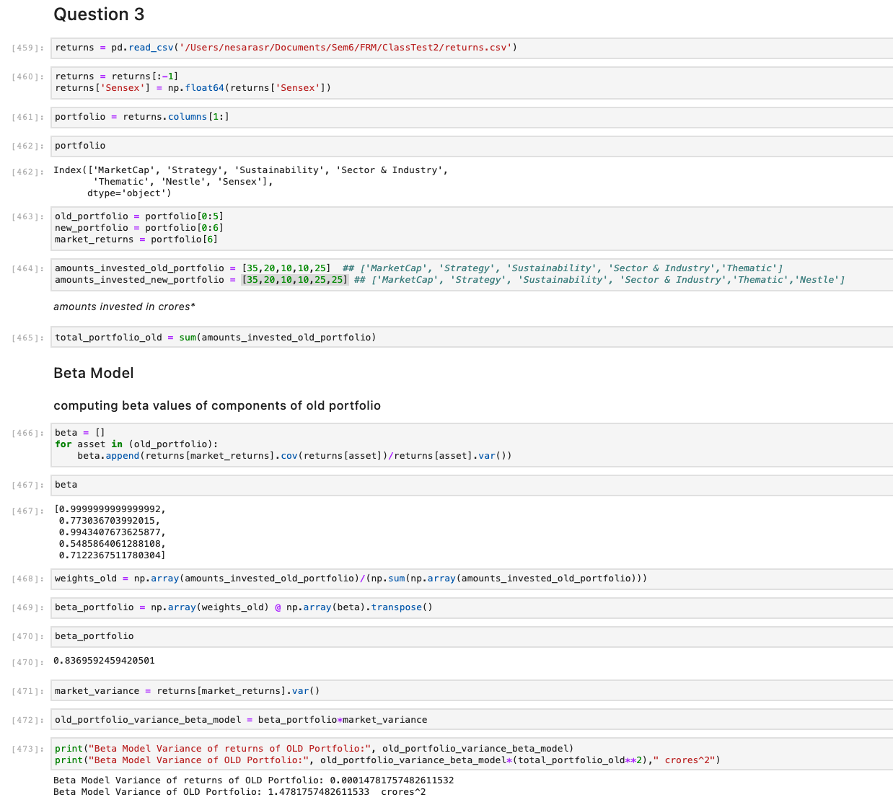
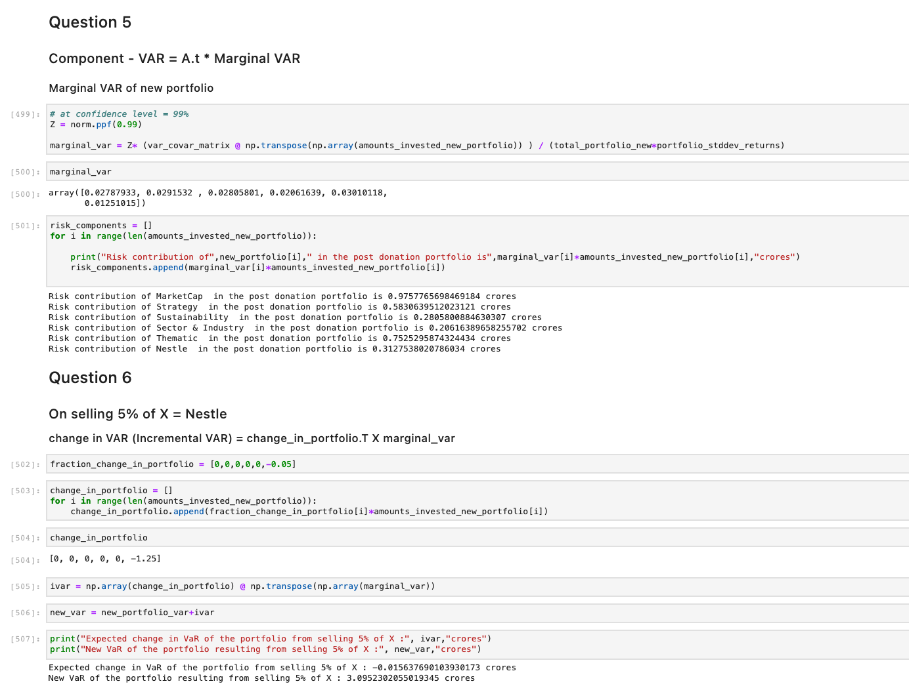
0.012091400874
0.0023156344613
0.0071089792366
0.0091557684035
0.024333117582
0.048801511828
-0.012636260424
-0.011360869567
-0.019584675345
-0.010922069574
-0.015151457373
-0.0033668358551
0.0079409303686
0.01702773287
-0.0096395235947
-0.011143828953
0.0018539218653
-0.00050076039258
0.0050166914561
0.0099297279802
0.01422855685
-0.0016774117865
-0.0054593858271
0.0054025103617
0.0064098819113
0.002460775527
0.00010701845241
0.0027923880841
0.0054614994437
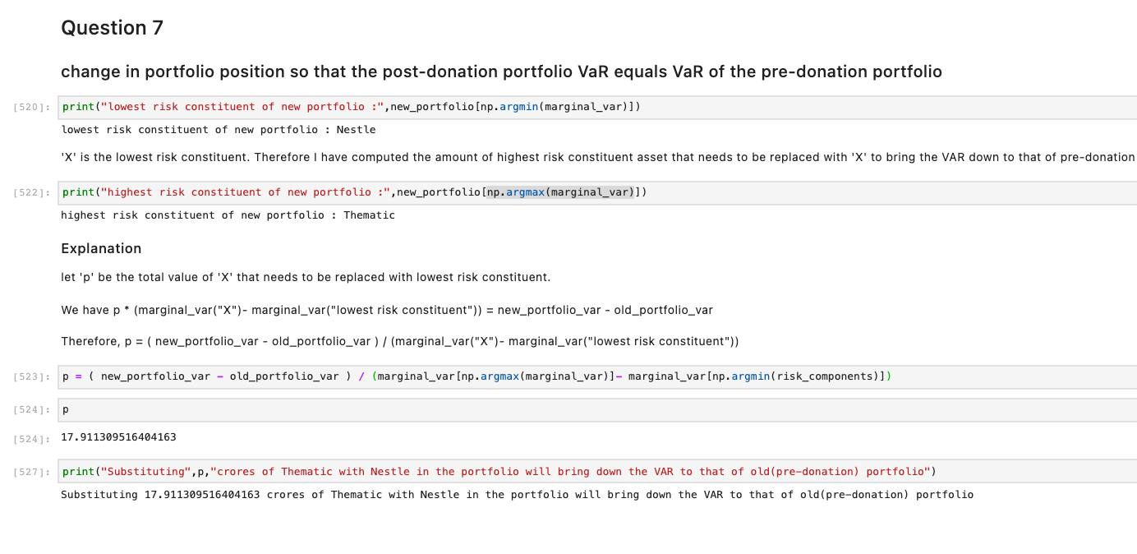
0.0080615495072
0.011333303062
0.0094643406953
0.0098892633386
-0.030413311409
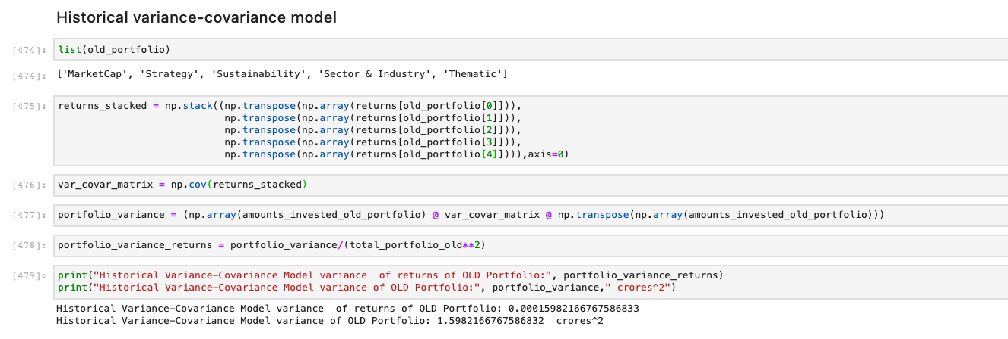
0.0014991846797
0.0047859787283
0.0086795251803
0.00020990820862
0.0033447972533
0.0030226327067
-0.0031200270185
0.010794547114
0.0039883403843
0.0076772746632
0.0099630528889
0.00032739242981
-0.00083787485798
0.011389551393
-0.002488875213
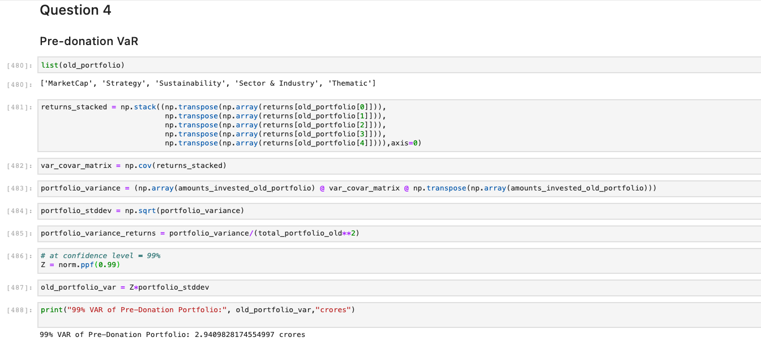
0.00980029604
-0.015731194601
0.010064851206
0.0044315972817
0.0064536773769
-0.013217096802
0.0051590465165
0.0071864111244
0.0044781380696
0.0019771852563
-0.0054394075703
0.0072756208616
0.01584241265
0.016673742066
0.013285756162
0.017668900033
0.008779037178
0.012585972634
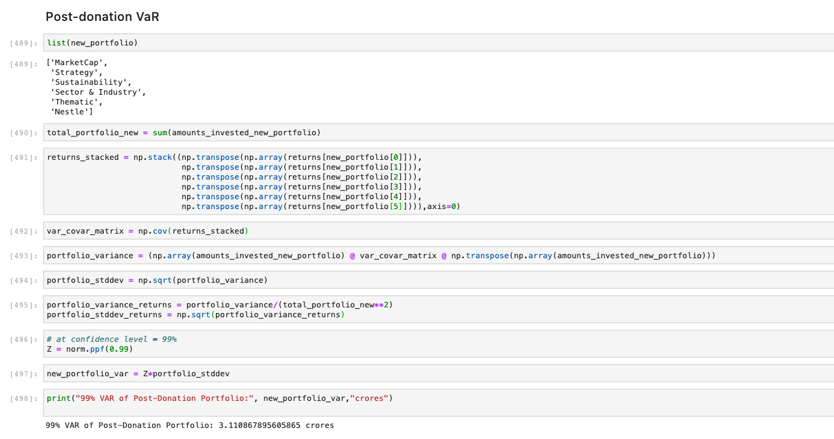
0.0036161565593
-0.0034217093228
-0.0043330052828
-0.014908431505
0.0093371498859
-0.013361409204
0.0031266338216
-0.0036625534077
0.0040107532158
0.002785272542
0.01115779388
0.0063873146734
-0.026486602641
0.0041569571131
0.00078084883044
0.0020790779355
0.0081004595016
0.0075871923896
0.0076618754974
0.01529968059
0.0071236899329
0.016391174346
0.0024910209531
-0.00022144734759
0.015735171901
0.02258777333
-0.030042401076
-0.0017415872576
-0.0079205125493
-0.021116300277
-0.0034443682273
...

