Sheet1
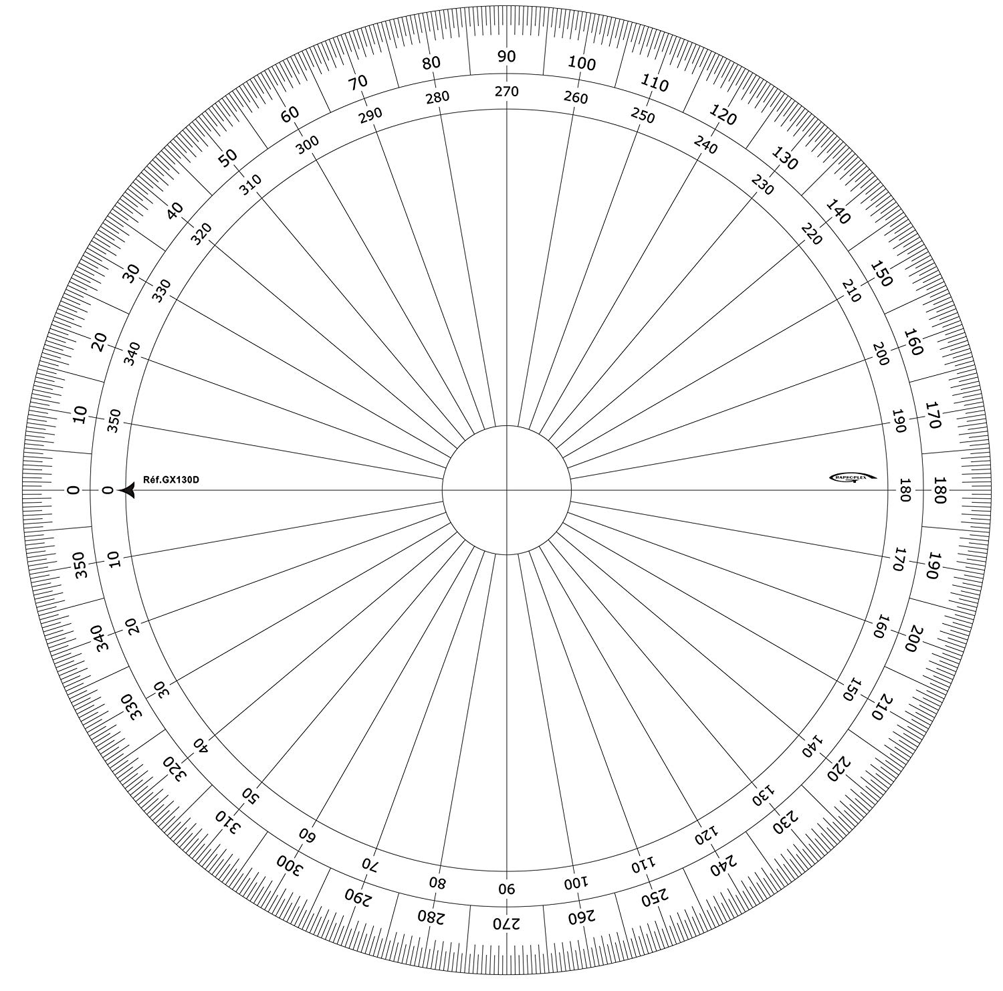
REP | Degree | Radius
1 | 350 | 3
2 | 30 | 3
3 | 210 | 2
5
4 | 190 | 1
5 | 190 | 6
3
6 | 10 | 6
7 | 40 | 7
1
8 | 140 | 1
0
9 | 120 | 5
10 | 220 | 5
11 | 140 | 1
2
12 | 190 | 1
13 | 220 | 7
4
14 | 160 | 3
15 | 290 | 7
6
16 | 70 | 4
17 | 290 | 0
18 | 300 | 1
19 | 10 | 0
20 | 200 | 7
21 | 350 | 0
22 | 190 | 1
23 | 120 | 2 | REP | Degree | Radius
24 | 0 | 7 | 45 | 30 | 4
25 | 30 | 7 | 46 | 90 | 4
26 | 120 | 4 | 47 | 110 | 7
27 | 100 | 4 | 48 | 100 | 3
28 | 70 | 0 | 49 | 280 | 5
29 | 70 | 3 | 50 | 30 | 0
30 | 40 | 0 | 51 | 40 | 0
31 | 0 | 6 | 52 | 180 | 1
32 | 210 | 5 | 53 | 150 | 0
33 | 100 | 6 | 54 | 180 | 6
34 | 340 | 4 | 55 | 150 | 7
35 | 310 | 0 | 56 | 110 | 6
36 | 200 | 7 | 57 | 190 | 3
37 | 90 | 2 | 58 | 90 | 2
38 | 70 | 7 | 59 | 40 | 6
39 | 10 | 6 | 60 | 290 | 3
40 | 290 | 1 | 61 | 300 | 7
41 | 270 | 4 | 62 | 20 | 5
42 | 230 | 0 | 63 | 100 | 2
43 | 290 | 4 | 64 | 260 | 0
44 | 350 | 2 | 65 | 330 | 5

