exhibit 2
Exhibit 2- What is science
 | INTRODUCTIVE QUESTIONS | EXPLANATION | TEACHIHNG METHODS/ ACTIVITY | link | Remarks/Assessment
 | “Can you name something in your daily life that works because of science?” “Do you think science is only about experiments in labs, or is it everywhere around us?” “Why do you think humans feel curious about the world and try to find answers?” | a way to understand the world through exploration, science helps in daily life- cooking , farming technology | 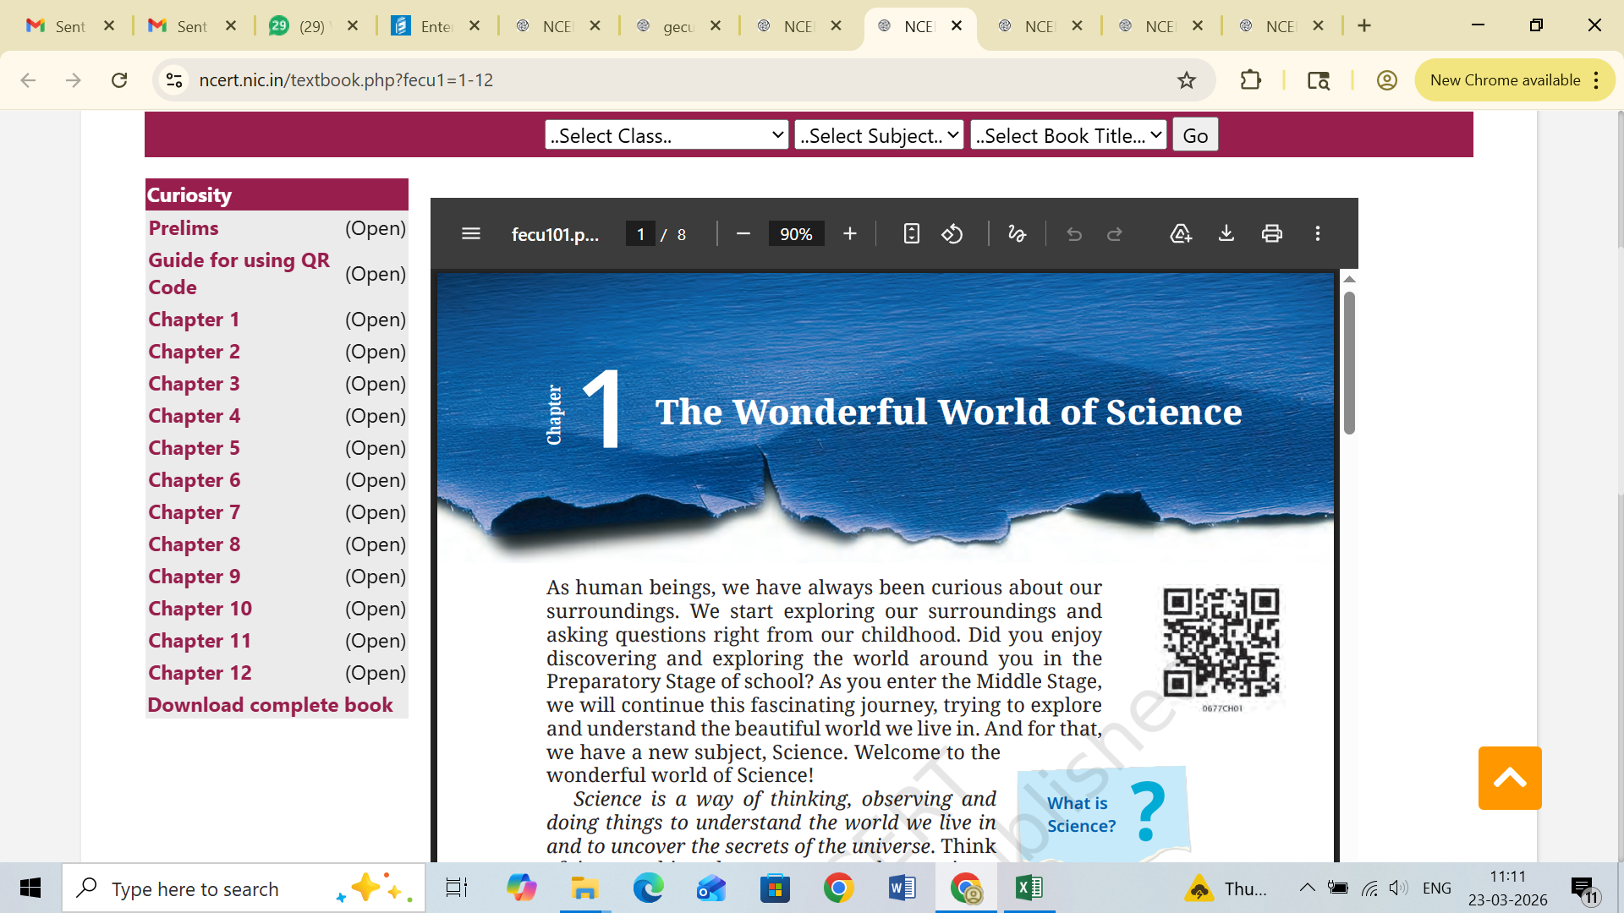 Explanation and discussion with real life examples | https://ncert.nic.in/textbook.php?fecu1=1-12 | Why is science called a wonderful subject? Explain how observation helps in learning science. What is the importance of experiments in science? How does science help us in daily life?

