Exhibit 1
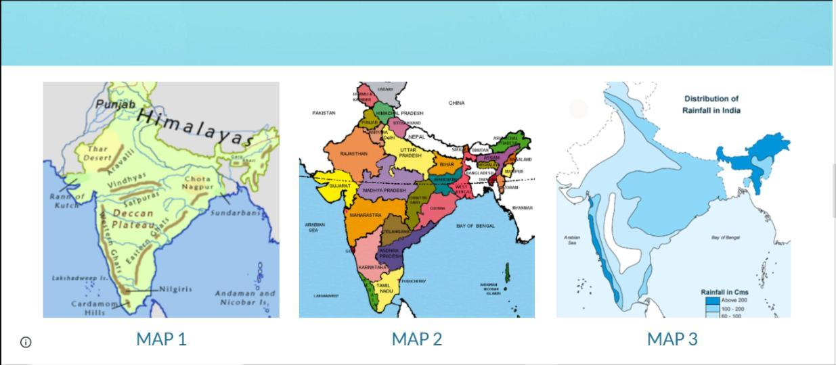
Exhibit 1-Meaning and Types Of Maps |  |  |  |  |  |  | chapter-1-locating-places-on-the-earth-1764514662.pdf
EXPLANATION |  |  |  | EXAMPLES | link | ACTIVITY | Assessment
Basis of Comparison | 🗺️ Political Map | ⛰️ Physical Map | 📊 Thematic Map | sketch of classroom | https://youtu.be/OvcGfIe-izI?si=IjROjUsZCfvc2gNZ | Map Exploration: Provide various maps for students to examine. | 1. What is a globe? 2. Define latitude and longitude. 3. What is the Equator? 4. What is the Prime Meridian? 5. Explain the difference between latitude and longitude. 6. Why is the Equator considered an important line? 8. Draw a map showing 15-20 rivers of India and explain which type of map we use for this.
Meaning | A map that shows countries, states, cities, and political boundaries. | A map that shows natural features of the Earth. | A map that shows a particular theme or topic related to an area. |  | https://youtu.be/JXjn8kJDxY0?si=iICZcbGlO0nJ3EHo
Main Purpose | To show administrative divisions and borders. | To show natural landforms and water bodies. | To show specific information like population, rainfall, crops, etc. |  |  | Travel and directions- While travelling,we use north,south,east,west directions.
Features Shown | Countries, states, capitals, cities, boundaries. | Mountains, plateaus, plains, rivers, oceans, deserts. | Population density, climate, rainfall, industries, agriculture.
Colours Used | Different colours to separate countries or states. | Colours to represent height and depth (green plains, brown mountains, blue water). | Colours or symbols to represent data or patterns. |  | https://youtu.be/HvCvANs7O7k?si=kfKrDbtfb4xT63dV | 1 Map Work
Example | Map of India showing states and capitals. | Map of India showing mountains, rivers, and plains. | Map showing rainfall distribution or population of India.
Used By | Governments, administrators, students. | Geographers, students, travelers. | Researchers, planners, geographers.

Exhibit 2
Exhibit 2-Components of maps
Component of Map | Meaning | Purpose / Use | Example | cross word | Group activity-Draw a big compass rose on the classroom floor.One student stands at the centre (Equator).Teacher calls out location like:Northern Hemisphere,Eastern Hemisphere and students move accoringly.
🧭 Direction | Direction shows the cardinal points (North, South, East, West) on a map. | Helps us know the location and direction of places. | A North arrow (N) on the map showing the top as north.
📏 Scale | Scale shows the relationship between distance on the map and actual distance on the ground. | Helps us calculate real distances between places. | Example: 1 cm = 1 km |  | 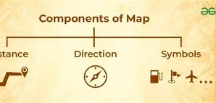
🔑 Symbols / Legend (Key) | Symbols are signs used to represent different features on a map. The legend explains these symbols. | Helps to understand what each symbol on the map means. | Blue line = river, star = capital city, triangle = mountain

Exhibit 3
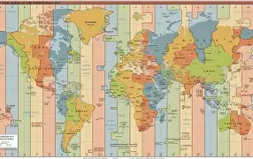
Exhibit 3-Maping the Earth
Basis of Comparison | 🌍 Latitude | 🌎 Longitude | 🌏 Equator | 🌐 Prime Meridian | https://youtu.be/HvCvANs7O7k?si=Uzol5fFj67qxp7Sp
Meaning | Imaginary horizontal lines drawn on the Earth from east to west. | Imaginary vertical lines drawn from the North Pole to the South Pole. | The 0° latitude line that divides Earth into Northern and Southern Hemispheres. | The 0° longitude line that divides Earth into Eastern and Western Hemispheres.
Direction of Lines | Run east–west. | Run north–south. | Runs east–west around the middle of Earth. | Runs north–south from pole to pole.
Main Purpose | To measure distance north or south of the Equator. | To measure distance east or west of the Prime Meridian. | Used as the starting point for measuring latitudes. | Used as the starting point for measuring longitudes.
Number of Lines | 180 lines (90° North and 90° South). | 360 lines (180° East and 180° West). | Only one Equator. | Only one Prime Meridian.
Important Feature | Parallel to each other and never meet. | Meet at the North and South Poles. | Divides Earth into two equal halves. | Passes through Greenwich, London.
Example | 23½° N (Tropic of Cancer). | 77° E longitude of India. | 0° latitude. | 0° longitude.

Exhibit 4
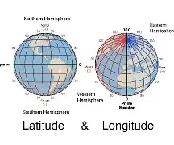
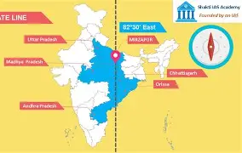
Exhibit 4-Understanding Time Zone
Basis of Comparison | ⏰ Time Zones | 🕒 Local Time | 🕓 Standard Time | 🌐 Prime Meridian (GMT)
Meaning | Regions of the Earth that have the same standard time. | The actual time of a place based on the position of the Sun. | The official time adopted by a country or region. | The 0° longitude line used as the reference for world time. | https://youtu.be/pSHr-NAIEQ8?si=VCd0bvq6un_TE5H7 | Time Zone Role Play:Assign different time zones to groups of students.Act out scenarious involving international travel.
Basis | Based on longitudes of the Earth. | Based on the Sun’s position in the sky. | Based on a selected central longitude of a country. | Based on Greenwich in London.
Purpose | To make time calculation easier across the world. | Shows the exact solar time of a place. | Maintains uniform time in a country. | Serves as the starting point for world time.
Number | Earth has 24 time zones (each about 15° longitude apart). | Different for every longitude. | Usually one standard time for a country. | Only one Prime Meridian (0°).
Example | India lies in a single time zone. | Cities at different longitudes have different local times. | Indian Standard Time (IST) – 82½° E longitude. | Greenwich Mean Time (GMT).

