Sheet1
 | ENV | SOC | ECO
ENV | 1 | 1.25 | 1.1538461538
SOC | 0.8 | 1 | 0.92307692308
ECO | 0.86666666667 | 1.0833333333 | 1
 |  |  |  | SURVEY RESULTS
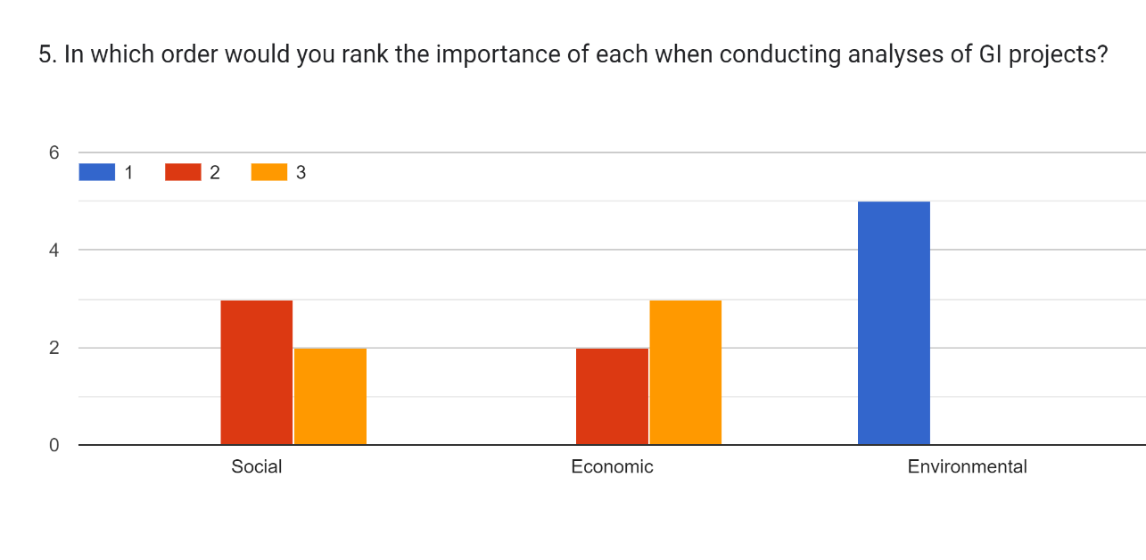

 |  |  |  | Getting the weights
 |  |  |  | Environmental = (5 x 3)/5 = | 3
 |  |  |  | Social = (2 x 3 + 3 x 2)/5 = | 2.4
 |  |  |  | Economic = (3x3 + 2x2)/5 = | 2.6

