TEF3207 V4
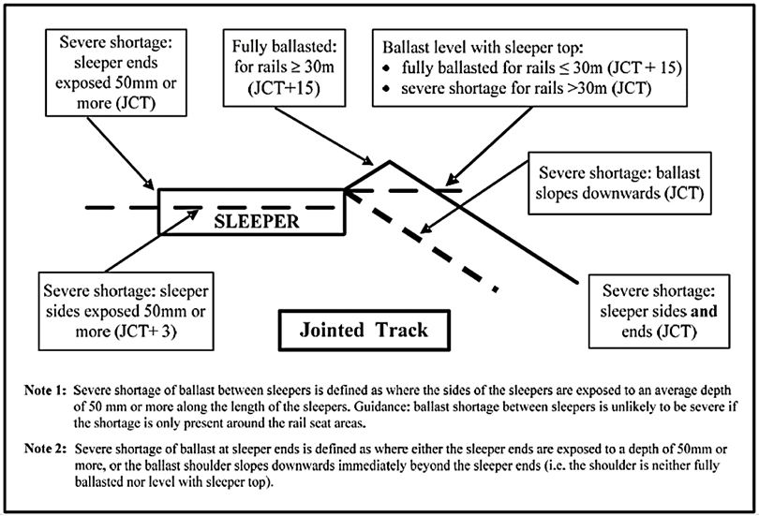
Record of Site Details for Critical Rail Temperature Calculation (to apply the requirements of NR/L2/TRK/001/mod14) |  |  |  |  |  |  |  |  |  |  | TEF 3207 issue 4
 |  |  |  |  |  |  |  |  |  |  | July 2021
 |  | Disturbed |  | Deficient | Stress Required |  | Stress Unknown |  | (delete as required) |  |  | Date:
 | If disturbed, describe work undertaken: |  |  |  |  |  |  |  |  |  |  | Site rail temperature: |  | ºC
 | (Tamp, stoneblow, manual correction to top & line, change sleepers/bearers, dig wetbeds, ballast regulation, etc.)

 | Site location details
 | Location Name: |  |  |  |  |  |  |  |  | SM[T] area:
 |  |  | ELR: |  | TID: |  | Line: |  |  |  |  | Point No(s):
 |  |  |  | Mileage From: |  | m |  | yds |  | To: |  | m | yds

 | Track type - Tick the appropriate box (boxes) |  |  |  |  |  |  |  |  |  | Rail type - Tick the appropriate box (boxes)
 | PL-CWR |  |  | S&C |  | RT60/NR60 S&C |  |  |  |  |  | BH | FB

 | PL-Jointed |  |  | Rails in excess of 30m (on curve) |  |  |  | Adj. switch |  |  |  |  | CEN60

 | Sleeper/bearer type - Tick the appropriate box (boxes)
 | Concrete |  |  | G44 |  | Wood |  | Steel |  |  | Composite

 | Number of sleepers/bearers per 60ft (18m) - Tick the appropriate box - one box only
 |  | 24-25 |  | 26-27 |  | 28-29 |  | 30+

 | Track Curvature - Tick the appropriate box - one box only |  |  |  |  |  |  |  |  |  | Lateral Resistance Plates - Tick one box only
 |  |  | Radius 350m or less |  |  |  |  |  |  |  |  | No LRPs
 |  |  | Radius between 351m and 500m |  |  |  |  |  |  |  |  | LRPs fitted and effective
 |  |  | Radius between 501m and 800m |  |  |  |  |  |  |  |  | LRPs unfastened/loosened
 |  |  | Radius between 801m and 1500m
 |  |  | Radius greater than 1500m (up to and including straight track) |  |  |  |  |  |  |  |  | Ballast type - Tick one box only
 |  |  | Curve transition |  |  |  |  |  |  |  |  | non-Granite (Ash etc)
 |  |  | Radius unknown |  |  |  |  |  |  |  |  | Stone ballast

Track condition / work activity - Tick the appropriate box (boxes)
 |  | FOR CWR ONLY |  |  |  |  | TICK |  |  | FOR JOINTED TRACK ONLY |  |  |  | TICK
 |  | 1 | Undisturbed, fully ballasted and consolidated |  |  |  |  |  |  | 1 | Undisturbed, fully ballasted and consolidated
 |  | 2 | Re-railed only (no other disturbance or deficiency) |  |  |  |  |  |  | 2 | Re-railed only (no other disturbance or deficiency)
 | Disturbance | 3 | Tamped/lined with slues/lifts up to 25mm |  |  |  |  |  | Disturbance | 3 | Tamped/Lined with slues/lifts up to 25mm
 |  | 4 | Tamped/lined with slues/lifts > 25mm |  |  |  |  |  |  | 4 | Tamped/Lined with slues/lifts > 25mm
 |  | 5 | Mechanised stoneblown |  |  |  |  |  |  | 5 | Mechanised stoneblown
 |  | 6 | Tamped or stoneblown S&C |  |  |  |  |  |  | 6 | Manual correction to top and line (MSP, Lift & pack, Kango, orbital tamper, hand-held stoneblown etc.)
 |  | 7 | Manual correction to top and line (MSP, Lift & pack, Kango, orbital tamper, hand-held stoneblown etc.) Less than 8 beds |  |  |  |  |  |  | 7 | Ballast disturbance beyond sleeper end only with fully consolidated ballast, ballast profile fully restored
 |  | 8 | Manual correction to top and line (MSP, Lift & pack, Kango, orbital tamper, hand-held stoneblown etc.) 8 beds or more |  |  |  |  |  |  | 8 | Ballast generally full between sleepers and on shoulders, but not consolidated (less than 8 beds)
 |  | 9 | Ballast disturbance beyond sleeper end only (up to 3 beds) with fully consolidated ballast under the sleepers, ballast profile fully restored |  |  |  |  |  |  | 9 | Ballast generally full between sleepers and on shoulders, but not consolidated (8 beds or more)
 |  | 10 | Ballast disturbance beyond sleeper end only (more than 3 beds) with fully consolidated ballast under the sleepers, ballast profile fully restored |  |  |  |  |  | Deficiency | 10 | Severe shortage of ballast between sleepers, extending 8 beds or more
 |  | 11 | Ballast generally full between sleepers and on shoulders, but not consolidated (less than 8 beds) |  |  |  |  |  |  | 11 | Severe shortage of ballast at sleeper ends, extending 3 beds or more.
 |  | 12 | Ballast generally full between sleepers and on shoulders, but not consolidated (8 beds or more) |  |  |  |  |  |  | 12 | Severe shortage of ballast between sleepers and at sleeper ends, extending 8 beds or more
 | Deficiency | 13 | No ballast shoulder: level with sleeper top (no other disturbance or deficiency) |  |  |  |  |  |  | 13 | 3 or more consecutive sleepers voided at 15mm or more or
 |  | 14 | Severe shortage of ballast between sleepers, extending 8 or more consecutive beds |  |  |  |  |  |  |  | 3 or more consecutive slurried beds, where ballast is not compacted against the sleeper sides/ends
 |  | 15 | Severe shortage of ballast at sleeper ends, extending 3 or more consecutive beds |  |  |  |  |  |  | 14 | Rails in excess of 30m, on curves with radii 500m to 351m, without Lateral Resistance Plates (LRP).
 |  | 16 | Severe shortage of ballast between sleepers and at sleeper ends, extending 8 or more consecutive beds |  |  |  |  |  |  | 15 | Rails in excess of 30m, on curves with radii 350m to 300m, without Lateral Resistance Plates (LRP).
 |  | 17 | 3 or more consecutive sleepers voided at 15mm or more or 3 or more consecutive slurried beds, where ballast is not compacted against the sleeper sides/ends

 | Additional comments:

 | Person in charge of work name |  |  |  |  |  |  |  |  |  | Signature
 | Post |  |  |  |  |  |  |  |  |  | Date
 |  | (eg TQS, Team leader, Works delivery Supervisor)
 | Supervisor name |  |  |  |  |  |  |  |  |  | Signature
 |  |  |  |  |  |  |  |  |  |  | Date

 |  | Notes: 1. Severe shortage of ballast between sleepers: defined as where the sides of the sleepers are exposed to an average depth of 50 mm or more along the length of the sleepers. Guidance: ballast shortage between sleepers is unlikely to be severe if the shortage is only present around the seat area. 2. Severe shortage of ballast at sleeper ends: defined as where either the sleeper ends are exposed to a depth of 50mm or more, or the ballast shoulder slopes downwards immediately beyond the sleeper ends (i.e. the shoulder is neither fully ballasted nor level with sleeper top). See NR/L2/TRK/001/mod14 Figures 2 and 3 below.

NR/L2/TRK/001/mod14, Figure 2 - Ballast deficiency guidance; CWR

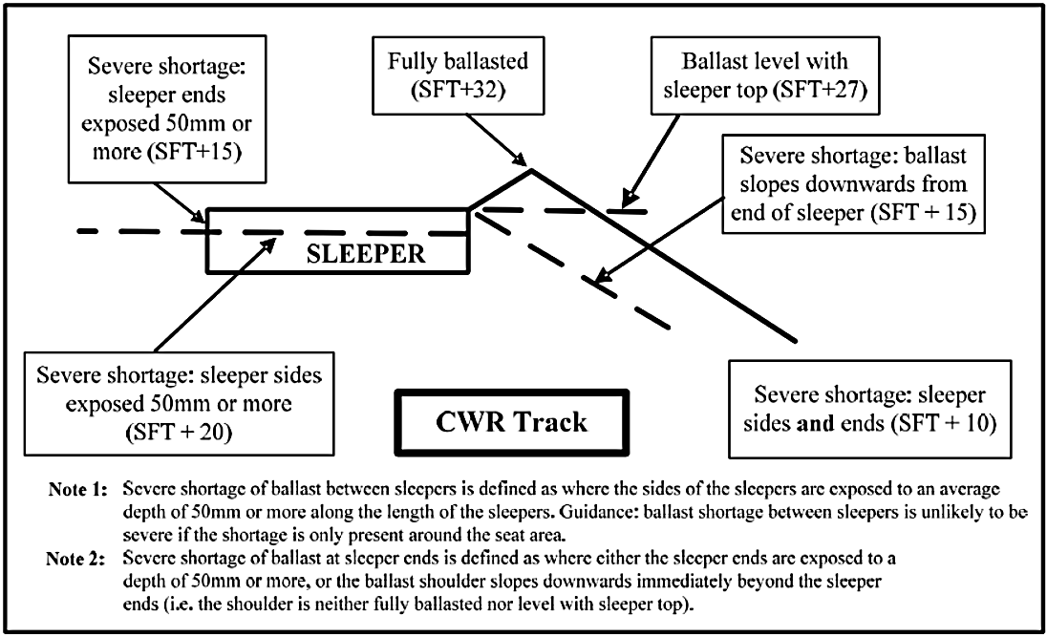

NR/L2/TRK/001/mod14, Figure 3 - Ballast deficiency guidance; jointed track

