Matthew's & gpt's
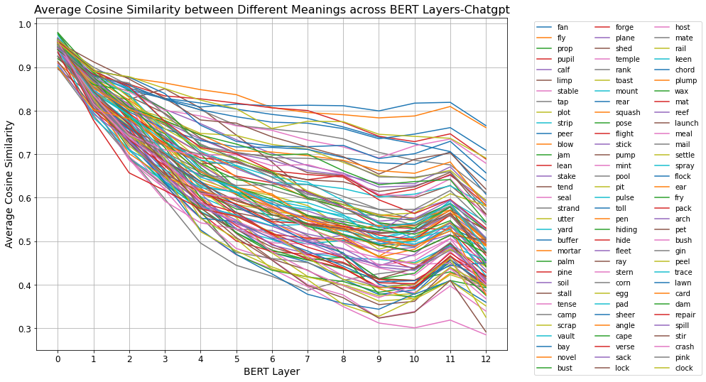
stir | crash | pink | clock | Max | Min
0.9583489 | 0.9592325 | 0.94717026 | 0.95659494 | 0.9795753 | 0.89592946
0.84482193 | 0.81570804 | 0.87776566 | 0.88972366 | 0.9122923 | 0.77804995
0.76718724 | 0.7369826 | 0.86357546 | 0.8782109 | 0.8782109 | 0.6571028
0.681335 | 0.6802968 | 0.7918896 | 0.8510424 | 0.86368465 | 0.5921219
0.57859546 | 0.61007255 | 0.72380793 | 0.824354 | 0.8483097 | 0.49597806
0.5084887 | 0.5994573 | 0.68727785 | 0.8045744 | 0.83685 | 0.44484028
0.45677108 | 0.57574445 | 0.64680064 | 0.75918156 | 0.81129664 | 0.419487
0.3982199 | 0.5299379 | 0.607361 | 0.7756502 | 0.81248397 | 0.37818646
0.37016964 | 0.4970382 | 0.5903805 | 0.77476966 | 0.8113545 | 0.34986624
0.32329744 | 0.44455424 | 0.57295406 | 0.74574316 | 0.79947954 | 0.31203312
0.33690727 | 0.4553617 | 0.5733377 | 0.74102885 | 0.81733656 | 0.3010171
0.41006717 | 0.5055653 | 0.6164938 | 0.7365402 | 0.81917477 | 0.31886885
0.2918684 | 0.40519458 | 0.5385295 | 0.6911911 | 0.765635 | 0.28504354

stir | crash | pink | clock
0.958313561 | 0.955372147 | 0.941538532 | 0.955835888 | 0.974637855 | 0.924997603
0.846835529 | 0.811864003 | 0.868707313 | 0.879674315 | 0.912777321 | 0.770792176
0.768463518 | 0.733554084 | 0.85678446 | 0.86400481 | 0.886874181 | 0.661394832
0.682834604 | 0.678182412 | 0.793569426 | 0.836762722 | 0.89201749 | 0.589772452
0.580148474 | 0.607581529 | 0.729202541 | 0.813211573 | 0.842889283 | 0.518044757
0.511423749 | 0.598715443 | 0.690354574 | 0.796194443 | 0.831830491 | 0.458904319
0.459182593 | 0.574461198 | 0.644796582 | 0.750636334 | 0.81377987 | 0.422395734
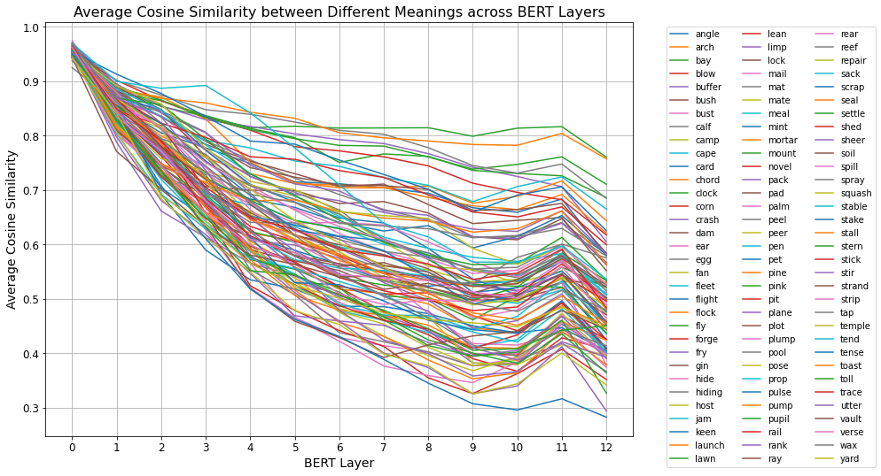
0.40035753 | 0.529790846 | 0.603644706 | 0.766363835 | 0.814033469 | 0.376702022
0.373694774 | 0.497396603 | 0.579974734 | 0.761775336 | 0.81439815 | 0.345106849
0.325676336 | 0.446126735 | 0.562726522 | 0.736066776 | 0.798760887 | 0.307304476
0.33998491 | 0.459949841 | 0.565001659 | 0.730464955 | 0.813600166 | 0.295864221
0.412057749 | 0.509203695 | 0.612859945 | 0.726017461 | 0.81641915 | 0.316368311
0.29394998 | 0.409494005 | 0.534148929 | 0.686061649 | 0.760319731 | 0.282591264
0.53484025438 | 0.60089942623 | 0.69102384023 | 0.79254385362 | 0.84402600338 | 0.48232607815
0.348664213 | 0.45954918033 | 0.57067017767 | 0.714181355 | 0.79677968233 | 0.29827459867
3.53E-05 | 0.003860353 | 0.005631728 | 0.000759052 | 0.074105794 | 0.00016457
0.002013599 | 0.003844037 | 0.009058347 | 0.010049345 | 0.065758962 | 0.000111164
0.001276278 | 0.003428516 | 0.006791 | 0.01420609 | 0.060658281 | 0.000118417
0.001499604 | 0.002114388 | 0.001679826 | 0.014279678 | 0.051760072 | 0.000329613
0.001553014 | 0.002491021 | 0.005394611 | 0.011142427 | 0.048160653 | 0.000306612
0.002935049 | 0.000741857 | 0.003076724 | 0.008379957 | 0.042378479 | 0.000124391
0.002411513 | 0.001283252 | 0.002004058 | 0.008545226 | 0.039062833 | 0.000111655
0.00213763 | 0.000147054 | 0.003716294 | 0.009286365 | 0.040056949 | 0.000147054
0.003525134 | 0.000358403 | 0.010405766 | 0.012994324 | 0.032144116 | 0.000358403
0.002378896 | 0.001572495 | 0.010227538 | 0.009676384 | 0.026662183 | 0.000105029
0.00307764 | 0.004588141 | 0.008336041 | 0.010563895 | 0.03041902 | 0.000106221
0.001990579 | 0.003638395 | 0.003633855 | 0.010522739 | 0.038715802 | 0.000141004
0.00208158 | 0.004299425 | 0.004380571 | 0.005129451 | 0.044529846 | 0.000123548

stir | crash | pink | clock
0.980794105 | 0.996639957 | 0.937979908 | 0.745547958 | 0.999950484 | 0.478338745

