TopCustTopCitiTopCountri

customer_id | first_name | last_name | country | city | total_paid_amount
225 | Arlene | Harvey | India | Ambattur | 111.76
424 | Kyle | Spurlock | China | Shanwei | 109.71
240 | Marlene | Welch | Japan | Iwaki | 106.77
486 | Glen | Talbert | Mexico | Acua | 100.77
537 | Clinton | Buford | United States | Aurora | 98.76

SQL QUERY: --top 5 cities in the top 10 countries WITH TopCitiesOfTopCountries_CTE AS ( SELECT city FROM customer a INNER JOIN address b ON a.address_id = b.address_id INNER JOIN city c ON b.city_id = c.city_id INNER JOIN country d ON c.country_id = d.country_id WHERE d.country IN ( --top 10 countries by the number of accounts SELECT country FROM customer a INNER JOIN address b ON a.address_id = b.address_id INNER JOIN city c ON b.city_id = c.city_id INNER JOIN country d ON c.country_id = d.country_id GROUP BY country ORDER BY COUNT(customer_id) DESC LIMIT 10 ) GROUP BY country, city ORDER BY COUNT(customer_id) DESC LIMIT 10 ) SELECT a.customer_id, b.first_name, b.last_name, e.country, d.city, SUM(amount) AS total_paid_amount FROM payment a INNER JOIN customer b ON a.customer_id = b.customer_id INNER JOIN address c ON b.address_id = c.address_id INNER JOIN city d ON c.city_id = d.city_id INNER JOIN country e ON d.country_id = e.country_id INNER JOIN TopCitiesOfTopCountries_CTE tc ON d.city = tc.city GROUP BY a.customer_id, b.first_name, b.last_name, e.country, d.city ORDER BY total_paid_amount DESC LIMIT 5; |  |  |  |  |  | 

revenue, rental, rating
rating | revenue | rental_count
G | 10511.88 | 2773
PG | 12236.65 | 3212
PG-13 | 13855.56 | 3585
R | 12073.03 | 3181
NC-17 | 12634.92 | 3293

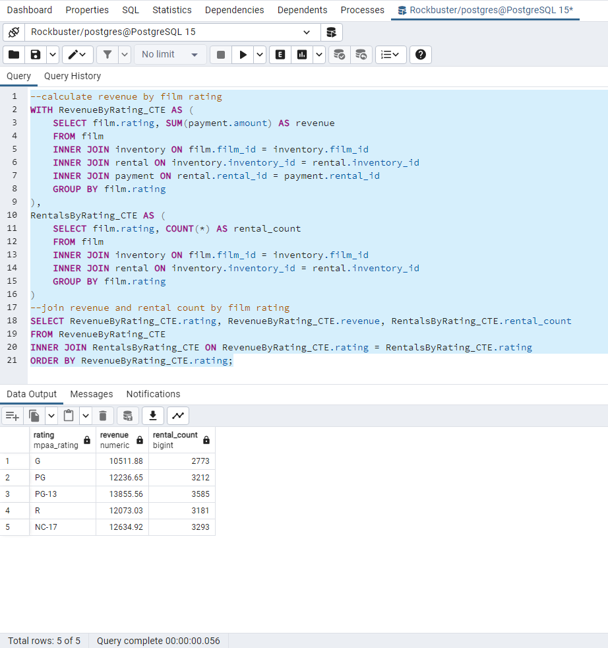 SQL QUERY: --calculate revenue by film rating WITH RevenueByRating_CTE AS ( SELECT film.rating, SUM(payment.amount) AS revenue FROM film INNER JOIN inventory ON film.film_id = inventory.film_id INNER JOIN rental ON inventory.inventory_id = rental.inventory_id INNER JOIN payment ON rental.rental_id = payment.rental_id GROUP BY film.rating ), RentalsByRating_CTE AS ( SELECT film.rating, COUNT(*) AS rental_count FROM film INNER JOIN inventory ON film.film_id = inventory.film_id INNER JOIN rental ON inventory.inventory_id = rental.inventory_id GROUP BY film.rating ) --join revenue and rental count by film rating SELECT RevenueByRating_CTE.rating, RevenueByRating_CTE.revenue, RentalsByRating_CTE.rental_count FROM RevenueByRating_CTE INNER JOIN RentalsByRating_CTE ON RevenueByRating_CTE.rating = RentalsByRating_CTE.rating ORDER BY RevenueByRating_CTE.rating;

revenue, rental, genre
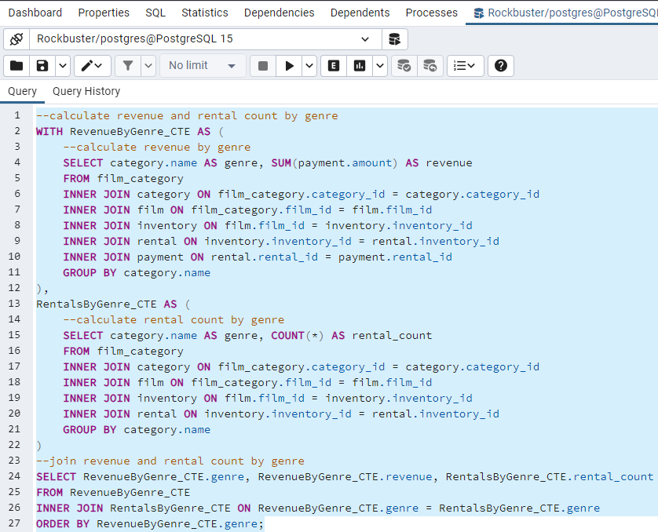
genre | revenue | rental_count
Action | 895.92 | 228
Animation | 944.93 | 226
Children | 826.08 | 212
Classics | 795.17 | 204
Comedy | 774.19 | 192
Documentary | 911.85 | 239
Drama | 742.01 | 229
Family | 987.85 | 235
Foreign | 1008.72 | 252
Games | 862.04 | 208
Horror | 740.25 | 194
Music | 593.36 | 179
New | 812.99 | 214
Sci-Fi | 820.13 | 201
Sports | 976.65 | 259
Travel | 667.2 | 203

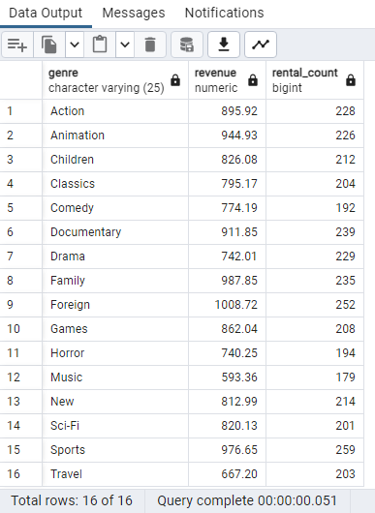 SQL QUERY: --calculate revenue and rental count by genre WITH RevenueByGenre_CTE AS ( --calculate revenue by genre SELECT category.name AS genre, SUM(payment.amount) AS revenue FROM film_category INNER JOIN category ON film_category.category_id = category.category_id INNER JOIN film ON film_category.film_id = film.film_id INNER JOIN inventory ON film.film_id = inventory.inventory_id INNER JOIN rental ON inventory.inventory_id = rental.inventory_id INNER JOIN payment ON rental.rental_id = payment.rental_id GROUP BY category.name ), RentalsByGenre_CTE AS ( --calculate rental count by genre SELECT category.name AS genre, COUNT(*) AS rental_count FROM film_category INNER JOIN category ON film_category.category_id = category.category_id INNER JOIN film ON film_category.film_id = film.film_id INNER JOIN inventory ON film.film_id = inventory.inventory_id INNER JOIN rental ON inventory.inventory_id = rental.inventory_id GROUP BY category.name ) --join revenue and rental count by genre SELECT RevenueByGenre_CTE.genre, RevenueByGenre_CTE.revenue, RentalsByGenre_CTE.rental_count FROM RevenueByGenre_CTE INNER JOIN RentalsByGenre_CTE ON RevenueByGenre_CTE.genre = RentalsByGenre_CTE.genre ORDER BY RevenueByGenre_CTE.genre;

revenue rental customer country

country | revenue | rental_count | customer_count
Afghanistan | 67.82 | 18 | 1
Algeria | 349.18 | 90 | 3
American Samoa | 47.85 | 20 | 1
Angola | 187.55 | 52 | 2
Anguilla | 99.68 | 35 | 1
Argentina | 1298.8 | 352 | 13
Armenia | 118.75 | 25 | 1
Austria | 284.3 | 78 | 3
Azerbaijan | 198.53 | 57 | 2
Bahrain | 108.76 | 25 | 1
Bangladesh | 353.19 | 95 | 3
Belarus | 271.36 | 66 | 2
Bolivia | 178.56 | 47 | 2
Brazil | 2919.19 | 748 | 28
Brunei | 107.66 | 35 | 1
Bulgaria | 194.52 | 50 | 2
Cambodia | 179.51 | 53 | 2
Cameroon | 186.49 | 54 | 2
Canada | 559.7 | 137 | 5
Chad | 122.72 | 32 | 1
Chile | 303.34 | 71 | 3
China | 5247.04 | 1426 | 53
Colombia | 661.54 | 159 | 6
Congo, The Democratic Republic of the | 168.58 | 50 | 2
Czech Republic | 132.72 | 29 | 1
Dominican Republic | 304.26 | 77 | 3
Ecuador | 369.18 | 87 | 3
Egypt | 659.48 | 161 | 6
Estonia | 105.72 | 30 | 1
Ethiopia | 91.77 | 23 | 1
Faroe Islands | 96.76 | 28 | 1
Finland | 78.79 | 26 | 1
France | 334.12 | 96 | 4
French Guiana | 97.8 | 22 | 1
French Polynesia | 205.52 | 54 | 2
Gambia | 114.73 | 30 | 1
Germany | 741.24 | 196 | 7
Greece | 204.54 | 54 | 2
Greenland | 119.72 | 34 | 1
Holy See (Vatican City State) | 146.68 | 34 | 1
Hong Kong | 104.76 | 30 | 1
Hungary | 111.71 | 29 | 1
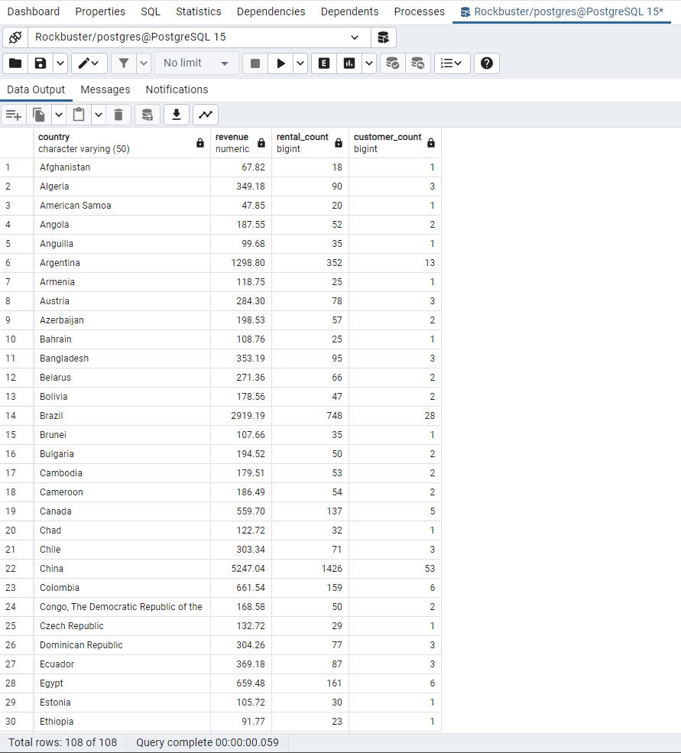
India | 6032.79 | 1572 | 60
Indonesia | 1352.69 | 367 | 14
Iran | 877.96 | 225 | 8
Iraq | 111.73 | 27 | 1
Israel | 379.13 | 99 | 4
Italy | 753.26 | 189 | 7
Japan | 3121.52 | 825 | 31
Kazakstan | 192.51 | 52 | 2
Kenya | 245.49 | 54 | 2
Kuwait | 106.75 | 26 | 1
Latvia | 249.43 | 60 | 2
Liechtenstein | 99.74 | 28 | 1
Lithuania | 63.78 | 24 | 1
Madagascar | 92.79 | 22 | 1
Malawi | 121.73 | 28 | 1
Malaysia | 330.23 | 85 | 3
Mexico | 2984.82 | 796 | 30
Moldova | 127.66 | 34 | 1
Morocco | 274.35 | 71 | 3
Mozambique | 315.25 | 80 | 3
Myanmar | 179.53 | 52 | 2
Nauru | 143.7 | 31 | 1
Nepal | 93.83 | 22 | 1
Netherlands | 557.73 | 134 | 5
New Zealand | 85.77 | 24 | 1
Nigeria | 1314.92 | 352 | 13
North Korea | 107.71 | 31 | 1
Oman | 161.56 | 50 | 2
Pakistan | 473.84 | 128 | 5
Paraguay | 273.4 | 62 | 3
Peru | 407.01 | 112 | 4
Philippines | 2219.7 | 568 | 20
Poland | 786.16 | 203 | 8
Puerto Rico | 224.48 | 61 | 2
Romania | 218.42 | 62 | 2
Runion | 211.55 | 46 | 1
Russian Federation | 2765.62 | 713 | 28
Saint Vincent and the Grenadines | 64.82 | 25 | 1
Saudi Arabia | 452.94 | 121 | 5
Senegal | 95.76 | 25 | 1
Slovakia | 80.77 | 26 | 1
South Africa | 1069.46 | 285 | 11
South Korea | 527.77 | 135 | 5
Spain | 513.8 | 142 | 5
Sri Lanka | 103.73 | 30 | 1
Sudan | 202.51 | 54 | 2
Sweden | 139.67 | 34 | 1
Switzerland | 248.41 | 61 | 3
Taiwan | 1155.1 | 305 | 10
Tanzania | 322.22 | 83 | 3
Thailand | 401.08 | 96 | 3
Tonga | 64.84 | 18 | 1
Tunisia | 73.78 | 23 | 1
Turkey | 1498.49 | 388 | 15
Turkmenistan | 126.74 | 27 | 1
Tuvalu | 93.78 | 26 | 1
Ukraine | 675.53 | 158 | 6
United Arab Emirates | 305.25 | 84 | 3
United Kingdom | 848.97 | 219 | 9
United States | 3694.27 | 968 | 36
Venezuela | 632.43 | 170 | 7
Vietnam | 676.45 | 172 | 6
Virgin Islands, U.S. | 121.69 | 32 | 1
Yemen | 473.93 | 117 | 4
Yugoslavia | 233.49 | 57 | 2
Zambia | 121.7 | 33 | 1

SQL QUERY: --calculate revenue by country WITH RevenueByCountry_CTE AS ( SELECT country.country, SUM(payment.amount) AS revenue FROM country INNER JOIN city ON country.country_id = city.country_id INNER JOIN address ON city.city_id = address.city_id INNER JOIN customer ON address.address_id = customer.address_id INNER JOIN rental ON customer.customer_id = rental.customer_id INNER JOIN payment ON rental.rental_id = payment.rental_id GROUP BY country.country ), RentalsByCountry_CTE AS ( SELECT country.country, COUNT(*) AS rental_count FROM country INNER JOIN city ON country.country_id = city.country_id INNER JOIN address ON city.city_id = address.city_id INNER JOIN customer ON address.address_id = customer.address_id INNER JOIN rental ON customer.customer_id = rental.customer_id GROUP BY country.country ), CustomerCountByCountry_CTE AS ( SELECT country.country, COUNT(*) AS customer_count FROM country INNER JOIN city ON country.country_id = city.country_id INNER JOIN address ON city.city_id = address.city_id INNER JOIN customer ON address.address_id = customer.address_id GROUP BY country.country ) --join revenue, rental count, and customer count by country SELECT RevenueByCountry_CTE.country, RevenueByCountry_CTE.revenue, RentalsByCountry_CTE.rental_count, CustomerCountByCountry_CTE.customer_count FROM RevenueByCountry_CTE INNER JOIN RentalsByCountry_CTE ON RevenueByCountry_CTE.country = RentalsByCountry_CTE.country INNER JOIN CustomerCountByCountry_CTE ON RevenueByCountry_CTE.country = CustomerCountByCountry_CTE.country ORDER BY RevenueByCountry_CTE.country;

