Feuille1
Compounds | δD | δP | δH | Type | CAS | R0
Acetone | 15.5 | 10.4 | 7 | 1 | 67-64-1 | 0 | Types :
Acetonitrile | 15.3 | 18 | 6.1 | 0 | 75-05-8 | 0 | 0 | Non-Green
n-Amyl Acetate | 15.8 | 3.3 | 6.1 | 1 | 628-63-7 | 0 | 1 | ''Green"
n-Amyl Alcohol | 15.9 | 5.9 | 13.9 | 1 | 71-41-0 | 0 | 2 | Simulated
Benzene | 18.4 | 0 | 2 | 0 | 71-43-2 | 0
Benzyl Alcohol | 18.4 | 6.3 | 13.7 | 0 | 100-51-6 | 0
Benzyl Benzoate | 20 | 5.1 | 5.2 | 0 | 120-51-4 | 0
1-Butanol | 16 | 5.7 | 15.8 | 1 | 71-36-3 | 0
2-Butanol | 15.8 | 5.7 | 14.5 | 1 | 78-92-2 | 0
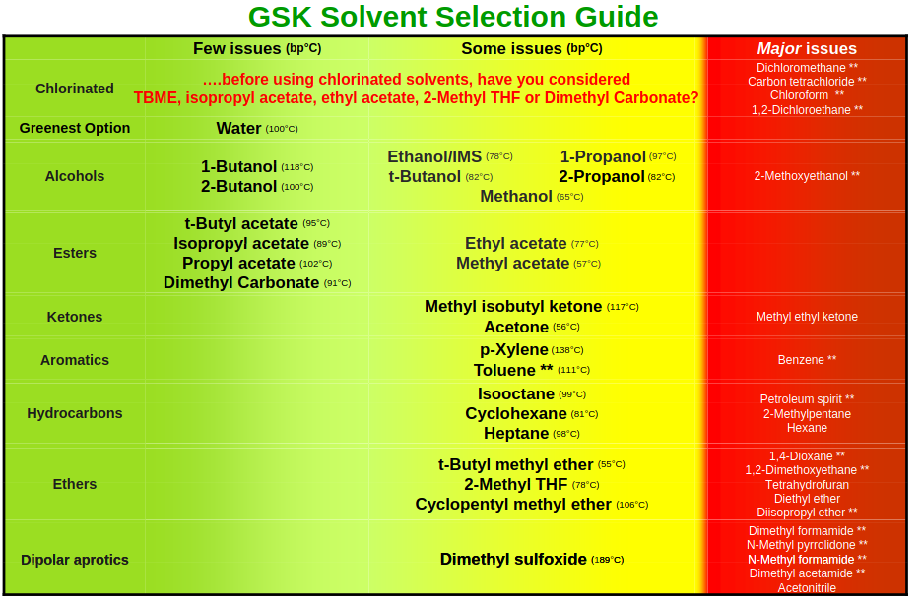
n-Butyl Acetate | 15.8 | 3.7 | 6.3 | 1 | 123-86-4 | 0
t-Butyl Acetate | 15 | 3.7 | 6 | 1 | 540-88-5 | 0
t-Butyl Alcohol | 15.2 | 5.1 | 14.7 | 1 | 75-65-0 | 0
Butyl Benzoate | 18.3 | 5.6 | 5.5 | 0 | 136-60-7 | 0
Butyl Diglycol Acetate | 16 | 4.1 | 8.2 | 0 | 124-17-4 | 0
Butyl Glycol Acetate | 15.3 | 7.5 | 6.8 | 0 | 111-77-3 | 0
n-Butyl Propionate | 15.7 | 5.5 | 5.9 | 1 | 590-01-2 | 0
Caprolactone (Epsilon) | 19.7 | 15 | 7.4 | 0 | 502-44-3 | 0
Chloroform | 17.8 | 3.1 | 5.7 | 0 | 67-66-3 | 0
m-Cresol | 18.5 | 6.5 | 13.7 | 0 | 108-39-4 | 0
Cyclohexane | 16.8 | 0 | 0.2 | 0 | 110-82-7 | 0
Cyclohexanol | 17.4 | 4.1 | 13.5 | 0 | 108-93-0 | 0
Cyclohexanone | 17.8 | 8.4 | 5.1 | 0 | 108-94-1 | 0
Di-isoButyl Ketone | 16 | 3.7 | 4.1 | 0 | 108-83-8 | 0
Diacetone Alcohol | 15.8 | 8.2 | 10.8 | 0 | 123-42-2 | 0
Diethyl Ether | 14.5 | 2.9 | 4.6 | 0 | 60-29-7 | 0
Diethylene Glycol Monobutyl Ether | 16 | 7 | 10.6 | 0 | 112-34-5 | 0
Dimethyl Cyclohexane | 16.1 | 0 | 1.1 | 0 | 1067-44-5 | 0
Dimethyl Sulfoxide (DMSO) | 18.4 | 16.4 | 10.2 | 1 | 67-68-5 | 0
1,4-Dioxane | 17.5 | 1.8 | 9 | 0 | 123-91-1 | 0
1,3-Dioxolane | 18.1 | 6.6 | 9.3 | 0 | 646-06-0 | 0
Dipropylene Glycol | 16.5 | 10.6 | 17.7 | 0 | 25265-71-8 | 0
Dipropylene Glycol Methyl Ether | 15.5 | 5.7 | 11.2 | 0 | 34590-94-8 | 0
Dipropylene Glycol Mono n-Butyl Ether | 15.7 | 6.5 | 10 | 0 | 29911-28-2 | 0
Ethanol | 15.8 | 8.8 | 19.4 | 1 | 64-17-5 | 0
Ethyl Acetate | 15.8 | 5.3 | 7.2 | 1 | 141-78-6 | 0
Ethyl Benzene | 17.8 | 0.6 | 1.4 | 0 | 100-41-4 | 0
Ethyl Lactate | 16 | 7.6 | 12.5 | 1 | 97-64-3 | 0
Ethylene Carbonate | 18 | 21.7 | 5.1 | 0 | 96-49-1 | 0
Ethylene Glycol | 17 | 11 | 26 | 0 | 107-21-1 | 0
Ethylene Glycol Monobutyl Ether | 16 | 5.1 | 12.3 | 0 | 111-76-2 | 0
Ethylene Glycol Monomethyl Ether | 16 | 8.2 | 15 | 0 | 109-86-4 | 0
gamma-Butyrolactone (GBL) | 18 | 16.6 | 7.4 | 0 | 96-48-0 | 0
Glycerol Carbonate | 17.9 | 25.5 | 17.4 | 1 | 931-40-8 | 0
Heptane | 15.3 | 0 | 0 | 0 | 142-82-5 | 0
Hexane | 14.9 | 0 | 0 | 0 | 110-54-3 | 0
Iso-Butanol | 15.1 | 5.7 | 15.9 | 1 | 78-83-1 | 0
Iso-Butyl Isobutyrate | 15.1 | 2.8 | 5.8 | 1 | 97-85-8 | 0
Iso-Pentyl Acetate | 15.3 | 3.1 | 7 | 1 | 110-43-0 | 0
iso-Pentyl Alcohol | 15.8 | 5.2 | 13.3 | 1 | 123-51-3 | 0
Iso-Propyl Acetate | 14.9 | 4.5 | 8.2 | 1 | 108-21-4 | 0
Iso-Propyl Ether | 15.1 | 3.2 | 3.2 | 0 | 108-20-3 | 0
Isophorone | 17 | 8 | 5 | 0 | 78-59-1 | 0
d-Limonene | 17.2 | 1.8 | 4.3 | 1 | 5989-27-5 | 0
Methanol | 14.7 | 12.3 | 22.3 | 1 | 67-56-1 | 0
Methyl Acetate | 15.5 | 7.2 | 7.6 | 1 | 79-20-9 | 0
Methyl Carbitol | 16.2 | 7.8 | 12.6 | 0 | 111-77-3 | 0
Methyl Cellosolve | 16 | 8.2 | 15 | 0 | 109-86-4 | 0
Methyl Cyclohexane | 16 | 0 | 1 | 0 | 108-87-2 | 0
Methyl Ethyl Ketone (MEK) | 16 | 9 | 5.1 | 0 | 78-93-3 | 0
Methyl iso-Amyl Ketone | 16 | 5.7 | 4.1 | 0 | 110-43-0 | 0
Methyl iso-Butyl Carbinol | 15.4 | 3.3 | 12.3 | 0 | 108-11-2 | 0
Methyl Iso-Butyl Ketone (MIBK) | 15.3 | 6.1 | 4.1 | 1 | 108-10-1 | 0
Methyl Oleate | 16.2 | 3.8 | 4.5 | 1 | 112-62-9 | 0
Methyl Propyl Ketone | 16 | 7.6 | 4.7 | 0 | 107-87-9 | 0
N-Methyl-2-Pyrrolidone (NMP) | 18 | 12.3 | 7.2 | 0 | 872-50-4 | 0
Methylene Chloride | 17 | 7.3 | 7.1 | 0 | 75-09-2 | 0
N,N-Dimethyl Acetamide | 16.8 | 11.5 | 10.2 | 0 | 127-19-5 | 0
N,N-Dimethyl Formamide (DMF) | 17.4 | 13.7 | 11.3 | 0 | 68-12-2 | 0
1-Nitropropane | 16.6 | 12.3 | 5.5 | 0 | 108-03-2 | 0
2-Phenoxy Ethanol | 17.8 | 5.7 | 14.3 | 0 | 122-99-6 | 0
2-Propanol | 15.8 | 6.1 | 16.4 | 1 | 67-63-0 | 0
1-Propanol | 16 | 6.8 | 17.4 | 1 | 71-23-8 | 0
n-Propyl Acetate | 15.3 | 4.3 | 7.6 | 1 | 109-60-4 | 0
n-Propyl Propanoate | 15.5 | 5.6 | 5.7 | 1 | 106-36-5 | 0
Propylene Carbonate | 20 | 18 | 4.1 | 1 | 108-32-7 | 0
Propylene Glycol Monobutyl Ether | 15.3 | 4.5 | 9.2 | 0 | 5131-66-8 | 0
Propylene Glycol Monoethyl Ether Acetate | 15.6 | 6.3 | 7.7 | 0 | 52125-53-8 | 0
Propylene Glycol Monomethyl Ether | 15.6 | 6.3 | 11.6 | 0 | 107-98-2 | 0
Propylene Glycol Monomethyl Ether Acetate | 15.6 | 5.6 | 9.8 | 0 | 108-65-6 | 0
Propylene Glycol Phenyl Ether | 17.4 | 5.3 | 11.5 | 0 | 770-35-4 | 0
sec-Butyl Acetate | 15 | 3.7 | 7.6 | 1 | 105-46-4 | 0
Sulfolane (Tetramethylene Sulfone) | 18 | 18 | 9.9 | 0 | 126-33-0 | 0
Tetrahydrofuran (THF) | 16.8 | 5.7 | 8 | 0 | 109-99-9 | 0
Tetrahydrofurfuryl Alcohol | 17.8 | 8.2 | 12.9 | 0 | 97-99-4 | 0
Toluene | 18 | 1.4 | 2 | 0 | 108-88-3 | 0
Xylene | 17.6 | 1 | 3.1 | 0 | 1330-20-7 | 0
H2O | 15.5 | 16 | 42.3 | 1 | 7732-18-5 | 0
Cyrene | 18.7 | 10.5 | 6.9 | 2 | 95-47-6 | 0
2-MeTHF | 16.963 | 5.33 | 4.995 | 2 | 96-47-9 | 0
MTBE | 14.8 | 4.3 | 5 | 1 | 1634-04-4 | 0
Chlorobenzene | 19 | 4.3 | 2 | 0 | 108-90-7 | 0
Acetic Acid | 14.5 | 5.3 | 7.2 | 1 | 64-19-7 | 0
Formic Acid | 14.3 | 11.9 | 16.6 | 0 | 64-18-6 | 0
Triethylamine | 14.6 | 3.7 | 1.9 | 0 | 121-44-8 | 0
CPME | 16.7 | 4.3 | 4.3 | 1 | 5614-37-9 | 0
Oleic Acid | 17.4 | 2.67 | 6.43 | 1 | 112-80-1 | 0
Oleanolic Aldehyde | 16.352 | 6.842 | 7.871 | 2 | 0 | 0
Acetone/H2O 9/1 | 15.5 | 12.9 | 10.53 | 1 | 0 | 0

