Load nodes
Bus_index | adjustable | p_min_factor | p_max_factor | utility_value_multiplier | utility_curvature_multiplier
2 | FALSE | 0.8 | 1.2 | 5 | 2
3 | FALSE | 0.8 | 1.2 | 5 | 2
4 | TRUE | 0.8 | 1.2 | 5 | 2
5 | FALSE | 0.8 | 1.2 | 5 | 2
6 | TRUE | 0.8 | 1.2 | 5 | 2
7 | FALSE | 0.8 | 1.2 | 5 | 2
8 | TRUE | 0.8 | 1.2 | 5 | 2
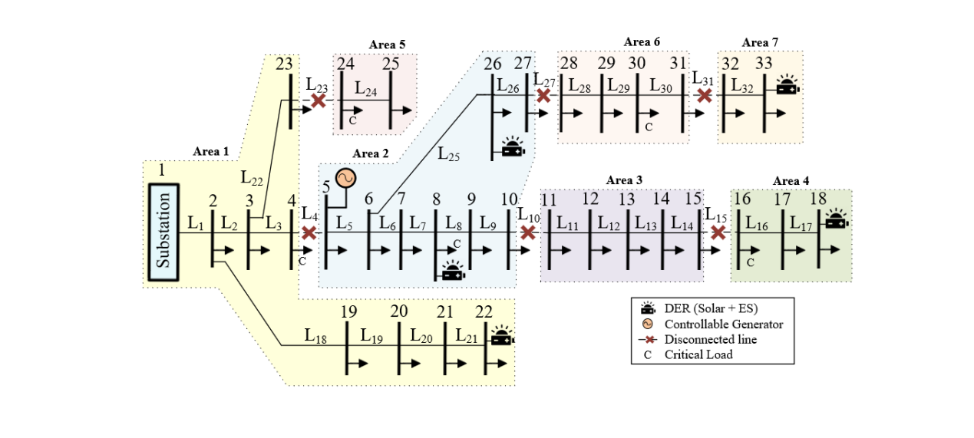
9 | FALSE | 0.8 | 1.2 | 5 | 2
10 | FALSE | 0.8 | 1.2 | 5 | 2
11 | FALSE | 0.8 | 1.2 | 5 | 2
12 | TRUE | 0.8 | 1.2 | 5 | 2
13 | FALSE | 0.8 | 1.2 | 5 | 2
14 | FALSE | 0.8 | 1.2 | 5 | 2
15 | FALSE | 0.8 | 1.2 | 5 | 2
16 | FALSE | 0.8 | 1.2 | 5 | 2
17 | FALSE | 0.8 | 1.2 | 5 | 2
18 | TRUE | 0.8 | 1.2 | 5 | 2
19 | TRUE | 0.8 | 1.2 | 5 | 2
20 | TRUE | 0.8 | 1.2 | 5 | 2
21 | FALSE | 0.8 | 1.2 | 5 | 2
22 | TRUE | 0.8 | 1.2 | 5 | 2
23 | TRUE | 0.8 | 1.2 | 5 | 2
24 | FALSE | 0.8 | 1.2 | 5 | 2
25 | TRUE | 0.8 | 1.2 | 5 | 2
26 | FALSE | 0.8 | 1.2 | 5 | 2
27 | FALSE | 0.8 | 1.2 | 5 | 2
28 | TRUE | 0.8 | 1.2 | 5 | 2
29 | FALSE | 0.8 | 1.2 | 5 | 2
30 | FALSE | 0.8 | 1.2 | 5 | 2
31 | FALSE | 0.8 | 1.2 | 5 | 2
32 | FALSE | 0.8 | 1.2 | 5 | 2
33 | TRUE | 0.8 | 1.2 | 5 | 2

