env
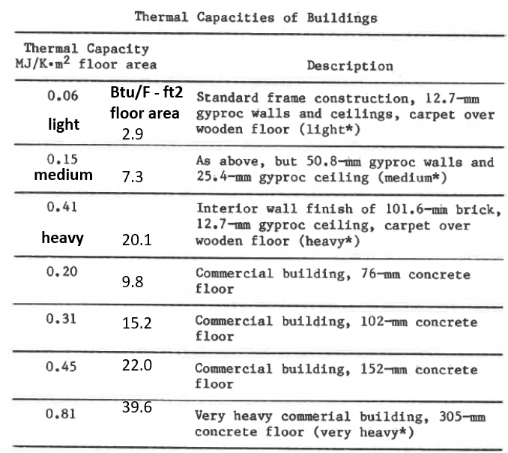
Building Structure |  |  |  |  |  |  |  |  |  |  |  | Guidance for estimating air leakage rates. |  |  |  |  |  |  |  | Table for shielding class |  |  | Table for estimating thermal mass
IntVolumeFt3 | 640,000 | Interior volume is based on interior dimensions and excludes partition walls and floors. See PHIUS guidelines. |  |  |  |  |  |  |  |  |  | Very leaky buildings may have numbers significantly higher than these guidelines.
AirLeakageRate | 0.550 | Estimate air leakage rate or use blower door test results. See guidance for estimates. |  |  |  |  |  |  |  |  |  |  | RDH | ASHRAE Fundamentals
AirLeakageRateUnits | cfm50/ft2 |  |  |  |  |  |  |  |  |  |  | Condition | CFM50/ft2 | CFM50/ft2
ShieldingClass | 2 | Value from 1 no obstructions to 5 very heavy shielding. See table. |  |  |  |  |  |  |  |  |  | Tight | 0.19 | 0.08
BuildingThermalMass | light | Identify the building construction as "light," "medium," or "heavy." See table. |  |  |  |  |  |  |  |  |  | Average | 0.54 | 0.23
 |  |  |  |  |  |  |  |  |  |  |  | Leaky | 0.77 | 0.46

 |  |  |  |  |  |  | external shading
Name | OpaqueSurfaceType | Area_ft2 | Rvalue | Azimuth_deg | Tilt_deg | SurfaceEmittance | Jan | Feb | Mar | Apr | May | Jun | Jul | Aug | Sep | Oct | Nov | Dec |  | Notes
eastWall | wall | 4,000 | 5.9 | 90 | 90 | 0.9 | 0.8 | 0.8 | 0.8 | 0.4 | 0.4 | 0.4 | 0.4 | 0.4 | 0.4 | 0.8 | 0.8 | 0.8 |  | Net area of opaque surface excluding windows, skylights, doors, and adiabatic surfaces such as a common wall with another unheated building.
southWall | wall | 4,000 | 5.9 | 180 | 90 | 0.9 | 0.55 | 0.55 | 0.55 | 0.55 | 0.55 | 0.55 | 0.55 | 0.55 | 0.55 | 0.55 | 0.55 | 0.55
westWall | wall | 4,000 | 5.9 | 270 | 90 | 0.9 | 0.57 | 0.57 | 0.57 | 0.57 | 0.57 | 0.57 | 0.57 | 0.57 | 0.57 | 0.57 | 0.57 | 0.57 |  | For a "roof" or "atticFloor" element, this should be the thermal boundary of the building associated with that component. If the building is insulated at the roof, it is the actual roof area, accounting for slope. If there is an attic insulated at the floor level, enter the area of the attic floor.
northWall | wall | 4,000 | 5.9 | 0 | 90 | 0.9 | 1.00 | 1.00 | 1.00 | 1.00 | 1.00 | 1.00 | 1.00 | 1.00 | 1.00 | 1.00 | 1.00 | 1.00
northRoof | roof | 3,000 | 14 | 0 | 30 | 0.9 | 1.00 | 1.00 | 1.00 | 1.00 | 1.00 | 1.00 | 1.00 | 1.00 | 1.00 | 1.00 | 1.00 | 1.00
southRoof | roof | 3,000 | 14 | 180 | 30 | 0.9 | 1.00 | 1.00 | 1.00 | 1.00 | 1.00 | 1.00 | 1.00 | 1.00 | 1.00 | 1.00 | 1.00 | 1.00 |  | For a door, this is the area including frame. If the door has a significant area of glass, include the glass area in glazing.
mainDoor | door | 40 | 2 | 180 | 90 | 0.9 | 0.55 | 0.55 | 0.55 | 0.55 | 0.55 | 0.55 | 0.55 | 0.55 | 0.55 | 0.55 | 0.55 | 0.55 |  | Overhanging floor refers to the floor of a portion of the building that is cantilevered or overhanging, if any.
sideDoor | door | 22 | 2 | 90 | 90 | 0.9 | 0.8 | 0.8 | 0.8 | 0.4 | 0.4 | 0.4 | 0.4 | 0.4 | 0.4 | 0.8 | 0.8 | 0.8 |  | Enter separate areas for each façade identifying the azimuth and tilt. Walls have a tilt of 90; flat roofs have a tilt of 0.
backDoor | door | 22 | 2 | 0 | 90 | 0.9 | 1.00 | 1.00 | 1.00 | 1.00 | 1.00 | 1.00 | 1.00 | 1.00 | 1.00 | 1.00 | 1.00 | 1.00 |  | Areas should be taken from building plans or from field measurements.
 |  |  |  |  |  |  |  |  |  |  |  |  |  |  |  |  |  |  |  | R values should be calculated based on a knowledge of the construction of the components.

 |  |  |  |  |  |  |  |  |  | external shading
GlazingType | Name | Quantity | Width_in | Height_in | FrameWidth_in | Uvalue | SHGC | Azimuth_deg | Tilt_deg | Jan | Feb | Mar | Apr | May | Jun | Jul | Aug | Sep | Oct | Nov | Dec | Notes
window | northWindows | 30 | 30 | 54 | 2 | 0.33 | 0.57 | 14 | 90 | 0.8 | 0.8 | 0.8 | 0.4 | 0.4 | 0.4 | 0.4 | 0.4 | 0.4 | 0.8 | 0.8 | 0.8 | For each glazing type, enter the solar heat gain coefficient (SHGC), and the U value in Btu/hr-ft2-°F. If there are two different types of glazing on one façade, use one row for each type of glazing. Estimate the shading due to trees and buildings for each month for each façade. Ideally this would be based on a shading reading taken with an instrument such as solar pathfinder. At a minimum the buildings and trees that affect each façade should be noted during the site visit.
window | southWIndows | 20 | 30 | 54 | 2 | 0.33 | 0.57 | 194 | 90 | 0.55 | 0.55 | 0.55 | 0.55 | 0.55 | 0.55 | 0.55 | 0.55 | 0.55 | 0.55 | 0.55 | 0.55
window | eastWindows | 150 | 40 | 54 | 2 | 0.33 | 0.57 | 104 | 90 | 0.57 | 0.57 | 0.57 | 0.57 | 0.57 | 0.57 | 0.57 | 0.57 | 0.57 | 0.57 | 0.57 | 0.57
window | westWindows | 30 | 30 | 54 | 2 | 0.33 | 0.57 | 284 | 90 | 0.5 | 0.5 | 0.5 | 0.5 | 0.5 | 0.5 | 0.5 | 0.5 | 0.5 | 0.5 | 0.5 | 0.5
skylight | skylights | 10 | 24 | 54 | 2 | 0.4 | 0.6 | 0 | 30 | 1.0 | 1.0 | 1.0 | 1.0 | 1.0 | 1.0 | 1.0 | 1.0 | 1.0 | 1.0 | 1.0 | 1.0 | Enter width and height of window/skylight/curtain wall unit in inches, and the number of identical units on a given façade.
 |  |  |  |  | 2 |  |  |  |  |  |  |  |  |  |  |  |  |  |  |  |  | Glazing dimensions are for the window unit, including the glass area and the window frame.

 |  |  |  |  |  |  |  |  |  |  |  |  |  |  |  |  |  |  |  |  |  | Enter separate areas for each façade identifying the azimuth and tilt. Vertical windows have a tilt of 90; skylights are at roof tilt.
 |  |  |  |  |  |  |  |  |  |  |  |  |  |  |  |  |  |  |  |  |  | Frame area will be subtracted from window unit area to determine the actual glazed area.
 |  |  |  |  |  |  |  |  |  |  |  | jan | feb | mar | skylight
Slab on Grade |  |  |  |  |  |  |  |  |  |  | solar | 0.56025 | 0.96459 | 2.2415
Perimeter_ft | Ffactor | Area_ft2 |  |  |  |  |  |  |  |  | area | 69.444444444 | 69.444444444 | 69.444444444
80 | 0.7 | 750 | This is the perimeter of a slab on grade building, or portion of a building that is slab on grade. |  |  |  |  |  |  |  |  | 217.98094037 | 338.9813066 | 872.11830049
 |  |  | The F factor is from a table in ASHRAE standard 90.1. In 90.1-2019 it is in table A6.3.1-1. |  |  |  |  |  |  |  |  | 200.7 | 312.2 | 803.1
 |  |  | The area of the slab on grade is used to determine the total six-sided shell area of the building. |  |  |  |  |  |  |  |  | 0.92072270014 | 0.920994739 | 0.92086130924

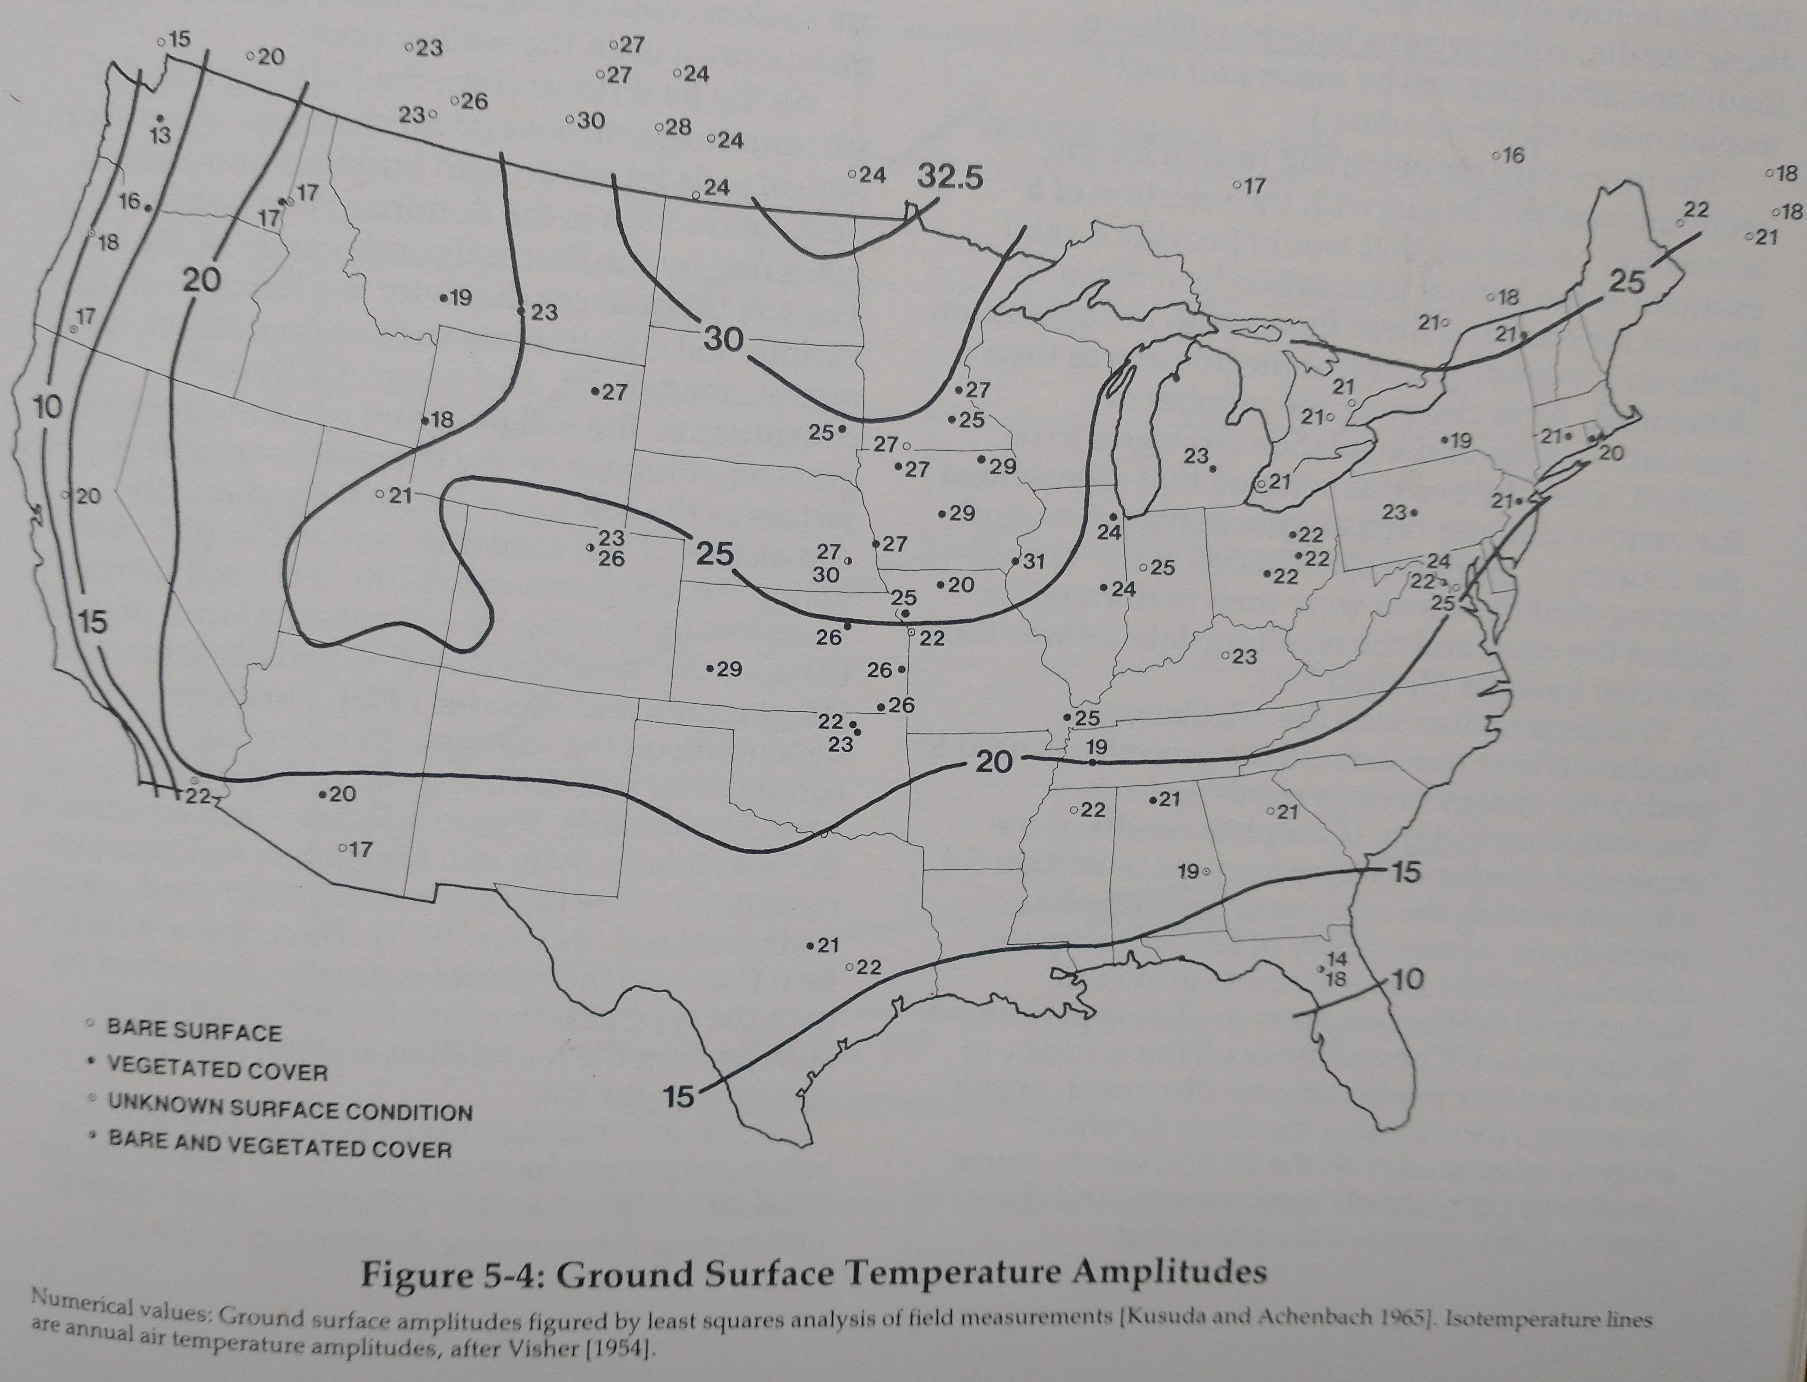
Item | 1stBGsurfaces | 2ndBGsurfaces | 3rdBGsurfaces | Units |  |  |  |  |  |  |  |  |  |  |  | US map with ground surface temperature amplitudes
BGwallArea | 880 |  |  | ft2 | Below grade wall area of a basement or crawl space if any. Portions of a basement or crawl space wall that are above grade should be entered as a normal wall type.
BGwallInsulR |  |  |  | hr-ft2-°F/Btu
BGfloorArea | 1,627 |  |  | ft2 | Below grade floor area of a basement or crawl space. If the building is slab on grade, enter zero here.
BGfloorInsulR | 5 |  |  | hr-ft2-°F/Btu
BasementTempSetpoint | 70 |  |  | F
BasementDepthBelowGrade | 4 |  |  | ft | Or crawl space. If the grade slopes, take an average value.
WallInsulDepthBelowGrade | 4 |  |  | ft | The depth below grade that is insulated, if any.
BasementPerimeter | 100 |  |  | ft | The perimeter of the below grade basement or crawl space.
BasementMinDimension | 20 |  |  | ft | The smallest dimension of the footprint. For a rectangular space, this is just the shortest side.
SoilThermalConductivity | k typical |  |  | Btu/h-ft-°F | Use drop down menu. If not known, the "typical" value is default.
GroundSurfaceTempAmplitude | 22 |  |  | F | This is specific to location, and is found in figure 13 on page 18.40 in the 2021 ASHRAE Fundamentals Handbook, or on page 85 of "Building Foundation Design Handbook," Labs et al., Underground Space Center, University of Minnesota, 1988. See US map with temperatures.
GroundMeanAnnualTemp | 52 |  |  | F | This can be approximated as the mean annual air temperature at a location.
PhaseConstantForTimeLag | 35 |  |  | days | This is used to calculate the ground surface temperature in each month. It is the number of days after January 1 when the ground surface temperature is at a minimum. A value of 35 days should be sufficient for northeastern US. Data from page 81 in "Building Foundation Design Handbook," Labs et al., Underground Space Center, University of Minnesota, 1988.

Soil thermal conductivity and wall uninsulated R value
soilType | value | units
k typical | 0.8 | Btu/h-ft-°F | These are fixed values of soil conductivity used for calculating below grade heat loss. The user does not need to enter values here, but they are editable by the user.
k well graded | 1.5 | Btu/h-ft-°F
k dry, fine-grained | 0.5 | Btu/h-ft-°F
k damp, fine-grained | 0.7 | Btu/h-ft-°F
k wet, fine grained | 1.0 | Btu/h-ft-°F
R typical uninsulated concrete walls | 1.47 | hr-ft2-°F/Btu | This is the R value of a standard uninsulated concrete foundation wall, with the interior air film only, for use in below grade heat loss calculation.

drop down menu for opaque surface type |  | drop down menu for glazing type
wall |  | window
roof |  | skylight
atticFloor |  | curtainWall
door
overhangingFloor
adiabatic
 |  |  |  |  |  |  | 30
drop down menu for building thermal mass |  |  |  |  |  |  | 30 | 26
light |  |  |  |  |  |  | 54 | 50
medium |  |  |  |  |  |  |  | 9.0277777778
heavy |  |  |  |  |  |  |  | 270.83333333 | ft2
 |  |  |  |  |  |  |  | 0.33
drop down menu for shielding class |  |  |  |  |  |  |  | 89.375
1
2
3
4
5

