bldg new
BuildingInput | Value |  | Basic building information.
GrossArea_ft2 | 20000 | 1 | Row 1. GrossArea_ft2. Gross building area based on exterior dimensions.
GrossCondArea_ft2 | 20000 | 2 | Row 2. GrossCondArea_ft2. Gross area that is heated, i.e. excludes unconditioned basements, crawl spaces, garages.
IntCondArea_ft2 | 18602 | 3 | Row 3. IntCondArea_ft2. Conditioned area based on interior dimensions and excluding wall partitions. Use PHIUS guidelines for this for iCFA.
BldgPercentAreaCooled | 100 | 4 | Row 4. BldgPercentAreaCooled. Fraction of gross area that is cooled as integer 0 to 100.
BldgNumberOfUnits | 18 | 5 | Row 5. BldgNumberOfUnits. Number of dwelling units.
BldgNumberOf1BRunits | 0 | 6 | Row 6. BldgNumberOf1BRunits. Number of one bedroom dwelling units.
BldgNumberOf2BRunits | 15 | 7 | Row 7. BldgNumberOf2BRunits. Number of two bedroom dwelling units.
BldgNumberOf3BRunits | 0 | 8 | Row 8. BldgNumberOf3BRunits. Number of three bedroom dwelling units.
BldgNumberOf4BRunits | 3 | 9 | Row 9. BldgNumberOf4BRunits. Number of four bedroom dwelling units.
BldgNumberOfOccupants | 60 | 10 | Row 10. BldgNumberOfOccupants if known. If not, leave blank and default occupancy will be calculated based on the number of bedrooms.
BldgNumberOf Stories | 4 | 11 | Row 11. BldgNumberOf Stories. For benchmarking. Not explicitly used in the calculation.
BldgYearOfConstruction | 1940 | 12 | Row 12. BldgYearOfConstruction. For benchmarking. Not used in the calculation.
IntVolume_ft3 | 640000 | 13 | Row 13. IntVolume_ft3. Interior volume is based on interior dimensions and excludes partition walls and floors. See PHIUS guidelines.
AirLeakageRate_cfm50perFt2 | 0.55 | 14 | Row 14. AirLeakageRate_cfm50perFt2. Estimate air leakage rate or use blower door test results. See adjacent table for estimates.
ShieldingClass | 3 | 15 | Row 15. ShieldingClass. Enter an integer value from 1 no obstructions to 5 very heavy shielding. See table.
HVACstartTimePeriod1 | 6 | 16 | Row 16. HVACstartTimePeriod1. Hour as 0 to 23 integer. Time 1 period end time must be after start time. Time 1 can vary but is mainly daytime hours. The calculation assumes that solar gains occur during time period 1.
HVACendTimePeriod1 | 18 | 17 | Row 17. HVACendTimePeriod1. Hour as 0 to 23 integer. Time 2 period will be calculated automatically to be all other hours, typically night time. Within the monthly format, there is allowance for two time periods each day, allowing for setbacks.
Heat1Setpt_F | 72 | 18 | Row 18. Heat1Setpt_F. Heating 1Setpoint is the heating thermostat setpoint for time period 1, generally day time.
Heat2Setpt_F | 72 | 19 | Row 19. Heat2Setpt_F. Heating 2 Setpoint is the thermostat setpoint for heating in time period 2, often night time. If there is no setback, enter the same value for both setpoints.
Cool1Setpt_F | 72 | 20 | Row 20. Cool1Setpt_F. Cooling 1Setpoint is the thermostat cooling setpoint for time period 1.
Cool2Setpt_F | 72 | 21 | Row 21. Cool2Setpt_F. Cooling 2 Setpoint is the thermostat cooling setpoint for time period 2. If there is no setback, enter the same value for both setpoints.
TargetRHsummer | 50 | 22 | Row 22. TargetRHsummer. Enter relative humidity (RH) target as a number between 1 and 100 that the cooling system will achieve, either because of dehumidistat control, or simply because the building is effectively cooled. Value is generally between 50 and 65. If there is no cooling, do not enter a value.
TargetRHwinter | 40 | 23 | Row 23. TargetRHwinter. Not presently used in the calculation.

BuildingInput | Value
Name | SmallBuildingTest | 24 | Row 24. Name. User defined name or identifier for the building. This could be a street address or building number in a campus.
BldgPopulationType | mixed | 25 | Row 25. BldgPopulationType. Select from the drop down menu.
ThermalMass | light | 26 | Row 26. ThermalMass. Select from the drop down menu foir "light," "medium," or "heavy" thermal mass. See table.

BuildingInput | Value |  | Dates the heating and cooling systems are available. Outside of these dates, there will be no heating or cooling energy.
HeatSeasonStartDate | 2023-09-20 | 27 | Row 27. HeatSeasonStartDate. Heating season start date in the fall, usually September or October in northeastern US.
HeatSeasonEndDate | 2023-06-01 | 28 | Row 28. HeatSeasonEndDate. Heating season end date in the spring
CoolSeasonStartDate | 2023-05-15 | 29 | Row 29. CoolSeasonStartDate. Cooling season start date (spring or summer).
CoolSeasonEndDate | 2023-10-15 | 30 | Row 30. CoolSeasonEndDate. Cooling season end date (late summer or early fall).

Table for estimating thermal mass |  |  | Table for shielding class
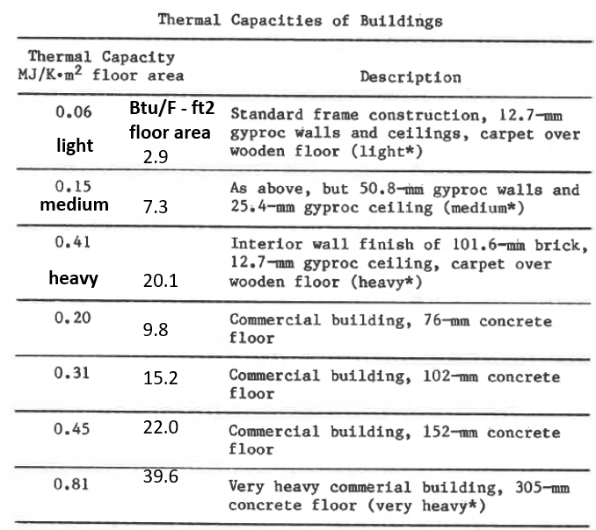

 |  |  | Guidance for estimating air leakage rates.
 |  |  | Very leaky buildings may have numbers significantly higher than these guidelines.
 |  |  |  | RDH | ASHRAE Fundamentals
 |  |  | Condition | CFM50/ft2 | CFM50/ft2
 |  |  | Tight | 0.19 | 0.08
 |  |  | Average | 0.54 | 0.23
 |  |  | Leaky | 0.77 | 0.46

Building population type enumeration list
mixed
elderly
families

drop down menu for building thermal mass
light
medium
heavy

BGsurfaces
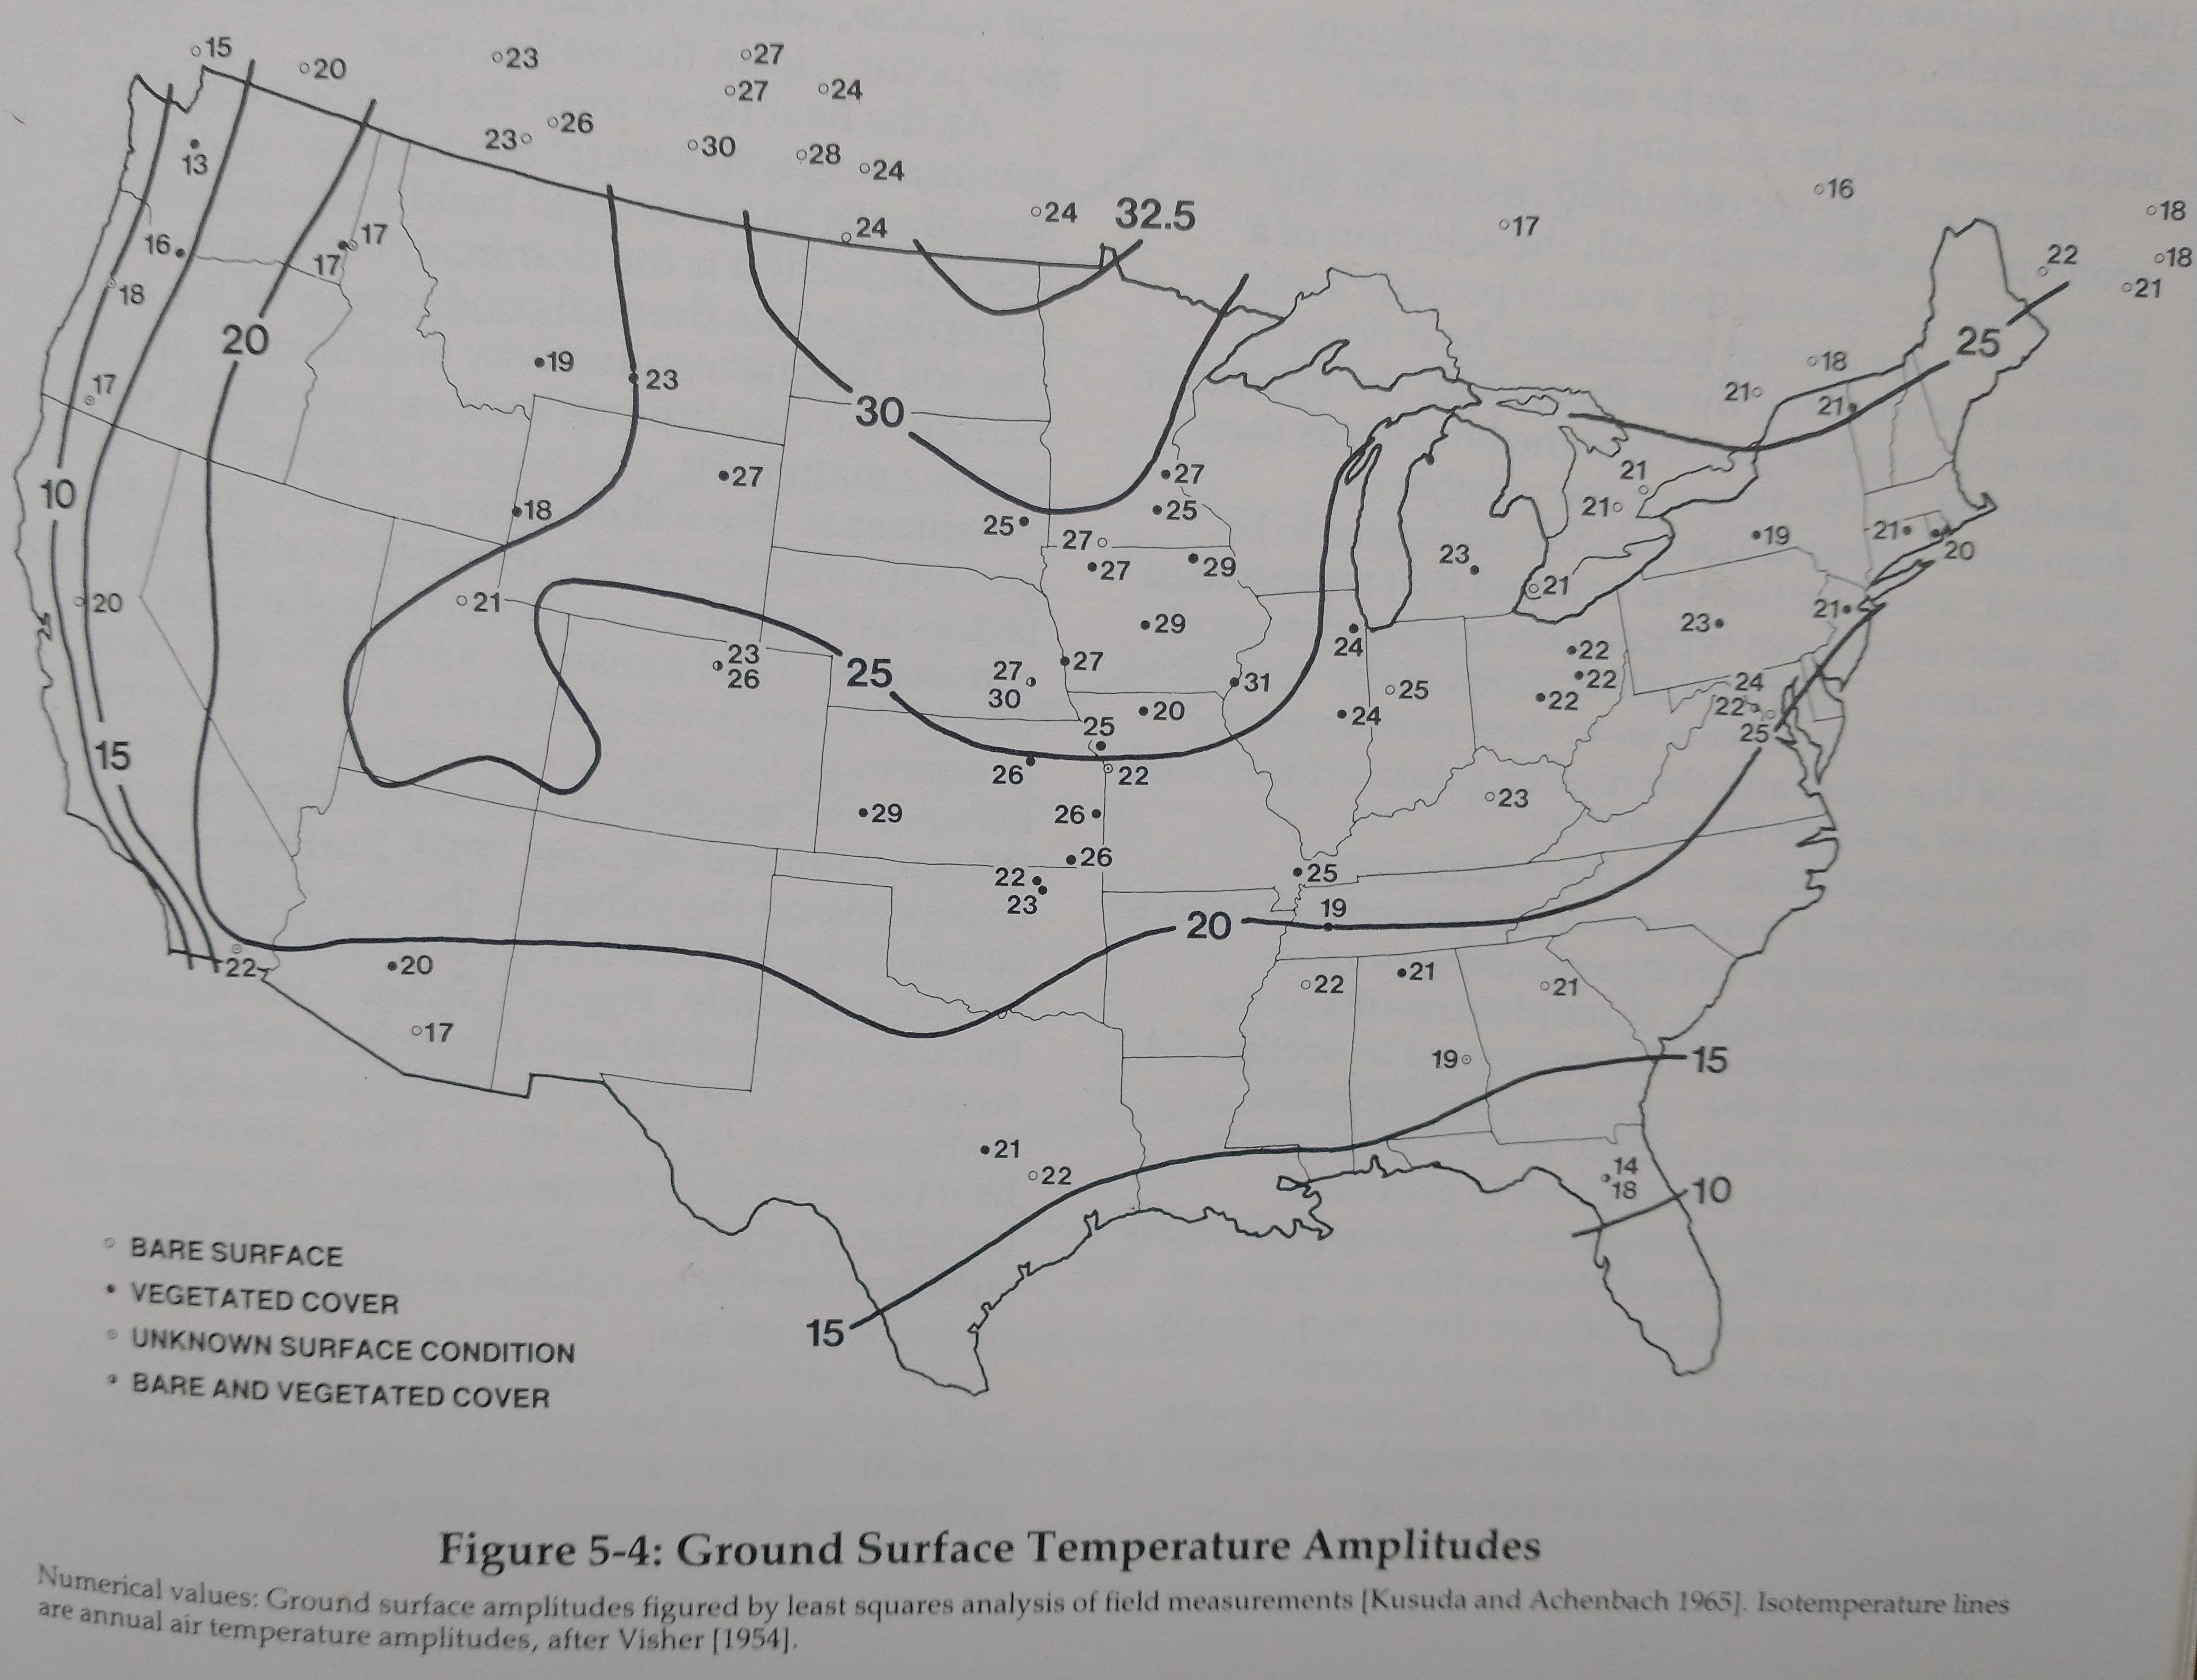
1 | 2 | 3 | 4 | 5 | 6 | 7 | 8 | 9 | 10 | 11 | 12 | 13
BGwallArea_ft2 | BGwallInsulR | WallInsulDepthBelowGrade_ft | BGfloorArea_ft2 | BGfloorInsulR | BasementDepthBelowGrade_ft | BasementTemp_F | BasementPerimeter_ft | BasementMinDimension_ft | SoilThermalConductivity | GroundSurfaceTempAmplitude_F | GroundMeanAnnualTemp_F | PhaseConstantForTimeLag_days | drop down menu for soil conductivity
880 | 4 | 4 | 1,627 | 5 | 8 | 65 | 100 | 20 | k typical | 22 | 52 | 35 | k typical
700 | 0 | 0 | 1200 | 0 | 6 | 65 | 120 | 25 | k wet, fine grained | 22 | 52 | 35 | k well graded
 |  |  |  |  |  |  |  |  |  |  |  |  | k dry, fine-grained
 |  |  |  |  |  |  |  |  |  |  |  |  | k damp, fine-grained
 |  |  |  |  |  |  |  |  |  |  |  |  | k wet, fine grained

This input block is for below grade surfaces such as basement or crawl space walls or floors. If the building does not have any below grade spaces, do not enter anything here. There is a separate input block for slab on grade construction.

Col. 1. BGwallArea_ft2. Below grade wall area of a basement or crawl space. Portions of a basement or crawl space wall that are above grade should be entered as a normal wall type in OpaqueSurfaces.

Col. 2. BGwallInsulR. The R value of any below grade wall insulation, interior or exterior. If none is present, enter 0.
Col. 3. WallInsulDepthBelowGrade_ft. Depth in feet below grade that is insulated.
Col. 4. BGfloorArea_ft2. Below grade floor area of a basement or crawl space.
Col. 5. BGfloorInsulR. The R value of any below grade floor insulation, interior or exterior. If none is present, enter 0.
Col. 6. BasementDepthBelowGrade_ft. The depth in feet of the basement or crawl space floor below grade. If the grade is sloping, take an average.
Col. 7. BasementTemp_F. Estimated average temperature of the below grade space in the heating season.
Col. 8. BasementPerimeter_ft. Perimeter of the below grade space.
Col. 9. BasementMinDimension_ft. The smallest dimension of the footprint. For a rectangular space, this is just the shortest side.
Col. 10. SoilThermalConductivity. Select from the dropdown menu for typical, well-graded, dry and fine-grained, or wet and fine-grained. If not known, leave this blank, and the "typical" value will be used as default.

Col. 11. GroundSurfaceTempAmplitude_F. If not known, leave blank and a value will be assigned based on site location. This is specific to location, and is found in figure 13 on page 18.40 in the 2021 ASHRAE Fundamentals Handbook, or on page 85 of "Building Foundation Design Handbook," Labs et al., Underground Space Center, University of Minnesota, 1988. See US map with temperatures included here.

Col. 12. GroundMeanAnnualTemp_F. If not known, leave blank and a value will be assigned based on site location. This can be approximated as the mean annual air temperature at a location.

Col. 13. PhaseConstantForTimeLag_days. If not known, leave blank and a value will be assigned based on site location. This is used to calculate the ground surface temperature in each month. It is the number of days after January 1 when the ground surface temperature is at a minimum. A value of 35 days should be sufficient for northeastern US. Data from page 81 in "Building Foundation Design Handbook," Labs et al., Underground Space Center, University of Minnesota, 1988.

 | US map with ground surface temperature amplitudes. Page 85 of "Building Foundation Design Handbook," Labs et al., Underground Space Center, University of Minnesota, 1988.

