Consolidate
 | Architecture | Azure Resources for Microservice | Supporting Tools | Management Tools | Front-End | Patterns | Principles | Database | Resilient | Latency | Load Balancing | Gateway | Security
 | Monolithic | Database | MediatR / Wolvarine/ MassTransit | Jira | MVC | CQRS | Solid | SQL Server | Polly |  | Azure API Management (APIM) | Ocelot | IdentityServer4
 | N-Tire (Layered) | EventHub / Event Grid / ServiceBus/RabbitMq | AutoMapper / Mapster | Azure Devops | React | MVC | Dry | Postgres |  |  | Azure Load Balance |  | KeyCloak
 | Service Oriented | Key-Vault | Carter - Routing | - Board | Python | Factory | ACID | Cosmos |  |  | Azure Application gateway |  | Azure B2C
 | Microservice | Azure Function | EF / Dapper / Marten/N-Hibernate | - Repo | Redux | Decorative |  | Mongo |  |  | Azure Front Door |  | Azure Entra (Active Directory)
 | - Virtical Slice | Azure Monitor /App Insights | Identity Server4 | - Pipeline |  | Bride
 | - Clean Architure | Azure B2c / Ad (Entra) | Srutor - Decorative Dependency Injection | - Test Plan
 | - Minimal Api | Blob Storage | Fluent Validation | - Artifacts
 | - Onion Architecture | Yarp Gateway / Azure Api gateway
 | Event-Driven Architecture
 |  |  | Change data Capturing (CDC)

1 | Understand the Application
2 | Requrement Analysis
3 | Design |  |  |  |  | Kubernetes |  |  |  |  |  | Microservice1 | Monolithic, Clean/Onion, Layered
 |  | Domain - Splitup | MediatR - Domain Event |  |  |  |  |  |  |  |  | Microservice2 | Monolithic, Clean/Onion, Layered
 |  | Services - Service spitup on on Domain | Wolvarine - Domain / Integrated Event |  |  |  |  |  |  |  | Application | Microservice2 | Monolithic, Clean/Onion, Layered
 |  | Service - Requirement, tools - Development, Deployment |  |  |  |  |  |  |  |  |  | Microservice2 | Monolithic, Clean/Onion, Layered
 |  | Service Communication plan

4 | Development |  |  |  |  | Manage Identity
5 | Test
6 | Release | Clean and Onion architecture almost same
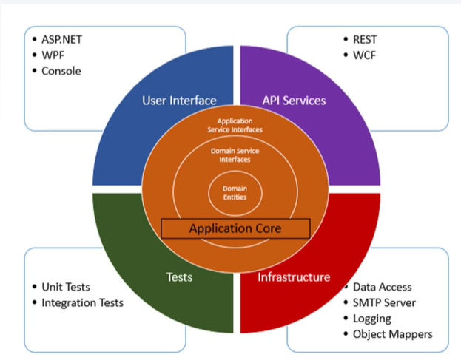
7 | Maintenance

 |  |  |  |  | Onion architecture is domain-centric with clear layers, while Clean Architecture is more explicit on use cases and provider stricter.

Resilient
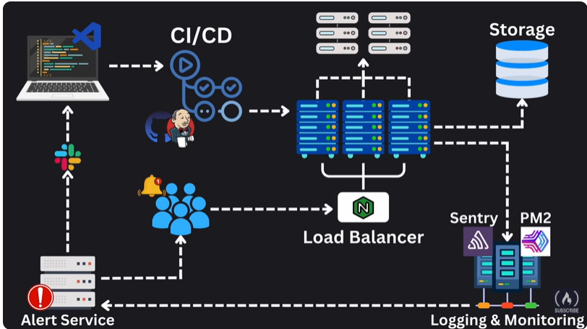

Azure Monitor
Log Analytics | Kusto Query Language
Application Insight
Azure Monitor Metrics

Azure Activity Log
Azure Service Health & Resource Health
Azure Alter
DynaTrace

 | System Design

 | System Design | Constraints
 |  | Consistency
 | There are four steps in every system design | Freshness
 | 1. Understand the problem and establish design scope | Accuracy
 | 2. Propse high-level design and get buy-in | Latency | Time delay between a user's action and application response
 | 3. Design deep dive | Scale | handling the availabilit and performance
 | 4. Wrap up | Availability | Any time application response to a users request
 |  | Resilient | How a system handling the unexpected disruption, faults and high-load situation

Architecture
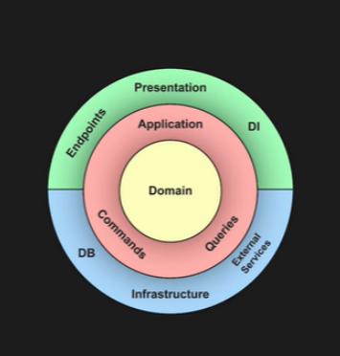
Clean Architecture
 | Veritical Slice

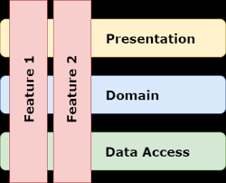
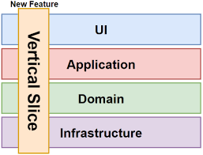

 | Unlike Onion Architecture, which organizes code into horizontal layers (UI, Service, Repository), VSA organizes code around features. Each "slice" is a self-contained unit that handles everything needed to fulfill a specific user request

Onion

It is almost same as Clean architecture but Clear architecture focus on Use cases but Onion focus on layers

