Fig II.1
Potential Single Occurrence Hurricane Loss
 | 500-Year Return Period | 100-Year Return Period
US | 73.8 | 46.4
Gulf (ex.FL) | 22.6 | 13.8
Florida | 65.6 | 38.4
Southeast | 12.8 | 7.6
Northeast | 39 | 31.4

Figure II.2
Insurer Geographic Concentration: Florida
 | 1996 | 1998
1st | 476 | 808
2nd | 745 | 1197
3rd | 1329 | 2188
4th | 5249 | 4199
Mean | 1964 | 2078

Figure II.3
Figure II.3
 | Average Premium 1996 | Average Premium 1998
Florida | 894 | 944
New York | 562 | 574
Countrywide | 559 | 578

Figure II.4
State Farm Premiums
 | Orlando | Miami Beach
1992 | 571 | 1077
1993 | 645 | 1231
1994 | 804 | 1588
1995 | 839 | 2004
1996 | 898 | 2012

Figure II.6a
ISO Loss Cost Filings: Florida Homeowners
 | Indicated | Filed | Implemented
1991 | -0.033 | -0.033 | -0.033
1992 | -0.021 | -0.021 | -0.021
1995 | 1.711 | 0.923 | 0.487

Figure II.7a
ISO Indicated and Implemented HO Loss Costs (1996) - Florida
 | Indicated LC | Implemented LC
Miami Beach | 1555.149 | 860.7
E. Dade Co. | 1423.1 | 813.2
Key West | 1385.704 | 742.9
E. Palm Beach Co. | 1305.99 | 718.2
E./S.C. Co's | 930.31 | 589
Monroe Co. | 858.24 | 612
W. Pinellas Co. | 796.29 | 528
Martin Co. | 749.455 | 465.5
Mid-N.E. Co's | 682.773 | 487.9
Hialeah | 660 | 420
Ft. Lauderdale | 614.029 | 317
Broward Co. | 587.692 | 398.036
W. Palm Beach Co. | 567.36 | 391.68
W. Dade Co. | 552.962 | 377.5
St. Petersburg | 551.552 | 263.544
West Co's | 514.048 | 345.6
Miami | 509.048 | 323
E. Duval Co. | 498.132 | 354.282
Rem. Brevard Co. | 436.411 | 334.5
Rem. Pinellas Co. | 407.416 | 231.902
Tampa | 368.742 | 228.312
Rem. Escambia Co. | 356.916 | 288.708
Osceola | 350.403 | 271
Orlando | 306.516 | 246
Polk Co. | 299.482 | 274
Jacksonville | 272.335 | 199.796
Rem. State | 271.064 | 238.08
W. Duval Co. | 228 | 209.532

Figure II.8(a)
Florida Residential Property Casualty JUA
 | Policies | Exposures(A+C)
1993 | 271.9 | 17.531612436
1994 | 675.5 | 44.718781484
1995 | 849.721 | 57.067158143
1996 | 705.988 | 78.053093966
1997 | 487.59 | 60.530332803
1998 | 256.753 | 38.615410723
1999 | 107.628 | 17.671682459
2000 | 67.23 | 10.521533907
2001 | 70.6 | 11.2

Figure II.8(b)
New York FAIR Plan
 | Policies | Exposures
1990 | 73.805 | 5.626682
1991 | 68.459 | 5.454524
1992 | 65.797 | 5.417273
1993 | 66.562 | 5.697962
1994 | 69.547 | 6.192642
1995 | 76.38 | 7.413582
1996 | 84.381 | 9.078165
1997 | 87.923 | 10.030357
1998 | 86.738 | 10.049554
1999 | 77.6 | 9
2000 | 69.9 | 8.5

Figure II.9
Florida Windstorm Underwriting Association
 | Policies | Exposures
1990 | 69.288 | 6.774676
1991 | 57.305 | 7.043106
1992 | 61.074 | 7.492298
1993 | 135.724 | 15.31625
1994 | 192.842 | 27.024138
1995 | 240.284 | 36.31113
1996 | 319.843 | 49.476
1997 | 442.146 | 75.441
1998 | 502.369 | 91.118965
1999 | 465 | 90.3
2000 | 431.8 | 92.6
2001 | 424.1 | 95.1

Figure II.10
Figure II.10
Florida Hurricane Catastrophe Fund
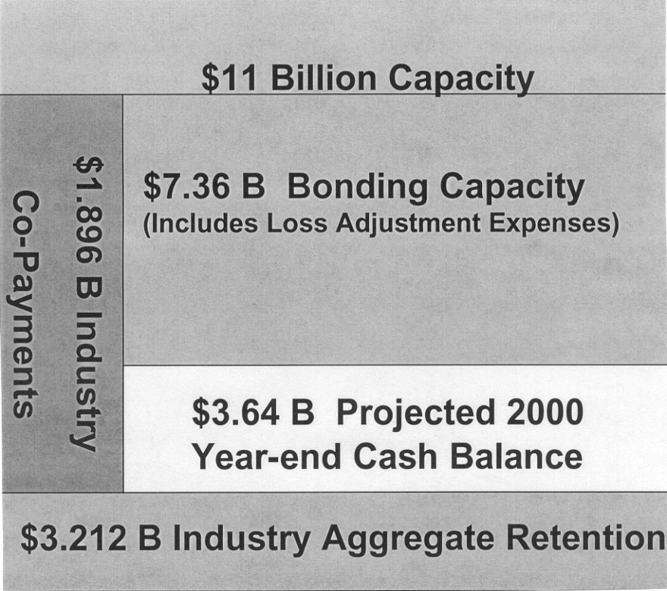

Source: FHCF Presentation, June 26, 2000

