TITLE
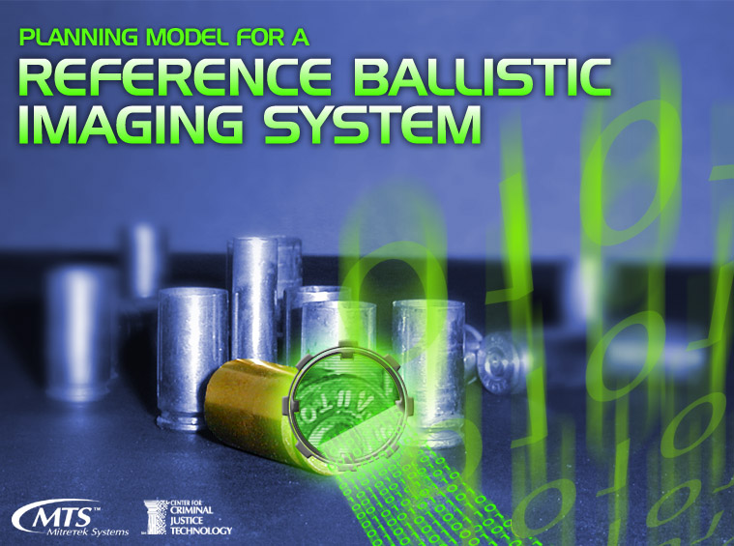

Welcome
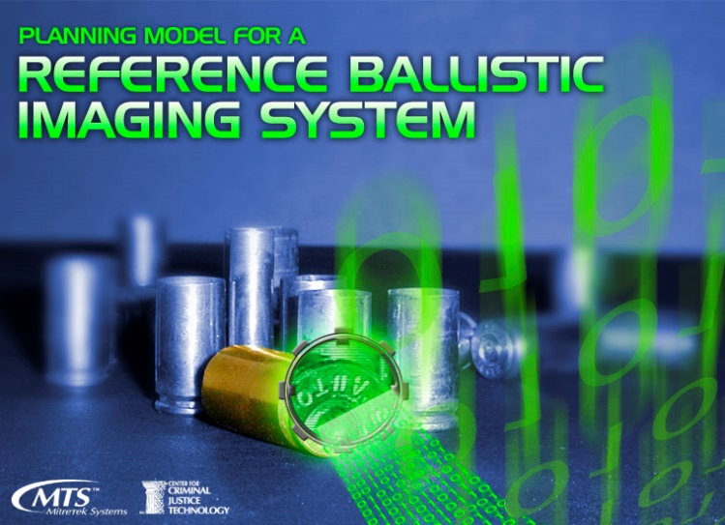

The Center for Criminal Justice Technology at Mitretek Systems developed this model under Cooperative Agreement, 2001-LT-BX-K002, from the Office of Justice Programs, National Institute of Justice, Department of Justice. Points of view in this document are those of the authors and do not necessarily represent the official position of the U. S. Department of Justice.
This model serves as an impact analysis tool to assist state law enforcement agencies to define their processes and estimate the size of the systems required to implement a ballistic-imaging database that meets national standards. Such information helps guide budgeting and planning activities. Additional information and guidance is provided in the handbook Ballistic Identification Capability Modeling: A Guide for State Program Establishment (February 2002).
Take a few minutes to familiarize yourself with the model prior to entering any information. Click on the "GO TO THE MAP OF THE MODEL" button above to begin.

Read Me First
General Information
First Time Usage Instructions
Use the File-Save As option to make a backup copy of the original model so that the original version will be available in the event inadvertent changes are made to the model.
Enabling Macros
When you open the file you will be given the following options: Disable Macros, Enable Macros, or More Information. Choose the Enable Macros option.
Saving Scenarios
Changes to the model/scenarios are not saved automatically. You must use the File-Save As option to save your changes under a different file name, otherwise, the previous scenario will be overwritten. The File-Save option will save your scenario, but overwrite the previous scenario.
Data Entry
Users may enter information in the white boxes, via drop down boxes, or option buttons. Shaded boxes may not be altered, as they contain information necessary for model calculations.
Enter data without format symbols. For example, enter 15% as 15, without the percentage sign. The model will convert the entry into percentage, dollar, so forth.
Protected Worksheets
Some sheets have cells that are protected. This Excel feature is used to prevent overwriting default values and other entries that must remain constant. If it becomes necessary to unprotect the sheet, from the toolbar select Tools, then Protection, and then Unprotect Worksheet. A password has not been assigned to remove protection. Therefore, when the password prompt appears, just hit Enter.

Operating the Model: Input Sheets
The Map of the Model provides the recommended sequence for entering data and viewing results.
Background State Information
The Background State Information sheet is where users create a reference ballistic imaging program scenario. Scenarios are defined by gun sales transactions volume, imaging operations, test fire operations, community relations, and funding sources. Users may also link to the Performance Assumptions sheet below. This sheet requires input from the user.
Performance Assumptions
The Performance Assumptions sheet is used to calculate imaging rate, test fire rate, and number of program locations. Each of these three values is calculated separately. Calculations are made based on default times to perform tasks associated with imaging and with test firing. However, the user may opt to use her/his own times to perform tasks, so that rates consistent with the state’s operations may be calculated. The number of program locations are calculated based on a user specified “maximum distance between program sites” and a generic calculation. As an alternative, the user may opt to specify the number of program locations. This sheet requires input from the user.
Miscellaneous Parameters
General operations data are entered on the Miscellaneous Parameters sheet. Default values are provided, but the user may opt to user her/his own values. Entries pertain to expected system life, compliance rate by manufacturers, annual salary increases, annual increase in operating expenses, fees charged for test fires, and additional cost to setting up or implementing a gun sales ballistic imaging program. This sheet requires input from the user.
Cost Assumptions
The Cost Assumptions sheet is where the user enters equipment unit costs, unit floor space requirements for personnel, unit floor space costs, labor categories by type, and unit labor category costs. Labor category types include lab technicians to perform imaging, staff to test fire weapons, lab technician managers, and personnel to support the gun sales ballistic imaging program. The user may enter the number of full time equivalents (FTEs) for support personnel. The number of lab technicians, lab technician managers, and staff to test fire weapons are calculated by the model and cannot be modified by the user. This sheet requires input from the user.

Operating the Model: Output Sheets
Results Summary
The Results Summary sheet provides a summary of the calculations made in the model, including cost for the initial year and for the life cycle. Costs are for personnel, training, equipment maintenance, floor space (lease), and equipment. Results are shown only for the system configuration preferred by the user. Also provided is a review of the gun sales ballistic imaging operation, as defined by the user on the Background State Information sheet, Performance Assumptions sheet, and Miscellaneous Parameters sheet. Links to the Results Detail sheet are provided (see below). Model output data is provided on this sheet, but no user input is allowed.
Results Details
The Results Details sheet provides initial year FTEs, initial year costs, and life cycle costs for each labor category. Also provided are the number of units required for each type of equipment, equipment floor space requirements, and personnel floor space requirements. Model output data is provided on this sheet, but no user input is allowed.
Model Calculations
The Model Calculations sheet contains all raw calculations, annually for year one through year fifteen. Values from the Background State Information, Performance Assumptions, Cost Assumptions, and Miscellaneous Parameters sheets are reflected in the raw calculations. Results are calculated for each of the three possible system configurations. Equipment footprints and capacity assumptions are found on this sheet. All model output is generated on this sheet, but no user input is allowed. All information provided in the Results Summary and Results Detail worksheets are taken from this sheet.

Comments
COMMENTS

Please enter any comments or clarifications about your entries.

Enter comments here.

