Assets
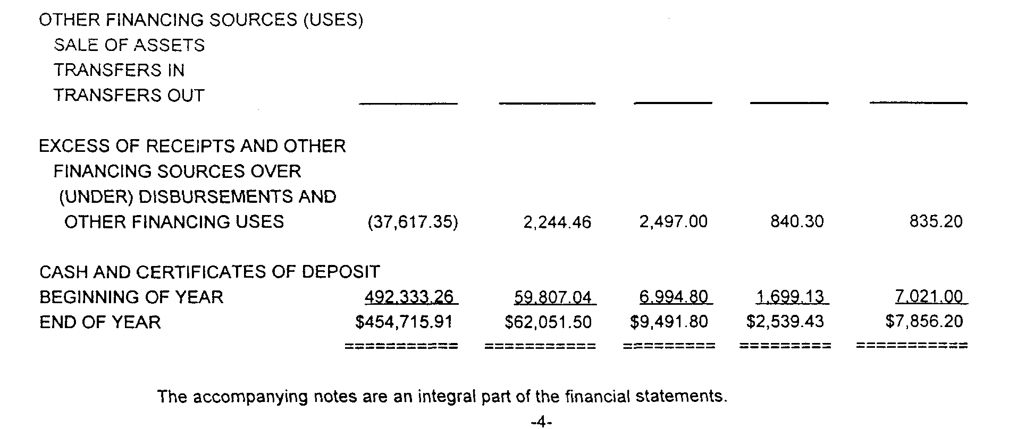
Example 1 - Unreserved, undesignated GF fund balance available in CAFR on the Combined Balance Sheet.

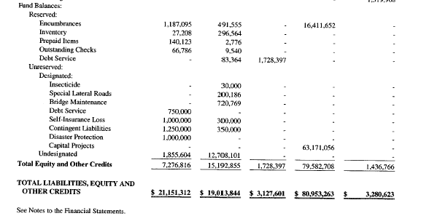

Example 2 - Unreserved, undesignated GF fund balance is equal to Cash and Certificates of Deposit for End of Year (no restricted/reserved funds).

SampleDataII
County Financial Indicators Survey Form

Financial Information (Sample II)

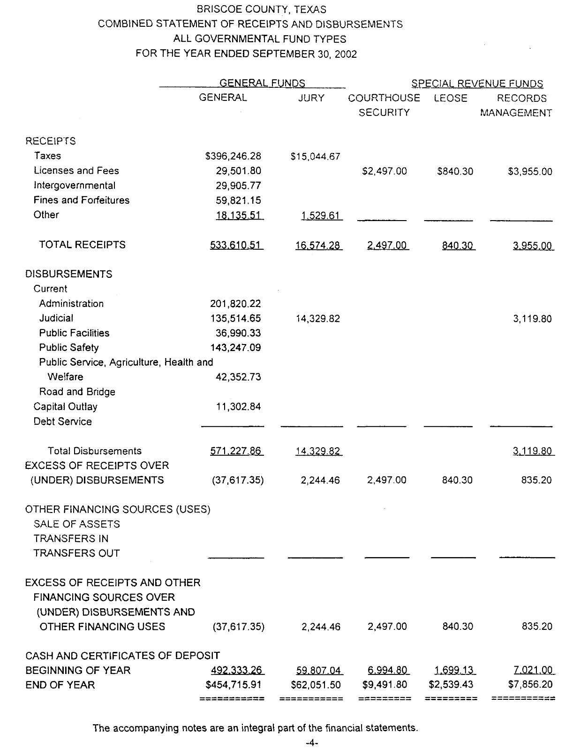
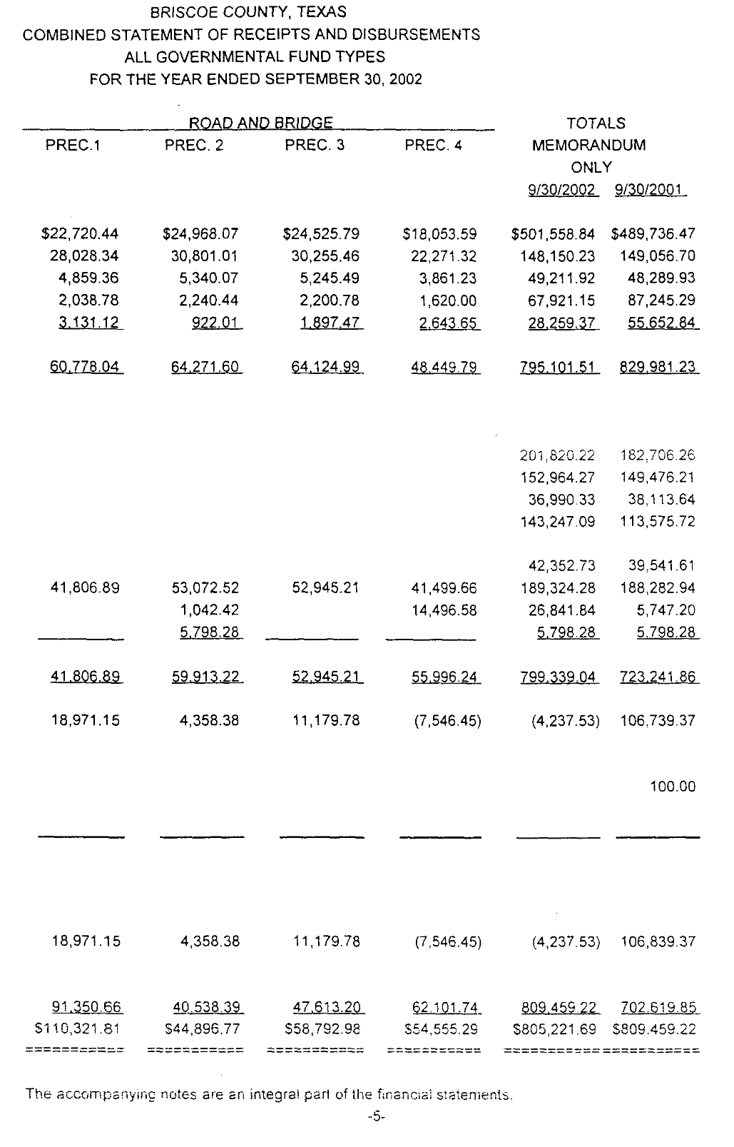
 |  |  | FY2000 |  | FY2001 |  | FY2002
Fiscal Year Ending: |  |  |  |  |  |  | 2002-09-30
Total GF Net Unreserved Assets (end of FY): |  |  |  |  |  |  | $454,716

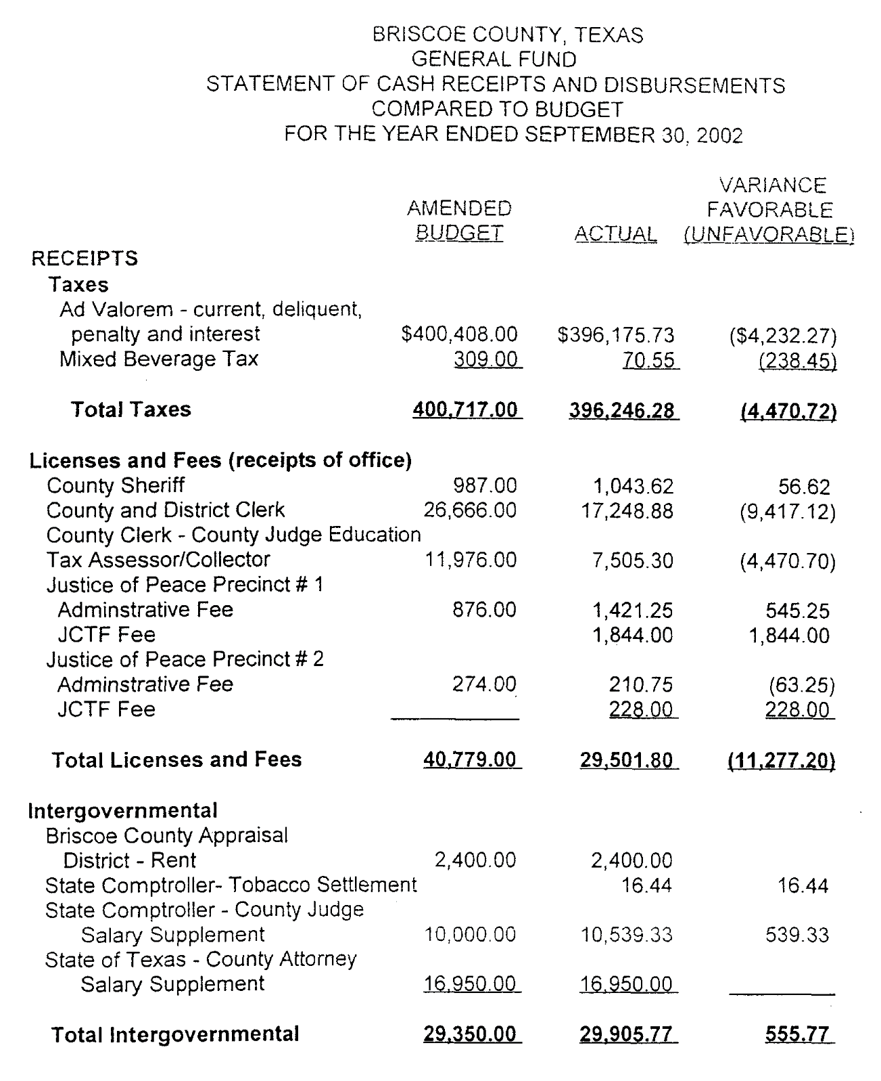
Total GF Expenditures: |  |  |  |  |  |  | $571,228
Total County Expenditures: |  |  |  |  |  |  | $799,339
Total GF Revenues: |  |  |  |  |  |  | $533,611
Total GF Intergovernmental Revenues: |  |  |  |  |  |  | $29,906
Taxable Value of Property: |  |  |  |  |  |  | $73,900,515
Corrected Taxable Value:
Total GF Property Tax (ad valorem) Revenues: |  |  |  |  |  |  | $396,176

Actual County Sales Tax Collected (that offsets property taxes): |  |  |  |  |  |  | $-

Total Debt Service for FY for all Governmental Fund types, do not include Component Units: |  |  |  |  |  |  | $5,799

Total debt outstanding for all Governmental Fund types, do not include Component Units (end of FY): |  |  |  |  |  |  | $17,397

Number of county officials (end of FY): |  |  |  |  |  |  | 12
Number of county employees (FTE), not including elected officials (end of FY): |  |  |  |  |  |  | 78

County population: |  |  |  |  |  |  | 1,716

 | Note: | Yellow background indicates made-up data and data from other sources.

Indicator |  |  |  | FY2000 | FY2001 | FY2002
Unrestricted Net Assets / Annual Expenditures |  |  |  | N/A | N/A | 79.60%
Operating Surpluses (Deficits) |  |  |  | N/A | N/A | $(37,617)
Taxable Value of Property |  |  |  | N/A | N/A | $73,900,515
Tax Revenue / Total Revenue (GF) |  |  |  | N/A | N/A | 74.24%
Intergovernmental Revenue / Total Revenue (GF) |  |  |  | N/A | N/A | 5.60%
Debt Service / Total Expenditures. |  |  |  | N/A | N/A | 0.73%
Number of county employees per 1,000 residents |  |  |  | N/A | N/A | 45.45
Outstanding Debt Per Capita |  |  |  | N/A | N/A | $10.14

Indicator |  |  |  | Base Formula
Unrestricted Net Assets / Annual Expenditures |  |  |  | Line 10/Line 12
Operating Surpluses (Deficits) |  |  |  | Line 14-Line 12
Taxable Value of Property |  |  |  | Line 16 (or Line 17)
Tax Revenue / Total Revenue (GF) |  |  |  | Line 18/Line 14
Intergovernmental Revenue / Total Revenue (GF) |  |  |  | Line 15/Line 14
Debt Service / Total Expenditures. |  |  |  | Line 22/Line 13
Number of county employees per 1,000 residents |  |  |  | (Line 129*1000)/Line 31
Outstanding Debt Per Capita |  |  |  | Line 25/Line 31

