Cover Page
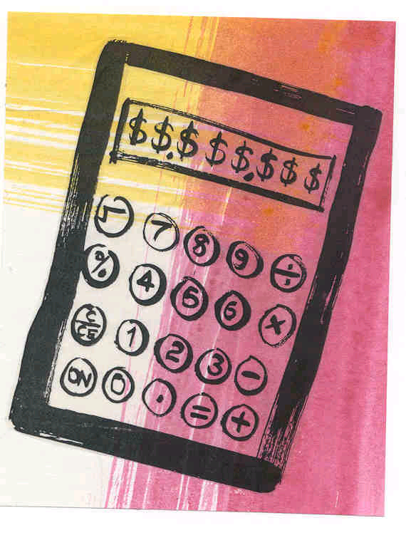
Your Budget Planner

Income & Expenses
Your Annual Income
 |  |  | % of
 |  | $ (per annum) | Total Income
 | Gross Salary/Wages (pre tax) |  | 0.0%
 | Interest Earned on Bank Accounts, etc. |  | 0.0%
 | Allowances (e.g. family/pension) |  | 0.0%
 | Investment Income
 | Realised Capital Gains (on disposal) |  | 0.0%
 | Trust Distributions |  | 0.0%
 | Rent |  | 0.0%
 | Dividends |  | 0.0%
 | Tax Refunds |  | 0.0%
 | Other |  | 0.0%
 | Total Income | $0.00 | 100%

Your Annual Expenses
 | (To assist you to complete this section please go to the 12 month planner)


 |  |  | % of
 |  | $ (per annum) | Total Income
 | Housing | $0.00 | 0.0%
 | Personal | $0.00 | 0.0%
 | Children | $0.00 | 0.0%
 | Food | $0.00 | 0.0%
 | Transport | $0.00 | 0.0%
 | Financial Securities | $0.00 | 0.0%
 | Motor Vehicle | $0.00 | 0.0%
 | Entertainment and Leisure | $0.00 | 0.0%
 | Health | $0.00 | 0.0%
 | Tax | $0.00 | 0.0%
 | Miscellaneous | $0.00 | 0.0%
 | Total Expenses | $0.00 | 100%
 | Savings | $0.00
 | (Total Income less Total Expenses)

