Sheet1
Homework #1 - Problem #1

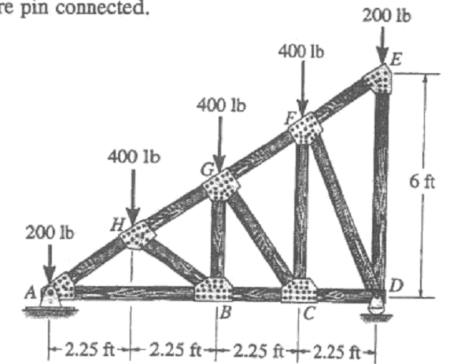

INPUT FORCES | (lb)
F1= | 200
F2= | 400 | Calculated Reactions | (lbs)
F3= | 400 | Ay | 800
F4= | 400 | Ax | 0
F5= | 200 | By | 800

INPUT LENGTH | (ft) | Calculate Internal Forces | (lbs) | (T OR C)
AH' | 2.25 | FAH | -1082 | COMPRESSION
H'B | 2.25 | FAB | 900 | TENSION
AB | 4.5 | FFD | -671 | COMPRESSION
BC | 2.25 | FCD | 300 | TENSION
CD | 2.25 | FHB | -361 | COMPRESSION
DE | 6 | FGB | 200 | TENSION
 |  | FBC | 600 | TENSION
 |  | FCG | -500 | COMPRESSION
CALCULATED LENGTHS | (ft) | FFC | 400 | TENSION
EF | 2.704 | FFG | -361 | COMPRESSION
FG | 2.704 | FGH | -721 | COMPRESSION
GH | 2.704 | FED | -200 | COMPRESSION
HA | 2.704 | FEF | 0 | COMPRESSION
HB | 2.704
GB | 3.000
GC | 3.750
FC | 4.500
FD | 5.031
HH' | 1.500

Sheet2
Hmework #1 - Problem #3



INPUT FORCES | (LBS)
F1= | 300
F2= | 500 | Calculate Reactions | (lbs)
F3= | 800 | Ay | 1225
F4= | 600 | Ax | 0
F5= | -300 | By | 675

INPUT LENGTHS | (FT) | Calculate Internal Forces | (lbs) | (T OR C)
AH' | 4.5 | FAH | -2068 | COMPRESSION
H'B | 4.5 | FAB | 1850 | TENSION
AB | 9 | FFD | -1172 | COMPRESSION
BC | 4.5 | FCD | 650 | TENSION
CD | 4.5 | FHB | -559 | COMPRESSION
DE | 9 | FGB | 250 | TENSION
 |  | FBC | 1350 | TENSION
 |  | FCG | -990 | COMPRESSION
CALCULATED LENGTHS | (ft) | FFC | 700 | TENSION
EF | 5.031 | FFG | -727 | COMPRESSION
FG | 5.031 | FGH | -1509 | COMPRESSION
GH | 5.031 | FED | 300 | TENSION
HA | 5.031 | FEF | 0 | COMPRESSION
HB | 5.031
GB | 4.500
GC | 6.364
FC | 6.750
FD | 8.112
HH' | 2.250

