Comparisons
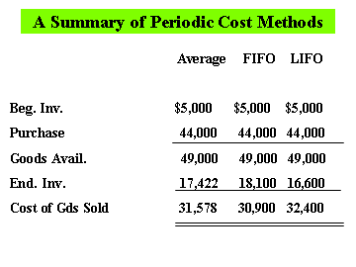
 | A Summary of Perpetual Cost Methods

 | Average | FIFO | LIFO

Beginning Inventory | $5,000 | $5,000 | $5,000
add: Purchases | $44,000 | $44,000 | $44,000
Cost of Goods Available | $49,000 | $49,000 | $49,000
less: Ending Inventory | ($17,805) | $18,100 | $17,175
CGS | $31,195 | $30,900 | $31,825

