Carnot Cycle
 |  |  |  | Carnot Cycle

 |  |  |  | Copyright 1996

 |  |  |  | Engineering Software

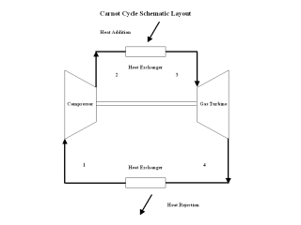
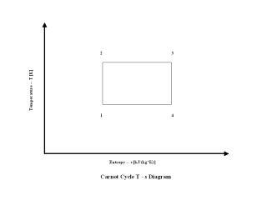

Input Values:

Q-Supply Temperature [K] | 500.00

 |  |  |  | Output Values:

 |  |  | Q-Reject | Thermal | Heat
 |  |  | Temperature | Efficiency | Rate
 |  |  | T Reject | Eta | HR
 |  |  | [K] | [%] | [/]
 |  | No.
 |  | 1 | 298.00 | 40.40 | 8,446.34
 |  | 2 | 300.00 | 40.00 | 8,530.81
 |  | 3 | 315.00 | 37.00 | 9,222.49
 |  | 4 | 330.00 | 34.00 | 10,036.24
 |  | 5 | 345.00 | 31.00 | 11,007.49
 |  | 6 | 360.00 | 28.00 | 12,186.87
 |  | 7 | 375.00 | 25.00 | 13,649.29
 |  | 8 | 390.00 | 22.00 | 15,510.56
 |  | 9 | 405.00 | 19.00 | 17,959.59
 |  | 10 | 420.00 | 16.00 | 21,327.01

Carnot Cycle

