Sheet1
PIN | PAC64LED | Button | Key | LED BLINKY DEF | Colour | ARDUINO REF | Code
 | 1 | JOY-1-1 | JOY-1-1 | P1B1 |  |  |  | Audrino Micro pinout
 | 2 | JOY-1-2 | JOY-1-2 | P1B2 |  |  |  |  |  | 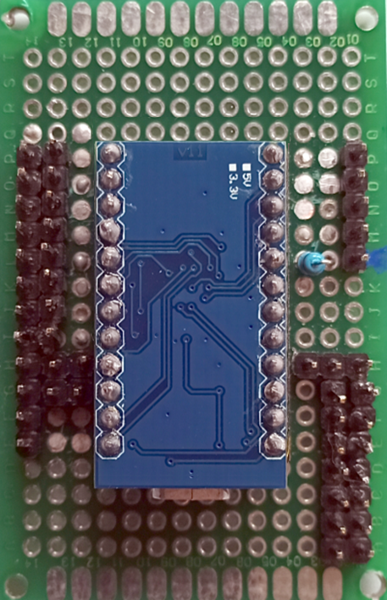
 | 3 | JOY-1-3 | JOY-1-3 | P1B3
 | 4 | JOY-1-4 | JOY-1-4 | P1B4
 | 5 | JOY-1-5 | JOY-1-5 | P1B5
 | 6 | JOY-1-6 | JOY-1-6 | P1B6
 | 7 | JOY-1-7 | JOY-1-7 | P1B7
 | 8 | JOY-1-8 | JOY-1-8 | P1B8 |  |  |  | ENTER | 9 |  | 10 | START 1
 | 9 | JOY-1-9 | JOY-1-9 | P1COIN |  |  |  | BACK | 8 |  | 16 | START 2
 | 10 | JOY-1-10 | JOY-1-10 |  |  |  |  | RIGHT | 7 |  | 14 | Gun drawew
 | 11 | JOY-1-11 | JOY-1-11 | P1START |  |  |  | LEFT | 6 |  | 15 | Spare
 | 12 | JOY-1-12 | JOY-1-12 |  |  |  |  | DOWN | 5 |  | 18 / A0 | LED Strip 0
 | 13 | JOY-3-1 | JOY-3-1 | P3B1 | white |  |  | UP | 4 |  | 19 / A1 | LED Strip 1 (Sinden border)
 | 14 | JOY-3-2 | JOY-3-2 | P3B2 | white |  |  | LOAD | 3 |  | 20 / A2 | Spare
 | 15 | JOY-3-3 | JOY-3-3 | P3B3 | white |  |  | EXIT | 2 |  | 21 / A3 | Gun Drawer
 | 16 | JOY-3-4 | JOY-3-4 | P3B4 | white |  |  |  | GND |  | 5V
 | 17 | JOY-3-5 | JOY-3-5 | P3B5 | white |  |  |  | GND |  | 5V
 | 18 | JOY-3-6 | JOY-3-6 | P3B6 | white |  |  | PAUSE | 0 |  | 5V
10 | 19 | P1-START | P1-START |  |  | K_PIN | 1 | SAVE | 1 |  | 5V
16 | 20 | P2-START | P2-START |  |  | N_PIN | 2 |  |  |  | 5V
 | 21 | JOY-3-9 | JOY-3-9 | P3COIN | white |  |  |  |  |  | 5V
 | 22 | JOY-3-10 | JOY-3-10 |  |  |  |  |  |  |  | 5V
 | 23 | JOY-3-11 | JOY-3-11 | P3TART | white |  |  |  |  |  | 5V
 | 24 | JOY-3-12 | JOY-3-12
 | 25 | JOY-2-1 | JOY-2-1 | P2B1 | green |  | Repaired 11/04/2021
 | 26 | JOY-2-2 | JOY-2-2 | P2B2 | yellow
 | 27 | JOY-2-3 | JOY-2-3 | P2B3 | orange
 | 28 | JOY-2-4 | JOY-2-4 | P2B4 | grey
 | 29 | JOY-2-5 | JOY-2-5 | P2B5 | purple
 | 30 | JOY-2-6 | JOY-2-6 | P2B6 | black
 | 31 | JOY-2-7 | JOY-2-7 | P2B7 | white
 | 32 | JOY-2-8 | JOY-2-8 | P2B8 | blue
 | 33 | JOY-2-9 | JOY-2-9 | P2COIN | brown
 | 34 | JOY-2-10 | JOY-2-10
 | 35 | JOY-2-11 | JOY-2-11 | P2START | red
 | 36 | JOY-2-12 | JOY-2-12
 | 37 | JOY-4-1 | JOY-4-1 | P4B1 | purple
 | 38 | JOY-4-2 | JOY-4-2 | P4B2 | white
 | 39 | JOY-4-3 | JOY-4-3 | P4B3 | grey
 | 40 | JOY-4-4 | JOY-4-4 | P4B4 | black
 | 41 | JOY-4-5 | JOY-4-5 | P4B5 | blue
 | 42 | JOY-4-6 | JOY-4-6 | P4B6 | yellow
 | 43 | JOY-4-7 | JOY-4-7 | P4B7
 | 44 | JOY-4-8 | JOY-4-8 | P4B8
 | 45 | JOY-4-9 | JOY-4-9 | P4COIN | orange
 | 46 | JOY-4-10 | JOY-4-10
 | 47 | JOY-4-11 | JOY-4-11 | P4START | green
 | 48 | CUPHOLD-LEFT | CUPHOLD-LEFT | CUPLEFT
 | 49 | BALL-RED | BALL-RED | TRACKBALL
 | 50 | BALL-GREEN | BALL-GREEN | TRACKBALL
 | 51 | BALL-BLUE | BALL-BLUE | TRACKBALL
0 | 52 | CP-PAUSE | CP-PAUSE | PAUSE |  | I_PIN | KEY_P
3 | 53 | CP-LOAD | CP-LOAD | LOAD |  | B_PIN | KEY_F7
6 | 54 | CP-LEFT | CP-LEFT | KBLEFT |  | E_PIN | KEY_LEFT_ARROW
4 | 55 | CP-UP | CP-UP | KBUP |  | C_PIN | KEY_UP_ARROW
5 | 56 | CP-DOWN | CP-DOWN | KBDOWN |  | D_PIN | KEY_DOWN_ARROW
7 | 57 | CP-RIGHT | CP-RIGHT | KBRIGHT |  | F_PIN | KEY_RIGHT_ARROW
1 | 58 | CP-SAVE | CP-SAVE | SAVE |  | J_PIN | Left Shift+F7
2 | 59 | CP-QUIT | CP-QUIT | EXIT |  | A_PIN | Esc / 4 x press Ctrl-Alt-del
8 | 60 | CP-BACK | CP-BACK | BACK |  | G_PIN | KEY_BACKSPACE
9 | 61 | CP-ENTER | CP-ENTER | ENTER |  | H_PIN | KEY_RETURN
 | 62 | CP-MOUSELEFT | CP-MOUSELEFT | MOUSEB1
 | 63 | CP-MOUSERIGHT | CP-MOUSERIGHT | MOUSEB2
 | 64 | CUPHOLD-RIGHT | CUPHOLD-RIGHT | CUPRIGHT
14 | NA |  | Gun Drawer |  |  | L_PIN | Alt y / Alt u
15 | NA |  | Spare |  |  | M_PIN
 |  | JOY-3-7 | JOY-3-7
 |  | JOY-3-8 | JOY-3-8

