HW REV and VER ID
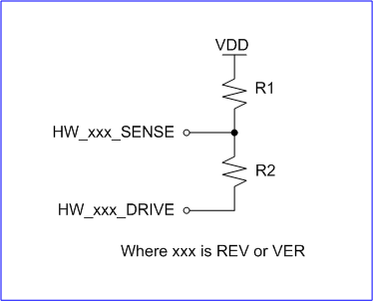
Config | R1 (K) | R2 (K) |  | Expected limits | Boundary | Expected voltage | Boundary
0 | NO POP | NO POP | ver/rev | range (DN) | thresholds (DN) | limits (V) | thresholds (V)
1 | 442 | 24.9 | 0 | 204 | 0 | 0.166 | 0
2 | 174 | 32.4 |  | 553 | 579 | 0.441 | 0.467
3 | 115 | 38.3 | 1 | 605 | 580 | 0.492 | 0.468
4 | 84.5 | 46.4 |  | 966 | 967 | 0.77 | 0.779
5 | 61.9 | 51.1 | 2 | 968 | 968 | 0.788 | 0.78
6 | 51.1 | 61.9 |  | 1331 | 1356 | 1.062 | 1.093
7 | 46.4 | 84.5 | 3 | 1382 | 1357 | 1.125 | 1.094
8 | 38.3 | 115 |  | 1738 | 1756 | 1.386 | 1.415
9 | 32.4 | 174 | 4 | 1774 | 1757 | 1.443 | 1.416
10 | 24.9 | 442 |  | 2113 | 2137 | 1.685 | 1.722
 |  |  | 5 | 2161 | 2138 | 1.759 | 1.723
 |  |  |  | 2476 | 2519 | 1.975 | 2.03
 |  |  | 6 | 2562 | 2520 | 2.085 | 2.031
 |  |  |  | 2842 | 2919 | 2.267 | 2.353
REV | VER |  | 7 | 2996 | 2920 | 2.438 | 2.354
0 | 0 | FMUV5 |  | 3230 | 3308 | 2.577 | 2.666
5,1 | 1 | Pixhack used | 8 | 3386 | 3309 | 2.755 | 2.667
1 | 2 | Pixhack >RC2.1 used |  | 3571 | 3699 | 2.848 | 2.981
0 | 3 | Reserved | 9 | 3827 | 3700 | 3.114 | 2.982
0 | 4 | FMUV5 Mini |  | 3946 | 4095 | 3.147 | 3.363
0 | 5 | CUAV V5+
0 | 6 | CUAV V5Nano
 | 7
 | 8
 | 9
 | 10

