I_scale_aFPB
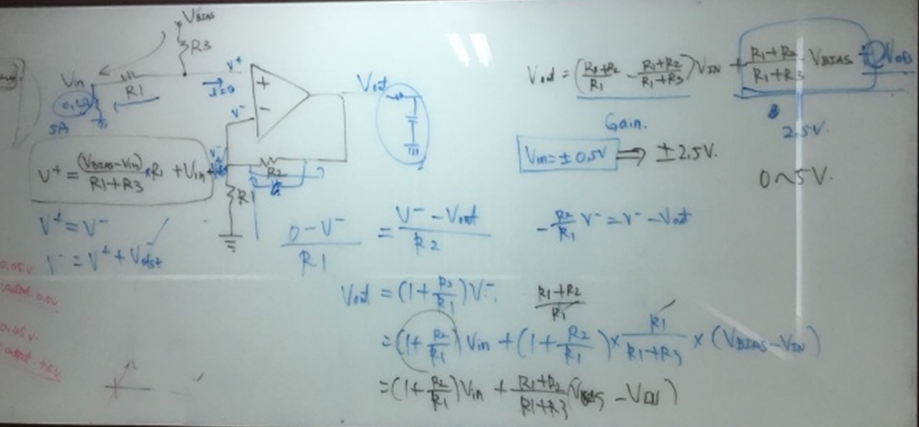
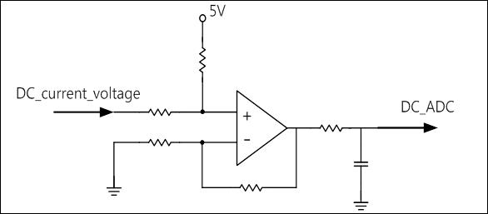
R1
R2
R3
R4
100Ω
1nF
Shunt Voltage
V_ref

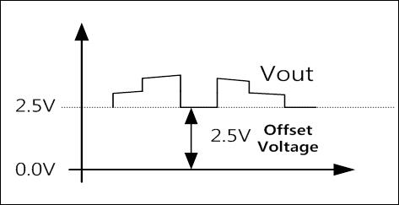
Ibase | 5.00 | A
Shunt | 0.080 | Ω
Vin(Shunt Voltage) | 0.400 | V
R1 | 3.0 | kΩ
R2 | 33.0 | kΩ
R3 | 3.0 | kΩ
R4 | 15.0 | kΩ

V_ref | 5.00 | V

$$Vout=\left(\frac{R3+R4}{R3}−\frac{R1+R4}{R1+R2}\right)Vin+\left(\frac{R1+R4}{R1+R2}∗V_{ref}\right)$$
Op-amp Gain
offset
Voltage
Op-amp Gain | 5.5
Offset Voltage | 2.50 | V | 2.5V_ref
Vout(DC_ADC) | 4.70 | V | ADC 최대전압 5V

I SensorScale Q7 | 1164

I_scale_웅진샘플
R1
R2
R3
R4
100Ω
1nF
Shunt Voltage
V_ref

Ibase | 8.00 | A
Shunt | 0.050 | Ω
Vin(Shunt Voltage) | 0.400 | V
R1 | 3.0 | kΩ
R2 | 33.0 | kΩ
R3 | 3.0 | kΩ
R4 | 15.0 | kΩ

V_ref | 5.00 | V

$$Vout=\left(\frac{R3+R4}{R3}−\frac{R1+R4}{R1+R2}\right)Vin+\left(\frac{R1+R4}{R1+R2}∗V_{ref}\right)$$
Op-amp Gain
offset
Voltage
Op-amp Gain | 5.5
Offset Voltage | 2.50 | V | 2.5V_ref
Vout(DC_ADC) | 4.70 | V | ADC 최대전압 5V
 |  |  |  | 2927
 |  |  |  | 3.5738705739

I SensorScale Q7 | 1164

I_scale
R1
R2
R3
R4
100Ω
1nF
Shunt Voltage
V_ref

Ibase | 4.00 | A
Shunt | 0.100 | Ω
Vin(Shunt Voltage) | 0.400 | V
R1 | 3.0 | kΩ
R2 | 33.0 | kΩ
R3 | 3.0 | kΩ
R4 | 15.0 | kΩ

V_ref | 5.00 | V

$$Vout=\left(\frac{R3+R4}{R3}−\frac{R1+R4}{R1+R2}\right)Vin+\left(\frac{R1+R4}{R1+R2}∗V_{ref}\right)$$
Op-amp Gain
offset
Voltage
Op-amp Gain | 5.5
Offset Voltage | 2.50 | V | 2.5V_ref
Vout(DC_ADC) | 4.70 | V | ADC 최대전압 5V

I SensorScale Q7 | 1164

V_scale_aFPB
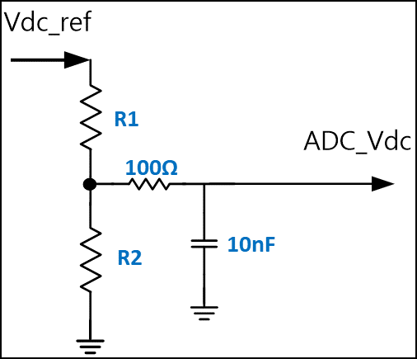

Vdc_ref | 370 | V
R1 | 400 | KΩ
R2 | 4.7 | KΩ
 |  |  |  | 282 | 398.80822459 | 3.109 | 2546.271
ADC_Vdc | 4.297 | V | Maxmum_ADC_Voltage | 220 | 311.12698372 | 2.409 | 1972.971
 |  |  |  | 143 | 202.23253942 | 1.554 | 1272.726
 |  |  |  | 190 | 268.70057685 | 2.088 | 1710.072

V SensorScale Q8 | 1192

