I_scale++
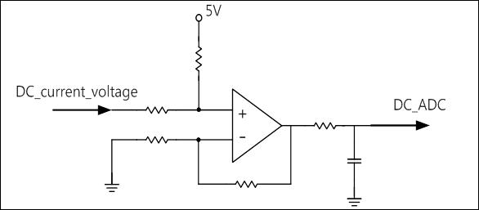
R1
R2
R3
R4
100Ω
1nF
Shunt Voltage
V_ref

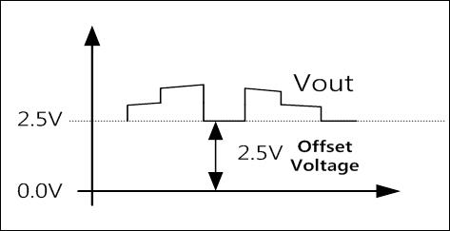
Ibase | 5.00 | A
Shunt | 0.08 | Ω
Vin(Shunt Voltage) | 0.40 | V
R1 | 3.0 | kΩ
R2 | 33.0 | kΩ
R3 | 3.0 | kΩ
R4 | 15.0 | kΩ

V_ref | 5.00 | V

$$Vout=\left(\frac{R2(R3+R4)}{R3(R1+R2)}\right)Vin+\left(\frac{R1(R3+R4)}{R3(R1+R2)}\right)∗V_{ref}$$
Op-amp Gain
offset Voltage
Op-amp Gain | 5.5000
Offset Voltage | 2.50000000 | V | 2.5V_ref
Vout(DC_ADC) | 4.70 | V | 최대 5V

I SensorScale Q7 | 1164

Shunt_ADC_Offset | 2047.5

V_scale
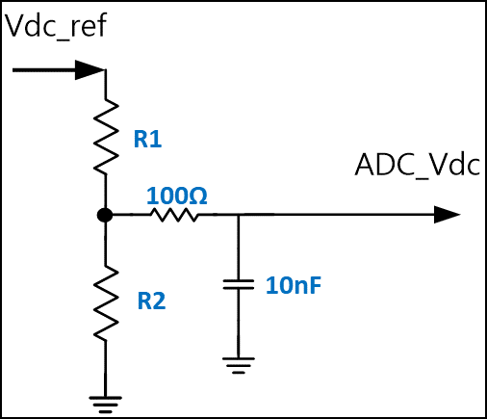

Vdc_ref | 330 | V
R1 | 400 | KΩ
R2 | 4.7 | KΩ

ADC_Vdc | 3.832 | V | Maxmum_ADC_Voltage

 |  |  |  |  | 3.5384615385

V SensorScale Q8 | 1336 |  |  | 2899

 |  |  |  | 5.6516040014
 |  |  |  | 1446.8106244

