Integrative Analysis
Integrative Analysis | True | False | Ratio
TSS | 904 | 526 | 0.632 | Shows:
Poly-A | 775 | 655 | 0.542 | --> if there are overlaps with known tss/poly-A tails
TSS & Poly-A | 508 | 922 | 0.355 | --> if the transcript does not intersect with other genes
Intergenic | 37 | 1393 | 0.026 | --> How many of the novel significant transcripts were assigne to be non-coding by CPAT
Non Protein Coding | 632 | 798 | 0.442
Total Novel Significant Transcripts | 1430 | 0 | 1
Integrative Analysis
 | True | False
TSS | 904 | 526
Poly-A | 775 | 655
TSS & Poly-A | 508 | 922
Intergenic | 37 | 1393
Non Protein Coding | 632 | 798

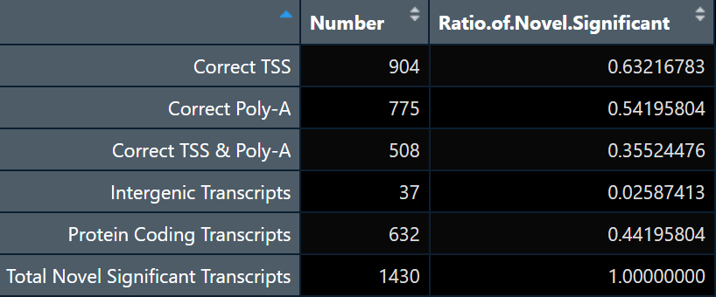

--> answers_step_6.R

