Bug Report
Bug_ID | Module Name | Build ID | Description | Test Case ID | Steps to Replicate bugs | ScreenShot | Severioty | Priority | Reported by | Assigned to | Resolution | Status | Bug Fixed Date
Orange HRM My Info_001 | Orange HRM My Info | Build No | Dashboard is displayed after ESS-user login successfully, instead of My Info | Tc_MyInfo_001 | 1.Launch Browser 2.Open URL "https://opensource- demo.orangehrmlive.com/" 3.Provide valid username 4.Provide valid password 5.Click on login button | 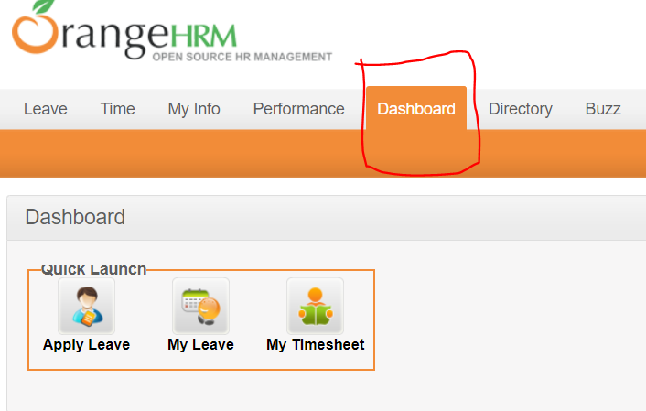
Orange HRM My Info_002 | Orange HRM My Info | Build No | No Tax Exemptions requirements mentioned in FRS document | Tc_MyInfo_026 | 1.Login to orange HRM as a ESS-User 2.Click on My Info Module 3.Click on Tax Exemption 4.Restricted to make changes on Federal Income Tax(Status, Exemptions), State Income Tax (State,Status,Exemptions,Unemployment State,Work State). | 