Sheet1
STT | Product name - Category | Application | Technical Spec | Documents/Feature keys | Ảnh minh họa
1 | Plate Heat Exchanger | Hot water system Swimming pool HVAC system(pressure breaker) Food & Beverage | Plate material: SS304, SS316L, Titan Gasket material: EPDM, NBRH, Vitoni,... Working pressure: 10 - 16 - 25 bar Standard & approval: ISO 14001, ISO 9001, IATF 16949 PED, CRN, UL, ABS, BV, ASME, KRAIA, WRAS, DNV-GL, NSW, LR, RINA, WaterMark, AHRI etc. | Tài liệu: Brochure_HEX | 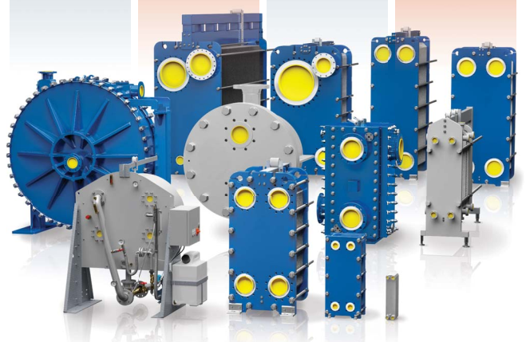 Có thể sử dụng hình ảnh ở trang cuối của tài liệu tên Brochure - HEX
2 | Metering and Measuring
2.1 | Water Meter | Cold Water & Hot water supply system
 | Water meter DN15-20 single jet | Cold Water & Hot water supply system | Model GSD8-RFM Brand name: BMETERS DN15-20 Single Jet Cold water: 0.1-50℃ Hot water: 30-90℃ Working pressure 16 bar Direct reading on 8 numeric rolls Anti magnetic fraud protection Threading EN ISO 228-1:2003 Compatible modules: RFM-MB1, RFM-TX1 Certification MID, ACS, WRAS, ICIM | Các tài liệu: Water meter DN15-20 - GSD8-RFM RFM-MB1 RFM-TX1 | 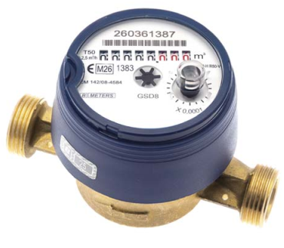 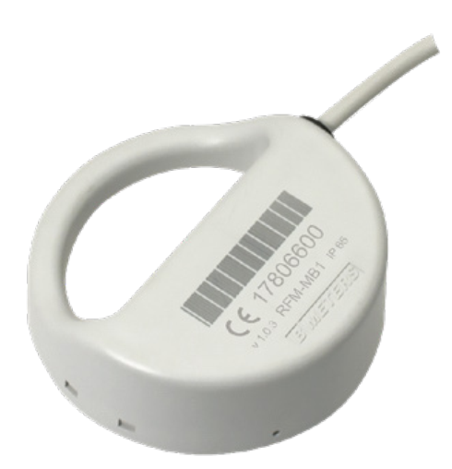 Sử dụng hình ảnh có trong các tài liệu
 | Water meter DN15-50 multi jet | Cold Water & Hot water supply system | Model GMDM-I Brand name: BMETERS DN15-50 Multi Jet Cold water: 0.1-50℃ Hot water: 30-90℃ Working pressure 16 bar Direct reading on 5 numeric rolls Anti magnetic fraud protection Threading EN ISO 228-1:2003 Compatible modules: IWM-TX3, IWM-LR3, IWM-MB3, IWM-PL3 Certification MID, ACS, WRAS, ICIM | Các tài liệu Water meter DN15-50 - GMDM-I IWM-LR3 IWM-MB3 IWM-PL3 IWM-TX3 | 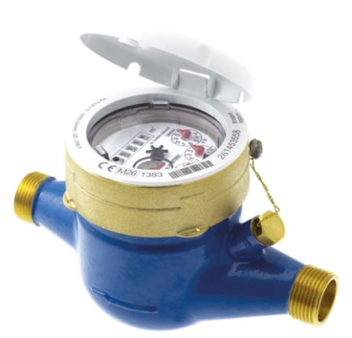 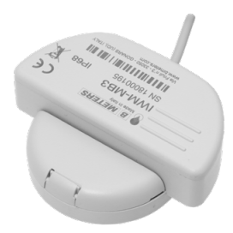 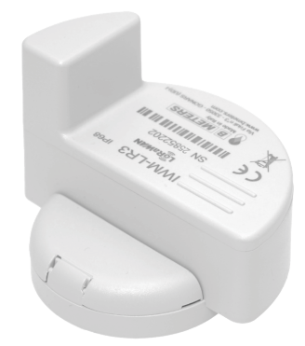 Sử dụng hình ảnh có trong các tài liệu
 | Water meter DN50-200 | Cold Water & Hot water supply system | Model WDE-K50 Brand name: BMETERS DN50-200 Woltmann type Cold water: 0.1-50℃ Hot water: 30-90℃ Working pressure 16 bar Direct reading on 7 numeric rolls Anti magnetic fraud protection Flange ISO 7005-2 / EN 1092-2 PN16 Compatible modules: IWM-TX4, IWM-LR4, IWM-MB4, IWM-PL4 Certification MID, ACS, WRAS, ICIM | Các tài liệu Water meter DN50-200 - WDE-K50 IWM-MB4 IWM-PL4 IWM-TX4 | 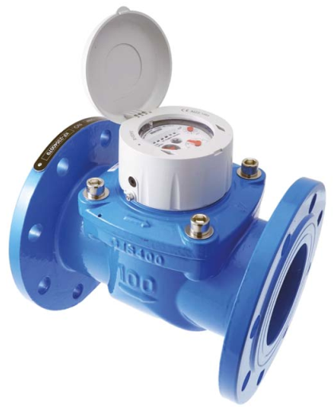 Sử dụng hình ảnh có trong các tài liệu
2.2 | Energy Meter | HVAC system
 | Energy meters DN15-32 | HVAC system | Energy meter DN15-32 Brand name: Danfoss DN15-32 Ultrasonic compact energy meter The energy meters consist of an ultrasonic flow sensor, a pair of Pt1000 temperature sensors and a calculator with integrated circuits for temperature measurement, flow calculation and energy calculation. Power supply: 230V / 24V/ Battery (16+1 years) Approvals: EN1434 class 2 and 3, MID (DK-0200-MI004-034), CPA according to JJG225 -2010 Communication: Wired M-Bus Connection: Thread Working pressure: PN25 Protection class IP65 Temperature senso: Pt1000 Flow sensor ultrasonic, accuracy ±2% | SonoSelect 10 | 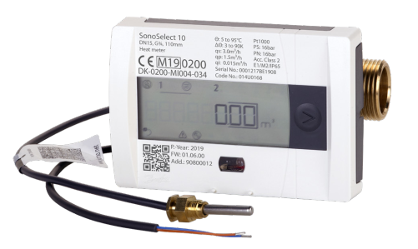 Sử dụng hình ảnh có trong các tài liệu
 | Energy meters DN15-100 | HVAC system | Energy meter DN15-100 Brand name: Danfoss Thread (G3/4 to G2) or flange (DN 20 to DN 100) connections Ultrasonic compact energy meter SonoMeter 40 energy meters consist of an ultrasonic flow sensor, a pair of Pt500 temperature sensors and a calculator with integrated circuits for temperature measurement, flow calculation and energy calculation. Power supply: 230V / 24V/ Battery (15+1 years) Approvals: EN1434 class 2 and 3, MID (DK-0200-MI004-034), CPA according to JJG225 -2010 Communication: Wired M-Bus / Modbus / Bacnet / LoRA-WAN / pulse output … Connection: Thread / Flange Working pressure: PN25 IP65 Temperature senso: Pt500 (Class B (EN60751)) Flow sensor ultrasonic, accuracy ±2% | SonoMeter 40 | 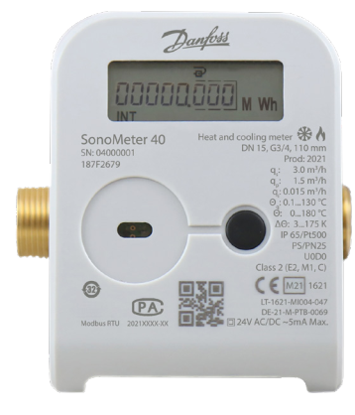 Sử dụng hình ảnh có trong các tài liệu
 | Energy meters DN125-800 | HVAC system | Energy meter DN125-800 Brand name: Danfoss Flange connection Ultrasonic compact energy meter Supercal 5 and Sono3500CT is energy meters consist of an ultrasonic flow sensor, a pair of Pt500 temperature sensors and a calculator with integrated circuits for temperature measurement, flow calculation and energy calculation. Power supply: 230V / Battery (12+1 years) Communication: Wired M-Bus / Modbus / Bacnet / LoRA-WAN … Working pressure: PN16 / PN25 IP65 Temperature senso: Pt500 (Class B (EN60751)) Flow sensor ultrasonic, accuracy ±2% | Supercal 5 Sono3500CT | 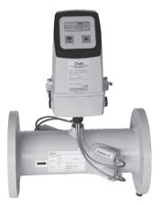 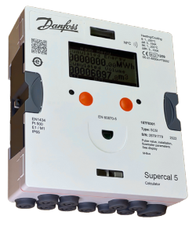 Sử dụng hình ảnh có trong các tài liệu
2.3 | Flowmeter | HVAC system | Flow Meter DN15-2000 Brand name: BMETERS DN15-2000 Electromagnectic flow meter Temperature range: -40 - 80 ℃ Working pressure 10-16-25-40 bar Anti magnetic fraud protection Available flange: UNI EN 1092, ANSI150, ANSI300, DIN2501, BS45404, AWWA Protection class IP68 Available linings PTFE, EBANITE Pipes material AISI304 (AISI316L upon request) Electrodes material HASTELLOY C Display LCD graphic 128x64 pixels retrofit Out signal: 4-20 mA, pulse, frequency. Modbus RTU RS485, Hart protocol | Mag-C | 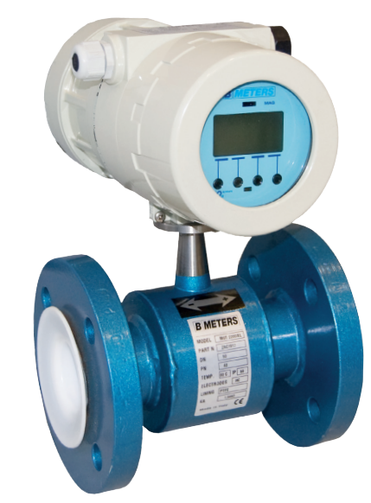 Sử dụng hình ảnh có trong các tài liệu
3 | Heatpump | Hot water system
3.1 | Heatpump Air Source | Hot water system | Heatpump air to water Capacity range: 19 - 42 - 84 kW Type: Air source heatpump Voltage/Phase: 380V/3N～/50Hz COP > 4 Max. out put water Temperature: 55℃ Refrigerant: R410A | CAHP-MC-19 CAHP-HC-42I CAHP-HC-84I | 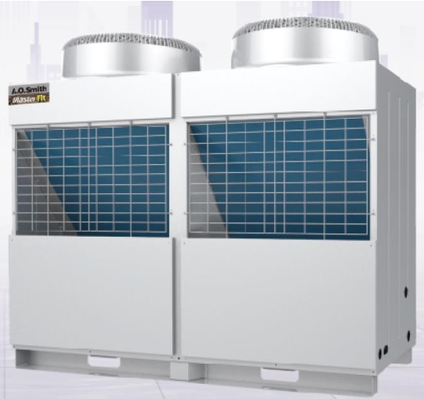 Sử dụng hình ảnh có trong các tài liệu
3.2 | Heatpump all in one | Hot water system | CAHP-1.5HP Unique heat exchanger design, heat pump water temperature to 65˚C Energy saving, fast heating, electric back up and standard modes for choosing Smart control to avoid cold water mixing LCD display R134agreen refrigerant Integrate design for outdoor installation Available in 300 & 450 Litre storage | CAHP-1.5HP | 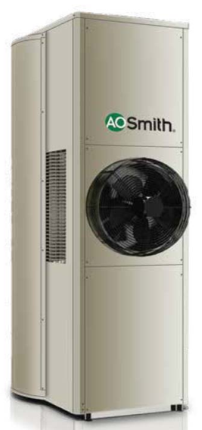 Sử dụng hình ảnh có trong các tài liệu
 |  |  | HPI Series Heat pump water temperature 55˚C, Max water temperature 75˚C Heat pump input 460w, COP 3.8 Two elements back up for quick recovery Patented AES energy saving system Timer setting Remote control PS safety system R134a Green refrigerant Volume: 150 / 180L | HPI Series | Sử dụng hình ảnh có trong các tài liệu
4 | Automatic Control Valve
4.1 | Anti water hammer valves | Water supply system Anti fire fighting system | Anti water hammer valves Nominal diameter: DN40 – DN1600 Type of connection: Threaded and flange Media temperature: – Water: 0°C to 70°C – Fuel: -40°C to 70°C Pressure range: ISO PN10/PN16/PN25 – ANSI Class 125/150/300 JIS 10K/16K – KS Table D/E, KS4087 PN16 Permissible medium/application: Pressure, Flow, Level control, Smart control in municipality. Water, pumping station, building, fire protection, irrigation, water treatment. Fuel, Sea water, Clear water Flange standard: EN 1092-2 – ISO 7005-2 – ANSI or JIS – KS2129 or KS4087 | N550_EN | 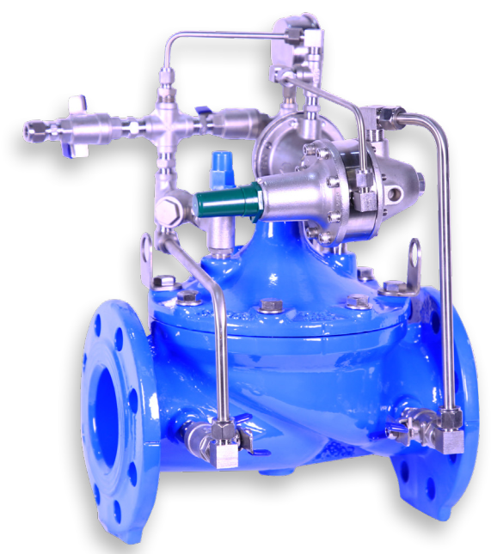 Sử dụng hình ảnh có trong các tài liệu
4.2 | Pilot operated control valves | Water supply system Anti fire fighting system | Neptune – Automatic control valves Nominal diameter: DN40 – DN1600 Media temperature: water: 0°C to 70°C and fuel: -40°C to 70°C Pressure range: 10/16/25/40 bar Permissible medium/application: – Pressure, Flow, Level control, Smart control in municipality – Water, pumping station, building, fire protection, irrigation, water treatment – Fuel – Sea water – Clear water Connection: PN10/16/25 Flange standard EN 1092-2 ISO 7005-2 ANSI or JIS KS2129 or KS4087 Design standard EN 1074-5 Test standard ISO 5208 and EN12266-1 | Brochure_Neptune_EN | 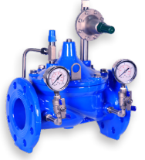 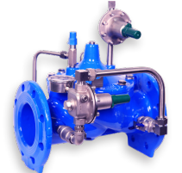 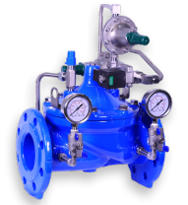 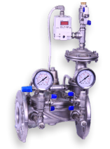 Sử dụng hình ảnh có trong các tài liệu (trang 10)
5 | Control valve HVAC | HVAC system
5.1 | Pressure Independent Control Valve | HVAC system | Pressure independent control valve Size DN15-250 Working pressure: DN15-32: 25 bar DN40-250: 16 bar Differential pressure range: 16-600 kpa Connection: DN15-50: Thread connection (ISO 228-1) DN65:250: Flange connection (EN 1092-1, -2) Flowrate range: Detail in datasheet Control: On/Off or modulating Type: Thermal / Gear / Digital Power supply: 230V / 24V | AB-QM 4.0 Flexo 80 ABQM 4.0 Actuator selection for PICV | 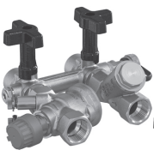 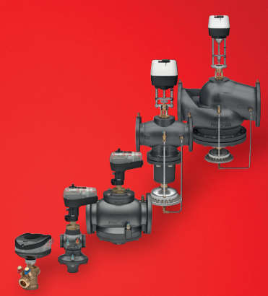 Sử dụng hình ảnh có trong các tài liệu
5.2 | Motorized Butterfly Valve | HVAC system | Motorized butterfly valve Valve body: Wafer type DN32 - 600 Max working pressure 16 bar Body material: GGG40 nodular cast iron Disc material: Wafer type: DN32: 304SS; DN40-600: GGG40+Nylon; Lug/Flange: 304SS Acutuator: On/Off or Modulating Power supply: 230VAC IP67 | Butterfly valve VFH2_DN32-600 | 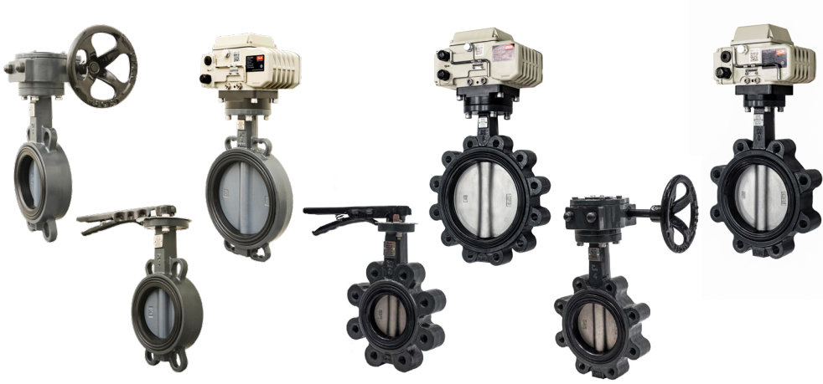 Sử dụng hình ảnh có trong các tài liệu
5.3 | Motorized Globe Valve | HVAC system | Motorized globe valve 2 way - 3 way Model: DN15-50: VRB2 - VRB3 DN65-150: VF2 - VF3 Material: DN15-50: Red bronze CuSn5ZN5Pb5 (Rg5) DN65-150: EN-GJL-250 (GG-25) / EN-GJS-400-18-LT / EN-GJL-250 (GG-25) Working pressure: 16 bar Actuator: Modulating control / 24V Input signal: 0(2)-10V / 0(4)-20 mA | VF2 + VF3 VRB2 VRB3 | 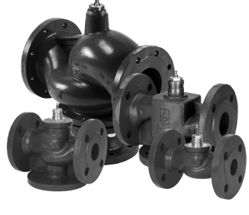 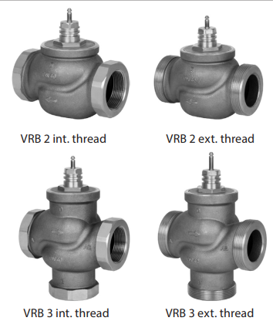 Sử dụng hình ảnh có trong các tài liệu

