bugs report
PROJECT NAME: Product Store
Total Bugs:13
Open:13
Closed:0
Cancelled:0

Bug ID | Bug Title | Bug Description | Status | Severity | Priority | Frequency | Evidences | Reported By | Reported Date | Assigned To | Note
Register_01 | Able to register a new account with invalid data in [Username] and [password] fields in "Register" form | Step1: Open "product store" website Step2: Click / select "sign up" Step3: Input invalid data for username and password Step4: Click "Sign up" button =>wrong: user can register successfully =>Right: user can't register successfully | Open | Major | High | Always | 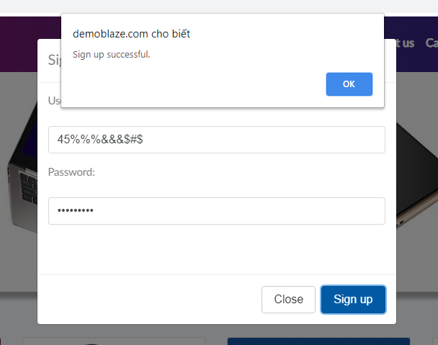 | Nguyễn Thị Ngà | 27/10/2020 | Nguyễn Thị Ngà
Register_02 | Missing max length for [username] and [password] fields at "signUp" form | Missing max length for [username] and [password] fields at "signUp" form => Wrong: user can sign up with big data for [username] and [password] feilds => Right: set max length for [username] and [password] fields | Open | Medium | Medium | Always | 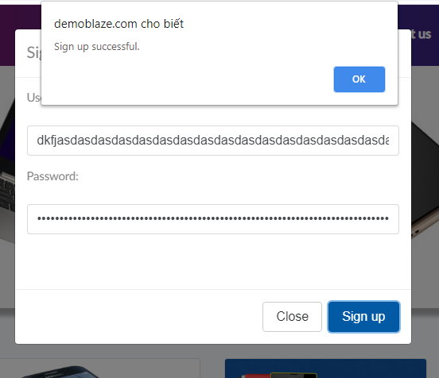 | Nguyễn Thị Ngà | 27/10/2021 | Nguyễn Thị Ngà
Register_03 | The data is not deleted when the close button is clicked in the "Registration" form. | Step1: Open "product store" website Step2: Click / select "sign up" Step3: Input data for username and password Step4: Click "close" button =>Wrong: The data still exists in the registration form =>Right: Data must disappear | Open | Medium | Medium | Always | 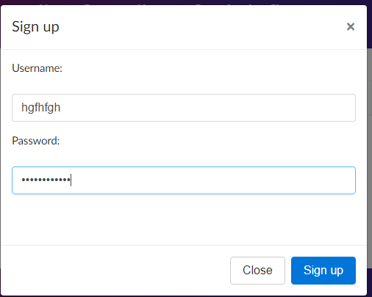 | Nguyễn Thị Ngà | 27/10/2022 | Nguyễn Thị Ngà
Shopping_01 | User can payment product without login successfully | Step1: Open "product store" website Step2: Don't login Step3: Add product to cart Step4: Click on "place order" button Step5: Input data for riquired field(s) Step6: Click on "purchase" button =>Wrong: Order Success =>Right: User can't payment | Open | Major | High | Always |  | Nguyễn Thị Ngà | 27/10/2023 | Nguyễn Thị Ngà
Shopping_02 | User can payment product successfully with inputting invalid data for [credit card] field in "Place order" form | Step1: Open "product store" website Step2: Add product to cart Step3: Click on "place order" button Step4: Input invalid data for [credit card] Step5:Click on "purchase" button => Wrong: Order Success =>Right: User can't payment successfully | Open | Major | High | Always | 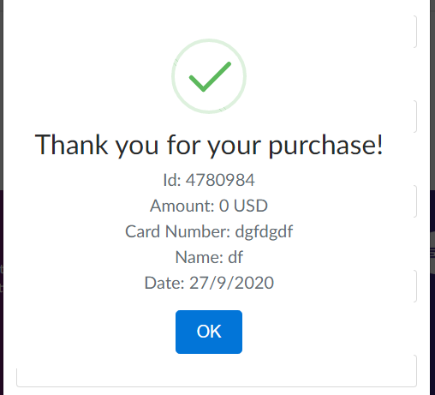 | Nguyễn Thị Ngà | 27/10/2024 | Nguyễn Thị Ngà
Shopping_03 | [month] and [year] are redundant in "Place Order" form | [month] and [year] are redundant in "Place Order" form => wrong => right: Remove [month] and [year] fields | Open | Low | Low | Always |  | Nguyễn Thị Ngà | 27/10/2025 | Nguyễn Thị Ngà
Shopping_04 | Able to place order even cart without product in cart | Step1: Open "product store" website Step2: don't add product to cart Step3: Click on "cart" Step3: Click on "place order" button Step4: Input data for "Place order" form Step5:Click on "purchase" button => Wrong: Order Success =>Right: User can't order without product in cart | Open | Major | High | Always |  | Nguyễn Thị Ngà | 27/10/2027 | Nguyễn Thị Ngà
Contact_01 | User can send message with invalid [email] field in "Contact" form | User can send message with invalid [email] field in "Contact" form => Wrong: user can send message =>Right: User can't send message | Open | Medium | Medium | Always | 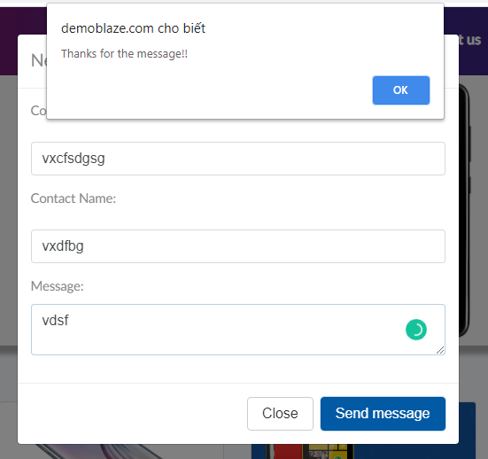 | Nguyễn Thị Ngà | 27/10/2028 | Nguyễn Thị Ngà
Contact_02 | User can send a message without entering information for the "contact" form | User can send a message without entering information for the "contact" form =>Wrong: User can send message =>Right: User can't send message without input data | Open | Medium | Medium | Always | 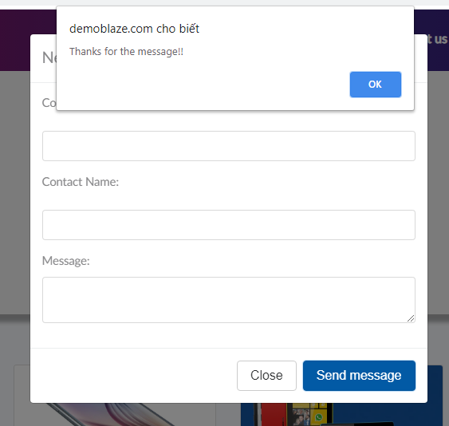 | Nguyễn Thị Ngà | 27/10/2029 | Nguyễn Thị Ngà
Interface_01 | The footer is not fixed on the page | The footer is not fixed on the page =>Wrong Right:The footer is fixed at the bottom of the page | Open | Medium | Medium | Always |  | Nguyễn Thị Ngà | 27/10/2030 | Nguyễn Thị Ngà
Interface_02 | The fields [credit card] and [name] are not marked asterisk in "Place order" form | The fields [credit card] and [name] are not marked asterisk in "Place order" form => Wrong => Right: mark asterisk for [credit card] and [name] fields | Open | Low | Low | Always |  | Nguyễn Thị Ngà | 27/10/2026 | Nguyễn Thị Ngà
Interface_03 | The fields [contact email] and [message] are not marked asterisk in "Contact" form | The fields [contact email] and [message] are not marked asterisk in "Contact" form => Wrong: The fields [contact email] and [message] are not marked => Right: mark asterisk for [contact email] and [message] fields | Open | Low | Low | Always | 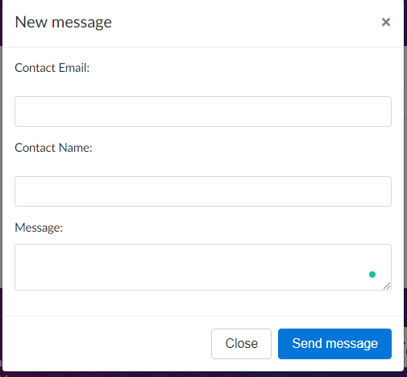 | Nguyễn Thị Ngà | 27/10/2027 | Nguyễn Thị Ngà
Interface_04 | The slideshow is deviated from the header of home page | The slideshow is deviated from the header of home page =>Wrong: The slideshow is deviated =>Right: the slideshow cannot deviate from the header | Open | Medium | Medium | Always |  | Nguyễn Thị Ngà | 27/10/2028 | Nguyễn Thị Ngà

