Sheet1
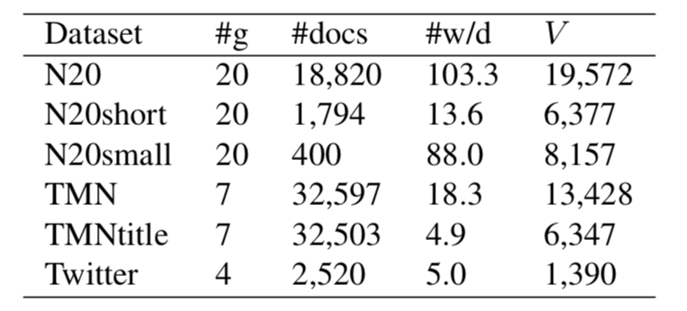
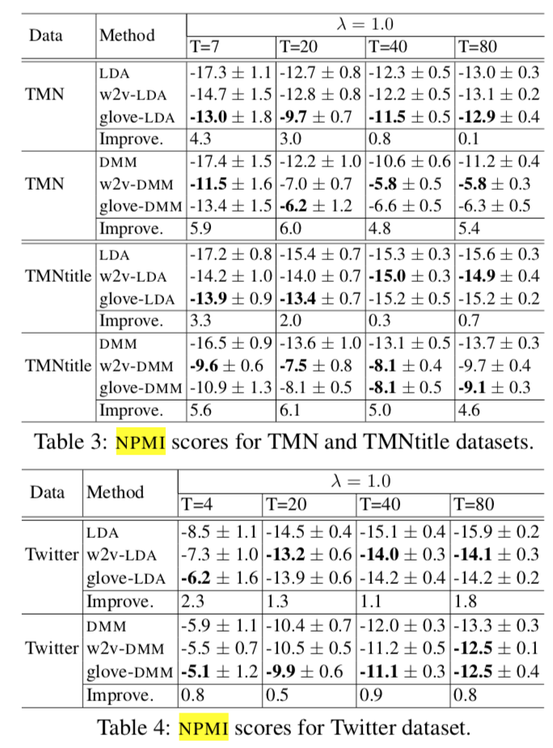
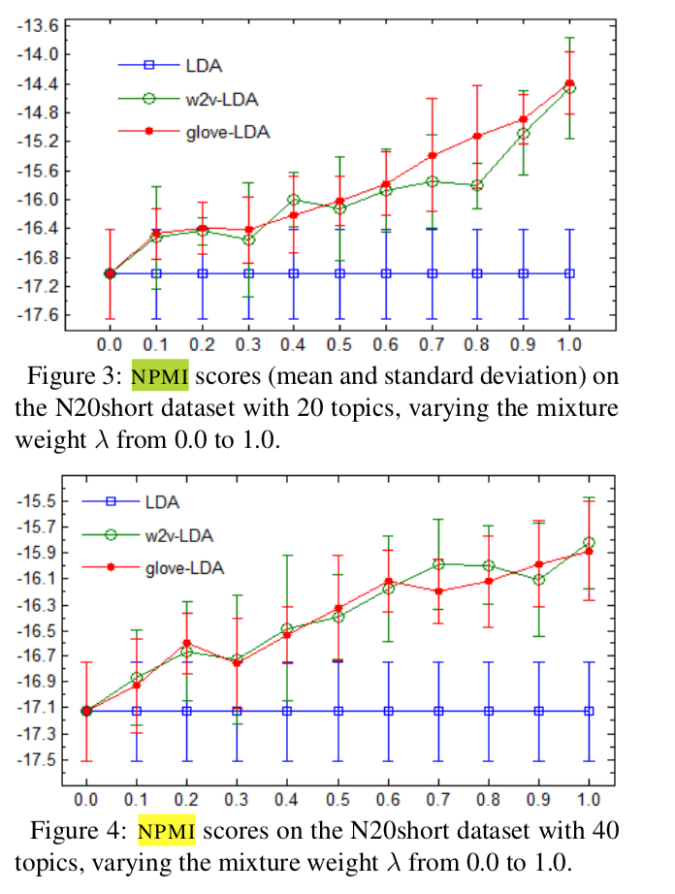
LFDMM | Dataset | Topic | TopN | PMI | NPMI | 空topic | java -jar jar/LFTM.jar -model LFDMM -corpus test/corpus_test.txt -vectors test/wordVectors.txt -ntopics 40 -alpha 0.1 -beta 0.1 -lambda 1.0 -initers 500 -niters 50 -name testLFDMM
 | N20small | 40 | 20 | -6.9442288465 | -0.15256440616 | 11 | lambda = 1
 | N20short | 40 | 20 | -8.6792479511 | -0.24018064515 | 0/2
 | Tweet | 4 | 20 | -9.8057878253 | -0.30133110273
 | Tweet | 20 | 20 | -9.5105268945 | -0.26396184294
 | Tweet | 40 | 20 | -9.7829701987 | -0.26035727702
 | Tweet | 80 | 20 | -9.8159423814 | -0.26363079516
 | N20full | 40 | 20 | -0.24193893586 | 0.042704638689 | 0 | N20short-DMM500 已经有8个空topic了 查DMM lambda=0.5导致的空topic
 |  |  |  |  |  |  | TWE-DMM (-6.4414718343772535, -0.1078314027655648)
 |  |  |  |  |  |  | LFDMM-500DMM: -8.68144317031984 -0.240521528354326 无空topic

TWE-DMM | N20small | 40 | 20 | -6.810360445 | -0.147324473 | 5
 | N20short | 40 | 20 | -3.34769248 | 0.059921031 | 33 | lambda = 0.5

