Images
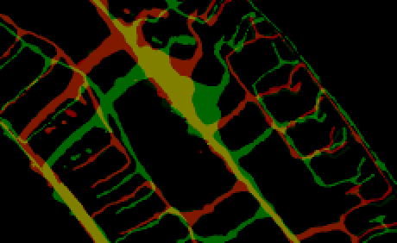
expDS4_03 2 vs 4 no reg

