Resolution_DPI
Model
Test requirement | Check Resolution and DPI
Tester
PASS | FAIL | N/A | BLOCKED | Number of Test cases
0 | 0 | 3 | 0 | 9

ID | Test Case Description | Image | Mouse Keyboard | Touch | Pen | Result | Level | Note
 | LEVEL 3
ID-1 | Check Help GUI with: - Resolution: 1280x1024 - DPI: 150 - High Contrast #1 | 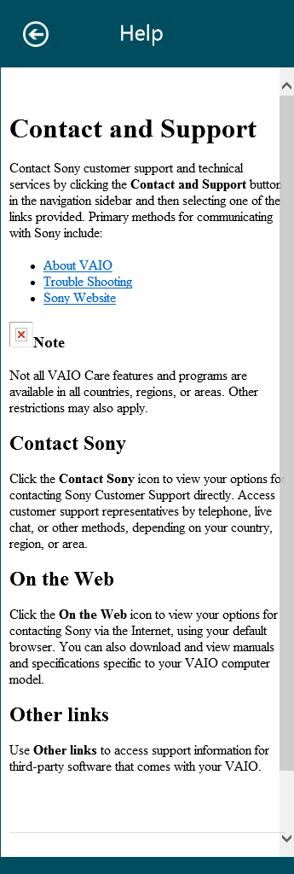 |  |  | N/A |  | Level 3
ID-2 | Check Help GUI with: - Resolution: 1920x1080 - DPI: 100 - High Contrast #1 |  |  |  | N/A |  | Level 3
ID-3 | Check Help GUI with: - Resolution: 1024x768 - DPI: 125 - High Contrast #1 |  |  |  | N/A |  | Level 3

