Q1
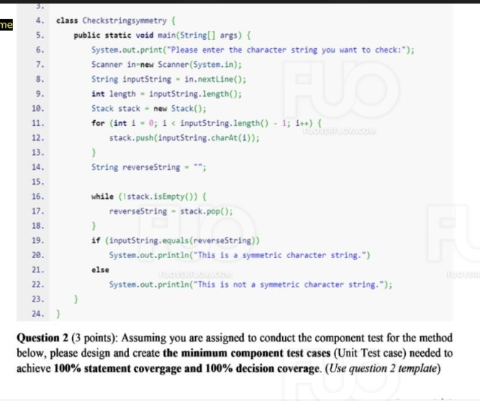
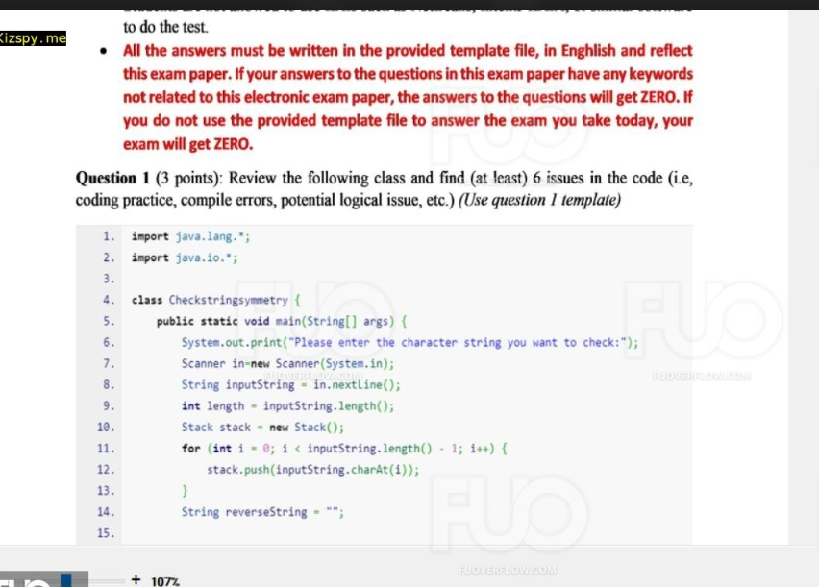
Issue No | Description | Line | Detail
1 | Missing Semicolon | 17 | There is a missing semicolon at the end of the print statement in the else block, which would cause a compile error.
2 | Infinite Loop in Stack Operations | 15-18 | In the while loop where characters are popped from the stack to build the reverseString, each character is assigned to reverseString in each iteration. Instead, characters should be concatenated to form the reversed string.
3 | Loop Condition | 12 | The loop condition i < inputString.length() - 1 should be i < inputString.length() to include the last character of the input string.
4 | Missing import Statement for Scanner | 6 | The Scanner class is used without being imported. It should be imported from java.util.Scanner.
5
6

* Notes: | Blue text is sample, needed to be deleted in the answer

Q2
Function Code |  | vicDiff |  | Function Name |  |  |  |  | vicDiff
Created By |  | Nguyen Van A |  | Executed By
Lines of code |  | 21 |  | Lack of test cases |  |  |  |  | -1
Test requirement |  | <Brief description about requirements which are tested in this function>
Passed |  | Failed |  | Untested |  |  |  |  | N/A/B |  |  | Total Test Cases
5 |  | 0 |  | -2 |  |  |  |  | 4 | 0 | 1 | 3

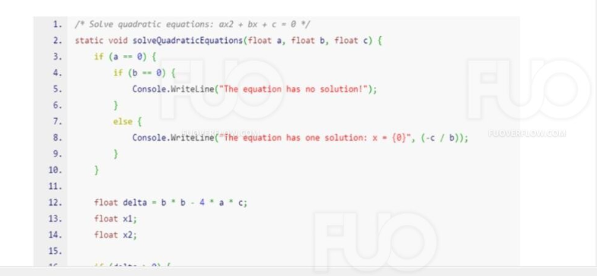
 |  |  |  | UTCID01 | UTCID02 | UTCID03
Condition | Precondition
 |  |  | N/A

 | Input condition
 | a
 |  |  | 0 | O | O
 |  |  | 1 |  |  | O | O | O

 | b
 |  |  | 0 | O
 |  |  | 2 |  | O
 |  |  | 1 |  |  |  |  | O
 |  |  | -6 |  |  |  | O
 |  |  | 5 |  |  | O
 | c
 |  |  | 5 | O
 |  |  | 10 |  | O
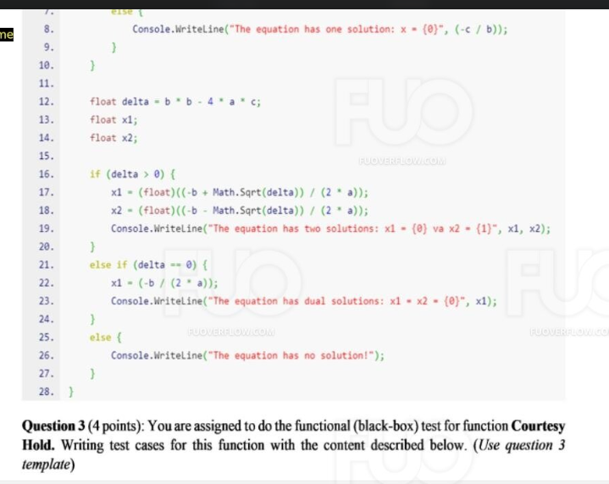
 |  |  | 6 |  |  | O
 |  |  | 9 |  |  |  | O
 |  |  | 1 |  |  |  |  | O

Confirm | Return

 |  |  | -5 |  | O
 |  |  | 3 |  |  |  | O
 |  |  | -3 |  |  | O
 | Exception
 |  |  | The equation has no solution! | O |  |  |  | O
 | Log message

Result | Type(N : Normal, A : Abnormal, B : Boundary) |  |  | B | N | N | N | N
 | Passed/Failed |  |  | P | P | P | P | P
 | Executed Date |  |  | 2024-03-26 | 2024-03-26 | 2024-03-26 | 2024-03-26 | 2024-03-26
 | Defect ID

* Notes: | Blue text is sample, needed to be deleted in the answer
 | Don't edit the grey cell

Q3
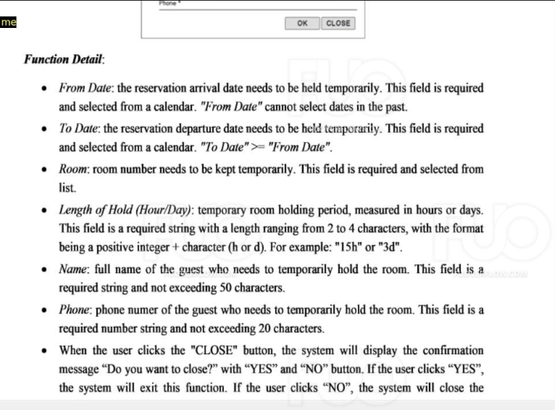
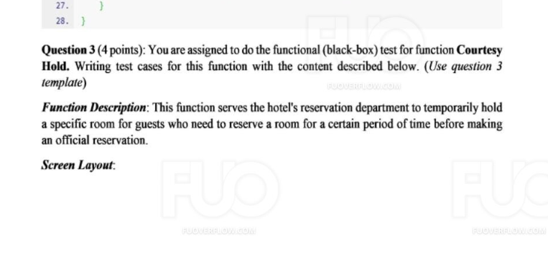
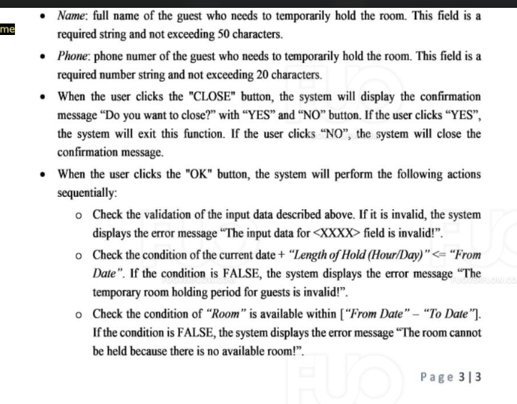
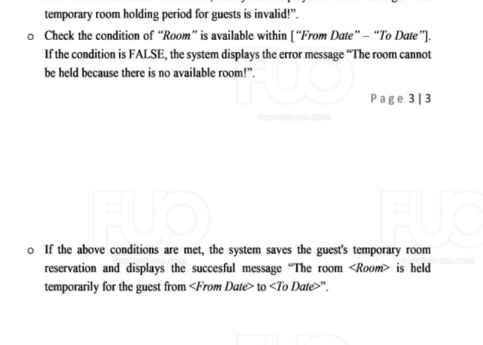
Test case
 |  |  | Pass: 6 | Untested: 0
Module Code | Create new receipt |  | Fail: 1 | N/A: 0
Tester | Nguyen Van A |  | Percent Complete: 17.14% | Number of cases: 8
ID | Test Case Description | Pre -Condition | Test Case Procedure | Expected Output | Result | Bug# | Test date (dd/mm/yyyy) | Note
TC001 | Guest selects a room, enters arrival date, departure date, number of guests, guest name, and phone number. | Clicks the "Hold Room Temporarily" button. | The system displays the message "Room has been held temporarily". | The system displays the message "Room has been held temporarily". | Pass | The guest can successfully book the room.
TC002 | Guest selects a room, enters arrival date, departure date, number of guests, guest name, and phone number. | Clicks the "Hold Room Temporarily" button. | The system displays the message "Room has been held temporarily". | The system displays the message "Room has been booked by another guest". | Fail | The system needs to check the availability of the room before holding it.
TC003 | Guest does not select a room. | Clicks the "Hold Room Temporarily" button. | The system displays the error message "Please select a room". | The system displays the error message "Please select a room". | Pass | The system needs to notify the guest of the error.
TC004 | Guest does not enter an arrival date. | Clicks the "Hold Room Temporarily" button. | The system displays the error message "Please enter an arrival date". | The system displays the error message "Please enter an arrival date". | Pass | The system needs to notify the guest of the error.
TC005 | Guest does not enter a departure date. | Clicks the "Hold Room Temporarily" button. | The system displays the error message "Please enter a departure date". | The system displays the error message "Please enter a departure date". | Pass | The system needs to notify the guest of the error.
TC006 | Guest enters a number of guests of 0. | Clicks the "Hold Room Temporarily" button. | The system displays the error message "Number of guests must be greater than 0". | The system displays the error message "Number of guests must be greater than 0". | Pass | The system needs to notify the guest of the error.
TC007 | Guest enters a guest name with special characters (@#$%^&*). | Clicks the "Hold Room Temporarily" button. | The system displays the error message "Invalid guest name". | The system displays the error message "Invalid guest name". | Pass | The system needs to notify the guest of the error.
TC008 | Guest enters an invalid phone number (not enough digits, contains letters). | Clicks the "Hold Room Temporarily" button. | The system displays the error message "Invalid phone number". | The system displays the error message "Invalid phone number". | Pass | The system needs to notify the guest of the error.

